Sheet1
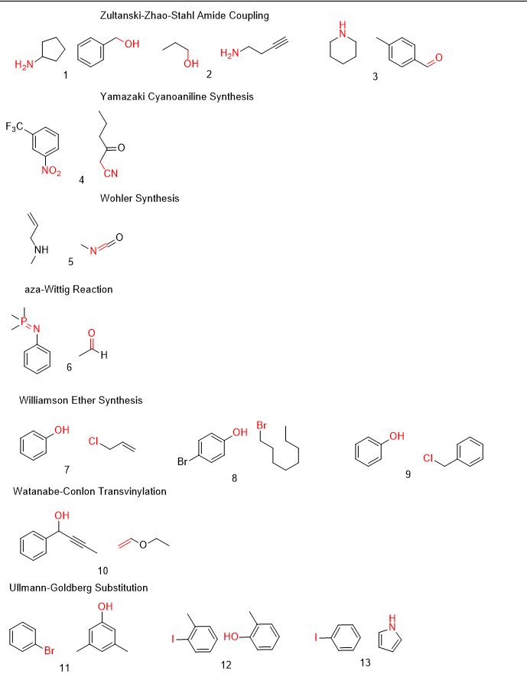
order | smiles | label | gold_criterion | combine
1 | NC1CCCC1.OCC2=CC=CC=C2 | 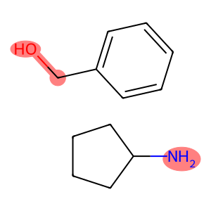 | [0,6,7] | 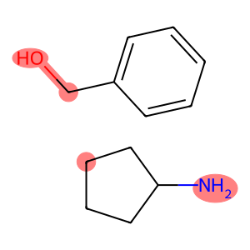
2 | CC1=CC=C(C=O)C=C1.C2CCCCN2 | 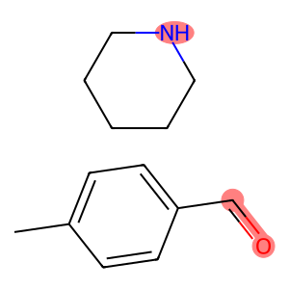 | [5,6,14] | 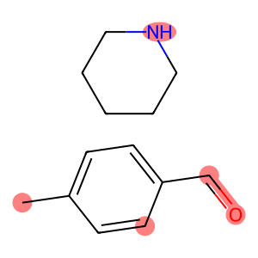
3 | FC(C1=CC([N+]([O-])=O)=CC=C1)(F)F.CCCC(CC#N)=O | 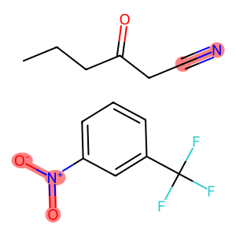 | [5,6,7,18,19] | 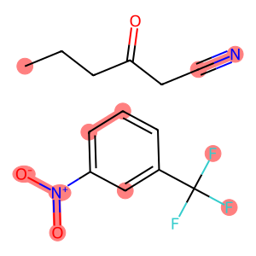
4 | C=CCNC.CN=C=O | 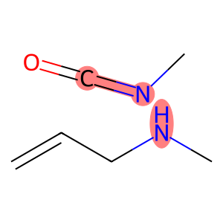 | [3,6,7] | 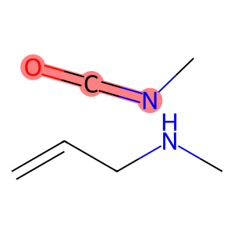
5 | CP(C)(C)=NC1=CC=CC=C1.CC=O | 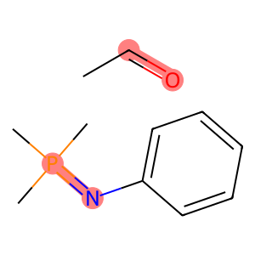 | [1,4,12,13] | 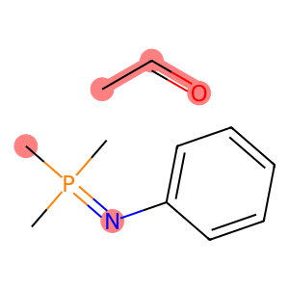
6 | OC1=CC=CC=C1.ClCC=C | 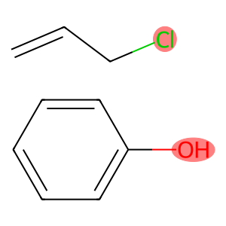 | [0,7] | 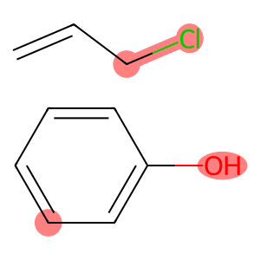
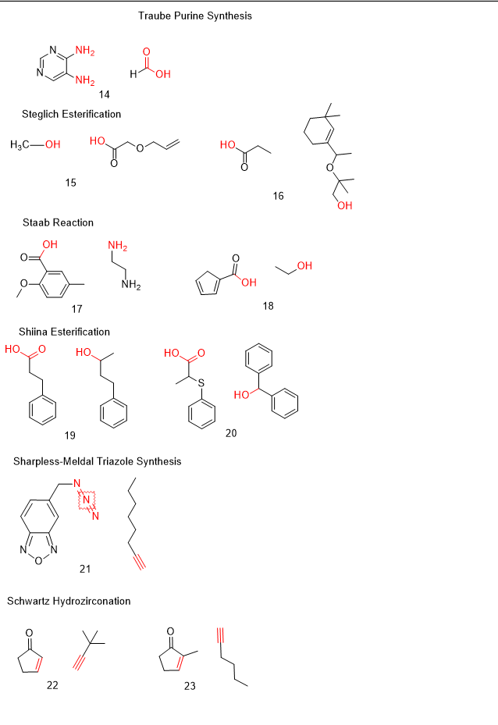
7 | OC1=CC=C(Br)C=C1.BrCCCCCCCC | 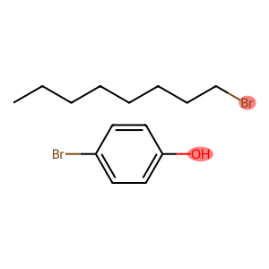 | [0,8] | 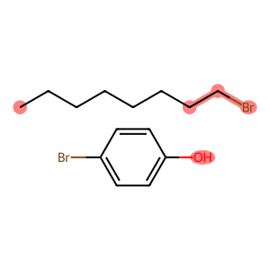
8 | OC1=CC=CC=C1.ClCC2=CC=CC=C2 | 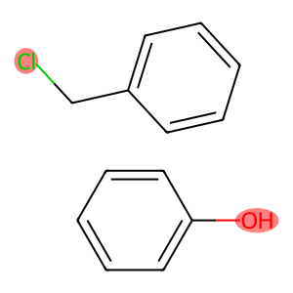 | [0,7] | 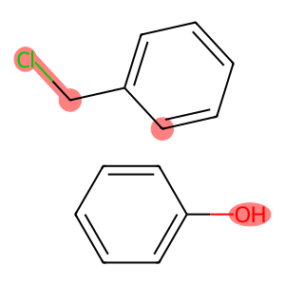
9 | CCCO.NCCC#C | 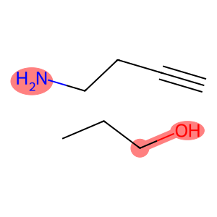 | [2,3,4] | 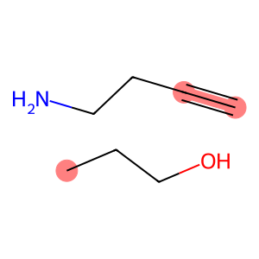
10 | OC(C#CC)C1=CC=CC=C1.C=COCC | 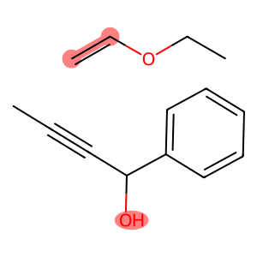 | [0,11,12] | 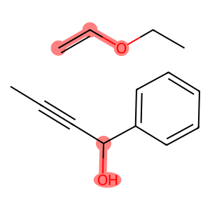
11 | BrC1=CC=CC=C1.CC2=CC(O)=CC(C)=C2 | 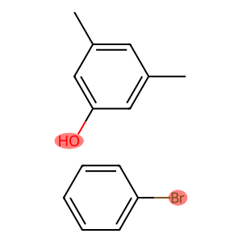 | [0,11] | 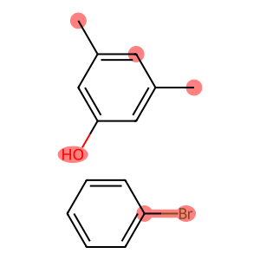
12 | IC1=C(C)C=CC=C1.OC2=C(C)C=CC=C2 | 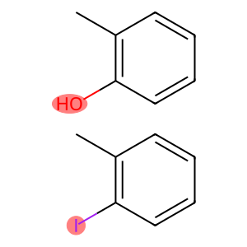 | [0,8] | 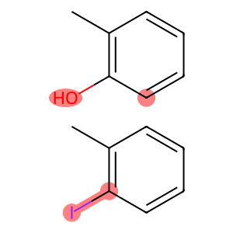
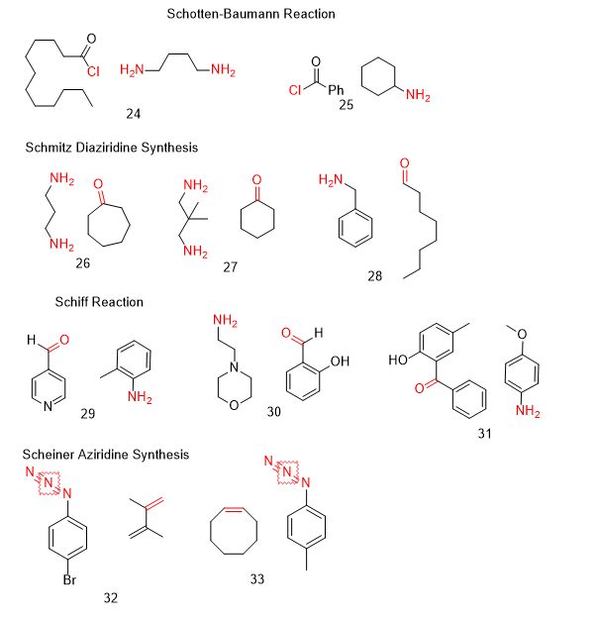
13 | IC1=CC=CC=C1.C2=CC=CN2 | 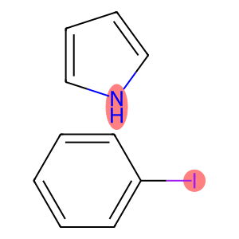 | [0,11] | 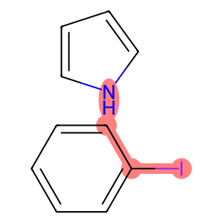
14 | NC1=NC=NC=C1N.C(O)=O | 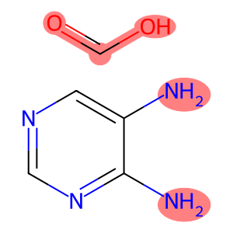 | [0,7,8,9,10] | 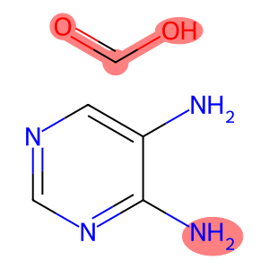
15 | CO.OC(COCC=C)=O | 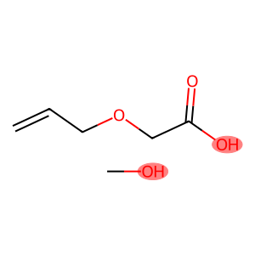 | [1,2] | 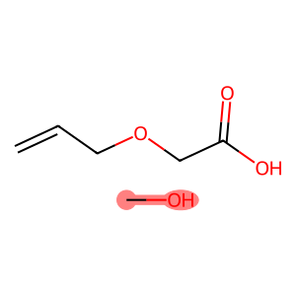
16 | OC(CC)=O.CC(OC(C)(C)CO)C1=CC(C)(C)CCC1 | 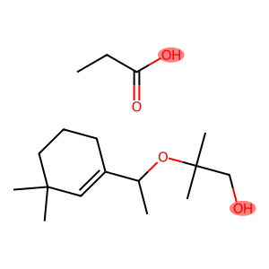 | [0,12] | 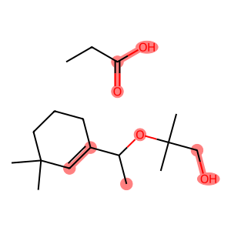
17 | 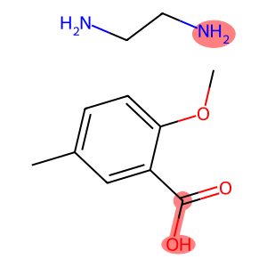 OC(C1=CC(C)=CC=C1OC)=O.NCCN |  | [0,1,12] | 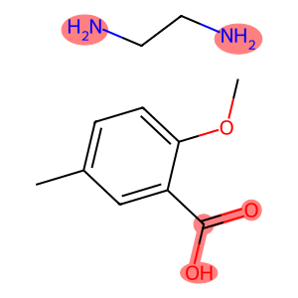
18 | OC(C1=CC=CC1)=O.OCC | 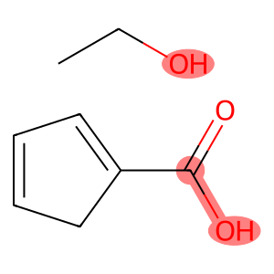 | [0,1,8] | 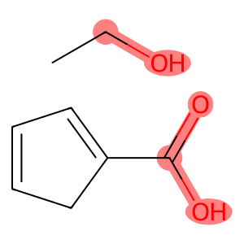
19 | OC(CCC1=CC=CC=C1)=O.OC(C)CCC2=CC=CC=C2 | 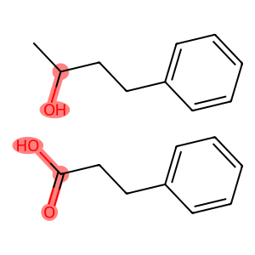 | [0,1,10,11,12] | 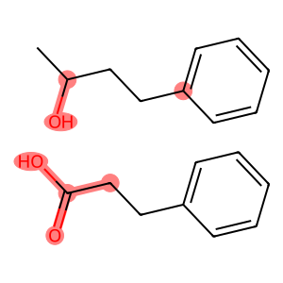
20 | OC(C(C)SC1=CC=CC=C1)=O.OC(C2=CC=CC=C2)C3=CC=CC=C3 | 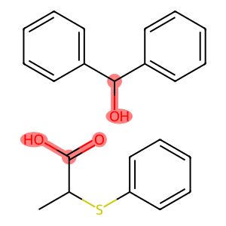 | [0,1,11,12,13] | 
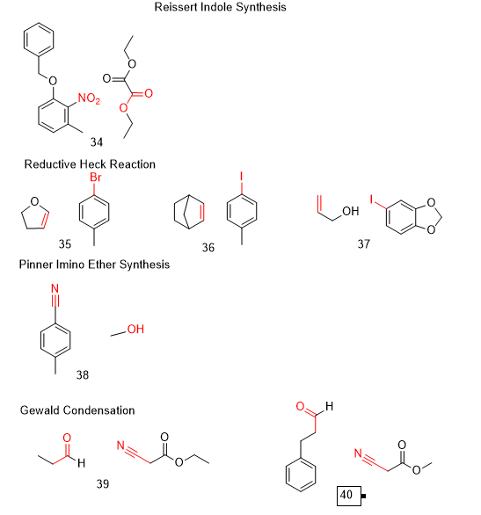
21 | N#N=NCC1=CC2=NON=C2C=C1.CCCCCCC#C | 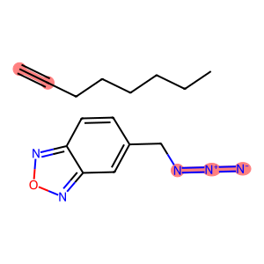 | [0,1,2,19,20] | 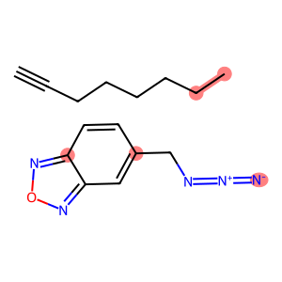
22 | O=C1C=CCC1.C#CC(C)(C)C | 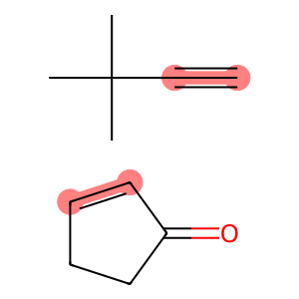 | [2,3,6,7] | 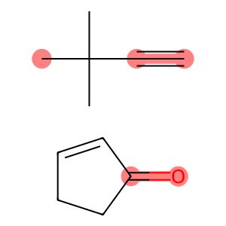
23 | O=C1C(C)=CCC1.C#CCCCC | 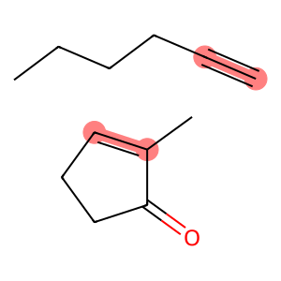 | [2,4,7,8] | 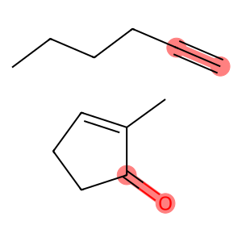
24 | ClC(CCCCCCCCCCC)=O.NCCCCN | 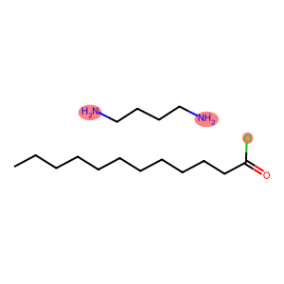 | [0,14,19] | 
25 | ClC(C1=CC=CC=C1)=O.NC2CCCCC2 |  | [0,9] | 
26 | NCCCN.O=C1CCCCCC1 |  | [0,4,5,6] | 
27 | NCC(C)(C)CN.O=C1CCCCC1 |  | [0,6,7,8] | 
28 | NCC1=CC=CC=C1.O=CCCCCCCC |  | [0,8,9] | 

29 | C(C1=CC=NC=C1)=O.NC2=C(C)C=CC=C2 |  | [0,7,8] | 
30 | NCCN1CCOCC1.O=CC2=C(O)C=CC=C2 |  | [0,11,12] |  | \

31 | NC1=CC=C(OC)C=C1.OC2=CC=C(C)C=C2C(C3=CC=CC=C3)=O |  | [0,17,24] | 
32 | BrC1=CC=C(N=N#N)C=C1.C=C(C(C)=C)C |  | [12,14,5,6,7] | 
33 | CC1=C([N+]([O-])=O)C(OCC2=CC=CC=C2)=CC=C1.CCOC(C(OCC)=O)=O |  | [3,4,5,21,20,27] | 
34 | CC1=CC=C(Br)C=C1.C2CC=CO2 |  | [4,5,10,11] | 
35 | IC1=CC=C(C)C=C1.C23CCC(C3)C=C2 |  | [0,1,13,14] | 
36 | OCC=C.IC1=CC=C(OCO2)C2=C1 |  | [2,3,4,5] | 
37 | N#CC1=CC=C(C)C=C1.CO |  | [0,1,10] | 
38 | CCC=O.O=C(OCC)CC#N |  | [1,2,3,9,10,11] | 
39 | O=CCCC1=CC=CC=C1.O=C(OC)CC#N |  | [15,16,14,0,1,2] | 
40 | O=C(C)C1=CC=CC=C1.C#COCC |  | [0,1,9,10] | 
41 | O=C(C)C1=CC=CC=C1.C#COC2=CC=CC=C2 |  | [0,1,9,10] | 
42 | CC(CC(C)C1S)(C)CC1=O.CC=O |  | [6,9,10,12,13] | 
43 | CCC(C(C)=O)S.O=C(CC)CC |  | [3,5,6,7,8] | 
44 | O=C1CCCCC1.CC(C(CS)=O)(C)C |  | [0,1,9,11,12] | 
45 | O=CC1=CC=CC=C1.CCOC(CN)OCC |  | [0,1,12,13] | 
46 | NC1CCCCC1.O=CC2=CC=CC=C2 |  | [0,7,8] | 
47 | O=C(CC)CC.NNC1=CC=CC=C1 |  | [0,1,6,7] | 
48 | COC1=CC=C2C(C=CC(Br)=C2)=C1.CN(C)C=O |  | [9,10,16,17] | 
49 | CN(C)C=O.BrC1=CC=CC=C1C(C)=C |  | [3,4,5,6] | 
50 | CC1=CC=C(Br)C=C1.NC2=CC=CC=C2 |  | [4,5,8] | 
51 | IC1=CC=CC=C1.IC(F)(F)F |  | [0,1,7,8] | 
52 | IC1=C(C)C(C)=CC(C)=C1C.IC(F)(F)F |  | [0,1,11,12] | 
53 | IC1=CC=C(C2=CC=CC=C2)C=C1.IC(F)(F)F |  | [0,1,13,14] | 
54 | NC1=CC(F)=CC=C1I.C#CC2=CC=CC=C2 |  | [0,8,9,10] | 
55 | O=C(C1=CC=CC=C1)C2=CC=CC=C2.C[Si](C=[N+]=[N-])(C)C |  | [0,1,16,17,18] | 
56 | C(C1=CC=CC=C1)=O.C#CCCCCCCCC |  | [0,7,8,9] | 
57 | CCC(Cl)=O.C1=CCCCC1 |  | [2,3,5,6] | 
58 | NC(C)CCC=C.C=O |  | [0,7,8] | 
59 | O=C(C1=CC=CC=C1)C2=CC=CC=C2.CC(C)=O |  | [0,1,15,17] | 
60 | OC1=CC=CC=C1.BrCCCC |  | [0,7,8] | 
61 | BrC1=CC=C([N+]([O-])=O)C=C1.C=CC(OCCCC)=O |  | [0,1,10,11] | 
62 | C=CC(OC(C)(C)C)=O.IC1=CC=CC=C1 |  | [0,1,9,10] | 
63 | BrC1=CC=C(F)C=C1C.CCOC(C=C)=O |  | [0,1,13,14] | 
64 | OC(CC(O)=O)=O.O=C1CCCCC1 |  | [7,8,0,1,2,6] | 
65 | BrC1=CC=C(C#N)C=C1.NC2=CC=CC=C2 |  | [0,9] | 
66 | COc1ccc(C(O)C#N)cc1.COc1ccc(C=O)cc1 |  | [6, 7, 8, 9, 12,13] | 
67 | C#CC1CC1.O=C(C[N+]([O-])=O)C2=CC=CC=C2 |  | [0,1,7,8,9,10] | 
68 | C=CC(=O)c1ccccc1.CCO |  | [2,3,12] | 
69 | C=CC(=O)OCC.OCc1ccccc1Br |  | [0,1,7] | 
70 | NC(C1=CC=CC=C1)=O.O=C(NNC2=CC=CC=C2)C3=CC=CC=C3 |  | [0,1,8,9,10,11,12] | 
71 | OCC#CCCCC.C12C=CC(C2)C=C1 |  | [2,3,13,14] | 
72 | C=CC1=CC=CC=C1.O=CCC |  | [0,1,8,9] | 
73 | BrC1=CC=CC=C1.CC(NC2=CC=C(C)C=C2)=O |  | [0,1,9] | 
74 | CCCCI.O=C(C)CCCCCC |  | [3,4,5,6] | 
75 | ClC(CCl)=C.ICI |  | [0,5] | 
76 | CCC(C1=CC=CC=C1)=O.O=CN |  | [2,9,11,12] | 
77 | BrCC=C.O=C1CCCC1 |  | [0,4,5] | 
78 | ClCC(Cl)=C.CCCCC(C)=O |  | [0,9,11] | 
79 | CC(C=C)=O.SC1=CC(C=CC=C2)=C2C=C1 |  | [2,3,5] | 
80 | CC(O)=O.NC1=CC=CC=C1 |  | [1,2,4] | 
81 | CC1=CC=C(N)C=C1.O=C(O)C2=CC=C([N+]([O-])=O)C=C2 |  | [5,9,10] | 
82 | NC1=CC=CC=C1S.O=C(Cl)C2=CC=C(F)C=C2 |  | [0,7,8,9,10] | 
83 | OCCCC1=CC=CC=C1.NC2CCCCC2 |  | [0,1,10] | 
84 | CC(CO)C1=CC=CC=C1.NCC2=CC=CC=C2 |  | [2,3,10] | 
85 | C=CC(OC)=O.IC1=CC=CC=C1 |  | [0,1,6,7] | 
86 | CC(C)C1C(O)CC(C)CC1.OCC2=CC=C(OC)C=C2 |  | [5,11] | 
87 | OC1=C(C=CC=C2)C2=CC=C1.C=CC#N |  | [0,11,12]
88 | O=CC1=CC(OC)=CC=C1.NCC(OCC)OCC |  | [0,1,10] | 
89 | CC1=CC=C(C#C)C=C1.C2=CC2 |  | [5,6,9,10] | 
90 | CCCC#CCCC.CCCCCCC=C=C |  | [3,4,15,16] | 
91 | OCCC(C1=CC=CC=C1)C2=CC=CC=C2.NCC3=CC=CC=C3 |  | [0,1,16] | 
92 | OC1=C(C=O)C=CC=C1.O=C(CBr)C2=CC=CC=C2 |  | [0,3,4,11,12] | 
93 | Cc1ccccc1C=O.O=C(CBr)N(c1ccccc1)c1ccccc1 |  | [7,8,11,12] | 
94 | CC(=O)NC(C)=O.NNc1cccc2ccccc12 |  | [1,2,3,4,6,7,8] | 
95 | CCCCCCC(=O)NC(=O)c1ccc(Cl)cc1.NNc1ccc(Cl)cc1 |  | [6,7,8,9,10,18,19] | 
96 | CC(C)Cc1ccc(C(C)C(=O)Cl)cc1.O=C1Cc2ccccc2C(=O)O1 |  | [10,11,12,15,16] | 
97 | Brc1ccc(I)cc1.c1ccc(-c2ccc(Nc3ccc(-c4ccccc4)cc3)cc2)cc1 |  | [4,5,16] | 
98 | Nc1ccccc1S.O=C(Cl)c1ccc([N+](=O)[O-])c(-c2ccccc2)c1 |  | [0,7,15,16,17] | 
99 | NC1=CC=CC=C1I.C#CC2=CC=C(OC)C=C2CC(OC)=O |  | [0,6,7,8,9] | 
100 | O=C(O)C1=CC2=CC=NC=C2C3=CC=CC=C31.CO |  | [2,18] | 

