Sheet1
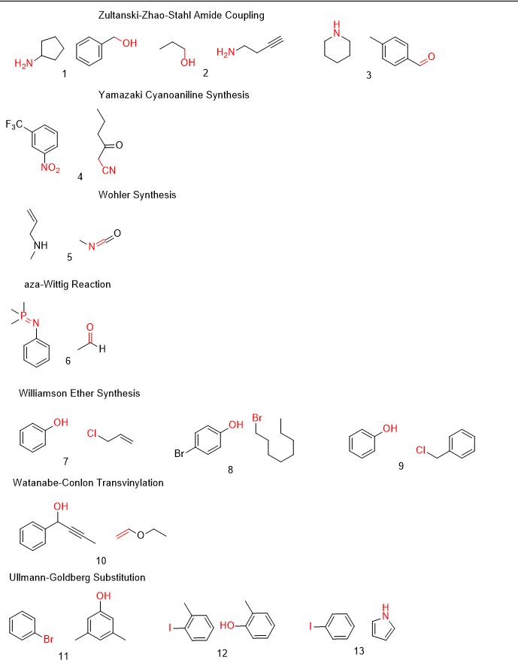
smiles | label | gold_criterion | 4_5_v01_20241215 | 7_7_v02_20241215
NC1CCCC1.OCC2=CC=CC=C2 |  | [0,6,7] | 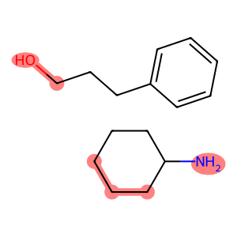 | 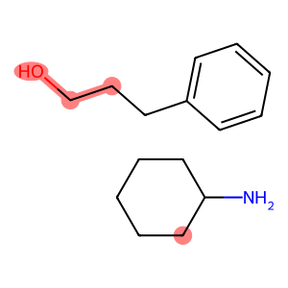
CCCO.NCCC#C |  | [2,3,4] | 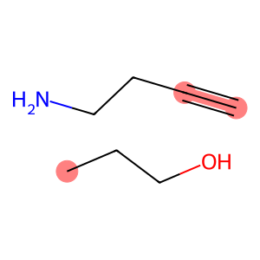 | 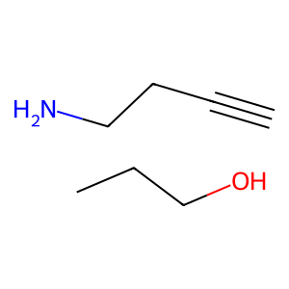
CC1=CC=C(C=O)C=C1.C2CCCCN2 |  | [5,6,14] | 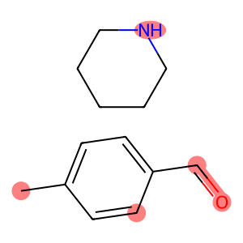 | 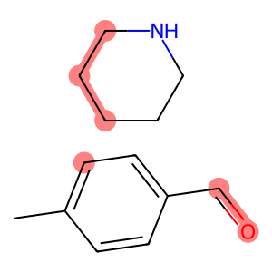
FC(C1=CC([N+]([O-])=O)=CC=C1)(F)F.CCCC(CC#N)=O |  | [5,6,7,18,19] | 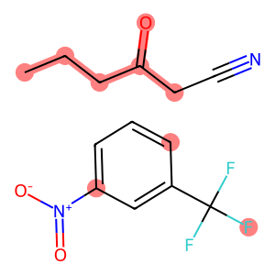 | 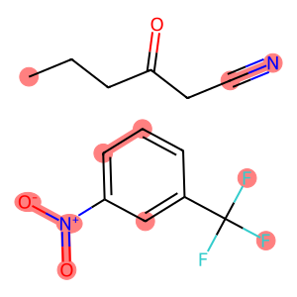
C=CCNC.CN=C=O |  | [3,6,7] | 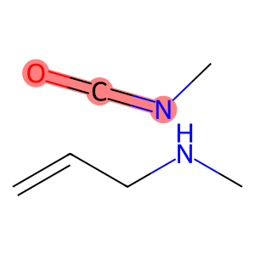
CP(C)(C)=NC1=CC=CC=C1.CC=O |  | [1,4,12,13] | 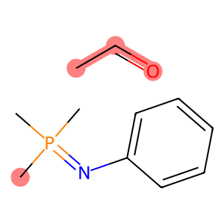 | 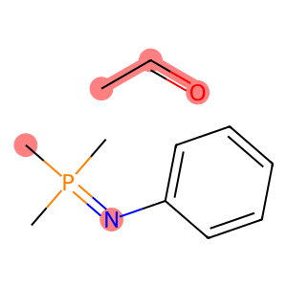
OC1=CC=CC=C1.ClCC=C |  | [0,7] | 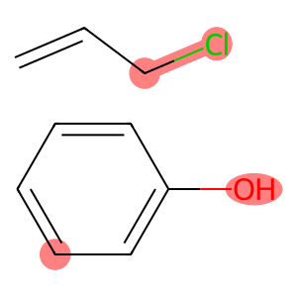 | 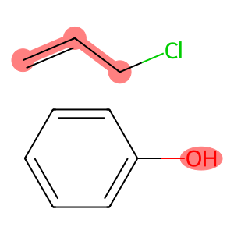
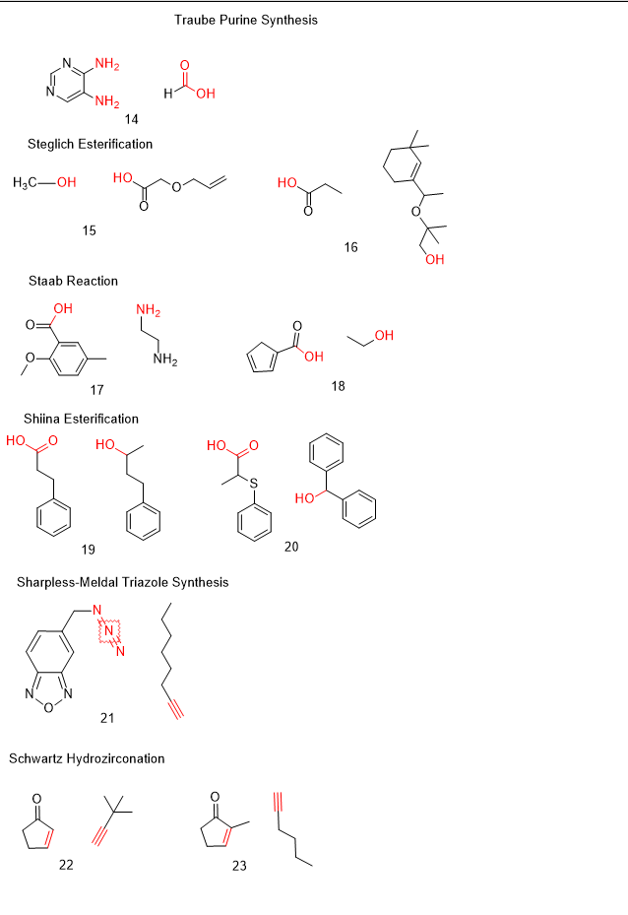
OC1=CC=C(Br)C=C1.BrCCCCCCCC |  | [0,8] | 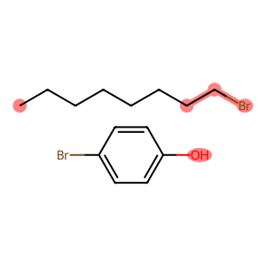 | 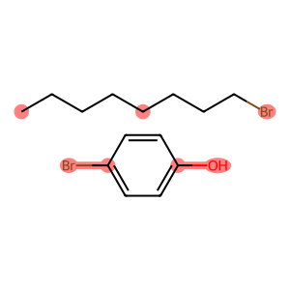
OC1=CC=CC=C1.ClCC2=CC=CC=C2 |  | [0,7] | 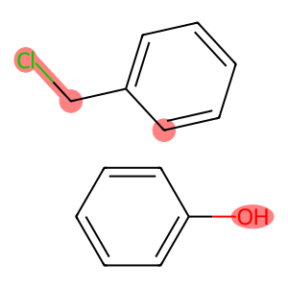 | 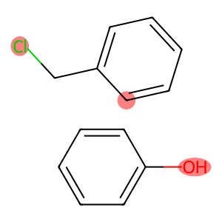
OC(C#CC)C1=CC=CC=C1.C=COCC | 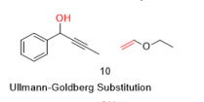 | [0,11,12] | 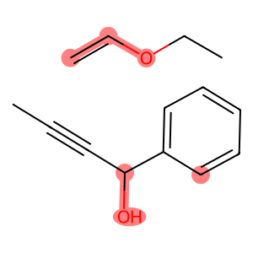 | 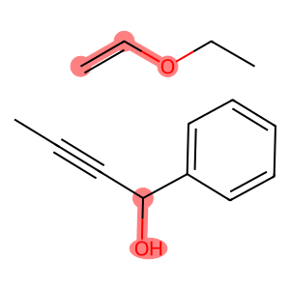
BrC1=CC=CC=C1.CC2=CC(O)=CC(C)=C2 |  | [0,11] | 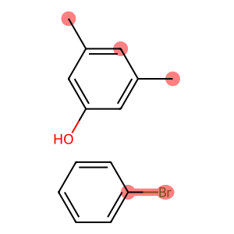 | 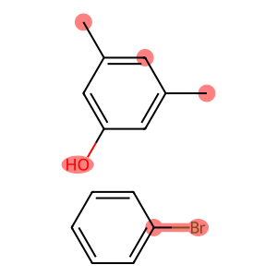
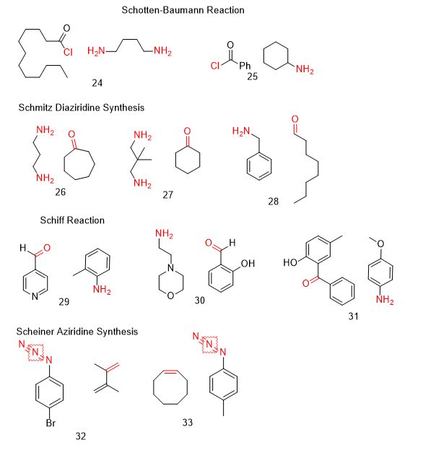
IC1=C(C)C=CC=C1.OC2=C(C)C=CC=C2 |  | [0,8] | 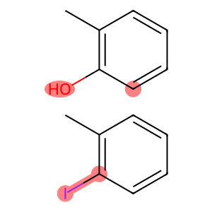 | 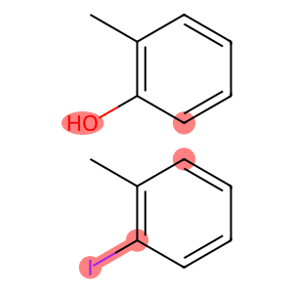
IC1=CC=CC=C1.C2=CC=CN2 |  | [0,11] | 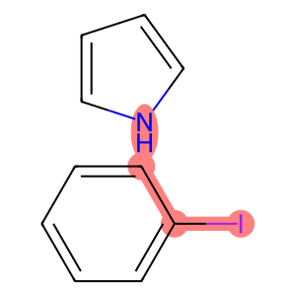 | 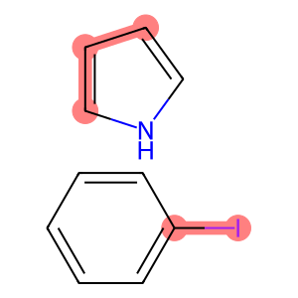
NC1=NC=NC=C1N.C(O)=O |  | [0,7,9,10] | 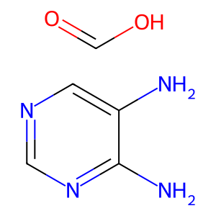 | 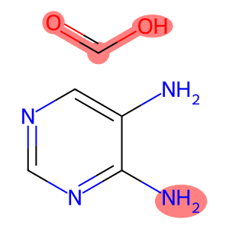
CO.OC(COCC=C)=O |  | [1,2] | 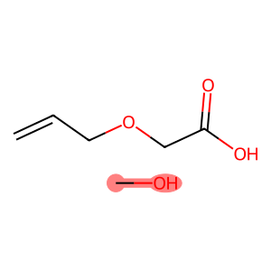 | 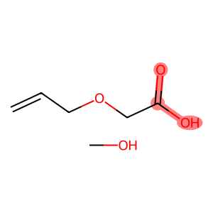
OC(CC)=O.CC(OC(C)(C)CO)C1=CC(C)(C)CCC1 | 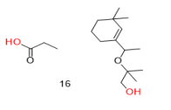 | [4,12] | 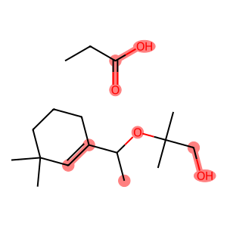 | 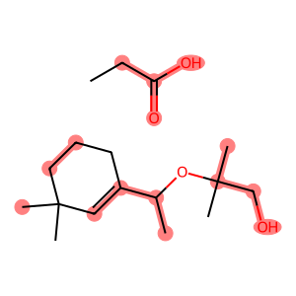
OC(C1=CC(C)=CC=C1OC)=O.NCCN |  | [0,1,12] | 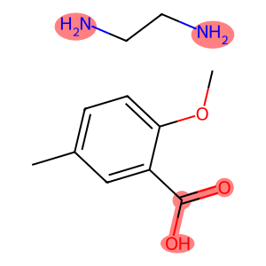 | 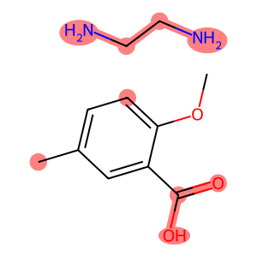
OC(C1=CC=CC1)=O.OCC |  | [0,1,8] | 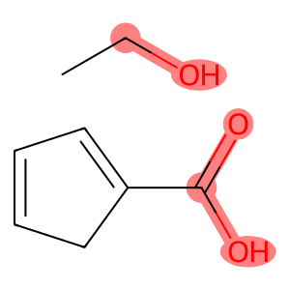 | 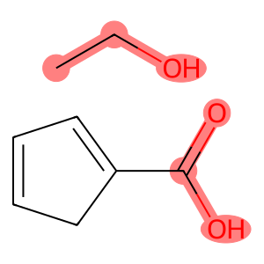
OC(CCC1=CC=CC=C1)=O.OC(C)CCC2=CC=CC=C2 |  | [0,1,7,8,10,11,12] | 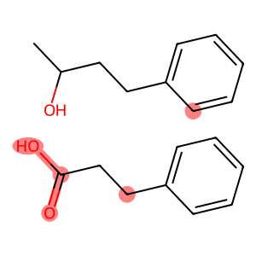 | 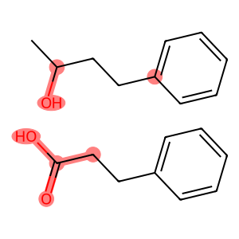
OC(C(C)SC1=CC=CC=C1)=O.OC(C2=CC=CC=C2)C3=CC=CC=C3 |  | [0,1,11,12,13] | 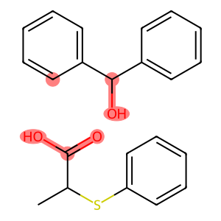 | 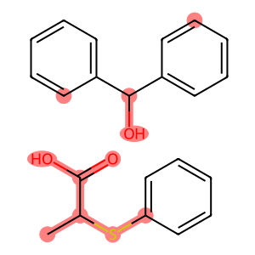
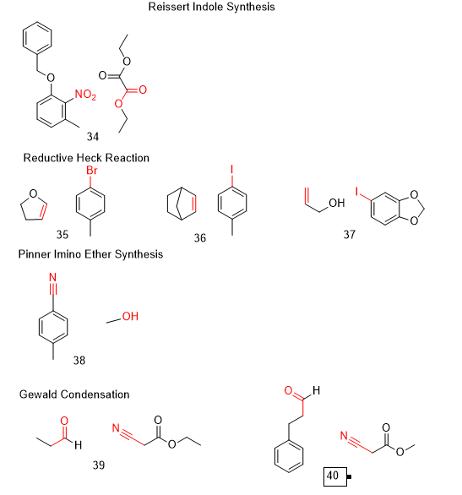
N#N=NCC1=CC2=NON=C2C=C1.CCCCCCC#C |  | [0,1,2,19,20] | 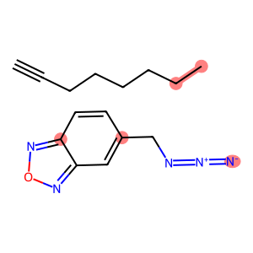 | 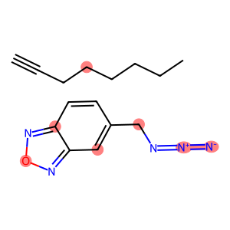
O=C1C=CCC1.C#CC(C)(C)C |  | [2,3,6,7] | 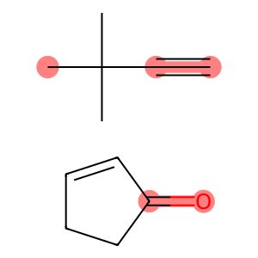 | 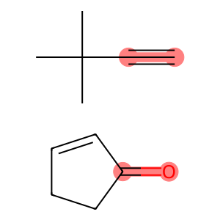
O=C1C(C)=CCC1.C#CCCCC |  | [2,4,7,8] | 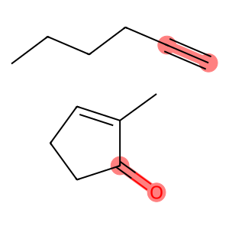 | 
ClC(CCCCCCCCCCC)=O.NCCCCN |  | [0,14,19] |  | 
ClC(C1=CC=CC=C1)=O.NC2CCCCC2 |  | [0,9] |  | 
NCCCN.O=C1CCCCCC1 |  | [0,4,5,6] |  | 
NCC(C)(C)CN.O=C1CCCCC1 |  | [0,6,7,8] |  | 
NCC1=CC=CC=C1.O=CCCCCCCC |  | [0,8,9] |  | 

C(C1=CC=NC=C1)=O.NC2=C(C)C=CC=C2 |  | [0,7,8] |  | 
NCCN1CCOCC1.O=CC2=C(O)C=CC=C2 |  | [0,7,8] |  |  | \
NC1=CC=C(OC)C=C1.OC2=CC=C(C)C=C2C(C3=CC=CC=C3)=O |  | [0,17,24] |  | 
BrC1=CC=C(N=N#N)C=C1.C=C(C(C)=C)C |  | [12,14,5,6,7] |  | 
CC1=C([N+]([O-])=O)C(OCC2=CC=CC=C2)=CC=C1.CCOC(C(OCC)=O)=O |  | [3,4,5,21,20,27] |  | 
CC1=CC=C(Br)C=C1.C2CC=CO2 |  | [4,5,10,11] |  | 
IC1=CC=C(C)C=C1.C23CCC(C3)C=C2 |  | [0,1,13,14] |  | 
OCC=C.IC1=CC=C(OCO2)C2=C1 |  | [2,3,4,5] |  | 
N#CC1=CC=C(C)C=C1.CO |  | [0,1,10] |  | 
CCC=O.O=C(OCC)CC#N |  | [2,3,9,10,11] |  | 

O=CCCC1=CC=CC=C1.O=C(OC)CC#N |  | [15,16,0] |  | 
O=C(C)C1=CC=CC=C1.C#COCC |  | [0,1,9,10] |  | 
O=C(C)C1=CC=CC=C1.C#COC2=CC=CC=C2 |  | [0,1,9,10] |  | 
CC(CC(C)C1S)(C)CC1=O.CC=O |  | [6,9,10,12,13] |  | 
CCC(C(C)=O)S.O=C(CC)CC |  | [3,5,6,7,8] |  | 
O=C1CCCCC1.CC(C(CS)=O)(C)C |  | [0,1,9,11,12] |  | 
O=CC1=CC=CC=C1.CCOC(CN)OCC |  | [0,1,12,13] |  | 
NC1CCCCC1.O=CC2=CC=CC=C2 |  | [0,7,8] |  | 
O=C(CC)CC.NNC1=CC=CC=C1 |  | [0,1,6,7] |  | 
COC1=CC=C2C(C=CC(Br)=C2)=C1.CN(C)C=O |  | [9,10,16,17] |  | 
CN(C)C=O.BrC1=CC=CC=C1C(C)=C |  | [3,4,5,6] |  | 
CC1=CC=C(Br)C=C1.NC2=CC=CC=C2 |  | [4,5,8] |  | 
IC1=CC=CC=C1.IC(F)(F)F |  | [0,1,7,8] |  | 
IC1=C(C)C(C)=CC(C)=C1C.IC(F)(F)F |  | [0,1,11,12] |  | 
IC1=CC=C(C2=CC=CC=C2)C=C1.IC(F)(F)F |  | [0,1,13,14] | 
NC1=CC(F)=CC=C1I.C#CC2=CC=CC=C2 |  | [0,8,9,10] |  | 
O=C(C1=CC=CC=C1)C2=CC=CC=C2.C[Si](C=[N+]=[N-])(C)C |  | [0,1,16,17,18] |  | 
C(C1=CC=CC=C1)=O.C#CCCCCCCCC |  | [0,7,8,9] |  | 
CCC(Cl)=O.C1=CCCCC1 |  | [2,3,5,6] |  | 
NC(C)CCC=C.C=O |  | [0,7,8] |  | 
O=C(C1=CC=CC=C1)C2=CC=CC=C2.CC(C)=O |  | [0,1,15.17] |  | 
OC1=CC=CC=C1.BrCCCC |  | [0,7] |  | 
BrC1=CC=C([N+]([O-])=O)C=C1.C=CC(OCCCC)=O |  | [0,1,7,8] |  | 
C=CC(OC(C)(C)C)=O.IC1=CC=CC=C1 |  | [2,3,9,10] |  | 
BrC1=CC=C(F)C=C1C.CCOC(C=C)=O |  | [0,1,13,14] |  | 
N#CC1=CC=CS1.OC |  | [0,1,7]
NC1CCCCC1.OCCCc1ccccc1 |  | [0, 1,5]
COc1ccc(C(O)C#N)cc1.COc1ccc(C=O)cc1 |  | [6, 7, 8, 9, 12,13] |  | 
C=CC(C)=O.Sc1ccc2ccccc2c1 |  |  [0,1,5] |  | 
C=CC(=O)c1ccccc1.CCO |  | [2,3,12] |  | 
C=CC(=O)OCC.OCc1ccccc1Br |  | [0,1,7] |  | 
CC1=CC=C(N)C=C1.OC(C2=CC=C([N+]([O-])=O)C=C2)=O |  | [5,8,9] |  | 
OCC#CCCCC.C12C=CC(C2)C=C1 |  | [2,3,13,14] |  | 
C=CC1=CC=CC=C1.O=CCC |  | [0,1,8,9] | 
BrC1=CC=CC=C1.CC(NC2=CC=C(C)C=C2)=O |  | [0,1,9] |  | 
CCCCI.O=C(C)CCCCCC |  | [3,4,5,6] |  | 
ClC(CCl)=C.ICI |  | [0,5] | 
CCC(C1=CC=CC=C1)=O.O=CN |  | [2,9,11,12] |  | 
BrCC=C.O=C1CCCC1 |  | [0,4,5] |  | 
ClCC(Cl)=C.CCCCC(C)=O |  | [0,9,11] |  | 
CC(C=C)=O.SC1=CC(C=CC=C2)=C2C=C1 |  | [2,3,5] |  | 
CC(O)=O.NC1=CC=CC=C1 |  | [1,2,4] |  | 
CC1=CC=C(N)C=C1.O=C(O)C2=CC=C([N+]([O-])=O)C=C2 |  | [5,11] |  | 
NC1=CC=CC=C1S.O=C(Cl)C2=CC=C(F)C=C2 |  | [0,7,8,9,10] |  | 
OCCCC1=CC=CC=C1.NC2CCCCC2 |  | [0,1,10,11] |  | 
CC(CO)C1=CC=CC=C1.NCC2=CC=CC=C2 |  | [2,3,10] |  | 
C=CC(OC)=O.IC1=CC=CC=C1 |  | [0,1,6,7] |  | 
CC(C)C1C(O)CC(C)CC1.OCC2=CC=C(OC)C=C2 |  | [5,11] | 
C#CC=C.Oc1cccc2ccccc12 |  | [4,2,3] |  | 
CC(CO)c1ccccc1.NCc1ccccc1 |  | [2,3,10] |  | 
CC1=CC=C(C#C)C=C1.C2=CC2 |  | [5,6,9,10] |  | 
CCCC#CCCC.CCCCCCC=C=C |  | [3,4,15,16] |  | 
OCCC(C1=CC=CC=C1)C2=CC=CC=C2.NCC3=CC=CC=C3 |  | [0,1,16] |  | 
OC1=C(C=O)C=CC=C1.O=C(CBr)C2=CC=CC=C2 |  | [0,3,4,12] |  | 
Cc1ccccc1C=O.O=C(CBr)N(c1ccccc1)c1ccccc1 |  | [7,8,11,12] |  | 
CC(=O)NC(C)=O.NNc1cccc2ccccc12 |  | [1,2,3,4,6,7,8] |  | 
CCCCCCC(=O)NC(=O)c1ccc(Cl)cc1.NNc1ccc(Cl)cc1 |  | [6,7,8,9,10,18,19] |  | 
CC(C)Cc1ccc(C(C)C(=O)Cl)cc1.O=C1Cc2ccccc2C(=O)O1 |  | [10,11,12,15,16] |  | 
Brc1ccc(I)cc1.c1ccc(-c2ccc(Nc3ccc(-c4ccccc4)cc3)cc2)cc1 |  | [4,5,16] |  | 
Nc1ccccc1S.O=C(Cl)c1ccc([N+](=O)[O-])c(-c2ccccc2)c1 |  | [0,7,15,16,17] |  | 
NC1=CC=CC=C1I.C#CC2=CC=C(OC)C=C2CC(OC)=O |  | [0,6,7,8,9] |  | 
O=C(O)C1=CC2=CC=NC=C2C3=CC=CC=C31.CO |  | [2,18] |  | 

