Login
Datalogics Society Voting System
SCREEN LAYOUT

<- Back to Screen List
 | Login

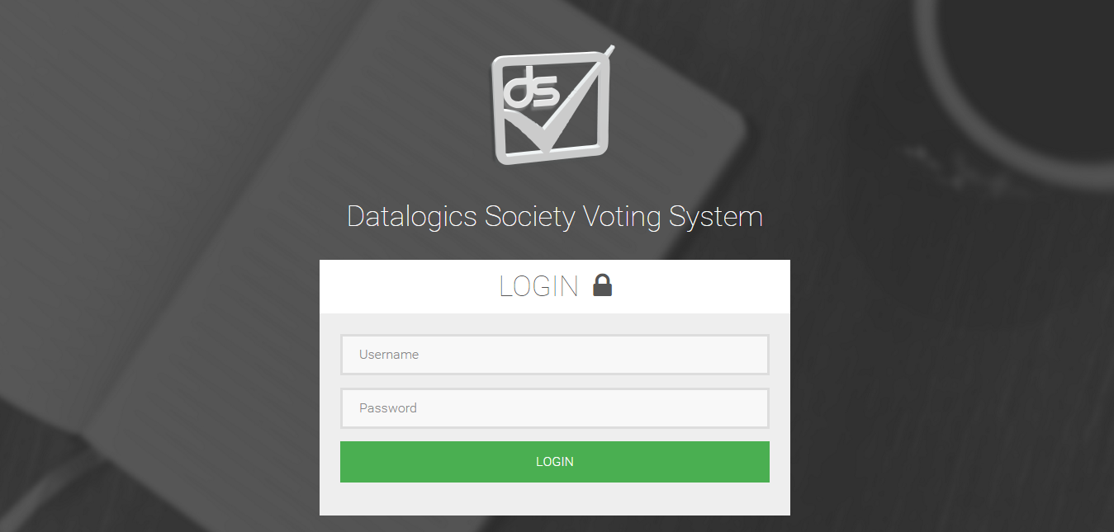

Datalogics Society Voting System
FIELDS

 | Login

 | Field Name |  |  |  |  |  | Data Type | Length | Field Type | Required | Lang |  | Default Value | Display Format |  | Example | Logic
 |  |  |  |  |  |  |  |  |  |  | EN | TH
 | Body Section
 | Form
 | Username |  |  |  |  |  | string | 50 | textbox | Y | Y
 | Password |  |  |  |  |  | string | 50 | password | Y | Y

 | Buttons
 | Login |  |  |  |  |  |  |  | submit |  |  |  |  |  |  |  | Onclick, validates data and redirects to user homepage.

Datalogics Society Voting System
LOGIC

 | Login

 |  |  | Use Case
 |  |  |  | Login

 |  |  |  |  | Scenarios
 |  |  |  |  |  | Login
 |  |  |  |  |  | 1. System requests user or admin to enter his/her name Username and password.
 |  |  |  |  |  | 2. User/Admin enter his/her username and password.
 |  |  |  |  |  | 3. User clicks on Login button.
 |  |  |  |  |  | 4. System validates the entered username and passoword
 |  |  |  |  |  | 5. System prompts an error stating if username and password are incorrect
 |  |  |  |  |  | 6. System redirects user to the Login form.
 |  |  |  |  |  | 7. User/Admin supplies required information.
 |  |  |  |  |  | 8. User/Admin clicks on the Login button.
 |  |  |  |  |  | 9. System redirects user/admin to Home page.
 |  | Other Details
 |  |  | - validation is done once user clicks on the "login" button.
 |  |  | - password format is checked.
 |  |  | - username is checked if it is registered in the system

Datalogics Society Voting System
NOTIFICATIONS

 | Login

 |  | Display the following messages as a popup in the same window.

 |  |  |  |  | Scenario |  |  |  |  |  |  |  |  |  | Message
 |  |  |  |  | Wrong username or password |  |  |  |  |  |  |  |  |  | Wrong ID number and/or password.
 |  |  |  |  | Deleted user attempts to log in the site |  |  |  |  |  |  |  |  |  | Username does not exist.
 |  |  |  |  | ID number is not registered in the system |  |  |  |  |  |  |  |  |  | Username does not exist.

Home
Datalogics Society Voting System
SCREEN LAYOUT

<- Back to Screen List
 | Home

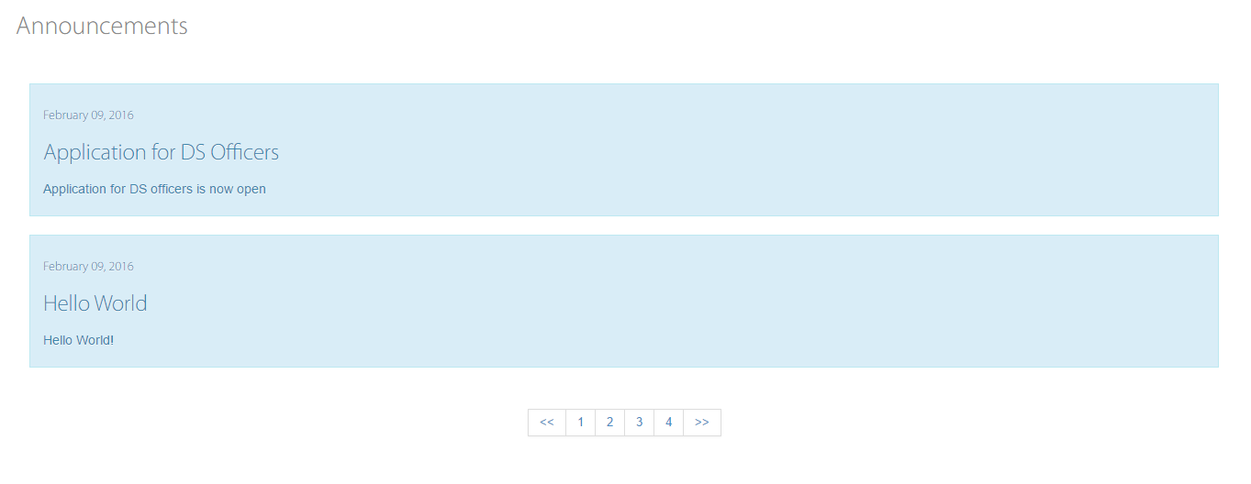

Datalogics Society Voting System
FIELDS

 | Home

 | Field Name |  |  |  |  |  | Data Type | Length | Field Type | Required | Lang |  | Default Value | Display Format |  | Example | Logic
 |  |  |  |  |  |  |  |  |  |  | EN | TH
 | Body Section

 | Date |  |  |  |  |  | date |  | date |  | Y |  | system generated | MM/DD/YY |  | 2015-12-31
 | Announcement |  |  |  |  |  | string | 50 | label |  | Y |  | system generated
 | Description |  |  |  |  |  | string | 200 | paragraph |  | Y |  | system generated

 | Buttons
 | Pagination |  |  |  |  |  |  |  | button |  |  |  |  |  |  |  | Onclick, displays another set of announcements

Datalogics Society Voting System
LOGIC

 | Home

 |  |  | Use Case
 |  |  |  | Home

 |  |  |  |  | Scenarios
 |  |  |  |  |  | Home
 |  |  |  |  |  | 1. User clicks on the Home in the navigation bar.
 |  |  |  |  |  | 2. System displays the Home Page.
 |  |  |  |  |  | 3. System displays the announcements with date and description

 |  | Other Details
 |  |  | 1. A scroll bar is provided when announcements go past the screen.

Datalogics Society Voting System
NOTIFICATIONS

 | Home

 |  | Display the following messages as a popup in the same window.

 |  |  |  |  | Scenario |  |  |  |  |  |  |  |  |  | Message
 |  |  |  |  | N/A |  |  |  |  |  |  |  |  |  | \

Apply - Form
Datalogics Society Voting System
SCREEN LAYOUT

<- Back to Screen List
 | Apply - Application Form

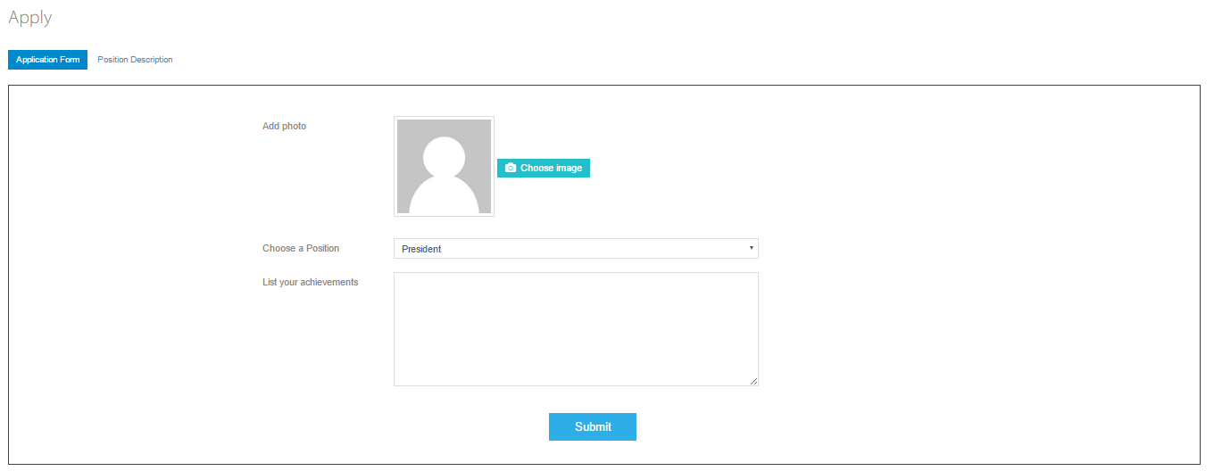

Datalogics Society Voting System
FIELDS

 | Apply - Application Form

 | Field Name |  |  |  |  |  | Data Type | Length | Field Type | Required | Lang |  | Default Value | Display Format |  | Example | Logic
 |  |  |  |  |  |  |  |  |  |  | EN | TH
 | Body Section
 | Form
 | Add Photo |  |  |  |  |  | button |  | file |  |  |  |  |  |  |  | Onclick, opens a file dialog box to choose photo
 | Choose a position |  |  |  |  |  | string | 50 | combo box | Y | Y |  | President
 | List your Achivements |  |  |  |  |  | string | 50 | textarea | Y | Y

 | Buttons
 | Submit |  |  |  |  |  |  |  | submit | Y |  |  |  |  |  |  | Onclick, validates data and displays a success message
 | Application Form |  |  |  |  |  |  |  |  |  |  |  |  |  |  |  | Onclick, displays the application form page
 | Position Description |  |  |  |  |  |  |  |  |  |  |  |  |  |  |  | Onclick, displays the position description page.

Datalogics Society Voting System
LOGIC

 | Apply - Application Form

 |  |  | Use Case
 |  |  |  | Apply
 |  |  |  |  | Application Form

 |  |  |  |  | Scenarios
 |  |  |  |  |  | Application Form
 |  |  |  |  |  | 1. User clicks on the Apply in the navigation bar.
 |  |  |  |  |  | 2. System displays the Apply Page.
 |  |  |  |  |  | 3. User clicks on the Application Form button.
 |  |  |  |  |  | 4. System displays Application Form
 |  |  |  |  |  | 5. User fills-up the Application Form.
 |  |  |  |  |  | 6. User clicks on the Submit button in the Application Form.
 |  |  |  |  |  | 7. System validates data and checks missing required data from the Application form.
 |  |  |  |  |  | 8. System prompts an error stating if required fields are empty.
 |  |  |  |  |  | 9. System redirects user to the Application form.
 |  |  |  |  |  | 10. User supplies missing information.
 |  |  |  |  |  | 11. User clicks on the Submit button in the Application form.
 |  |  |  |  |  | 12. System prompts success message if validation is successful

 |  | Other Details
 |  |  | - validation is done once user clicks on the "submit" button.
 |  |  | - missing required fields are checked.
 |  |  | - image type is checked

Datalogics Society Voting System
NOTIFICATIONS

 | Apply - Application Form

 |  | Display the following messages as a popup in the same window.

 |  |  |  |  | Scenario |  |  |  |  |  |  |  |  |  | Message
 |  |  |  |  | Empty required field. |  |  |  |  |  |  |  |  |  | Please select a file. (for choose image)
 |  |  |  |  | Unacceptable image file type |  |  |  |  |  |  |  |  |  | Only jpeg, jpg, png file types are accepted.
 |  |  |  |  | Confirmation message after clicking submit button |  |  |  |  |  |  |  |  |  | Are you sure you want to send this application?
 |  |  |  |  | If "Cancel" button is clicked |  |  |  |  |  |  |  |  |  | Application was not sent!
 |  |  |  |  | If "OKl" button is clicked |  |  |  |  |  |  |  |  |  | Application done!
 |  |  |  |  | Already sent an application |  |  |  |  |  |  |  |  |  | You have already sent an application.

Apply - Position_Description
Datalogics Society Voting System
SCREEN LAYOUT

<- Back to Screen List
 | Apply - Position Description

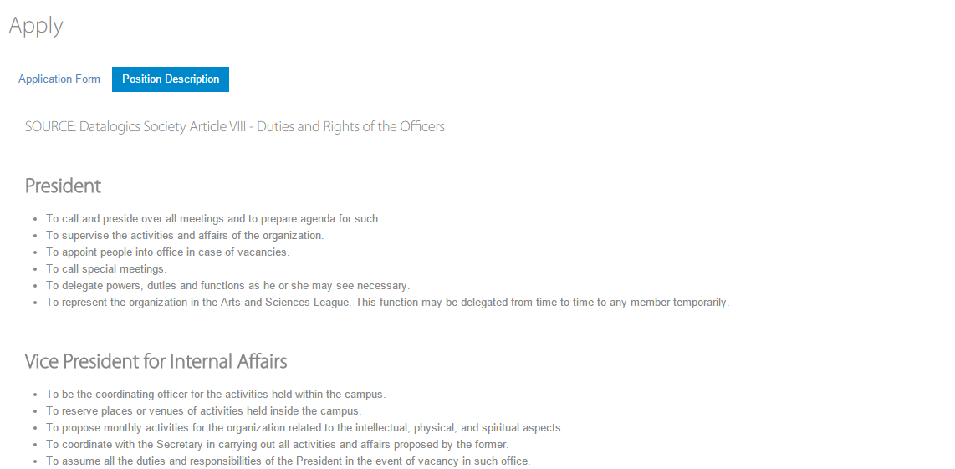

Datalogics Society Voting System
FIELDS

 | Apply - Position Description

 | Field Name |  |  |  |  |  | Data Type | Length | Field Type | Required | Lang |  | Default Value | Display Format |  | Example | Logic
 |  |  |  |  |  |  |  |  |  |  | EN | TH
 | Body Section
 | Scroll Bar |  |  |  |  |  |  |  |  | Y
 | Position Name |  |  |  |  |  | String |  |  | Y | Y |  |  |  |  | President
 | Position Description |  |  |  |  |  | String |  |  | Y | Y

 | Buttons
 | Application Form |  |  |  |  |  |  |  |  | Y |  |  |  |  |  |  | Onclick, displays the application form page
 | Position Description |  |  |  |  |  |  |  |  | Y |  |  |  |  |  |  | Onclick, displays the position description page.

Datalogics Society Voting System
LOGIC

 | Apply - Position Description

 |  |  | Use Case
 |  |  |  | Apply
 |  |  |  |  | Position Description

 |  |  |  |  | Scenarios
 |  |  |  |  |  | Position Description
 |  |  |  |  |  | 1. User clicks on the Apply in the navigation bar.
 |  |  |  |  |  | 2. System displays the Apply Page.
 |  |  |  |  |  | 3. User clicks on the Position Description button.
 |  |  |  |  |  | 4. System displays the description of each position.

 |  | Other Details

Datalogics Society Voting System
NOTIFICATIONS

 | Apply - Position Description

 |  | Display the following messages as a popup in the same window.

 |  |  |  |  | Scenario |  |  |  |  |  |  |  |  |  | Message
 |  |  |  |  | N/A

Vote
Datalogics Society Voting System
SCREEN LAYOUT

<- Back to Screen List
 | Vote

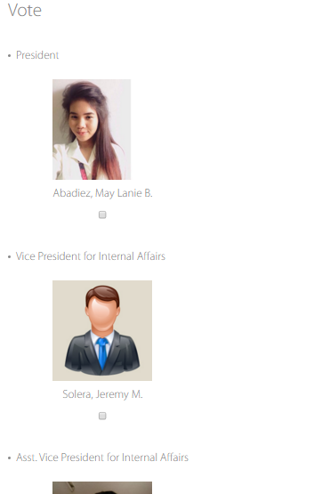
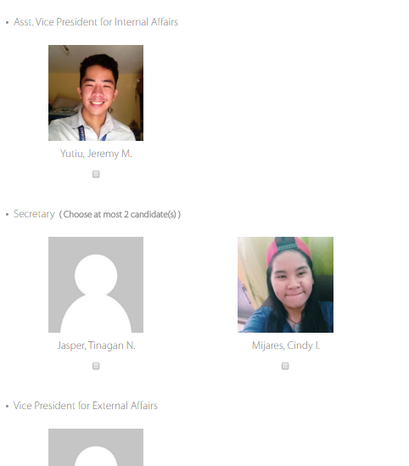

Datalogics Society Voting System
FIELDS

 | Vote

 | Field Name |  |  |  |  |  | Data Type | Length | Field Type | Required | Lang |  | Default Value | Display Format |  | Example | Logic
 |  |  |  |  |  |  |  |  |  |  | EN | TH
 | Body Section

 | Vote |  |  |  |  |  | string | 30 | label |  | Y |  | system generated
 | Position Name |  |  |  |  |  | string | 30 | label |  |  |  | generated from DB
 | Candidates' picture |  |  |  |  |  |  |  | image |  | Y |  | generated from DB |  |  |  | Onclick, opens a modular window which shows details of the candidate
 | Candidates' name |  |  |  |  |  | string | 30 | label |  |  |  | generated from DB |  |  |  | Onclick, opens a modular window which shows details of the candidate
 | Vote Candidate |  |  |  |  |  |  |  | checkbox

 | Buttons
 | Submit |  |  |  |  |  |  |  | submit | Y |  |  | disabled |  |  |  | Onclick, validates data and displays a success message

Datalogics Society Voting System
LOGIC

 | Vote

 |  |  | Use Case
 |  |  |  | Vote

 |  |  |  |  | Scenarios
 |  |  |  |  |  | Vote
 |  |  |  |  |  | 1. User clicks on the Vote in the navigation bar.
 |  |  |  |  |  | 2. System displays the Vote page
 |  |  |  |  |  | 3. User fills-up the Vote Form by ticking the checkbox in each position
 |  |  |  |  |  | 5. User clicks on the Submit button in the Vote Form.
 |  |  |  |  |  | 6. System validates data and checks missing required data from the Vote form.
 |  |  |  |  |  | 7. System prompts an error stating if required fields are empty.
 |  |  |  |  |  | 8. System redirects user to the Vote form.
 |  |  |  |  |  | 9. User supplies missing information.
 |  |  |  |  |  | 10. User clicks on the Submit button in the Vote form.
 |  |  |  |  |  | 11. System prompts message to confirm user's choices.
 |  |  |  |  |  | 12. System displays success message if validation is successful.
 |  |  |  |  |  | 13. System will redirect user to the home page.

 |  | Other Details
 |  |  | - validation is done once user clicks on the "submit" button.
 |  |  | - missing required fields are checked.

Datalogics Society Voting System
NOTIFICATIONS

 | Vote

 |  | Display the following messages as a popup in the same window.

 |  |  |  |  | Scenario |  |  |  |  |  |  |  |  |  | Message
 |  |  |  |  | Submit button is clicked |  |  |  |  |  |  |  |  |  | Submit votes? (Once you click OK, you can no longer change your choices.)
 |  |  |  |  | After successful submission |  |  |  |  |  |  |  |  |  | Votes submitted.
 |  |  |  |  | Cancelled vote submission |  |  |  |  |  |  |  |  |  | Submission of vote has been cancelled!
 |  |  |  |  | Already voted |  |  |  |  |  |  |  |  |  | You have already voted.

Results
Datalogics Society Voting System
SCREEN LAYOUT

<- Back to Screen List
 | Results

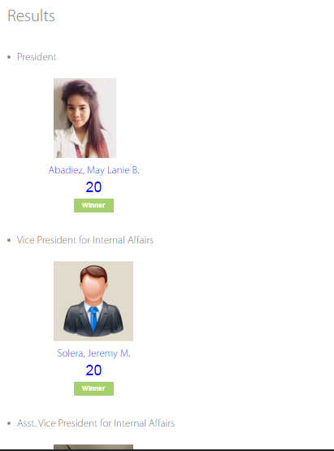
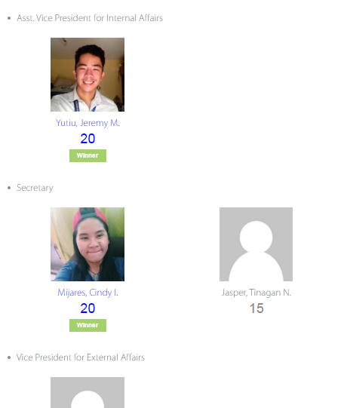

Datalogics Society Voting System
FIELDS

 | Results

 | Field Name |  |  |  |  |  | Data Type | Length | Field Type | Required | Lang |  | Default Value | Display Format |  | Example | Logic
 |  |  |  |  |  |  |  |  |  |  | EN | TH
 | Body Section

 | Position Name |  |  |  |  |  | string | 50 | label |  | Y |  | system generated
 | Candidates' picture |  |  |  |  |  |  |  | image |  |  |  | generated from DB | not clickable
 | Candidates' name |  |  |  |  |  | string | 50 | label |  | Y |  | generated from DB | not clickable |  |  | Changes its text color if the candidate is the winner
 | Total vote count |  |  |  |  |  | string | 50 | label |  | Y |  | generated from DB |  |  |  | Changes its text color if the candidate is the winner
 | Winner |  |  |  |  |  | string | 30 | label |  | Y |  | generated from DB | not clickable |  |  | Appears if a candidate is the winner
 | Scroll Bar |  |  |  |  |  |  |  |  |  |  |  |  |  |  |  | Can be used when results can't be displayed fully in one screen.

Datalogics Society Voting System
LOGIC

 | Results

 |  |  | Use Case
 |  |  |  | View Results

 |  |  |  |  | Scenarios
 |  |  |  |  |  | View Results
 |  |  |  |  |  | 1. User clicks on the Results in the navigation bar.
 |  |  |  |  |  | 2. System displays the vote count of each candidate with his/her picture and name

 |  | Other Details
 |  |  | - The winner's vote count will be bold.

Datalogics Society Voting System
NOTIFICATIONS

 | Results

 |  | Display the following messages as a popup in the same window.

 |  |  |  |  | Scenario |  |  |  |  |  |  |  |  |  | Message
 |  |  |  |  | None |  |  |  |  |  |  |  |  |  | None

About - History
Datalogics Society Voting System
SCREEN LAYOUT

<- Back to Screen List
 | About - History



Datalogics Society Voting System
FIELDS

 | About - History

 | Field Name |  |  |  |  |  | Data Type | Length | Field Type | Required | Lang |  | Default Value | Display Format |  | Example | Logic
 |  |  |  |  |  |  |  |  |  |  | EN | TH
 | Body Section

 | About Us |  |  |  |  |  | string | 10 | label |  | Y |  | system generated
 | DS Logo |  |  |  |  |  |  |  | image |  |  |  | system generated
 | Information of the organization |  |  |  |  |  | string | 150 | paragraph |  | Y |  | system generated
 | Scroll Bar

 | Buttons
 | History |  |  |  |  |  |  |  | button |  |  |  |  |  |  |  | Onclick, displays the History of Datalogics Society.
 | Officers |  |  |  |  |  |  |  | button |  |  |  |  |  |  |  | Onclick, a dropdown menu of academic years will appear
 | System |  |  |  |  |  |  |  | button |  |  |  |  |  |  |  | Onclick, displays the information of the system.

Datalogics Society Voting System
LOGIC

 | About - History

 |  |  | Use Case
 |  |  |  | About Us
 |  |  |  |  | History

 |  |  |  |  | Scenarios
 |  |  |  |  |  | History
 |  |  |  |  |  | 1. User clicks on the About Us in the navigation bar.
 |  |  |  |  |  | 2. System displays the About Us Page
 |  |  |  |  |  | 3. User clicks on the History button
 |  |  |  |  |  | 4. System displays the history about the organization

 |  | Other Details

Datalogics Society Voting System
NOTIFICATIONS

 | About - History

 |  | Display the following messages as a popup in the same window.

 |  |  |  |  | Scenario |  |  |  |  |  |  |  |  |  | Message
 |  |  |  |  | None |  |  |  |  |  |  |  |  |  | None

About - Officers
Datalogics Society Voting System
SCREEN LAYOUT

<- Back to Screen List
 | About - Officers

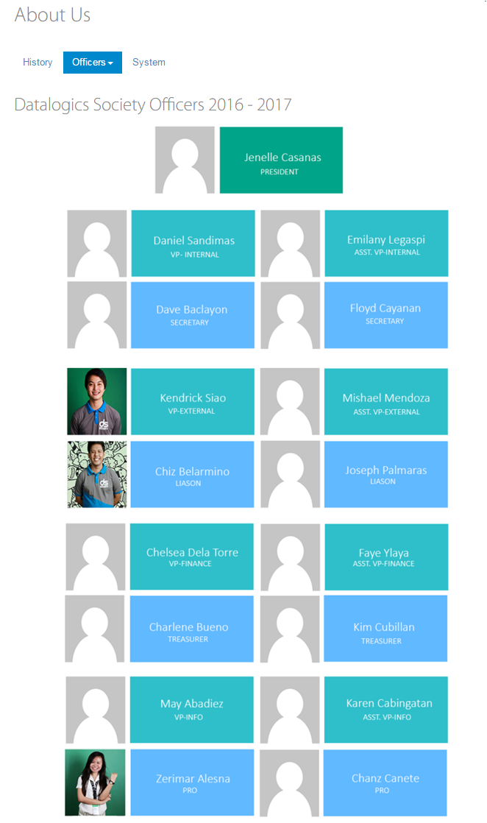

Datalogics Society Voting System
FIELDS

 | About - Officers

 | Field Name |  |  |  |  |  | Data Type | Length | Field Type | Required | Lang |  | Default Value | Display Format |  | Example | Logic
 |  |  |  |  |  |  |  |  |  |  | EN | TH
 | Body Section

 | About Us |  |  |  |  |  | string | 10 | label |  |  |  | system generated
 | Officer's picture |  |  |  |  |  |  |  | image |  |  |  | system generated
 | Officer's name |  |  |  |  |  | string | 50 | label |  |  |  | system generated
 | Officer's position |  |  |  |  |  | string | 50 | label |  |  |  | system generated

 | Buttons
 | History |  |  |  |  |  |  |  | button |  |  |  |  |  |  |  | Onclick, displays the History of Datalogics Society.
 | Officers |  |  |  |  |  |  |  | button |  |  |  |  |  |  |  | Onclick, a dropdown menu of academic years will appear
 | System |  |  |  |  |  |  |  | button |  |  |  |  |  |  |  | Onclick, displays the information of the system.

Datalogics Society Voting System
LOGIC

 | About - Officers

 |  |  | Use Case
 |  |  |  | About Us
 |  |  |  |  | Officers

 |  |  |  |  | Scenarios
 |  |  |  |  |  | Officers
 |  |  |  |  |  | 1. User clicks on the About Us in the navigation bar.
 |  |  |  |  |  | 2. System displays the About Us Page
 |  |  |  |  |  | 3. User clicks on the Officers button
 |  |  |  |  |  | 4. System displays a dropdown menu of academic years
 |  |  |  |  |  | 6. User selects academic year in the dropdown menu
 |  |  |  |  |  | 7. System displays the officers' picture, name and position on that academic year
 |  |  |  |  |  | 9. User views the selected officers' academic year

 |  | Other Details

Datalogics Society Voting System
NOTIFICATIONS

 | About - Officers

 |  | Display the following messages as a popup in the same window.

 |  |  |  |  | Scenario |  |  |  |  |  |  |  |  |  | Message
 |  |  |  |  | None |  |  |  |  |  |  |  |  |  | None

About - System
Datalogics Society Voting System
SCREEN LAYOUT

<- Back to Screen List
 | About - System

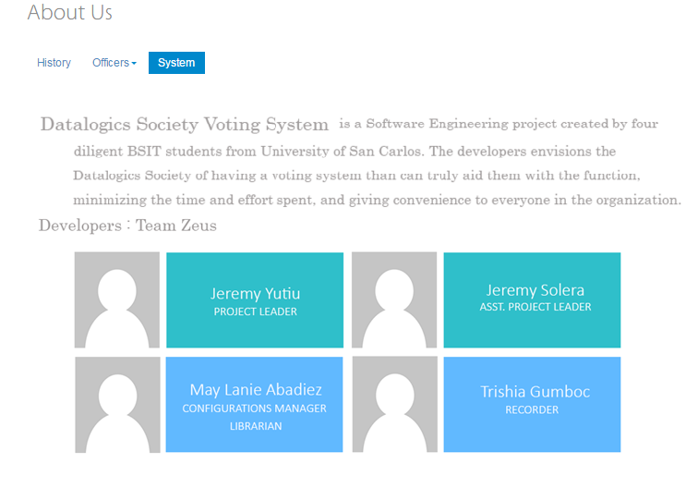

Datalogics Society Voting System
FIELDS

 | About - System

 | Field Name |  |  |  |  |  | Data Type | Length | Field Type | Required | Lang |  | Default Value | Display Format |  | Example | Logic
 |  |  |  |  |  |  |  |  |  |  | EN | TH
 | Body Section

 | About Us |  |  |  |  |  | string | 10 | label |  | Y |  | system generated
 | Information of the system |  |  |  |  |  | string | 150 | paragraph |  | Y |  | system generated
 | Developers: Team Zeus |  |  |  |  |  | string | 30 | label |  | Y |  | system generated
 | Developers' picture |  |  |  |  |  |  |  | image |  | Y |  | system generated
 | Developers' name |  |  |  |  |  | string | 30 | label |  | Y |  | system generated
 | Developers' role |  |  |  |  |  | string | 30 | label |  | Y |  | system generated

 | Buttons
 | History |  |  |  |  |  |  |  | button |  |  |  |  |  |  |  | Onclick, displays the History of Datalogics Society.
 | Officers |  |  |  |  |  |  |  | button |  |  |  |  |  |  |  | Onclick, a dropdown menu of academic years will appear
 | System |  |  |  |  |  |  |  | button |  |  |  |  |  |  |  | Onclick, displays the information of the system.

Datalogics Society Voting System
LOGIC

 | About Us - System

 |  |  | Use Case
 |  |  |  | About Us
 |  |  |  |  | System

 |  |  |  |  | Scenarios
 |  |  |  |  |  | System
 |  |  |  |  |  | 1. User clicks the About Us in the navigation bar
 |  |  |  |  |  | 2. Admin clicks the System tab button
 |  |  |  |  |  | 3. System displays the information and developers of the system

 |  | Other Details

Datalogics Society Voting System
NOTIFICATIONS

 | About - System

 |  | Display the following messages as a popup in the same window.

 |  |  |  |  | Scenario |  |  |  |  |  |  |  |  |  | Message
 |  |  |  |  | None |  |  |  |  |  |  |  |  |  | None

Change Password
Datalogics Society Voting System
SCREEN LAYOUT

<- Back to Screen List
 | Change Password

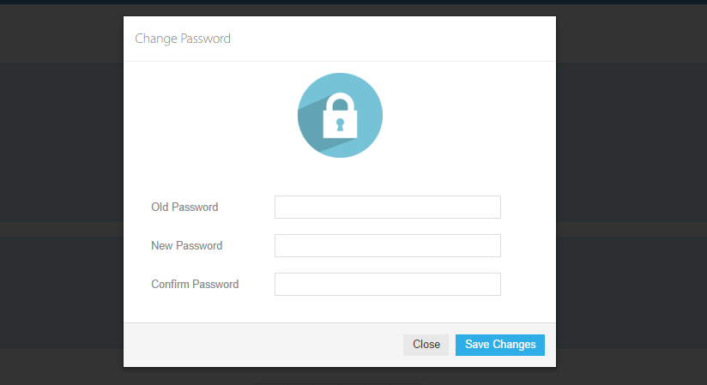

Datalogics Society Voting System
FIELDS

 | Change Password

 | Field Name |  |  |  |  |  | Data Type | Length | Field Type | Required | Lang |  | Default Value | Display Format |  | Example | Logic
 |  |  |  |  |  |  |  |  |  |  | EN | TH
 | Body Section
 | Form
 | Old Password |  |  |  |  |  | string | 50 | password | Y | Y | Y |  | bullet form
 | New Password |  |  |  |  |  | string | 50 | password | Y | Y | Y |  | bullet form
 | Confirm Password |  |  |  |  |  | string | 50 | password | Y | Y | Y |  | bullet form

 | Buttons
 | Save Changes |  |  |  |  |  |  |  | submit |  |  |  |  |  |  |  | Onclick, validates data and displays either confirmation or error message

Datalogics Society Voting System
LOGIC

 | Change Password

 |  |  | Use Case
 |  |  |  | Profile Settings
 |  |  |  |  | Change Password

 |  |  |  |  | Scenarios
 |  |  |  |  |  | Change Password
 |  |  |  |  |  | 1. User clicks on the Change Password in the dropdown menu of Profile Settings.
 |  |  |  |  |  | 2. System opens modular window with Change Password form.
 |  |  |  |  |  | 3. User fills-up the Change Password Form.
 |  |  |  |  |  | 4. System validates data and checks missing required data from the Change Password form.
 |  |  |  |  |  | 5. System prompts an error stating if required fields are empty.
 |  |  |  |  |  | 6. System redirects user to the User Information form.
 |  |  |  |  |  | 7. User supplies missing information.
 |  |  |  |  |  | 8. User clicks on the Save button in the User Information form.
 |  |  |  |  |  | 9. System prompts success message if validation is successful and redirects to home page.

 |  | Other Details
 |  |  | - validation is done once user clicks on the "Save Changes" button.
 |  |  | - missing required fields are checked.
 |  |  | - old and new password are checked if they are not the same.
 |  |  | - new and confirmation password are checked if the same.
 |  |  | - "Old Password" text field and current password are checked
 |  |  | - password format are checked.

Datalogics Society Voting System
NOTIFICATIONS

 | Change Password

 |  | Display the following messages as a popup in the same window.

 |  |  |  |  | Scenario |  |  |  |  |  |  |  |  |  | Message
 |  |  |  |  | Empty required field. |  |  |  |  |  |  |  |  |  | Please fill out this field
 |  |  |  |  | Wrong new password format. |  |  |  |  |  |  |  |  |  | Password must contain at least 8 characters.
 |  |  |  |  | Old and New Password values are the same |  |  |  |  |  |  |  |  |  | Old and New Password should not be the same
 |  |  |  |  | New and Confirm Password values doesn’t match |  |  |  |  |  |  |  |  |  | New and Confirm Password doesn't match
 |  |  |  |  | Old Password value doesn't match the current password |  |  |  |  |  |  |  |  |  | Password doesn't match the current password
 |  |  |  |  | Successful changing password |  |  |  |  |  |  |  |  |  | Password has successfully changed!

Admin.Sidebar
Datalogics Society Voting System
SCREEN LAYOUT

<- Back to Screen List
 | Admin.Sidebar



Datalogics Society Voting System
FIELDS

 | Admin.Sidebar

 | Field Name |  |  |  |  |  | Data Type | Length | Field Type | Required | Lang |  | Default Value | Display Format |  | Example | Logic
 |  |  |  |  |  |  |  |  |  |  | EN | TH
 | Body Section

 | Announcements |  |  |  |  |  |  |  | button
 | Officers |  |  |  |  |  |  |  | button
 | Applications |  |  |  |  |  |  |  | button
 | Results |  |  |  |  |  |  |  | button
 | Users |  |  |  |  |  |  |  | button
 | About Us |  |  |  |  |  |  |  | button
 | Activation |  |  |  |  |  |  |  | button
 | View Logs |  |  |  |  |  |  |  | button

Datalogics Society Voting System
LOGIC

 | Admin.Sidebar

 |  |  | Use Case
 |  |  |  | Sidebar

 |  |  |  |  | Scenarios
 |  |  |  |  |  | Sidebar
 |  |  |  |  |  | 1. User clicks Announcements.
 |  |  |  |  |  | 2. System redirects admin to Announcements page.

 |  |  |  |  |  | 3. User clicks Users.
 |  |  |  |  |  | 4. System redirects admin to Users page.

 |  |  |  |  |  | 5. User clicks Applications.
 |  |  |  |  |  | 6. System redirects admin to Applications page

 |  |  |  |  |  | 7. User clicks Officers.
 |  |  |  |  |  | 8. System redirects admin toOfficers page.

 |  |  |  |  |  | 9. User clicks Results.
 |  |  |  |  |  | 10. System redirectsadmin to Results page

 |  |  |  |  |  | 11. User clicks About Us.
 |  |  |  |  |  | 12. System redirects admin to About Us page.

 |  |  |  |  |  | 13. User clicks Activation.
 |  |  |  |  |  | 14. System redirects admin to Activation page.

 |  |  |  |  |  | 15. User clicks View Logs.
 |  |  |  |  |  | 16. System redirects admin to View Logs page.

 |  | Other Details

Datalogics Society Voting System
NOTIFICATIONS

 | Admin.Sidebar

 |  | Display the following messages as a popup in the same window.

 |  |  |  |  | Scenario |  |  |  |  |  |  |  |  |  | Message
 |  |  |  |  | N/A |  |  |  |  |  |  |  |  |  | \

Admin.Announcements
Datalogics Society Voting System
SCREEN LAYOUT

<- Back to Screen List
 | Admin. Announcement



Datalogics Society Voting System
FIELDS

 | Admin. Announcement

 | Field Name |  |  |  |  |  | Data Type | Length | Field Type | Required | Lang |  | Default Value | Display Format |  | Example | Logic
 |  |  |  |  |  |  |  |  |  |  | EN | TH
 | Body Section
 | Form
 | Announcements |  |  |  |  |  | string | 10 | label |  | Y |  | system generated
 | Date |  |  |  |  |  | string | 20 | label |  | Y |  | system generated
 | Announcement Title |  |  |  |  |  | string | 128 | paragraph |  | Y |  | system generated
 | Announcement Body |  |  |  |  |  | string | 500 | paragraph |  | Y |  | system generated

 | Buttons
 | Add |  |  |  |  |  |  |  | button |  |  |  |  |  |  |  | Onclick, opens an announcement form in a modular window for the Announcement
 | Edit |  |  |  |  |  |  |  | button |  |  |  |  |  |  |  | Onclick, opens an announcement form editor in a modular window for the Announcement
 | Delete |  |  |  |  |  |  |  | button |  |  |  |  |  |  |  | Onclick, opens a prompt asking to confirm deletion
 | Pagination |  |  |  |  |  |  |  | button |  |  |  |  |  |  |  | Onclick, displays another set of announcements

Datalogics Society Voting System
LOGIC

 | Admin. Announcement

 |  |  | Use Case
 |  |  |  | Announcements

 |  |  |  |  | Scenarios
 |  |  |  |  |  | View Announcements
 |  |  |  |  |  | 1. Admin clicks the Announcements
 |  |  |  |  |  | 2. System displays a list of announcements
 |  |  |  |  |  | Delete Announcement
 |  |  |  |  |  | 1. Admin clicks the Announcements
 |  |  |  |  |  | 2. System displays a list of the announcements
 |  |  |  |  |  | 3. Admin clicks the delete button beside an announcement
 |  |  |  |  |  | 4. System shows a prompt asking for confirmation for deletion
 |  |  |  |  |  | 5. Admin clicks delete
 |  |  |  |  |  | 6. System deletes announcement
 |  |  |  |  |  | 7. System displays a success message if deletion is successful

 |  |  | Other Details
 |  |  | 1. A scroll bar is provided when announcements go past the screen.
 |  |  | 2. Pagination is provided

Datalogics Society Voting System
NOTIFICATIONS

 | Admin. Announcement

 |  | Display the following messages as a popup in the same window.

 |  |  |  |  | Scenario |  |  |  |  |  |  |  |  |  | Message
 |  |  |  |  | Confirm changes |  |  |  |  |  |  |  |  |  | Are you sure you want to delete this announcement?
 |  |  |  |  | Successfully deleted |  |  |  |  |  |  |  |  |  | Announcement has been successfully deleted!

Admin.Add-Announcement
Datalogics Society Voting System
SCREEN LAYOUT

<- Back to Screen List
 | Admin.Add-Announcement

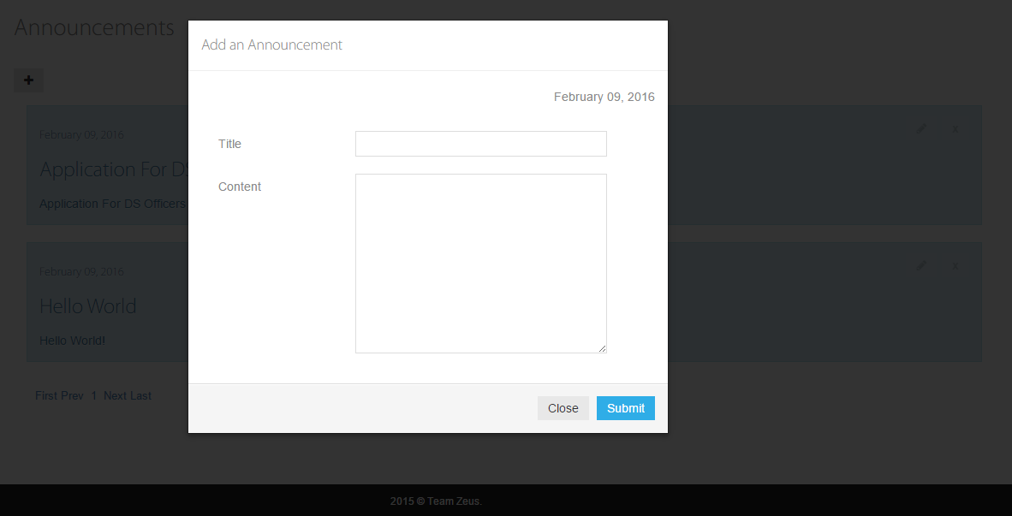

Datalogics Society Voting System
FIELDS

 | Admin.Add-Announcement

 | Field Name |  |  |  |  |  | Data Type | Length | Field Type | Required | Lang |  | Default Value | Display Format |  | Example | Logic
 |  |  |  |  |  |  |  |  |  |  | EN | TH
 | Body Section
 | Form
 | Add an Announcement |  |  |  |  |  | string | 10 | label |  | Y |  | system generated
 | Date |  |  |  |  |  | string | 30 | label |  | Y |  | system generated | MM DD, YYY |  | 9-Feb-16
 | Announcement Title |  |  |  |  |  | string | 30 | textbox |  | Y
 | Announcement Content |  |  |  |  |  | string | 2000 | textarea |  | Y

 | Buttons
 | Close |  |  |  |  |  |  |  | button |  |  |  |  |  |  |  | Onclick, closes the modular window
 | Submit |  |  |  |  |  |  |  | submit |  |  |  |  |  |  |  | Onclick, validates data and displays success message

Datalogics Society Voting System
LOGIC

 | Admin.Add-Announcement

 |  |  | Use Case
 |  |  |  | Announcements
 |  |  |  |  | Add Announcement
 |  |  |  |  | Scenarios
 |  |  |  |  |  | Add Announcement
 |  |  |  |  |  | 1. Admin clicks the Announcements
 |  |  |  |  |  | 2. Admin clicks Add Announcement button
 |  |  |  |  |  | 3. System shows a modular window containing announcement form
 |  |  |  |  |  | 4. Admin fills-up the Announcement Form.
 |  |  |  |  |  | 5. System validates data and checks missing required data from the Announcement form.
 |  |  |  |  |  | 6. System prompts an error stating if required fields are empty.
 |  |  |  |  |  | 7. Admin supplies missing information.
 |  |  |  |  |  | 8. Admin clicks on the Submit button.
 |  |  |  |  |  | 9. System redirects admin to Announcements page.

 |  | Other Details

Datalogics Society Voting System
NOTIFICATIONS

 | Admin.Add-Announcement

 |  | Display the following messages as a popup in the same window.

 |  |  |  |  | Scenario |  |  |  |  |  |  |  |  |  | Message
 |  |  |  |  | Empty required field. |  |  |  |  |  |  |  |  |  | Please fill out this field
 |  |  |  |  | Successfully added announcement |  |  |  |  |  |  |  |  |  | Announcement has been successfully added!

Admin.Edit-Announcement
Datalogics Society Voting System
SCREEN LAYOUT

<- Back to Screen List
 | Admin.Edit-Announcement

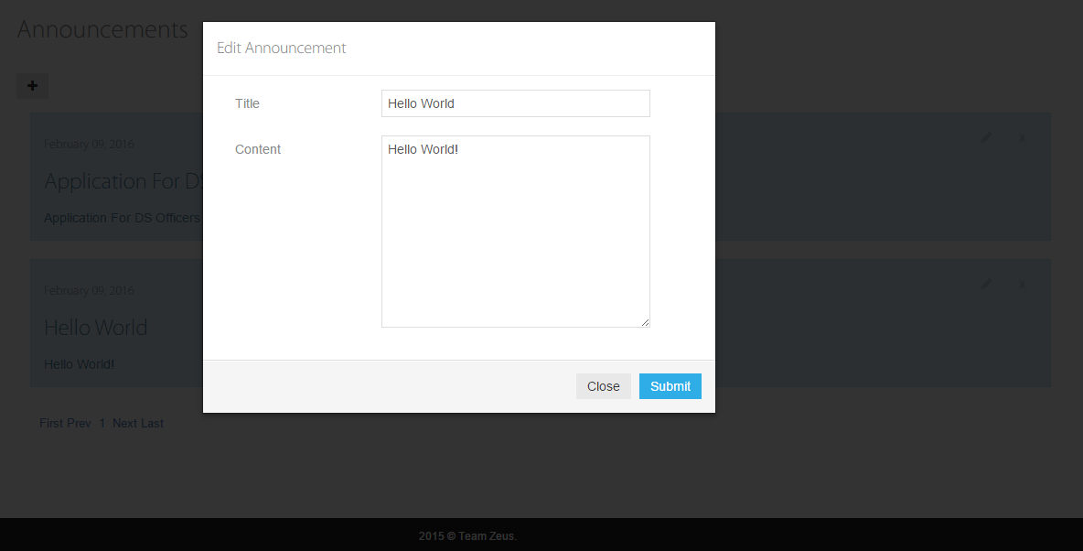

Datalogics Society Voting System
FIELDS

 | Admin.Edit-Announcement

 | Field Name |  |  |  |  |  | Data Type | Length | Field Type | Required | Lang |  | Default Value | Display Format |  | Example | Logic
 |  |  |  |  |  |  |  |  |  |  | EN | TH
 | Body Section
 | Form
 | Edit Announcement |  |  |  |  |  | string | 10 | label |  | Y |  | system generated
 | Announcement Title |  |  |  |  |  | string | 128 | textbox |  | Y
 | Announcement Content |  |  |  |  |  | string | 500 | textarea |  | Y

 | Buttons
 | Cancel |  |  |  |  |  |  |  | button |  |  |  |  |  |  |  | Onclick, closes the modular window
 | Submit |  |  |  |  |  |  |  | submit |  |  |  |  |  |  |  | Onclick, validates data and displays success message

Datalogics Society Voting System
LOGIC

 | Admin.Edit-Announcement

 |  |  | Use Case
 |  |  |  | Announcements
 |  |  |  |  | Edit Announcement
 |  |  |  |  | Scenarios
 |  |  |  |  |  | Edit Announcement
 |  |  |  |  |  | 1. Admin clicks the Announcements
 |  |  |  |  |  | 2. System displays a list of the announcements
 |  |  |  |  |  | 3. Admin clicks the edit button beside an announcement
 |  |  |  |  |  | 4. System shows a modular window with an announcement form with the current contents of the Announcement
 |  |  |  |  |  | 5. Admin makes change(s) in the form
 |  |  |  |  |  | 6. Admin clicks Submit
 |  |  |  |  |  | 7. System applies changes
 |  |  |  |  |  | 8. System displays success message

 |  | Other Details

Datalogics Society Voting System
NOTIFICATIONS

 | Admin.Edit-Announcement

 |  | Display the following messages as a popup in the same window.

 |  |  |  |  | Scenario |  |  |  |  |  |  |  |  |  | Message
 |  |  |  |  | Empty required field. |  |  |  |  |  |  |  |  |  | Please fill out this field
 |  |  |  |  | Successfully changed |  |  |  |  |  |  |  |  |  | Announcement has been successfully changed!

Admin.Users-Students
Datalogics Society Voting System
SCREEN LAYOUT

<- Back to Screen List
 | Admin.Users-Students

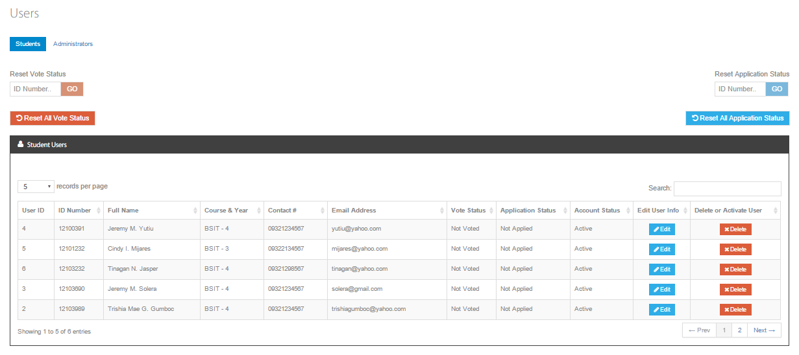

Datalogics Society Voting System
FIELDS

 | Admin.Users-Students

 | Field Name |  |  |  |  |  | Data Type | Length | Field Type | Required | Lang |  | Default Value | Display Format |  | Example | Logic
 |  |  |  |  |  |  |  |  |  |  | EN | TH
 | Body Section

 | Users |  |  |  |  |  | string | 20 | label |  | Y |  | system generated
 | Reset Vote Status |  |  |  |  |  | string | 8 | textbox
 | Reset Application Status |  |  |  |  |  | string | 8 | textbox
 | User ID |  |  |  |  |  | integer |  | label |  | Y |  | system generated
 | ID Number |  |  |  |  |  | string | 8 | label |  | Y |  | system generated |  |  |  | Onclick, sorts list based on ID Number (alternating on ascending/descending order)
 | Full Name |  |  |  |  |  | string | 65 | label |  | Y |  | system generated |  |  |  | Onclick, sorts list based on Full Name(alternating on ascending/descending order)
 | Course & Year |  |  |  |  |  | string | 10 | label |  | Y |  | system generated |  |  |  | Onclick, sorts list based on course & year(alternating on ascending/descending order)
 | Contact Number |  |  |  |  |  | string | 15 | label |  | Y |  | system generated |  |  |  | Onclick, sorts list based on contact number (alternating on ascending/descending order)
 | Email Address |  |  |  |  |  | string | 30 | label |  | Y |  | system generated |  |  |  | Onclick, sorts list based on email address(alternating on ascending/descending order)
 | Vote Status |  |  |  |  |  | string | 15 | label |  | Y |  | system generated |  |  |  | Onclick, sorts list based on vote status (alternating on ascending/descending order)
 | Application Status |  |  |  |  |  | string | 15 | label |  | Y |  | system generated |  |  |  | Onclick, sorts list based on application status (alternating on ascending/descending order)
 | Account Status |  |  |  |  |  | string | 15 | label |  | Y |  | system generated |  |  |  | Onclick, sorts list based on account status (alternating on ascending/descending order)
 | Search |  |  |  |  |  | string |  | textbox |  | Y |  | system generated
 | Records per page |  |  |  |  |  | string | 10 | combobox |  | Y |  | system generated |  |  |  | Limits the number of records to be displayed in the list
 | Number of Results |  |  |  |  |  | string | 30 | label |  | Y |  | system generated |  |  | Showing 1 to 10 of 50 entries

 | Buttons
 | Edit |  |  |  |  |  |  |  | button |  |  |  |  |  |  |  | Onclick, opens modular window with editable student information
 | Delete |  |  |  |  |  |  |  | button |  |  |  |  |  |  |  | Onclick, prompts confirmation message for deletion
 | Activate |  |  |  |  |  |  |  | button |  |  |  |  |  |  |  | Onclick, opens a prompt asking to confirm activation of account
 | Reset All Vote Status |  |  |  |  |  |  |  | button |  |  |  |  |  |  |  | Onclick, prompts confirmation message to change all vote statuses back to default
 | Reset All Application Status |  |  |  |  |  |  |  | button |  |  |  |  |  |  |  | Onclick, prompts confirmation message to change all application statuses back to default
 | Go (Reset Vote Status) |  |  |  |  |  |  |  | button |  |  |  | disabled |  |  |  | - Button will be enabled when textbox is not empty - Onclick, resets the vote status of the user of the entered ID Number
 | Go (Reset Application Status) |  |  |  |  |  |  |  | button |  |  |  | disabled |  |  |  | - Button will be enabled when textbox is not empty - Onclick, resets the application status of the user of the entered ID Number
 | Next |  |  |  |  |  |  |  | button |  |  |  |  |  |  |  | Onclick, opens the next page of results
 | Page Number |  |  |  |  |  |  |  | button |  |  |  |  |  |  |  | Onclick, opens the specific page of results
 | Previous |  |  |  |  |  |  |  | button |  |  |  |  |  |  |  | Onclick, opens the previous page of results
Datalogics Society Voting System
LOGIC

 | Admin.Users-Students

 |  |  | Use Case
 |  |  |  | Users

 |  |  |  |  | Scenarios
 |  |  |  |  |  | View Users
 |  |  |  |  |  | 1. System displays a list of the users
 |  |  |  |  |  | Delete User
 |  |  |  |  |  | 1. System displays a list of student users
 |  |  |  |  |  | 2. Admin clicks the delete button of a specific user from the table
 |  |  |  |  |  | 3. System shows a prompt asking for confirmation for deletion
 |  |  |  |  |  | 4. Admin clicks delete
 |  |  |  |  |  | 5. System deletes student
 |  |  |  |  |  | 6. System displays a success message if deletion is successful
 |  |  |  |  |  | Activate User Account
 |  |  |  |  |  | 1. System displays a list of student users
 |  |  |  |  |  | 2. Admin clicks the activate button of a deleted user from the table
 |  |  |  |  |  | 3. System shows a prompt asking for confirmation for activation of account
 |  |  |  |  |  | 4. Admin clicks activate
 |  |  |  |  |  | 5. System activates user's account
 |  |  |  |  |  | 6. System displays a success message if activation of account is successful
 |  |  |  |  |  | Reset Vote Status
 |  |  |  |  |  | 1. Admin inputs a registered ID Number on the reset vote status field
 |  |  |  |  |  | 2. System validates data and checks requested format
 |  |  |  |  |  | 3. System prompts an error stating if requested format doesn’t match.
 |  |  |  |  |  | 4. Admin supplies correct ID Number format
 |  |  |  |  |  | 5. Admin clicks on the "Go" button.
 |  |  |  |  |  | 6. System resets vote status of the inputted ID Number and redirects to Users page
 |  |  |  |  |  | Reset Application Status
 |  |  |  |  |  | 1. Admin inputs a registered ID Number on the reset application status field
 |  |  |  |  |  | 2. System validates data and checks requested format
 |  |  |  |  |  | 3. System prompts an error stating if requested format doesn’t match.
 |  |  |  |  |  | 4. Admin supplies correct ID Number format
 |  |  |  |  |  | 5. Admin clicks on the "Go" button.
 |  |  |  |  |  | 6. System resets application status of the inputted ID Number and redirects to Users page

 |  | Other Details

Datalogics Society Voting System
NOTIFICATIONS

 | Admin.Users-Students

 |  | Display the following messages as a popup in the same window.

 |  |  |  |  | Scenario |  |  |  |  |  |  |  |  |  | Message
 |  |  |  |  | Search query is not found |  |  |  |  |  |  |  |  |  | No items match your search.
 |  |  |  |  | Delete confirmation message |  |  |  |  |  |  |  |  |  | Are you sure that you want to delete this user account?
 |  |  |  |  | Delete User |  |  |  |  |  |  |  |  |  | Success! User account has been deleted.
 |  |  |  |  | Cofirmation message(reset users vote status) |  |  |  |  |  |  |  |  |  | Are you sure you want to reset users' vote status?
 |  |  |  |  | Cofirmation message(reset users application status) |  |  |  |  |  |  |  |  |  | Are you sure you want to reset users' application status?
 |  |  |  |  | Entered ID number doesn't exists |  |  |  |  |  |  |  |  |  | Error! ID Number doesn't exists.

Admin.Users-Students_Add
Datalogics Society Voting System
SCREEN LAYOUT

<- Back to Screen List
 | Admin.Users-Students_Add

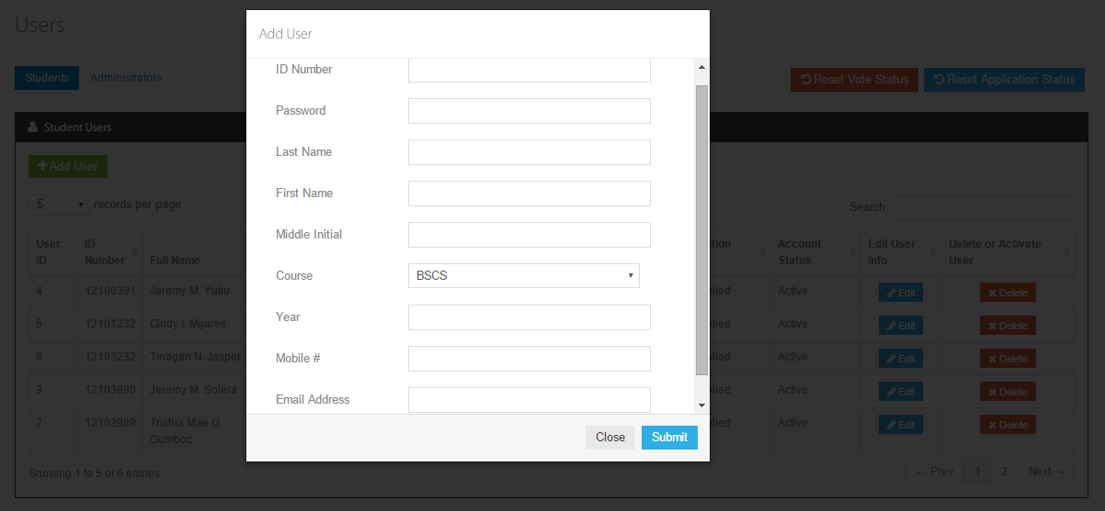

Datalogics Society Voting System
FIELDS

 | Admin.Users-Students_Add

 | Field Name |  |  |  |  |  | Data Type | Length | Field Type | Required | Lang |  | Default Value | Display Format |  | Example | Logic
 |  |  |  |  |  |  |  |  |  |  | EN | TH
 | Body Section

 | Add User |  |  |  |  |  | string | 20 | label |  | Y
 | ID Number |  |  |  |  |  | string | 8 | textbox | Y | Y
 | Password |  |  |  |  |  | string | 256 | textbox | Y | Y |  |  | bullet
 | Last Name |  |  |  |  |  | string | 30 | textbox | Y | Y
 | First Name |  |  |  |  |  | string | 30 | textbox | Y | Y
 | Middle Initial |  |  |  |  |  | character | 1 | textbox | Y | Y
 | Course |  |  |  |  |  | string | 4 | combobox | Y | Y |  | BSCS
 | Year |  |  |  |  |  | integer |  | textbox | Y | Y
 | Mobile # |  |  |  |  |  | string | 11 | textbox |  | Y
 | Email Address |  |  |  |  |  | string | 30 | textbox |  | Y

 | Buttons
 | Submit |  |  |  |  |  |  |  | button |  |  |  |  |  |  |  | Onclick, validates data and stores data to the database
 | Close |  |  |  |  |  |  |  | button |  |  |  |  |  |  |  | Onclick, closes modular window

Datalogics Society Voting System
LOGIC

 | Admin.Users-Students_Add

 |  |  | Use Case
 |  |  |  | Users

 |  |  |  |  | Scenarios
 |  |  |  |  |  | Add User
 |  |  |  |  |  | 1. Admin clicks the Users in the sidebar
 |  |  |  |  |  | 2. Admin clicks Add User button
 |  |  |  |  |  | 3. System shows a modular window containing user form
 |  |  |  |  |  | 4. Admin fills-up the User Form.
 |  |  |  |  |  | 5. System validates data and checks missing required data from the form
 |  |  |  |  |  | 6. System prompts an error stating if required fields are empty.
 |  |  |  |  |  | 7. Admin supplies missing information.
 |  |  |  |  |  | 8. Admin clicks on the Submit button.
 |  |  |  |  |  | 9. System redirects admin to Users page.

 |  |  | Other Details
 |  |  |  | - validation is done once user clicks on the "Submit" button.
 |  |  |  | - missing required fields are checked.
 |  |  |  | - username is checked if already exists or not
 |  |  |  | - ID number is checked

Datalogics Society Voting System
NOTIFICATIONS

 | Admin.Users-Students_Add

 |  | Display the following messages as a popup in the same window.

 |  |  |  |  | Scenario |  |  |  |  |  |  |  |  |  | Message
 |  |  |  |  | None |  |  |  |  |  |  |  |  |  | None

Admin.Users-Students_Edit
Datalogics Society Voting System
SCREEN LAYOUT

<- Back to Screen List
 | Admin.Users-Students_Edit

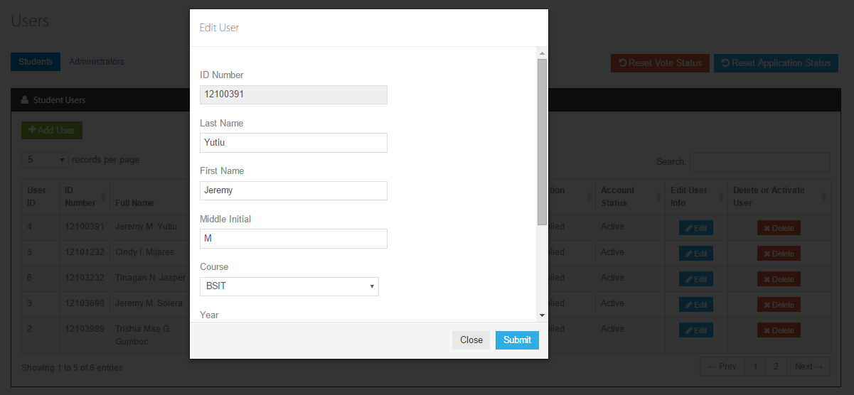

Datalogics Society Voting System
FIELDS

 | Admin.Users-Students_Edit

 | Field Name |  |  |  |  |  | Data Type | Length | Field Type | Required | Lang |  | Default Value | Display Format |  | Example | Logic
 |  |  |  |  |  |  |  |  |  |  | EN | TH
 | Body Section

 | Edit User |  |  |  |  |  | string | 20 | label | Y | Y
 | ID Number |  |  |  |  |  | string | 8 | textbox | Y | Y
 | Password |  |  |  |  |  | string | 256 | textbox | Y | Y
 | Last Name |  |  |  |  |  | string | 30 | textbox | Y | Y
 | First Name |  |  |  |  |  | string | 30 | textbox | Y | Y
 | Middle Initial |  |  |  |  |  | character | 1 | textbox | Y | Y
 | Course |  |  |  |  |  | string | 4 | combobox | Y | Y
 | Year |  |  |  |  |  | integer |  | textbox | Y | Y
 | Mobile # |  |  |  |  |  | string | 11 | textbox |  | Y
 | Email Address |  |  |  |  |  | string | 30 | textbox |  | Y

 | Buttons
 | Submit |  |  |  |  |  |  |  | button |  |  |  |  |  |  |  | Onclick, validates data and stores data to the database
 | Close |  |  |  |  |  |  |  | button |  |  |  |  |  |  |  | Onclick, closes modular window

Datalogics Society Voting System
LOGIC

 | Admin.Users-Students_Edit

 |  |  | Use Case
 |  |  |  | Users

 |  |  |  |  | Scenarios
 |  |  |  |  |  | Edit User
 |  |  |  |  |  | 1. Admin clicks the Users in the side bar
 |  |  |  |  |  | 2. System displays a list of the users
 |  |  |  |  |  | 3. Admin clicks the edit button of a specific user from the table
 |  |  |  |  |  | 4. System shows a modular window with a form , filled with the current user's information for the respective fields, and a Submit and Cancel button
 |  |  |  |  |  | 5. Admin makes change(s)
 |  |  |  |  |  | 6. Admin clicks Submit
 |  |  |  |  |  | 7. System applies changes
 |  |  |  |  |  | 8. System displays success message

 |  | Other Details

Datalogics Society Voting System
NOTIFICATIONS

 | Admin.Users-Students_Edit

 |  | Display the following messages as a popup in the same window.

 |  |  |  |  | Scenario |  |  |  |  |  |  |  |  |  | Message
 |  |  |  |  | Successfully changed |  |  |  |  |  |  |  |  |  | User's information has been successfully changed!

Admin.Users-Admins
Datalogics Society Voting System
SCREEN LAYOUT

<- Back to Screen List
 | Admin.Users-Admins

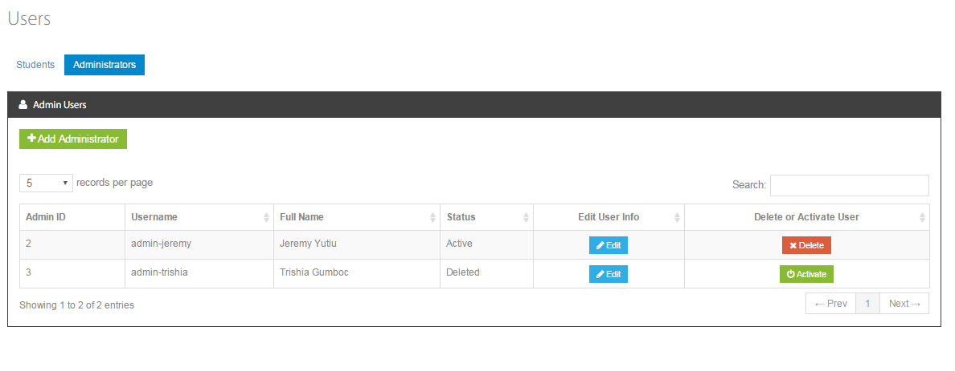

Datalogics Society Voting System
FIELDS

 | Admin.Users-Admins

 | Field Name |  |  |  |  |  | Data Type | Length | Field Type | Required | Lang |  | Default Value | Display Format |  | Example | Logic
 |  |  |  |  |  |  |  |  |  |  | EN | TH
 | Body Section

 | Users |  |  |  |  |  | string | 20 | label |  | Y |  | system generated
 | Admin ID |  |  |  |  |  | integer |  | label |  | Y |  | system generated
 | Username |  |  |  |  |  | string | 30 | label |  | Y |  | system generated |  |  |  | Onclick, sorts list based on username (alternating on ascending/descending order)
 | Full Name |  |  |  |  |  | string | 65 | label |  | Y |  | system generated |  |  |  | Onclick, sorts list based on full name (alternating on ascending/descending order)
 | Status |  |  |  |  |  | string | 20 | label |  | Y |  | system generated |  |  |  | Onclick, sorts list based on status (alternating on ascending/descending order)
 | Number of Results |  |  |  |  |  | string | 30 | label |  | Y |  | system generated |  |  | Showing 1 to 10 of 50 entries
 | Records per page |  |  |  |  |  | string | 10 | combobox |  | Y |  | system generated |  |  |  | Limits the number of records to be displayed in the list
 | Search |  |  |  |  |  | string |  | textbox

 | Buttons
 | Edit |  |  |  |  |  |  |  | button |  |  |  |  |  |  |  | Onclick, opens an user form editor in a modular window
 | Delete |  |  |  |  |  |  |  | button |  |  |  |  |  |  |  | Onclick, opens a prompt asking to confirm deletion
 | Active |  |  |  |  |  |  |  | button |  |  |  |  |  |  |  | Onclick, opens a prompt asking to confirm activation of account
 | Next |  |  |  |  |  |  |  | button |  |  |  |  |  |  |  | Onclick, opens the next page of results
 | Page Number |  |  |  |  |  |  |  | button |  |  |  |  |  |  |  | Onclick, opens the specific page of results
 | Previous |  |  |  |  |  |  |  | button |  |  |  |  |  |  |  | Onclick, opens the previous page of results
Datalogics Society Voting System
LOGIC

 | Admin.Users-Admins

 |  |  | Use Case
 |  |  |  | Users

 |  |  |  |  | Scenarios
 |  |  |  |  |  | View Administrators
 |  |  |  |  |  | 1. Admin clicks the Users in the navigation bar
 |  |  |  |  |  | 2. System displays a list of Administrator Users
 |  |  |  |  |  | Delete Administrator
 |  |  |  |  |  | 1. Admin clicks the Users in the side bar
 |  |  |  |  |  | 2. System displays a list of administrator users
 |  |  |  |  |  | 3. Admin clicks the delete button of a specific administrator from the table
 |  |  |  |  |  | 4. System shows a prompt asking for confirmation for deletion
 |  |  |  |  |  | 5. Admin clicks delete
 |  |  |  |  |  | 6. System deletes administrator
 |  |  |  |  |  | 7. System displays a success message if deletion is successful
 |  |  |  |  |  | Activate Administrator Account
 |  |  |  |  |  | 1. Admin clicks the Users in the side bar
 |  |  |  |  |  | 2. System displays a list of administrator users
 |  |  |  |  |  | 3. Admin clicks the activate button of a deleted administrator from the table
 |  |  |  |  |  | 4. System shows a prompt asking for confirmation for activation of account
 |  |  |  |  |  | 5. Admin clicks activate
 |  |  |  |  |  | 6. System activates administrator's account
 |  |  |  |  |  | 7. System displays a success message if activation of account is successful

 |  | Other Details

Datalogics Society Voting System
NOTIFICATIONS

 | Admin.Users-Admins

 |  | Display the following messages as a popup in the same window.

 |  |  |  |  | Scenario |  |  |  |  |  |  |  |  |  | Message
 |  |  |  |  | Search query is not found |  |  |  |  |  |  |  |  |  | No items match your search.
 |  |  |  |  | Delete confirmation message |  |  |  |  |  |  |  |  |  | Are you sure that you want to delete this user account?
 |  |  |  |  | Delete User |  |  |  |  |  |  |  |  |  | Success! User account has been deleted.
 |  |  |  |  | Activate account confirmation message |  |  |  |  |  |  |  |  |  | Are you sure that you want to activate this user account?
 |  |  |  |  | Activate user account |  |  |  |  |  |  |  |  |  | Success! User account has been activated.

Admin.Users-Admins_Add
Datalogics Society Voting System
SCREEN LAYOUT

<- Back to Screen List
 | Admin.Users-Admins_Add

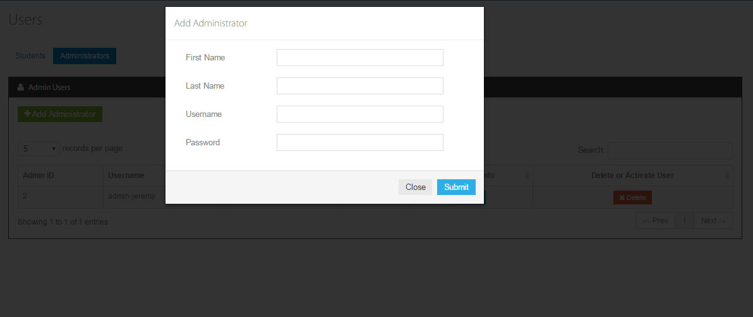

Datalogics Society Voting System
FIELDS

 | Admin.Users-Admins_Add

 | Field Name |  |  |  |  |  | Data Type | Length | Field Type | Required | Lang |  | Default Value | Display Format |  | Example | Logic
 |  |  |  |  |  |  |  |  |  |  | EN | TH
 | Body Section

 | Add Administrator |  |  |  |  |  | string | 20 | label |  | Y
 | First Name |  |  |  |  |  | string | 30 | textbox | Y | Y
 | Last Name |  |  |  |  |  | string | 30 | textbox | Y | Y
 | Username |  |  |  |  |  | string | 30 | textbox | Y | Y
 | Pasword |  |  |  |  |  | string | 256 | textbox | Y | Y |  |  | bullet

 | Buttons
 | Submit |  |  |  |  |  |  |  | button |  |  |  |  |  |  |  | Onclick, validates data and stores data to the database
 | Close |  |  |  |  |  |  |  | button |  |  |  |  |  |  |  | Onclick, closes modular window

Datalogics Society Voting System
LOGIC

 | Admin.Users-Admins_Add

 |  |  | Use Case
 |  |  |  | Users

 |  |  |  |  | Scenarios
 |  |  |  |  |  | Add Administrator
 |  |  |  |  |  | 1. Admin clicks theUsers
 |  |  |  |  |  | 2. Admin clicks Add Administrator button
 |  |  |  |  |  | 3. System shows a modular window containing administrator form
 |  |  |  |  |  | 4. Admin fills-up the form.
 |  |  |  |  |  | 5. System validates data and checks missing required data from the form
 |  |  |  |  |  | 6. System prompts an error stating if required fields are empty.
 |  |  |  |  |  | 7. Admin supplies missing information.
 |  |  |  |  |  | 8. Admin clicks on the Submit button.
 |  |  |  |  |  | 9. System redirects admin to Users page.

 |  |  | Other Details
 |  |  |  | - validation is done once user clicks on the "Submit" button.
 |  |  |  | - missing required fields are checked.
 |  |  |  | - username is checked if already exists or not

Datalogics Society Voting System
NOTIFICATIONS

 | Admin.Users-Admins_Add

 |  | Display the following messages as a popup in the same window.

 |  |  |  |  | Scenario |  |  |  |  |  |  |  |  |  | Message
 |  |  |  |  | None |  |  |  |  |  |  |  |  |  | None

Admin.Users-Admins_Edit
Datalogics Society Voting System
SCREEN LAYOUT

<- Back to Screen List
 | Admin.Users-Admins_Edit

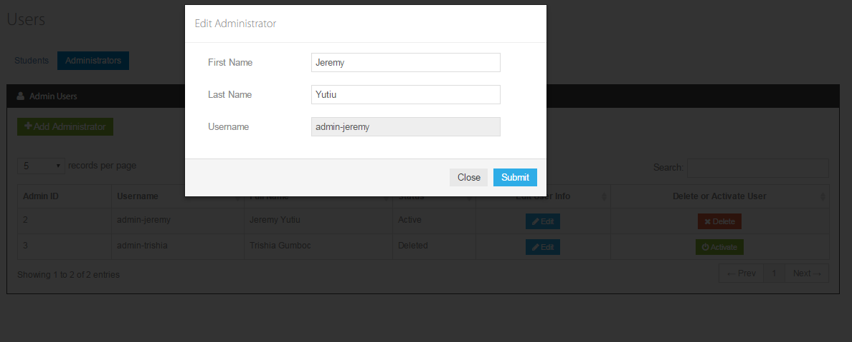

Datalogics Society Voting System
FIELDS

 | Admin.Users-Admins_Edit

 | Field Name |  |  |  |  |  | Data Type | Length | Field Type | Required | Lang |  | Default Value | Display Format |  | Example | Logic
 |  |  |  |  |  |  |  |  |  |  | EN | TH
 | Body Section

 | Edit Administrator |  |  |  |  |  | string | 20 | label |  | Y
 | First Name |  |  |  |  |  | string | 30 | textbox | Y | Y
 | Last Name |  |  |  |  |  | string | 30 | textbox | Y | Y
 | Username |  |  |  |  |  | string | 30 | textbox | Y | Y

 | Buttons
 | Submit |  |  |  |  |  |  |  | button |  |  |  |  |  |  |  | Onclick, validates data and stores data to the database
 | Close |  |  |  |  |  |  |  | button |  |  |  |  |  |  |  | Onclick, closes modular window

Datalogics Society Voting System
LOGIC

 | Admin.Users-Admins_Edit

 |  |  | Use Case
 |  |  |  | Users

 |  |  |  |  | Scenarios
 |  |  |  |  |  | EditAdministrator
 |  |  |  |  |  | 1. Admin clicks the Users in the side bar
 |  |  |  |  |  | 2. System displays a list of administrator users
 |  |  |  |  |  | 3. Admin clicks the edit button of a specific administrator from the table
 |  |  |  |  |  | 4. System shows a modular window with a form , filled with the current user's information for the respective fields, and a Submit and Cancel button
 |  |  |  |  |  | 5. Admin makes change(s)
 |  |  |  |  |  | 6. Admin clicks Submit
 |  |  |  |  |  | 7. System applies changes
 |  |  |  |  |  | 8. System displays success message
 |  | Other Details

Datalogics Society Voting System
NOTIFICATIONS

 | Admin.Users-Admins_Edit

 |  | Display the following messages as a popup in the same window.

 |  |  |  |  | Scenario |  |  |  |  |  |  |  |  |  | Message
 |  |  |  |  | Successfully changed |  |  |  |  |  |  |  |  |  | User's information has been successfully changed!

Admin.All-Applications
Datalogics Society Voting System
SCREEN LAYOUT

<- Back to Screen List
 | Admin.All-Applications

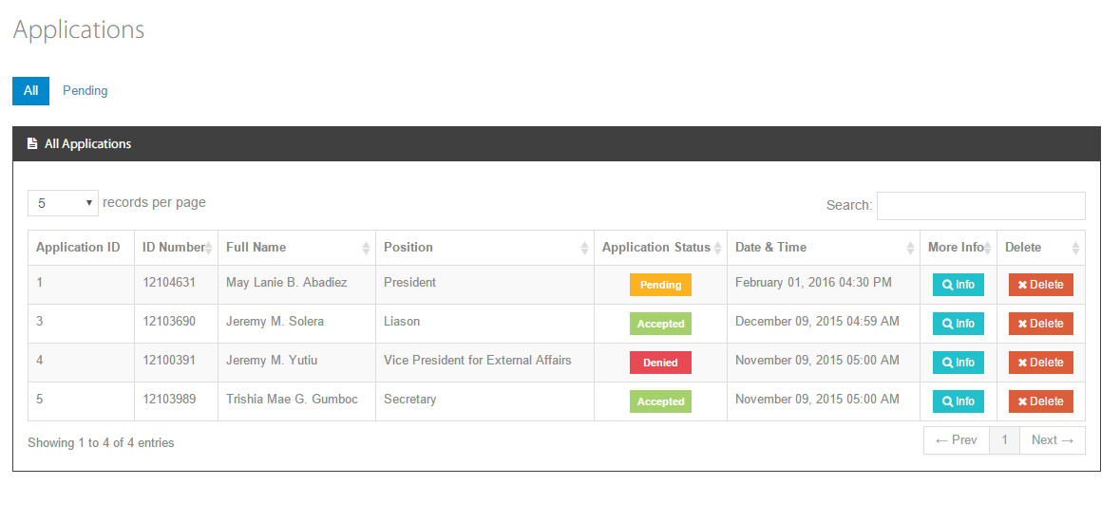

Datalogics Society Voting System
FIELDS

 | Admin.All-Applications

 | Field Name |  |  |  |  |  | Data Type | Length | Field Type | Required | Lang |  | Default Value | Display Format |  | Example | Logic
 |  |  |  |  |  |  |  |  |  |  | EN | TH
 | Body Section
 | Form
 | Application ID |  |  |  |  |  | int |  | label |  | Y |  | system generated |  |  |  | Onclick, sorts list based on position (alternating on ascending/descending order)
 | ID Number |  |  |  |  |  | string | 8 | label |  | Y |  | system generated |  |  |  | Onclick, sorts list based on full name ID Number (alternating on ascending/descending order)
 | Full Name |  |  |  |  |  | string | 100 | label |  | Y |  | system generated |  |  |  | Onclick, sorts list based on full name (alternating on ascending/descending order)
 | Position |  |  |  |  |  | string | 50 | label |  | Y |  | system generated |  |  |  | Onclick, sorts list based on position (alternating on ascending/descending order)
 | Application Status |  |  |  |  |  | string | 30 | label |  | Y |  | system generated |  |  |  | Onclick, sorts list based on application status(alternating on ascending/descending order)
 | Date and Time |  |  |  |  |  | string | 20 | label |  | Y |  | system generated |  |  |  | Onclick, sorts list based on date/time (alternating on ascending/descending order)
 | Number of Entries |  |  |  |  |  | string | 20 | label |  | Y |  | system generated |  |  | Showing 1 to 10 of 50 entries
 | Records per page |  |  |  |  |  | string | 10 | combobox |  | Y |  | system generated |  |  |  | Limits the number of records to be displayed in the list

 | Buttons
 | Info |  |  |  |  |  |  |  | button |  |  |  |  |  |  |  | Onclick, opens a modular window for the Applicant information
 | Delete |  |  |  |  |  |  |  | button |  |  |  |  |  |  |  | Onclick, opens a prompt asking to confirm deletion
 | Next |  |  |  |  |  |  |  | button |  |  |  |  |  |  |  | Onclick, opens the next page of results
 | Previous |  |  |  |  |  |  |  | button |  |  |  |  |  |  |  | Onclick, opens the previous page of results
Datalogics Society Voting System
LOGIC

 | Admin.All-Applications

 |  |  | Use Case
 |  |  |  | Applications
 |  |  |  |  | All Applications
 |  |  |  |  | Scenarios
 |  |  |  |  |  | View All Applicantions
 |  |  |  |  |  | 1. Admin clicks the Applications
 |  |  |  |  |  | 2. System displays a list of all applications
 |  |  |  |  |  | Delete Application
 |  |  |  |  |  | 1. Admin clicks the Applications
 |  |  |  |  |  | 2. System displays a list of all applications
 |  |  |  |  |  | 3. Admin clicks the delete button beside an application
 |  |  |  |  |  | 4. System shows a prompt asking for confirmation for deletion
 |  |  |  |  |  | 5. Admin clicks delete
 |  |  |  |  |  | 6. System deletes application

 |  | Other Details

Datalogics Society Voting System
NOTIFICATIONS

 | Admin.All-Applications

 |  | Display the following messages as a popup in the same window.

 |  |  |  |  | Scenario |  |  |  |  |  |  |  |  |  | Message
 |  |  |  |  | Delete application |  |  |  |  |  |  |  |  |  | Are you sure you want to delete this application?

Admin.Application-Info
Datalogics Society Voting System
SCREEN LAYOUT

<- Back to Screen List
 | Admin.Application-Info

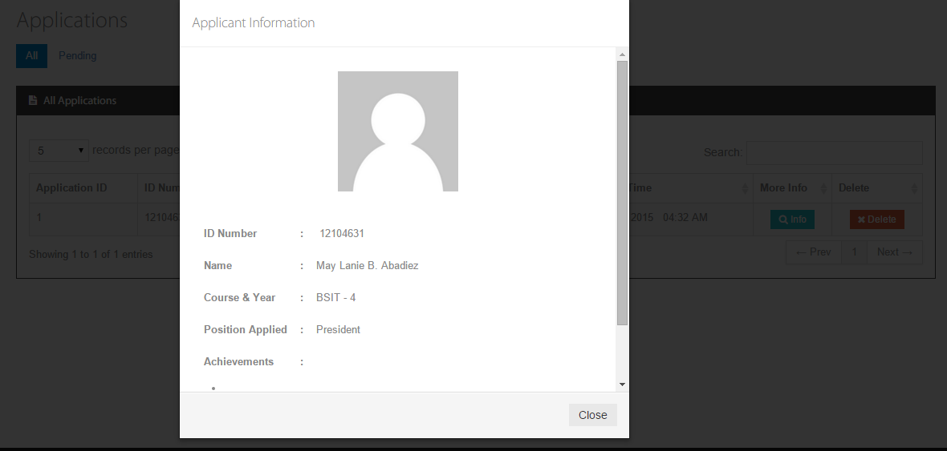

Datalogics Society Voting System
FIELDS

 | Admin.Application-Info

 | Field Name |  |  |  |  |  | Data Type | Length | Field Type | Required | Lang |  | Default Value | Display Format |  | Example | Logic
 |  |  |  |  |  |  |  |  |  |  | EN | TH
 | Body Section
 | Form
 | Application Information |  |  |  |  |  | string | 30 | label |  | Y |  | system generated
 | ID Number |  |  |  |  |  | string | 8 | label |  | Y |  | generated from DB
 | Name |  |  |  |  |  | string | 30 | label |  | Y |  | generated from DB
 | Course & Year |  |  |  |  |  | string | 20 | label |  | Y |  | generated from DB
 | Position Applied |  |  |  |  |  | string | 30 | label |  | Y |  | generated from DB
 | Achievements |  |  |  |  |  | string | 500 | paragraph |  | Y |  | generated from DB

 | Buttons
 | Close |  |  |  |  |  |  |  | button |  |  |  |  |  |  |  | Onclick, closes the modular window

Datalogics Society Voting System
LOGIC

 | Admin.Application-Info

 |  |  | Use Case
 |  |  |  | Applications
 |  |  |  |  | View Application Information
 |  |  |  |  | Scenarios
 |  |  |  |  |  | View Application Information
 |  |  |  |  |  | 1. Admin clicks the Applications
 |  |  |  |  |  | 2. System displays a list of all/pending applications
 |  |  |  |  |  | 3. Admin clicks the info button of specific application from the table
 |  |  |  |  |  | 4. System opens a modular window which contains application information
 |  |  |  |  |  | 5. Admin click the close button from the modular window
 |  |  |  |  |  | 6. System closes the modular window
 |  | Other Details

Datalogics Society Voting System
NOTIFICATIONS

 | Admin.Application-Info

 |  | Display the following messages as a popup in the same window.

 |  |  |  |  | Scenario |  |  |  |  |  |  |  |  |  | Message
 |  |  |  |  | N/A |  |  |  |  |  |  |  |  |  | N/A

Admin.Officers
Datalogics Society Voting System
SCREEN LAYOUT

<- Back to Screen List
 | Admin. Officers

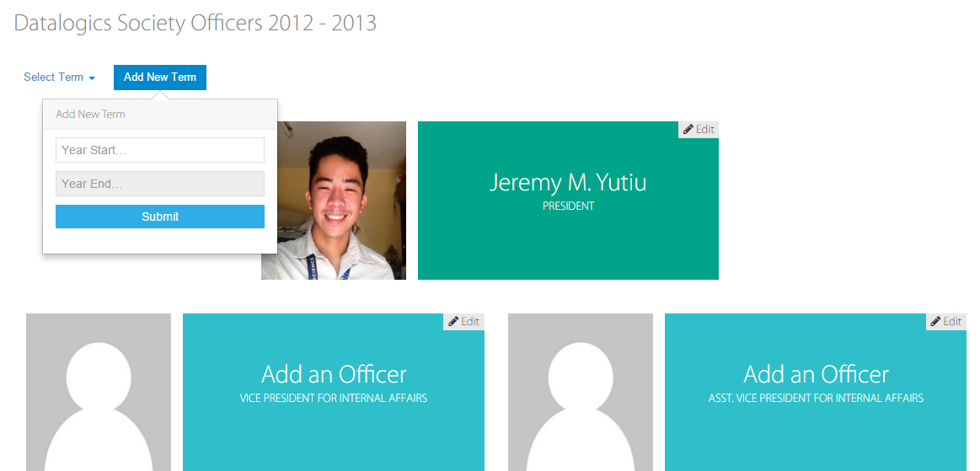

Datalogics Society Voting System
FIELDS

 | Admin. Officers

 | Field Name |  |  |  |  |  | Data Type | Length | Field Type | Required | Lang |  | Default Value | Display Format |  | Example | Logic
 |  |  |  |  |  |  |  |  |  |  | EN | TH
 | Body Section

 | Datalogics Officers <year_start> - <year_end> |  |  |  |  |  | string | 30 | label |  | Y |  | system generated
 | Full Name |  |  |  |  |  | string | 65 | label |  | Y |  | generated from DB |  |  |  | Onclick, opens a modular window with the officer's details
 | Position |  |  |  |  |  | string | 50 | label |  | Y |  | generated from DB |  |  |  | Onclick, opens a modular window with the officer's details
 | Image |  |  |  |  |  |  |  | image |  |  |  | generated from DB |  |  |  | Onclick, opens a modular window with the officer's details
 | Select Term |  |  |  |  |  |  | 9 | combobox |  | Y |  | generated from DB |  |  |  | Onclick, opens a dropdown menu with the list of terms

 | Add New Term |  |  |  |  |  | label | 30 | label |  |  |  | system generated
 | Year Start |  |  |  |  |  | integer | 4 | textbox
 | Year End |  |  |  |  |  | integer | 4 | textbox |  |  |  |  | readonly |  |  | Displays the year end depending on the inputted year start

 | Buttons
 | Add New Term |  |  |  |  |  |  |  | button |  |  |  |  |  |  |  | Onlick, opens a popover with a new term form
 | Edit |  |  |  |  |  |  |  | button |  |  |  |  |  |  |  | Onclick, opens an officer form editor in a modular window

Datalogics Society Voting System
LOGIC

 | Admin. Officers

 |  |  | Use Case
 |  |  |  | Officers

 |  |  |  |  | Scenarios
 |  |  |  |  |  | View Officers
 |  |  |  |  |  | 1. Admin clicks the Officers in the side bar
 |  |  |  |  |  | 2. System displays the current officers
 |  |  |  |  |  | 3. Admin clicks "Select Term" button
 |  |  |  |  |  | 4. System opens a dropdown menu with academic years
 |  |  |  |  |  | 5. Admin choose and clicks a specific academic year
 |  |  |  |  |  | 6. System displays the Officers of a given academic year

 |  |  |  |  |  | Add New Term
 |  |  |  |  |  | 1. Admin clicks the "Add New Term" button
 |  |  |  |  |  | 2. System opens a popover with a new term form
 |  |  |  |  |  | 3. Admin fills up the form
 |  |  |  |  |  | 5. System validates data and checks missing required data from the form.
 |  |  |  |  |  | 6. System prompts an error stating if required fields are empty.
 |  |  |  |  |  | 7. Admin supplies missing information.
 |  |  |  |  |  | 8. Admin clicks on the Submit button.
 |  |  |  |  |  | 9. System displays all the positions with empty content
 |  | Other Details

Datalogics Society Voting System
NOTIFICATIONS

 | Admin. Officers

 |  | Display the following messages as a popup in the same window.

 |  |  |  |  | Scenario |  |  |  |  |  |  |  |  |  | Message
 |  |  |  |  | Term already exists |  |  |  |  |  |  |  |  |  | <year_start> - <year_end> term already exists.

Admin.Edit-Officer
Datalogics Society Voting System
SCREEN LAYOUT

<- Back to Screen List
 | Admin.Edit-Officer

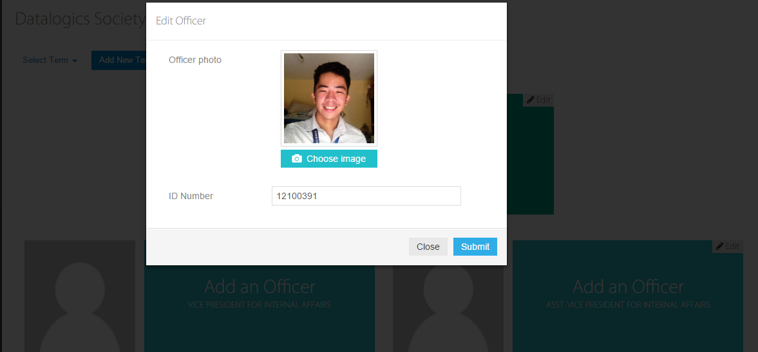

Datalogics Society Voting System
FIELDS

 | Admin.Edit-Officer

 | Field Name |  |  |  |  |  | Data Type | Length | Field Type | Required | Lang |  | Default Value | Display Format |  | Example | Logic
 |  |  |  |  |  |  |  |  |  |  | EN | TH
 | Body Section

 | Edit Officer |  |  |  |  |  | string | 30 | label |  | Y |  | system generated
 | Officer Photo |  |  |  |  |  |  |  | image |  |  |  | system generated
 | ID Number |  |  |  |  |  | integer | 8 | textbox |  | Y |  | system generated

 | Buttons
 | Choose image |  |  |  |  |  |  |  | button |  |  |  |  |  |  |  | Onlick, opens a "Open with" window to choose an image from the computer
 | Submit |  |  |  |  |  |  |  | button |  |  |  |  |  |  |  | Onclick, validates data and data will be save to the database
 | Close |  |  |  |  |  |  |  | button |  |  |  |  |  |  |  | Onlick, closes the modular window

Datalogics Society Voting System
LOGIC

 | Admin.Edit-Officer

 |  |  | Use Case
 |  |  |  | Officers

 |  |  |  |  | Scenarios
 |  |  |  |  |  | Edit Officer
 |  |  |  |  |  | 1. Admin clicks the Officers in the side bar
 |  |  |  |  |  | 2. System displays the Officers of a specific term
 |  |  |  |  |  | 3. Admin clicks the Edit button of a respective officer
 |  |  |  |  |  | 4. System shows a modular window with an officer form
 |  |  |  |  |  | 5. Admin fills up the form
 |  |  |  |  |  | 5. System validates data and checks missing required data from form.
 |  |  |  |  |  | 6. System prompts an error stating if required fields are empty.
 |  |  |  |  |  | 7. Admin supplies missing information.
 |  |  |  |  |  | 8. Admin clicks on the Submit button.
 |  |  |  |  |  | 9. System redirects admin to Officers page.

 |  | Other Details
 |  | - image file type is also checked

Datalogics Society Voting System
NOTIFICATIONS

 | Admin.Edit-Officer

 |  | Display the following messages as a popup in the same window.

 |  |  |  |  | Scenario |  |  |  |  |  |  |  |  |  | Message
 |  |  |  |  | Unacceptable image type |  |  |  |  |  |  |  |  |  | Error! Only jpeg, jpg, png file types are accepted.

Admin.Results
Datalogics Society Voting System
SCREEN LAYOUT

<- Back to Screen List
 | Admin.Results

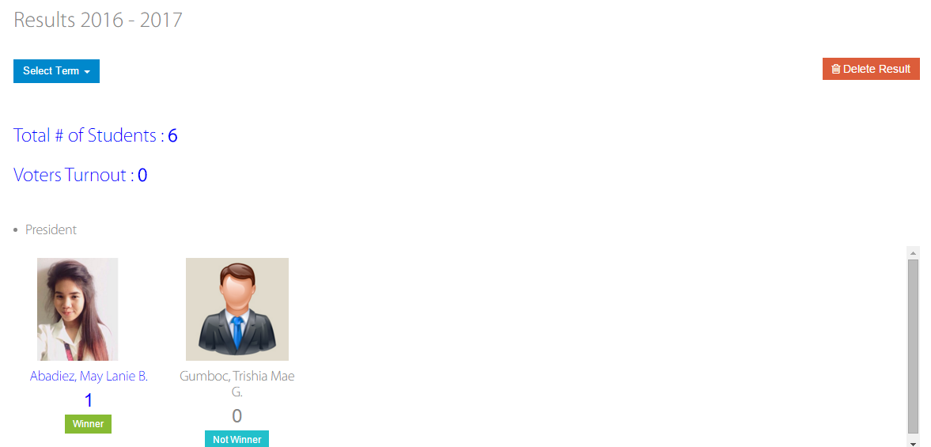

Datalogics Society Voting System
FIELDS

 | Admin.Results

 | Field Name |  |  |  |  |  | Data Type | Length | Field Type | Required | Lang |  | Default Value | Display Format |  | Example | Logic
 |  |  |  |  |  |  |  |  |  |  | EN | TH
 | Body Section
 | Results <academic year> |  |  |  |  |  | string | 20 | label |  | Y
 | Total # of Voters |  |  |  |  |  | string | 20 | label |  | Y |  | system generated
 | Position |  |  |  |  |  | string | 30 | label |  | Y |  | system generated
 | Candidate's Image |  |  |  |  |  | string | 30 | image |  | Y |  | system generated
 | Candidate's Name |  |  |  |  |  | string | 30 | label |  | Y |  | system generated
 | Candidate's vote count |  |  |  |  |  | int |  | label |  | Y |  | system generated

 | Buttons
 | Select Term |  |  |  |  |  |  |  | button |  |  |  |  |  |  |  | Onclick, a dropdown menu of academic years will appear
 | Winner |  |  |  |  |  |  |  | button |  |  |  |  |  |  |  | Onclick, changes candidate/s status to Not Winner
 | Not Winer |  |  |  |  |  |  |  | button |  |  |  |  |  |  |  | Onclick, changes candidate/s status to Winner
 | Delete Result |  |  |  |  |  |  |  | button |  |  |  |  |  |  |  | Onclick, opens a prompt asking to confirm deletion
Datalogics Society Voting System
LOGIC

 | Admin.Results

 |  |  | Use Case
 |  |  |  | Results

 |  |  |  |  | Scenarios
 |  |  |  |  |  | View Results
 |  |  |  |  |  | 1. Admin clicks the Results
 |  |  |  |  |  | 2. System displays a list of candidates sorted by position with their image, name and vote count
 |  |  |  |  |  | 3. Admin clicks on Select Term button
 |  |  |  |  |  | 4. System opens a dropdown menu with academic years
 |  |  |  |  |  | 5. Admin choose and clicks specific academic year
 |  |  |  |  |  | 6. System displays the results of a given academic year

 |  |  |  |  |  | Declare the Wiiner
 |  |  |  |  |  | 1. Admin clicks the button with the default value "Not Wiiner"
 |  |  |  |  |  | 2. System sets Candidate status to Wiiner
 |  |  |  |  |  | 3. System changes the color of button from blue to green
 |  |  |  |  |  | 4. System highlights the candidates' name and vote count to blue meaning that candidate is the Winner on that position

 |  |  |  |  |  | Delete Result
 |  |  |  |  |  | 1. Admin clicks the Delete Result button of a specific academic year
 |  |  |  |  |  | 2. System prompts user asking to confirm deletion
 |  |  |  |  |  | 3. Admin clicks Delete
 |  |  |  |  |  | 4. System deletes the result of a specific academic year and redirect to Results page

 |  |  | Other Details

Datalogics Society Voting System
NOTIFICATIONS

 | Admin.Results

 |  | Display the following messages as a popup in the same window.

 |  |  |  |  | Scenario |  |  |  |  |  |  |  |  |  | Message
 |  |  |  |  | Confirm deletion |  |  |  |  |  |  |  |  |  | "Are you sure you want to delete this result?

Admin.AboutUs-History
Datalogics Society Voting System
SCREEN LAYOUT

<- Back to Screen List
 | Admin.AboutUs-History



Datalogics Society Voting System
FIELDS

 | Admin.AboutUs-History

 | Field Name |  |  |  |  |  | Data Type | Length | Field Type | Required | Lang |  | Default Value | Display Format |  | Example | Logic
 |  |  |  |  |  |  |  |  |  |  | EN | TH
 | Body Section
 | Form
 | About Us |  |  |  |  |  | string | 10 | label |  |  |  | system generated
 | DS Logo |  |  |  |  |  | string |  | image |  |  |  | system generated
 | DS Organization Description |  |  |  |  |  | string | 300 | label |  |  |  | system generated

 | Buttons
 | History |  |  |  |  |  |  |  | button |  |  |  |  |  |  |  | Onclick, displays the History of Datalogics Society.
 | Officers |  |  |  |  |  |  |  | button |  |  |  |  |  |  |  | Onclick, a dropdown menu of academic years will appear
 | System |  |  |  |  |  |  |  | button |  |  |  |  |  |  |  | Onclick, displays the information of the system.

Datalogics Society Voting System
LOGIC

 | Admin.AboutUs-History

 |  |  | Use Case
 |  |  |  | About Us
 |  |  |  |  | History
 |  |  |  |  | Scenarios
 |  |  |  |  |  | View DS Brief History
 |  |  |  |  |  | 1. User clicks on the About Us from the sidebar
 |  |  |  |  |  | 2. System displays the history about the organization

 |  | Other Details

Datalogics Society Voting System
NOTIFICATIONS

 | Admin.AboutUs-History

 |  | Display the following messages as a popup in the same window.

 |  |  |  |  | Scenario |  |  |  |  |  |  |  |  |  | Message
 |  |  |  |  | None

Admin.AboutUs-Officers
Datalogics Society Voting System
SCREEN LAYOUT

<- Back to Screen List
 | Admin.AboutUs-Officers

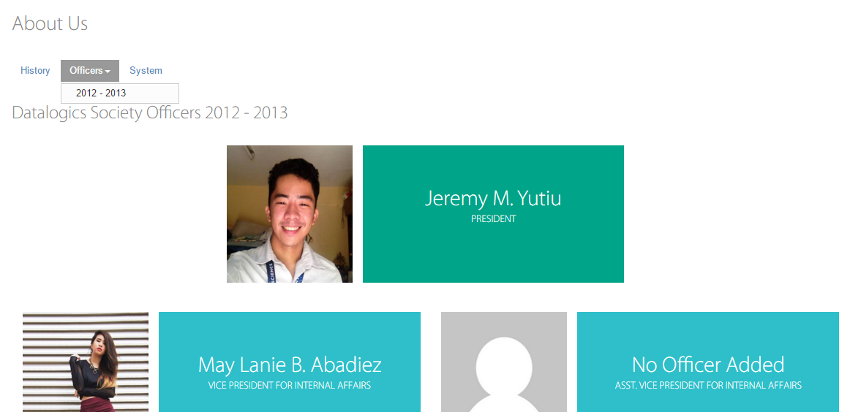

Datalogics Society Voting System
FIELDS

 | Admin.AboutUs-Officers

 | Field Name |  |  |  |  |  | Data Type | Length | Field Type | Required | Lang |  | Default Value | Display Format |  | Example | Logic
 |  |  |  |  |  |  |  |  |  |  | EN | TH
 | Body Section
 | Form
 | About Us |  |  |  |  |  | string | 10 | label |  |  |  | system generated
 | Datalogics Society Officers <academic year> |  |  |  |  |  | string | 30 | label |  |  |  | system generated
 | Officer's picture |  |  |  |  |  | string |  | image |  |  |  | system generated
 | Officer's position |  |  |  |  |  | string | 50 | label |  |  |  | system generated
 | Officer's name |  |  |  |  |  | string | 50 | label |  |  |  | system generated

 | Buttons
 | History |  |  |  |  |  |  |  | button |  |  |  |  |  |  |  | Onclick, displays the History of Datalogics Society.
 | Officers |  |  |  |  |  |  |  | button |  |  |  |  |  |  |  | Onclick, a dropdown menu of academic years will appear
 | System |  |  |  |  |  |  |  | button |  |  |  |  |  |  |  | Onclick, displays the information of the system.

Datalogics Society Voting System
LOGIC

 | Admin.AboutUs-Officers

 |  |  | Use Case
 |  |  |  | About Us
 |  |  |  |  | Officers
 |  |  |  |  | Scenarios
 |  |  |  |  |  | View Officers
 |  |  |  |  |  | 1. Admin clicks on the About Us
 |  |  |  |  |  | 2. System displays the About Us Page
 |  |  |  |  |  | 3. Admin clicks on the Officers button
 |  |  |  |  |  | 4. System displays a dropdown menu of academic years
 |  |  |  |  |  | 6. Admin selects academic year in the dropdown menu
 |  |  |  |  |  | 7. System displays the officers' picture, name and position on that academic year
 |  |  |  |  |  | 9. Admin views the selected officers' academic year

 |  | Other Details

Datalogics Society Voting System
NOTIFICATIONS

 | Admin.AboutUs-Officers

 |  | Display the following messages as a popup in the same window.

 |  |  |  |  | Scenario |  |  |  |  |  |  |  |  |  | Message

Admin.AboutUs-System
Datalogics Society Voting System
SCREEN LAYOUT

<- Back to Screen List
 | Admin.AboutUs-System

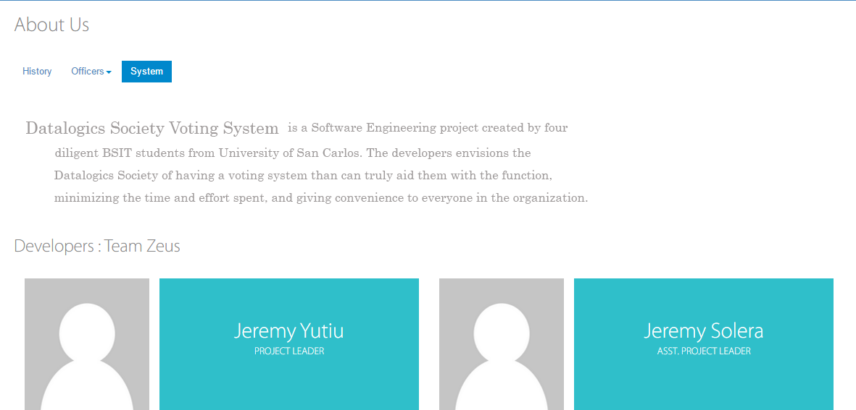

Datalogics Society Voting System
FIELDS

 | Admin.AboutUs-System

 | Field Name |  |  |  |  |  | Data Type | Length | Field Type | Required | Lang |  | Default Value | Display Format |  | Example | Logic
 |  |  |  |  |  |  |  |  |  |  | EN | TH
 | Body Section
 | Form
 | About Us |  |  |  |  |  | string | 10 | label |  |  |  | system generated
 | Datalogics Society Voting System |  |  |  |  |  | string | 300 | label |  |  |  | system generated
 | Developers:Team Zeus |  |  |  |  |  | string | 30 | label |  |  |  | system generated
 | Developers' picture |  |  |  |  |  | string |  | image |  |  |  | system generated
 | Developers' name |  |  |  |  |  | string | 50 | label |  |  |  | system generated
 | Developers' position |  |  |  |  |  | string | 30 | label |  |  |  | system generated

 | Buttons
 | History |  |  |  |  |  |  |  | button |  |  |  |  |  |  |  | Onclick, displays the History of Datalogics Society.
 | Officers |  |  |  |  |  |  |  | button |  |  |  |  |  |  |  | Onclick, a dropdown menu of academic years will appear
 | System |  |  |  |  |  |  |  | button |  |  |  |  |  |  |  | Onclick, displays the information of the system.

Datalogics Society Voting System
LOGIC

 | Admin.AboutUs-System

 |  |  | Use Case
 |  |  |  | About Us
 |  |  |  |  | System
 |  |  |  |  | Scenarios
 |  |  |  |  |  | View System information
 |  |  |  |  |  | 1. Admin clicks the About Us from the side bar
 |  |  |  |  |  | 2. System displays the About Us Page
 |  |  |  |  |  | 3. Admin clicks the System tab button
 |  |  |  |  |  | 4. System displays the information and developers of the system

 |  | Other Details

Datalogics Society Voting System
NOTIFICATIONS

 | Admin.AboutUs-System

 |  | Display the following messages as a popup in the same window.

 |  |  |  |  | Scenario |  |  |  |  |  |  |  |  |  | Message
 |  |  |  |  | None

Admin.Activation
Datalogics Society Voting System
SCREEN LAYOUT

<- Back to Screen List
 | Admin. Activation

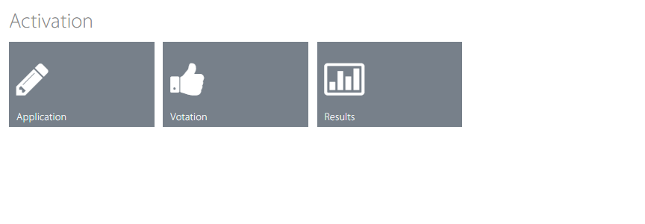

Datalogics Society Voting System
FIELDS

 | Admin. Activation

 | Field Name |  |  |  |  |  |  | Data Type | Length | Field Type | Required | Lang |  | Default Value | Display Format |  | Example | Logic
 |  |  |  |  |  |  |  |  |  |  |  | EN | TH
 | Body Section

 | Activation |  |  |  |  |  |  | string | 20 | label |  | Y |  | system generated

 | Buttons
 | Application |  |  |  |  |  |  |  |  | button |  |  |  |  |  |  |  | Onclick, prompts an confirmation message and sets the Apply to be open/close to the users
 | Votation |  |  |  |  |  |  |  |  | button |  |  |  |  |  |  |  | Onclick, prompts an confirmation message and sets Votation (Vote) to be open/close to the users
 | Results |  |  |  |  |  |  |  |  | button |  |  |  |  |  |  |  | Onclick, prompts an confirmation message and sets Results to be open/close to the users

Datalogics Society Voting System
LOGIC

 | Admin. Activation

 |  |  | Use Case
 |  |  |  | Users

 |  |  |  |  | Scenarios
 |  |  |  |  |  | Activation
 |  |  |  |  |  |  | Activate Application
 |  |  |  |  |  |  | 1. Admin clicks the Application button displayed as gray color meaning Application is deactivated
 |  |  |  |  |  |  | 2. System sets the Apply to be open to the student users
 |  |  |  |  |  |  | 3. System changes the color of the button to blue
 |  |  |  |  |  |  | Deactivate Application
 |  |  |  |  |  |  | 1. Admin clicks the Application button displayed as blue color meaning Application is activated
 |  |  |  |  |  |  | 2. System sets the Vote to be close to the student users
 |  |  |  |  |  |  | 3. System changes the color of the button to gray
 |  |  |  |  |  |  | Activate Votation
 |  |  |  |  |  |  | 1. Admin clicks the Votation button displayed as gray color meaning Votation is deactivated
 |  |  |  |  |  |  | 2. System sets the Apply to be open to the student users
 |  |  |  |  |  |  | 3. System changes the color of the button to blue
 |  |  |  |  |  |  | Deactivate Votation
 |  |  |  |  |  |  | 1. Admin clicks the Votation button displayed as gray color meaning Votation is activated
 |  |  |  |  |  |  | 2. System sets the Vote to be close to the student users
 |  |  |  |  |  |  | 3. System changes the color of the button to gray
 |  |  |  |  |  |  | Activate Results
 |  |  |  |  |  |  | 1. Admin clicks the Results button displayed as gray color meaning Results is deactivated
 |  |  |  |  |  |  | 2. System sets the Results to be open to the student users
 |  |  |  |  |  |  | 3. System changes the color of the button to blue
 |  |  |  |  |  |  | Deactivate Results
 |  |  |  |  |  |  | 1. Admin clicks the Results button displayed as gray color meaning Results is activated
 |  |  |  |  |  |  | 2. System sets the Results to be close to the student users
 |  |  |  |  |  |  | 3. System changes the color of the button to gray

 |  | Other Details

Datalogics Society Voting System
NOTIFICATIONS

 | Admin. Activation

 |  | Display the following messages as a popup in the same window.

 |  |  |  |  | Scenario |  |  |  |  |  |  |  |  |  |  | Message
 |  |  |  |  | Activate Application |  |  |  |  |  |  |  |  |  |  | Are you sure that you want to activate application?
 |  |  |  |  | Deactivate Application |  |  |  |  |  |  |  |  |  |  | Are you sure that you want to deactivate application?
 |  |  |  |  | Activate Votation |  |  |  |  |  |  |  |  |  |  | Are you sure that you want to activate votation?
 |  |  |  |  | Deactivate Votation |  |  |  |  |  |  |  |  |  |  | Are you sure that you want to deactivate votation?
 |  |  |  |  | Activate Results |  |  |  |  |  |  |  |  |  |  | Are you sure that you want to activate results?
 |  |  |  |  | Deactivate Results |  |  |  |  |  |  |  |  |  |  | Are you sure that you want to deactivate results?

Admin.View Logs
Datalogics Society Voting System
SCREEN LAYOUT

<- Back to Screen List
 | Admin. View Logs

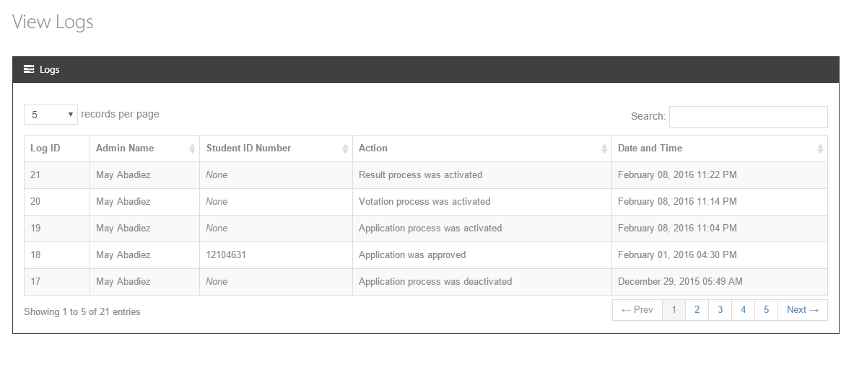

Datalogics Society Voting System
FIELDS

 | Admin. View Logs

 | Field Name |  |  |  |  |  | Data Type | Length | Field Type | Required | Lang |  | Default Value | Display Format |  | Example | Logic
 |  |  |  |  |  |  |  |  |  |  | EN | TH
 | Body Section

 | View Logs |  |  |  |  |  | string | 20 | label |  | Y |  | system generated
 | Log ID |  |  |  |  |  | string | 65 | label |  | Y |  | system generated |  |  |  | Onclick, sorts list based on full name (alternating on ascending/descending order)
 | Admin Name |  |  |  |  |  | string | 30 | label |  | Y |  | system generated |  |  |  | Onclick, sorts list based on date/time (alternating on ascending/descending order)
 | IDNumber |  |  |  |  |  | string | 8 | label |  | Y |  | system generated |  |  |  | Onclick, sorts list based on IDNumber (alternating on ascending/descending order)
 | Action |  |  |  |  |  | string | 30 | label |  | Y |  | system generated
 | Date and Time |  |  |  |  |  | datetime |  | label |  | Y |  | system generated | Month Day, Year Hr: mins <pm/am>
 | Records per page |  |  |  |  |  | string | 20 | combobox |  | Y |  | 5, 15, 20, All |  |  |  | Limits the number of records to be displayed in the list
 | Search |  |  |  |  |  | string | 50 | inputbox |  | Y |  |  |  |  |  | Onkeyup, searches and filters the records from the list

 | Buttons
 | Next |  |  |  |  |  |  |  | button |  |  |  |  |  |  |  | Onclick, opens the next page of logs
 | Previous |  |  |  |  |  |  |  | button |  |  |  |  |  |  |  | Onclick, opens the previous page of logs
 | Page Number |  |  |  |  |  |  |  | button |  |  |  |  |  |  |  | Onclick, opens the specific page of logs

Datalogics Society Voting System
LOGIC

 | Admin. View Logs

 |  |  | Use Case
 |  |  |  | View Logs

 |  |  |  |  | Scenarios
 |  |  |  |  |  | View Logs
 |  |  |  |  |  | 1. Admin clicks the View Logs from the sidebar
 |  |  |  |  |  | 2. System displays the logs sorted by date and time

 |  | Other Details

Datalogics Society Voting System
NOTIFICATIONS

 | Admin. View Logs

 |  | Display the following messages as a popup in the same window.

 |  |  |  |  | Scenario |  |  |  |  |  |  |  |  |  | Message
 |  |  |  |  | None |  |  |  |  |  |  |  |  |  | None

