ProdCapacity
Production Capacity
 |  | 00. Init page
 |  | 01. Upload file
 |  | 02. Search
 |  | 03. Add
 |  | 04. Edit
 |  | 05. Delete
 |  | 06. Download

00. Init page

 | PE >> Prod Capacity
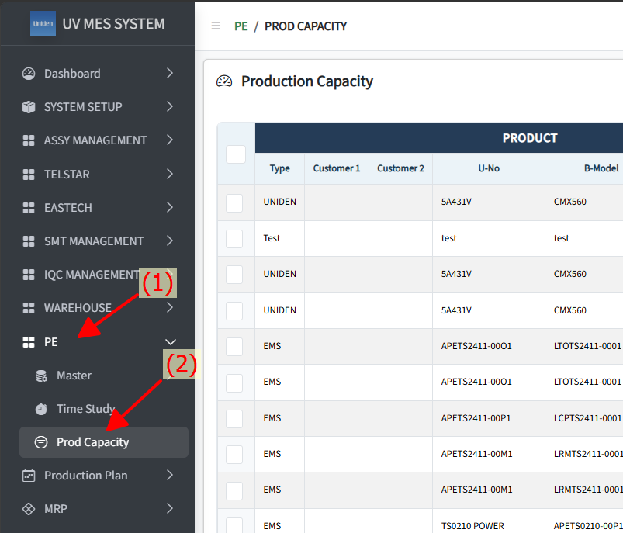

01. Upload file

 | Note: Click (*) to download Upload Template
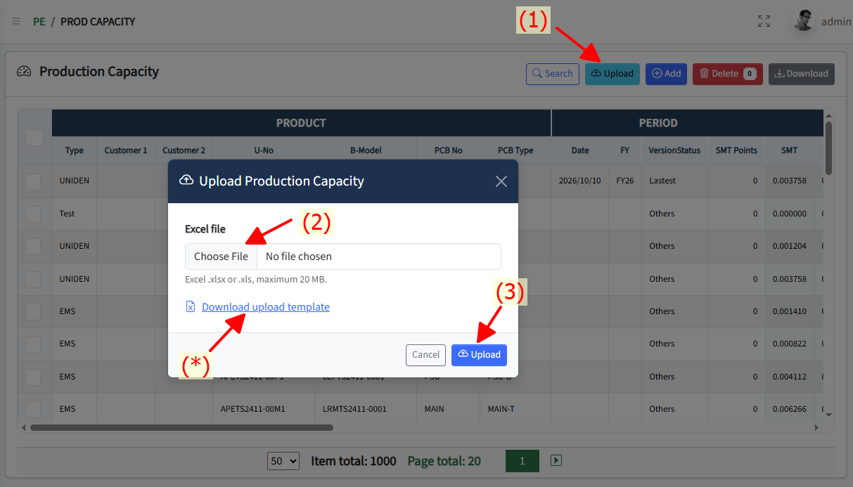

02. Search

 | Note: (2) fill in condition
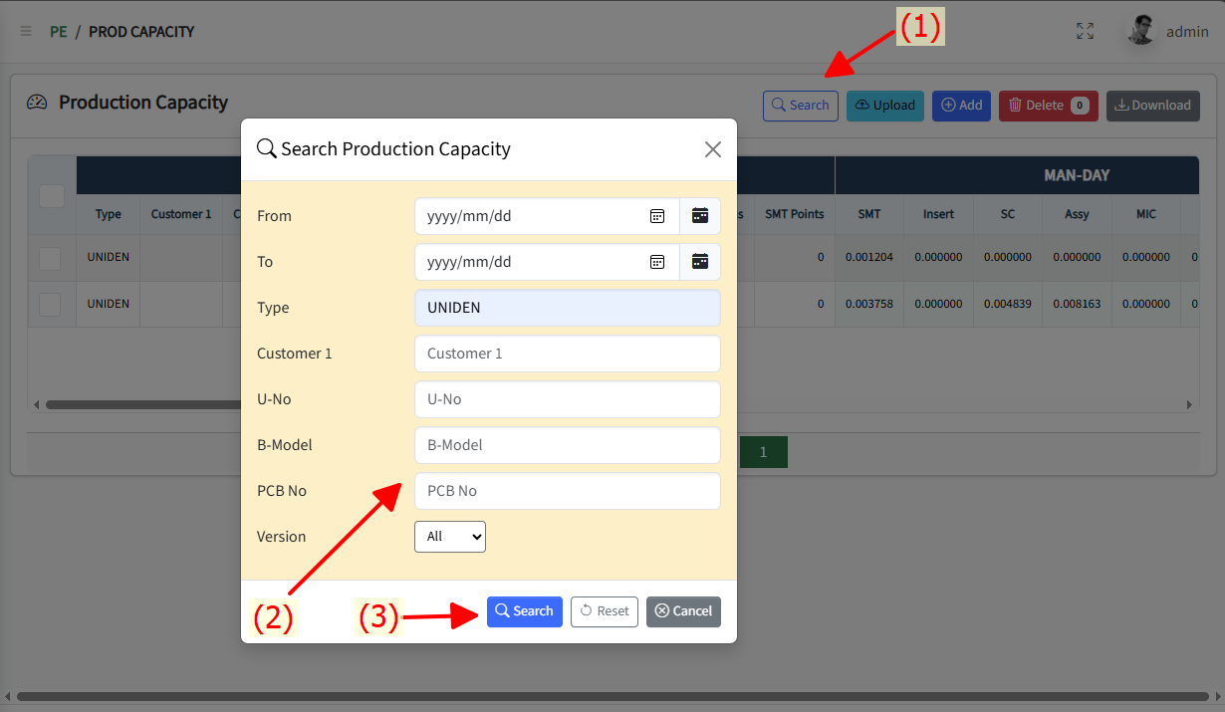

03. Add

 | Note: (2) fill in data to add
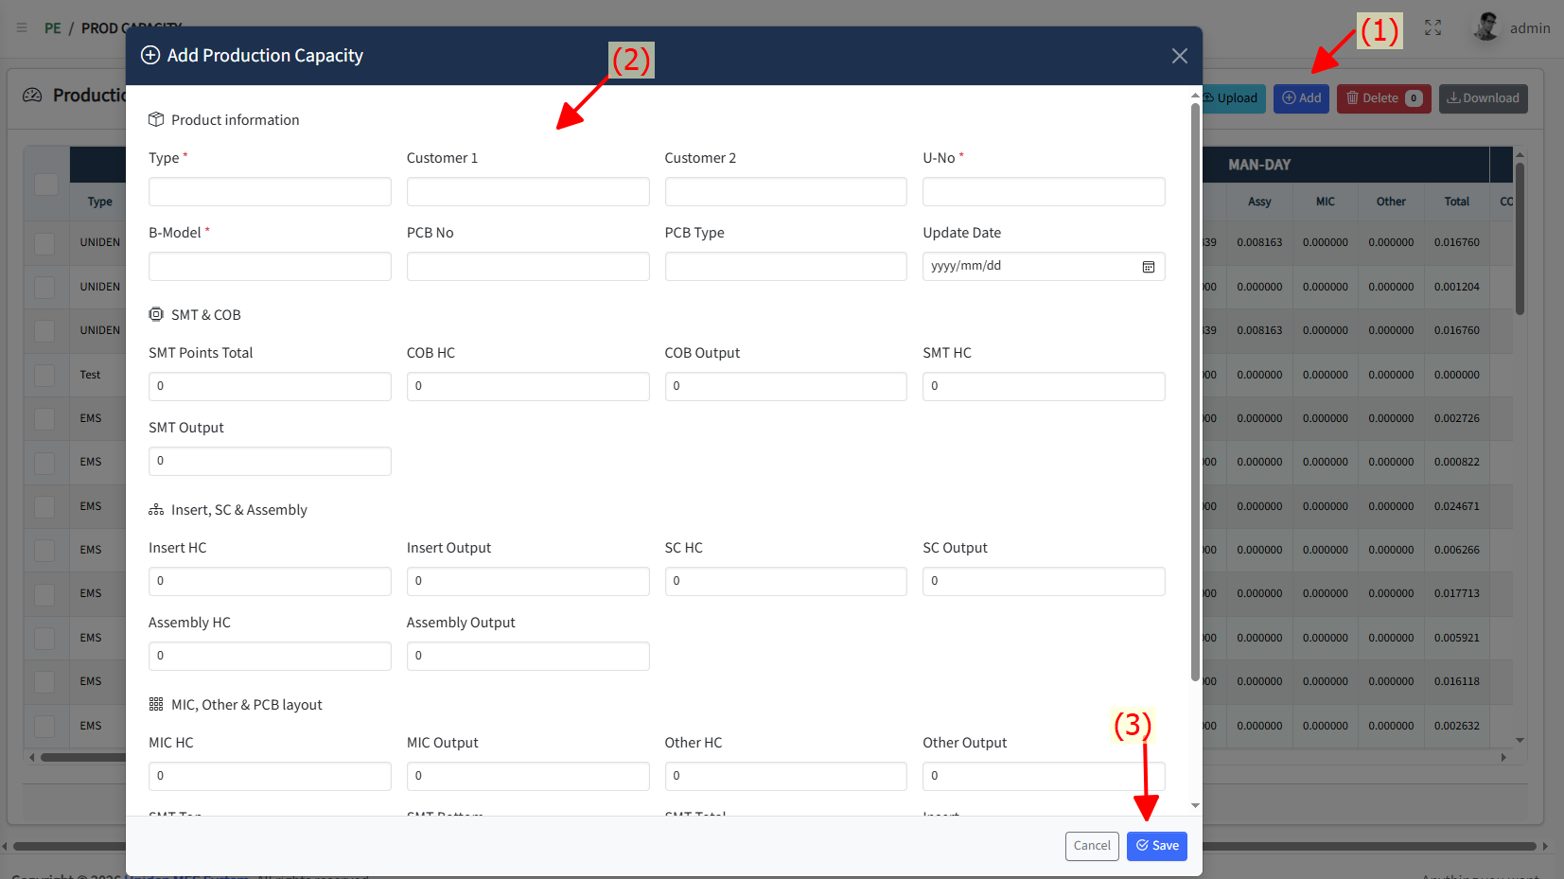

04. Edit

 | Note: (2) fill in edit data
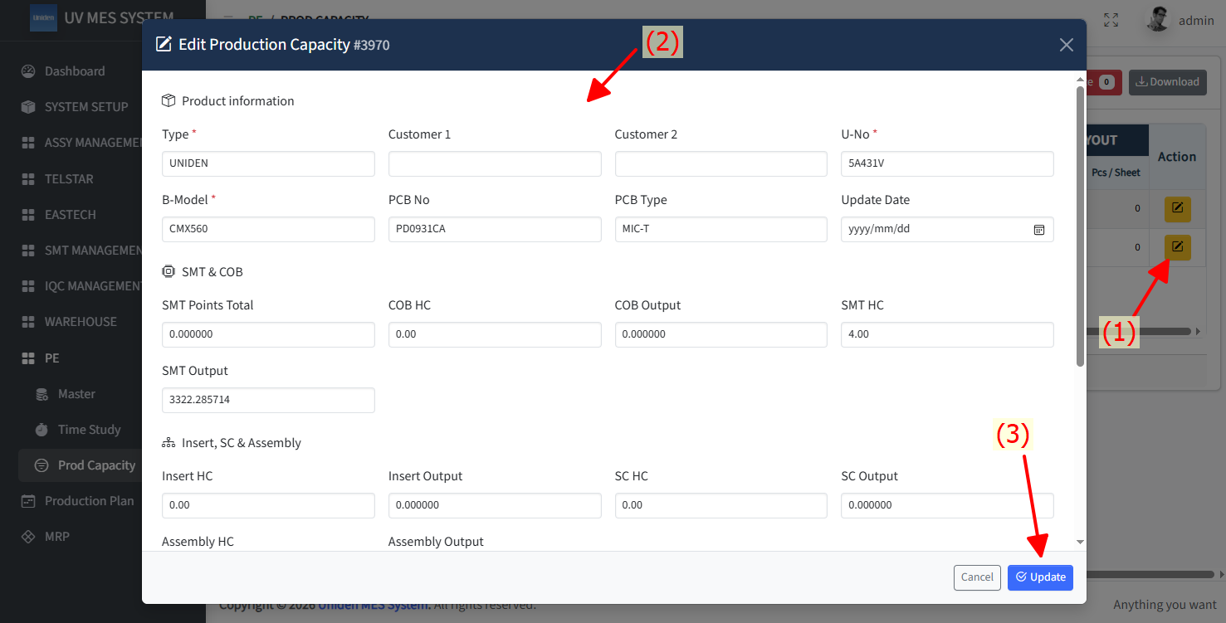

05 Delete

 | Note: (1) Choose row to delete
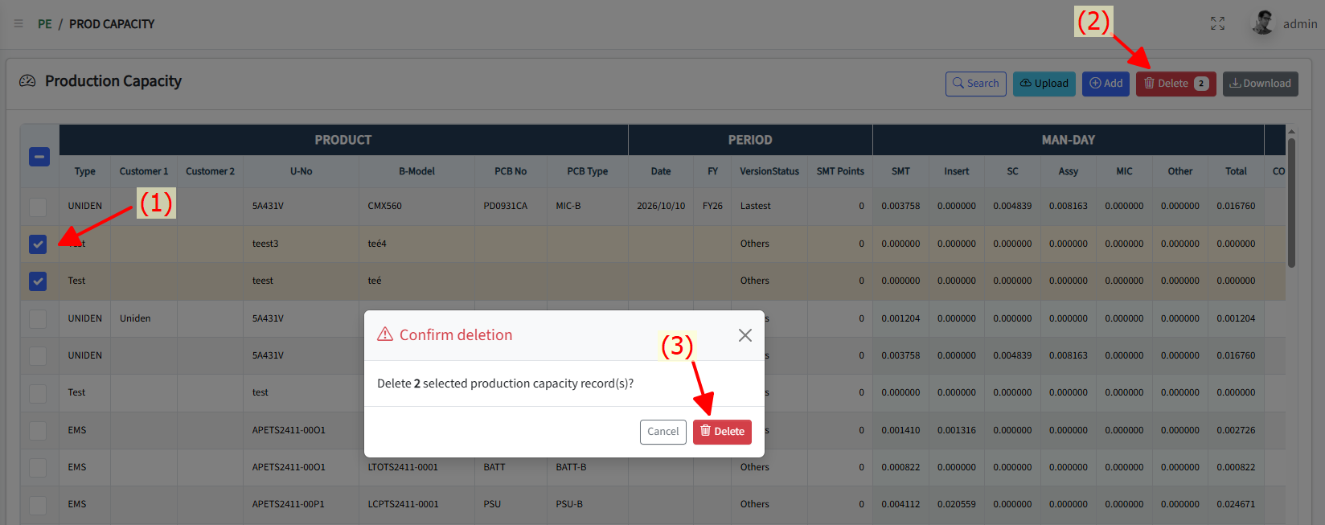

06. Download

 | Note: Click to Download button

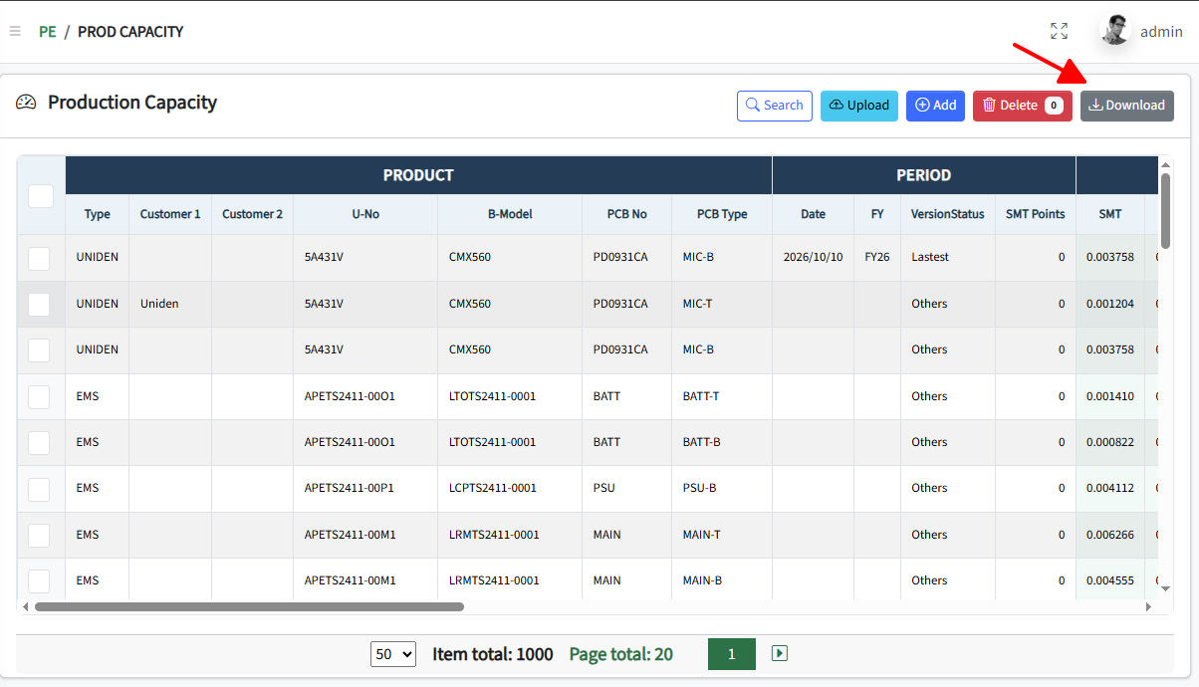

 | Result:

