Picture
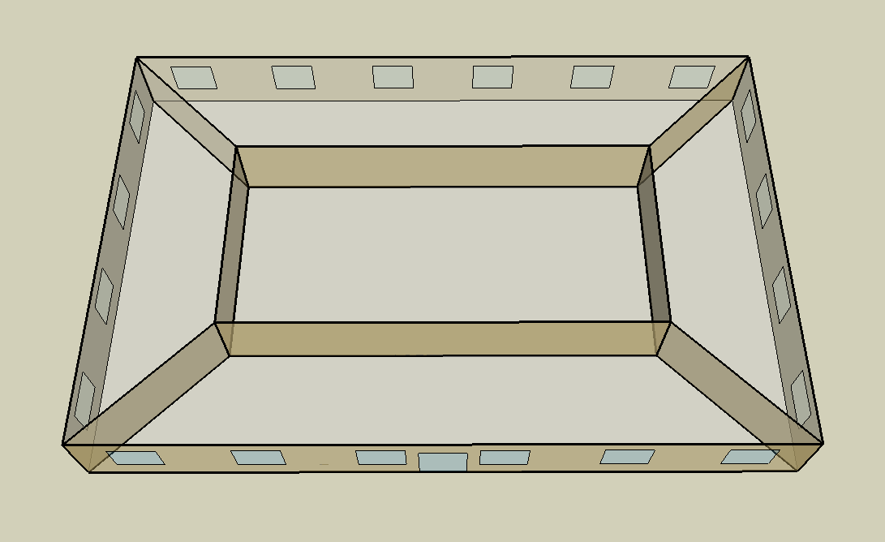
DOE Commercial Building Benchmark - Small Office

