Picture
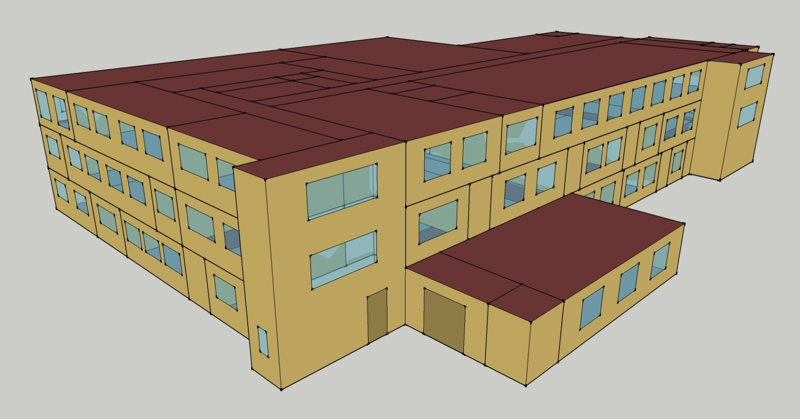
DOE Commercial Building Benchmark - Outpatient Health Care

