Picture
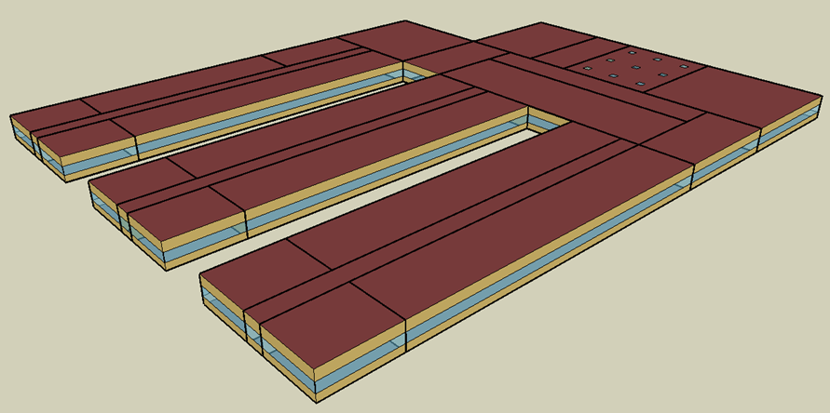
DOE Commercial Building Benchmark - Primary School

