Picture
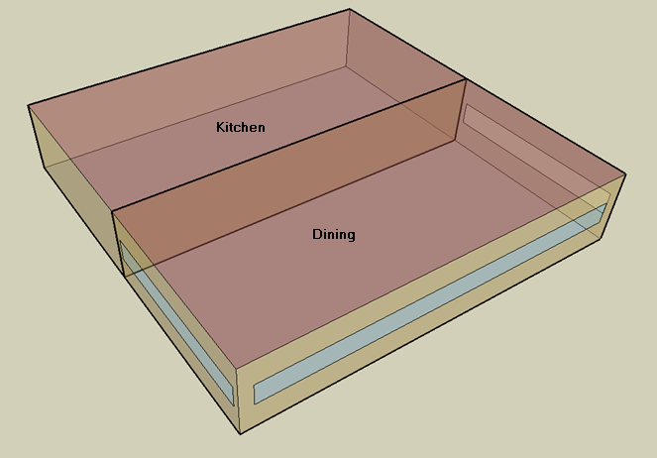
DOE Commercial Building Benchmark - Quick Service Restaurant

