Main
CarMax's CarMatch

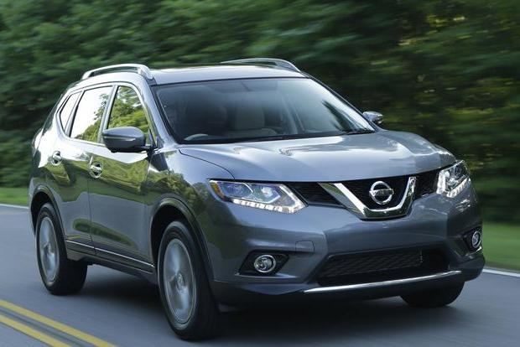


 | The purpose of this application is to blah blah

Begin Questionaire

Q1
Passenger Information

 | How many passengers do you need to accommodate?

Next Question

Q2
Interests / Activies

 | How would you rank the Vehicle Activity Index
 |  | ( 1 being very little usage / 10 being an "avid outdoorsman / heavy user" )

Previous Question
Next Question

Q3
Economy / Performance

 |  | How Important Is Fuel Economy?
 | 1 = Not Important 5 = Indifferent 10 = Very Important

Previous Question
Next Question

Q4
Performance Preference

 | How importance is vehicle performance?
 | 1 = Not Important 5 = Indiffernt 10 = Very Important

Previous Question
Find Your Car

