Main
CarMax's CarMatch

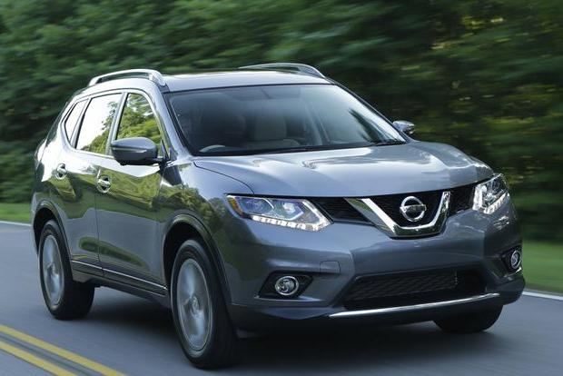


Please reset the program before running the application again if the number of projects need to be changed

 | The purpose of this application is to blah blah

Reset Program
View Report
Question 1

Q1
Question 1

 | 1. How many seats do you think you'll need?

Go to Main
Next Question

Q2
Question 2

 | 2. Will you need space to load big heavy items?

Go to Main
Previous Question
Next Question

Q3
Question 3

 | 3. What is your price range?

Go to Main
Previous Question
Next Question

Q4
Question 4

 | 4. How important is fuel economy?

Go to Main
Previous Question
Next Question

Q5
Question 5

 | 5. Are there any colors you don't want your car to be?

Go to Main
Previous Question
Next Question

Q6
Question 6

 | 6. Do you enjoy exploring the great outdoors?

Go to Main
Previous Question
Next Question

Q7
Question 7

 | 7. What is your price range? (same as 3 - fix)

Go to Main
Previous Question
Next Question

Sheet10
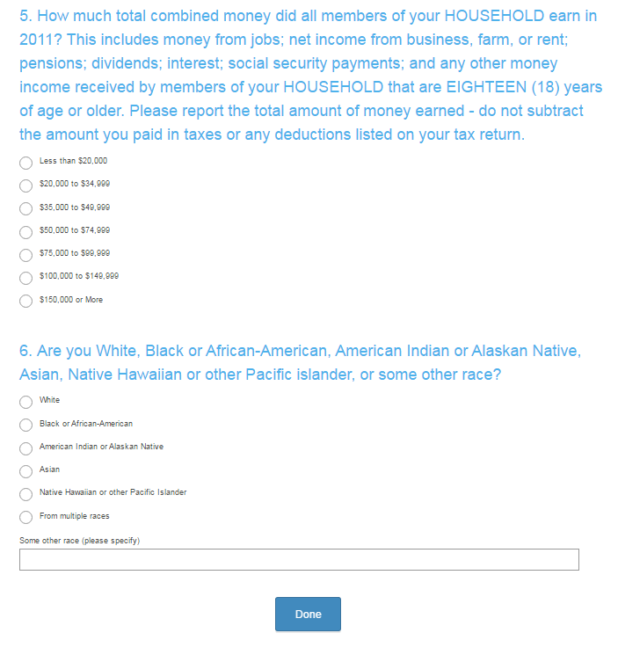
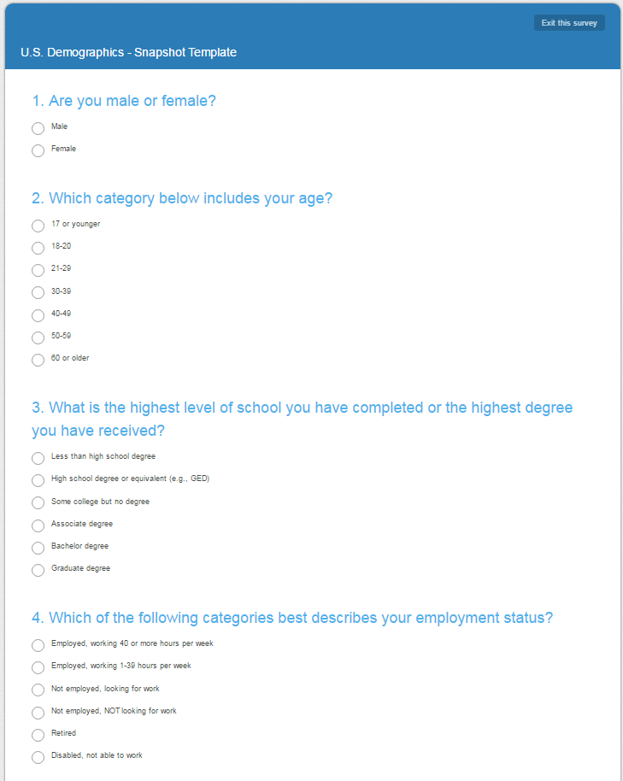

https://www.surveymonkey.com/mp/market-research-surveys/?ut_source=header

