Sheet10
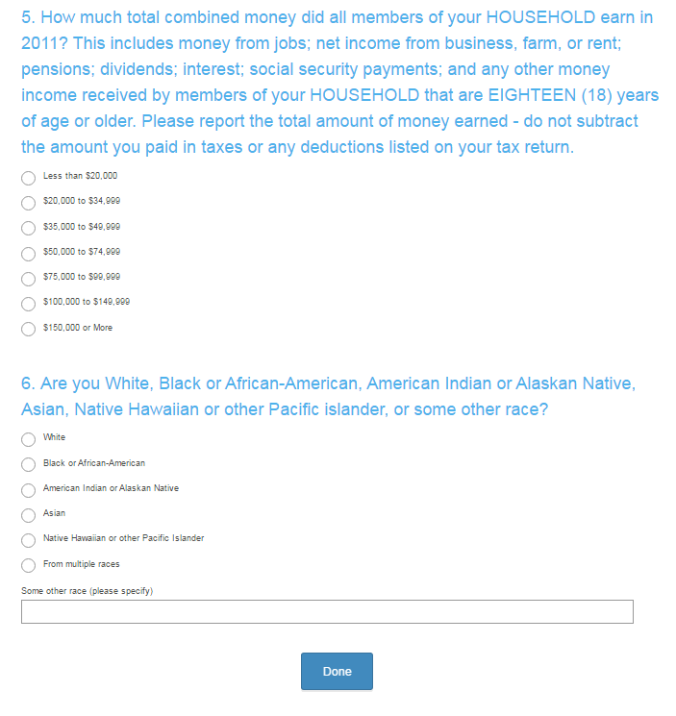
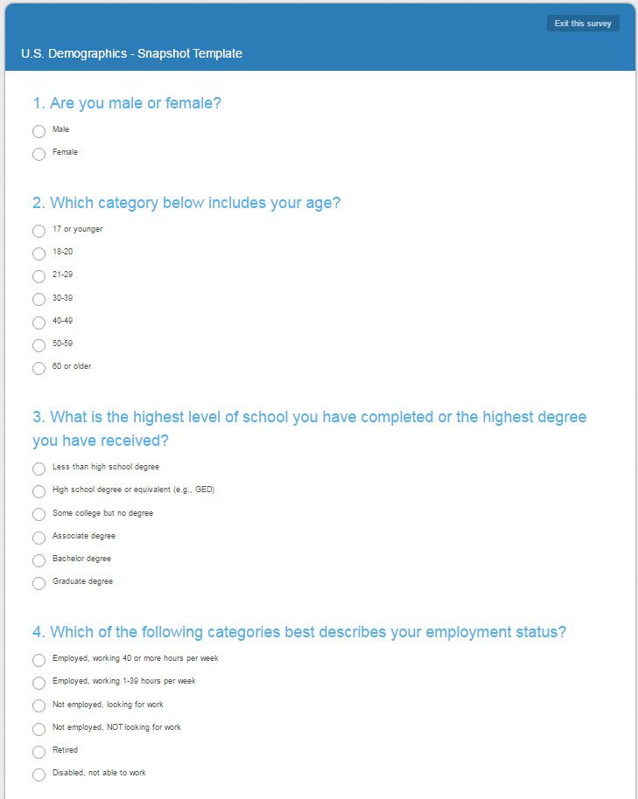

https://www.surveymonkey.com/mp/market-research-surveys/?ut_source=header

