Sheet1
Signal Layer | Reference Layer | Impedance Type | Trace Width（mil) | Trace Spacing（mil) | Impedance(ohm)±10% | Position
L1 | L2 | Single Non Coplanar | 14.8532 |  | 50 | 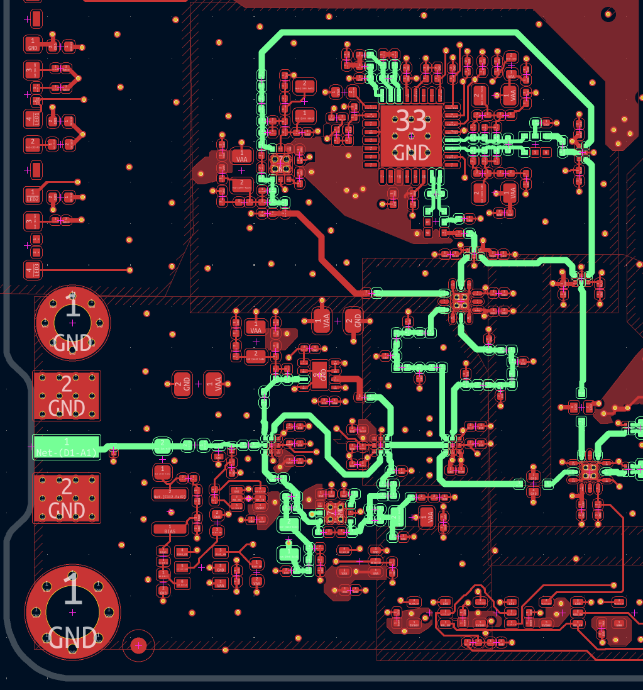 | GREEN TRACES ARE 50-Ohm
L1 | L2 | Differential Pair (Non coplanar) | 8.611 | 5.25 | 100 | 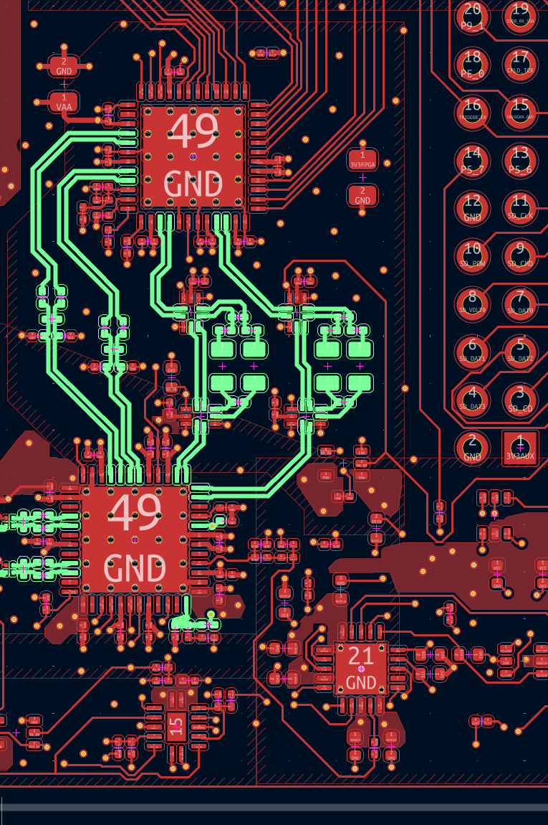 | GREEN DIFF PAIRS ARE 100-Ohm
L6 | L5 | Single Non Coplanar | 14.8532 |  | 50

