Sheet1
 | O | log
read 2 | 1 | l(i) + l(2)
read 3 | 1 | l(j) + l(3)
read 4 | 1 | l(k) + l(4)

load 2 | 1 | l(2) + l(i) |  | reg
sub =20 | 1 | l(i) + l(20) |  | 1 | temp
jgtz end | 1 | l(i-20) |  | 2 | i | A
 |  |  |  | 3 | j | D
load 3 | 1 | l(3) + l(j) |  | 4 | k | N
sub =20 | 1 | l(j) + l(20) |  | a = (k*j - 1)
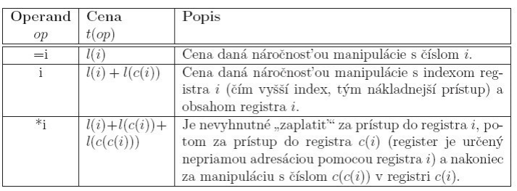
jgtz end | 1 | l(j-20)

load 4 | 1 | l(4) + l(k)
sub =100000 | 1 | l(k) + l(100000)
jgtz end | 1 | l(k-100000)

load 4 | 1 | l(4) + l(k)
mul 3 | 1 | l(k) + l(3) + l(j)
sub =1 | 1 | l(k*j) + l(1)
sub 2 | 1 | l(k*j - 1) + l(2) + l(i) | k*j - 1 = a
jzero hop | 1 | l(a-i)
jgtz hop | 1 | l(a-i)
jump end | 1 | 1
hop: | 1
add 2 | 1 | l(a - i) + l(2) + l(i)
store 1 | 1 | l(a) + l(1)
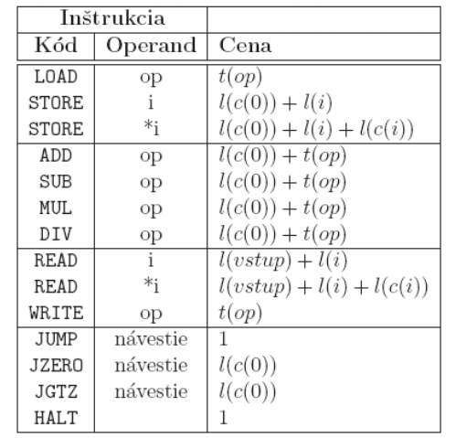
write 1 | 1 | l(1) + l(a)

sub 3 | 1 | l(a) + l(3) + l(j)
sub 2 | 1 | l(a - j) + l(2) + l(i)
jzero skok | 1 | l(a - j - i)
jgtz skok | 1 | l(a - j - i)
jump end | 1 | 1
skok: | 1
add 2 | 1 | l(a - j - i) + l(2) + l(i)
store 1 | 1 | l(a-j) + l(1)
jgtz loop | 1 | l(a - j)

halt | 1 | 1

loop:
load 1 | n + 1 | l(1) + l(a - j*(n+1))
write 1 | n + 1 | l(1) + l(a - j*(n+1))
sub 3 | n + 1 | l(a - j*(n+1)) +l(3) + l(j)
sub 2 | n + 1 | l(a - j*(n+2)) +l(2) + l(i)
jzero tralala | n + 1 | l(a - j*(n+2))
jgtz tralala | n + 1 | l(a - j*(n+2))
jump end | 1 | 1
tralala: | n
add 2 | n | l(a - j*(n+2)) +l(2) + l(i)
store 1 | n | l(a - j*(n+1)) + l(1)
jump loop | n | l(a - j*(n+1))

end:
halt | 1 | 1

 | 10*n + 27
 | O(n)

