Test Evidence
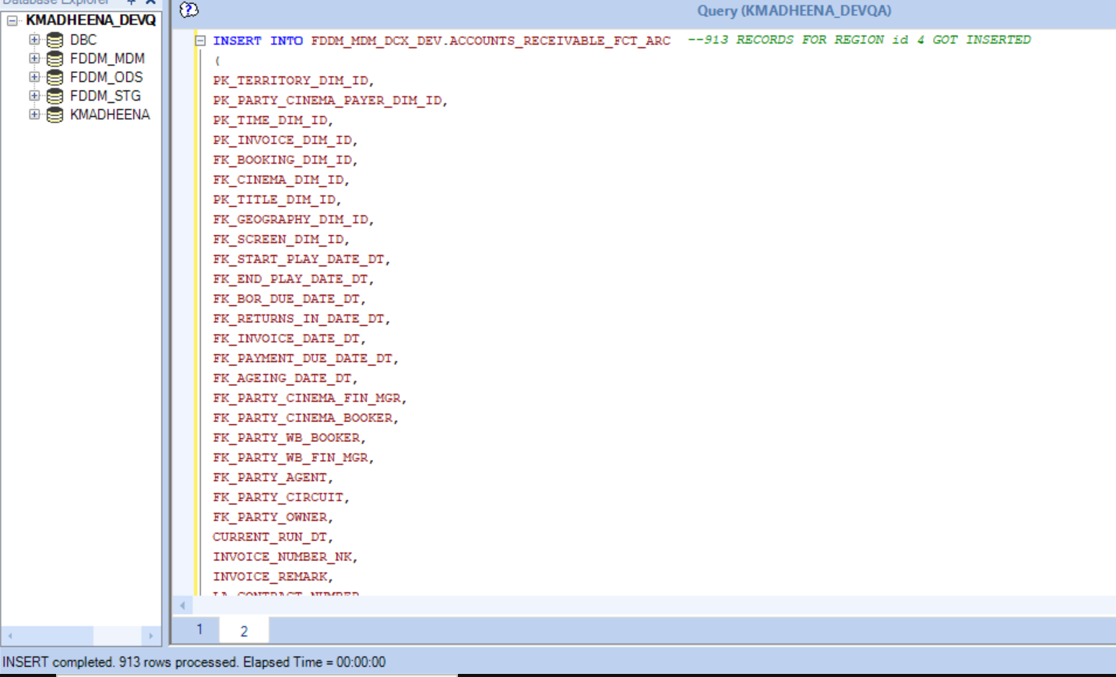
Test Case 1 | Count check

 | Script |  | PROD
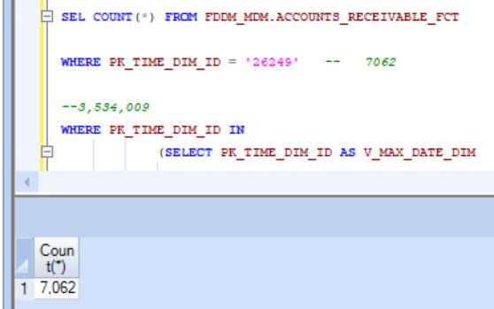
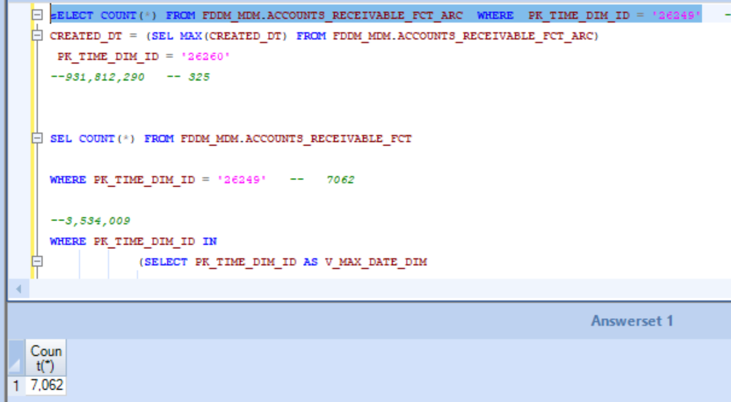

Test Case 4 | All territories data from to be pulled from source, Use only parameters

Test Case 5 | Insert or update script should have No of columns and order of columns to be same as existing target table

 | SCRIPT |  | PROD
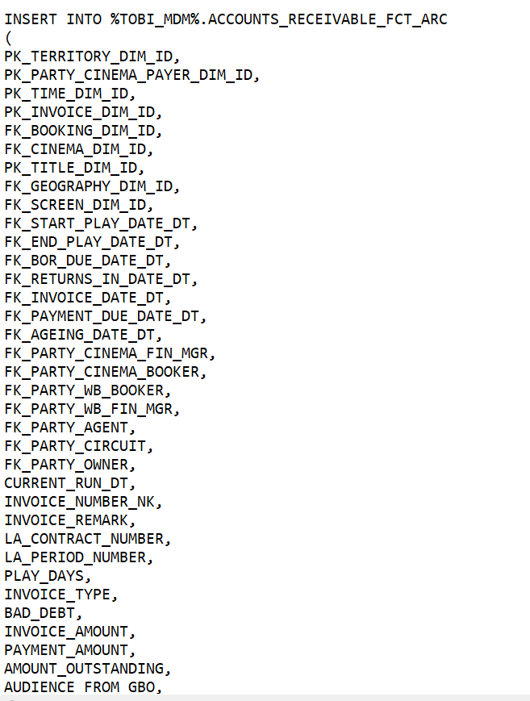
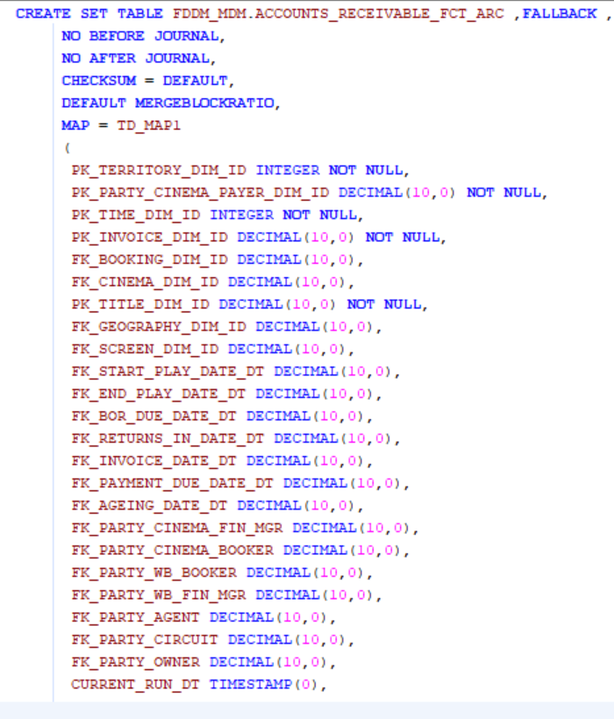

Test Case 6 | Script result columns should be similar with current PROD table columns

 | PROD

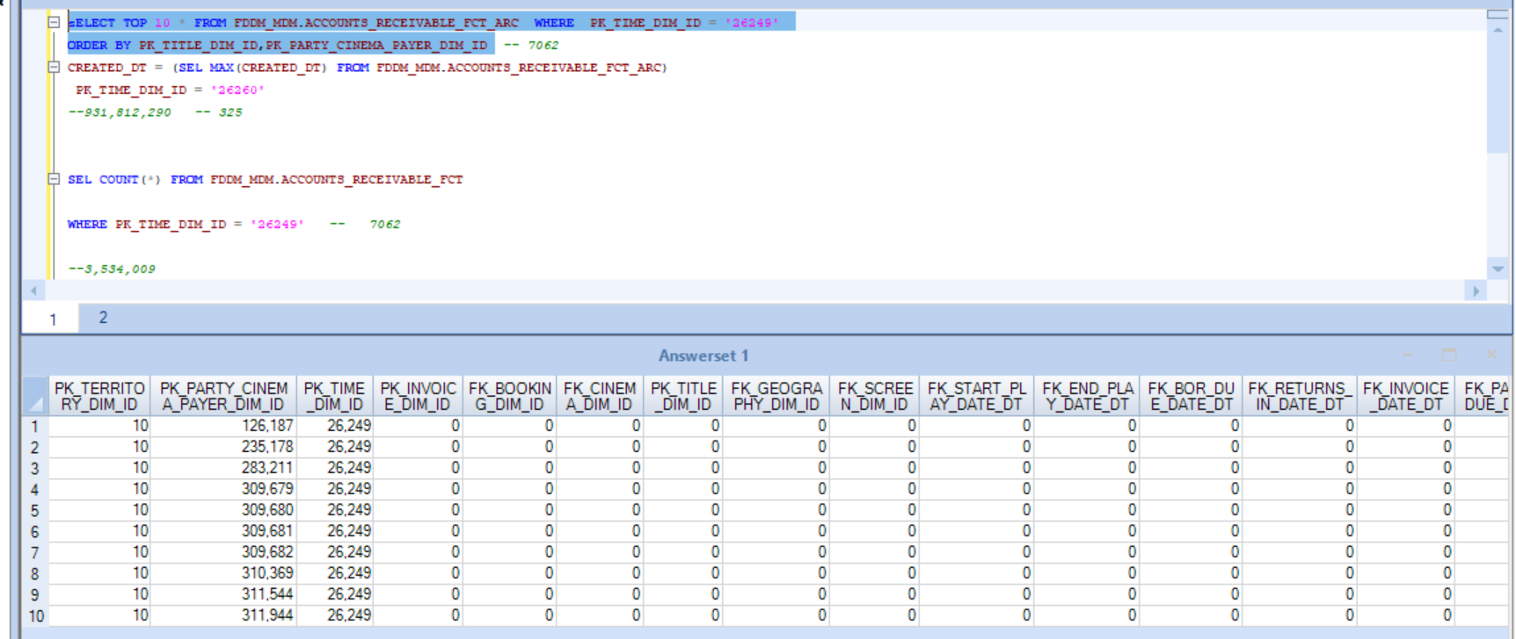

 | SCRIPT

Test Case 7 | No Redundant data to be pulled

Test Case 9 | Description values should be matched from source and current PROD data for corresponding key columns | NA

Test Case 12 | Filter to pull CDC data

Test Case 13 | Only Insert statement to be prepared for STG tables

Insert Proof :

