TestEvidence
 |  | SCRIPT OUTPUT |  | PROD

TEST CASE 1 | Count check |  |  | After Running the select Query from the new INSERT Query data from prod is matching.

Existing Table data in prod

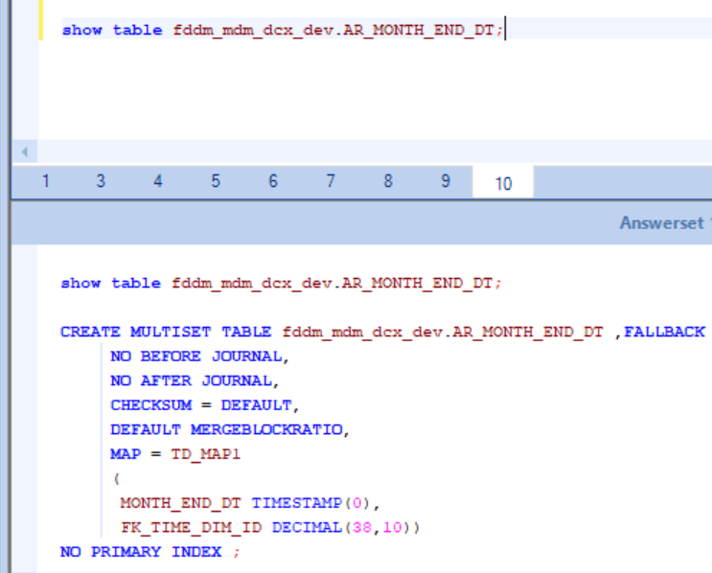
TEST CASE 3 | Table Script to have No of columns and order of columns to be same as existing Table.
 |  |  | DEV

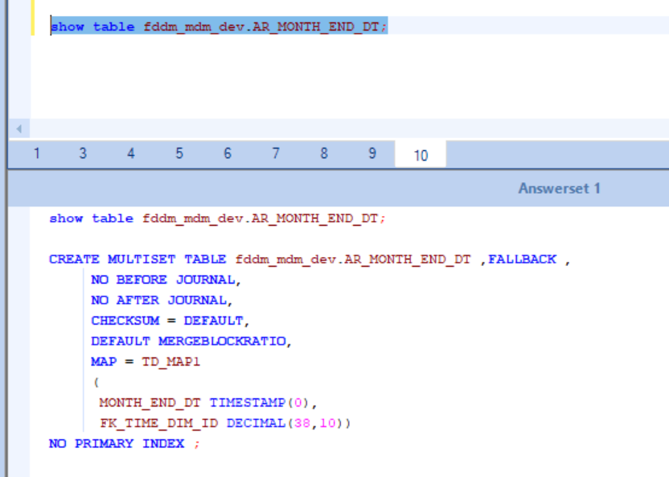

TEST CASE 4 | View data should be matching with current view data

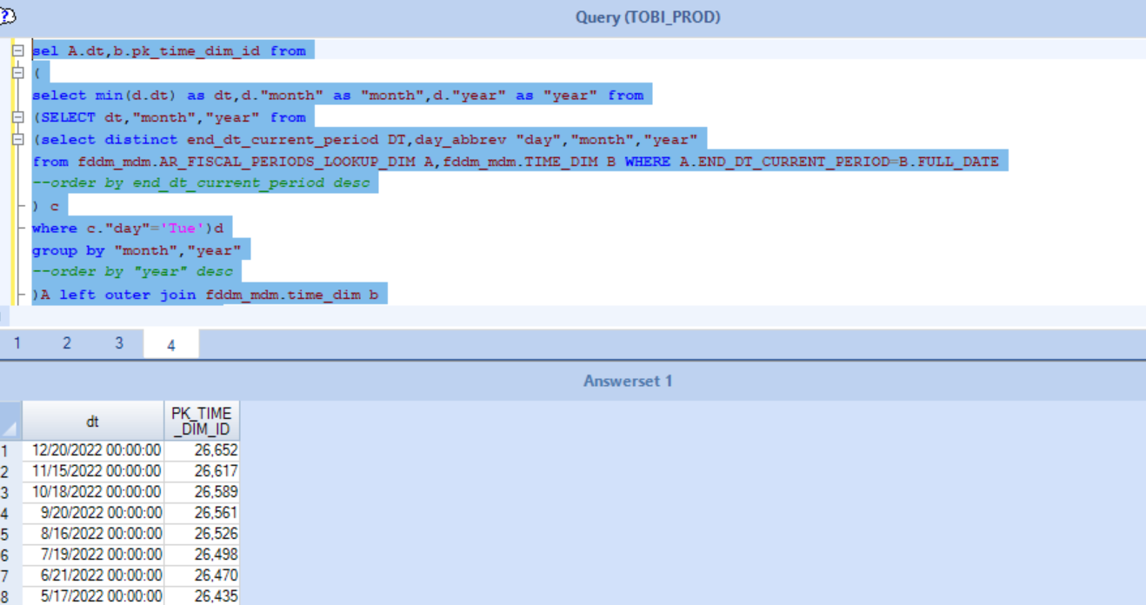
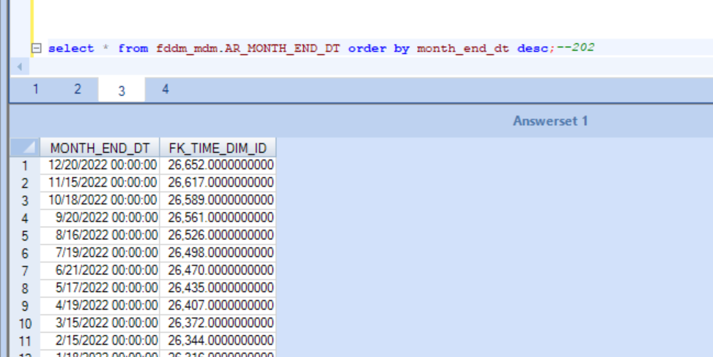

TEST CASE 5 | No Redundant data to be pulled to table.

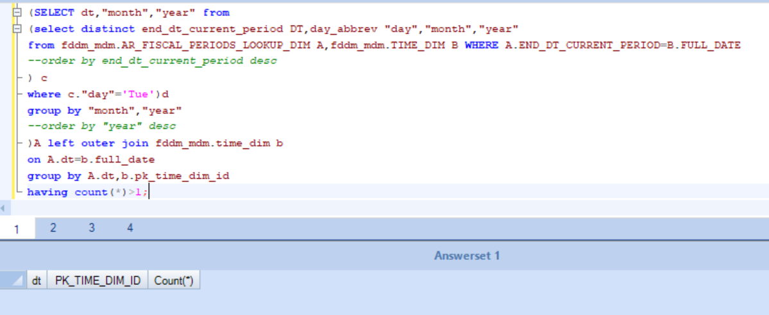

TEST CASE 6 | Minus should be performed between view script and existing view

 | Minus Query is performed in PROD againt the new script and the fddm_mdm.AR_MONTH_END_DT table

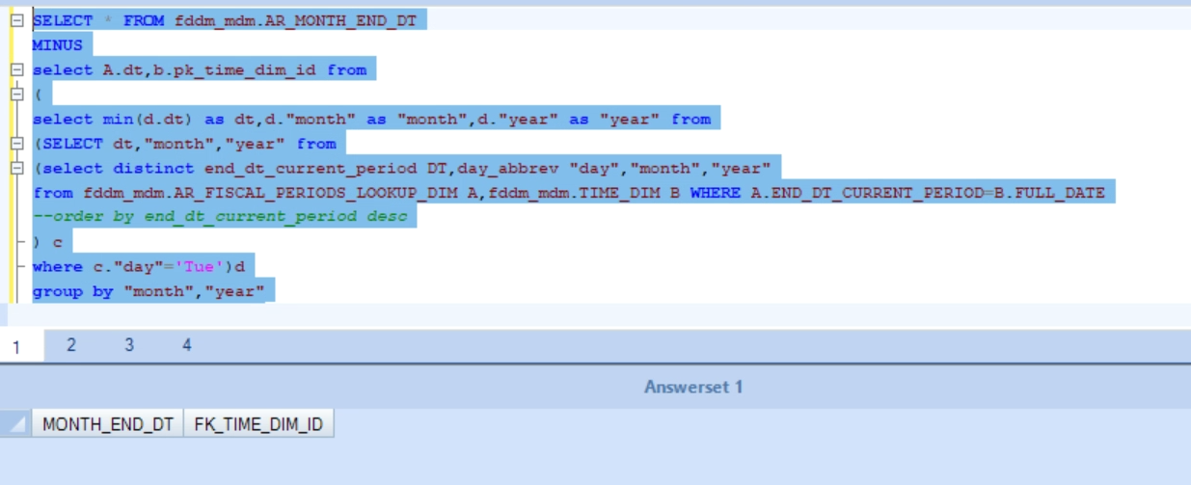
 |  |  |  |  | SELECT * FROM fddm_mdm.AR_MONTH_END_DT
 |  |  |  |  | MINUS
 |  |  |  |  | select A.dt,b.pk_time_dim_id from
 |  |  |  |  | (
 |  |  |  |  | select min(d.dt) as dt,d."month" as "month",d."year" as "year" from
 |  |  |  |  | (SELECT dt,"month","year" from
 |  |  |  |  | (select distinct end_dt_current_period DT,day_abbrev "day","month","year"
 |  |  |  |  | from fddm_mdm.AR_FISCAL_PERIODS_LOOKUP_DIM A,fddm_mdm.TIME_DIM B WHERE A.END_DT_CURRENT_PERIOD=B.FULL_DATE

 |  |  |  |  | ) c
 |  |  |  |  | where c."day"='Tue')d
 |  |  |  |  | group by "month","year"

 |  |  |  |  | )A left outer join fddm_mdm.time_dim b
 |  |  |  |  | on A.dt=b.full_date;

Data Validation
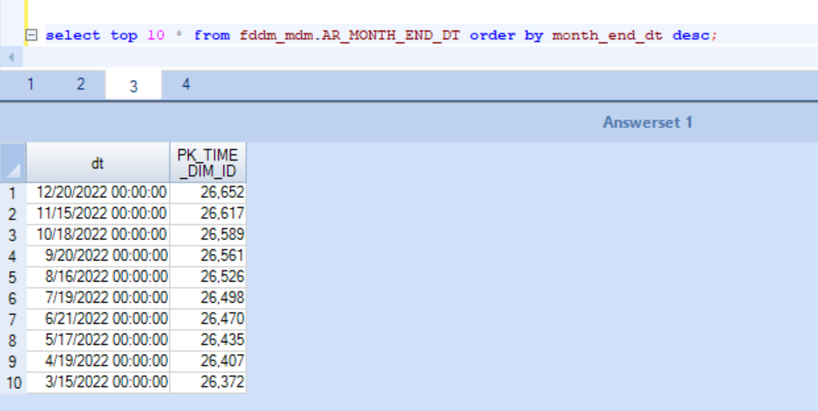

PROD Table Data
 | MONTH_END_DT | FK_TIME_DIM_ID
1 | 12/20/2022 00:00:00 | 26,652.0000000000
2 | 11/15/2022 00:00:00 | 26,617.0000000000
3 | 10/18/2022 00:00:00 | 26,589.0000000000
4 | 9/20/2022 00:00:00 | 26,561.0000000000
5 | 8/16/2022 00:00:00 | 26,526.0000000000
6 | 7/19/2022 00:00:00 | 26,498.0000000000
7 | 6/21/2022 00:00:00 | 26,470.0000000000
8 | 5/17/2022 00:00:00 | 26,435.0000000000
9 | 4/19/2022 00:00:00 | 26,407.0000000000
10 | 3/15/2022 00:00:00 | 26,372.0000000000

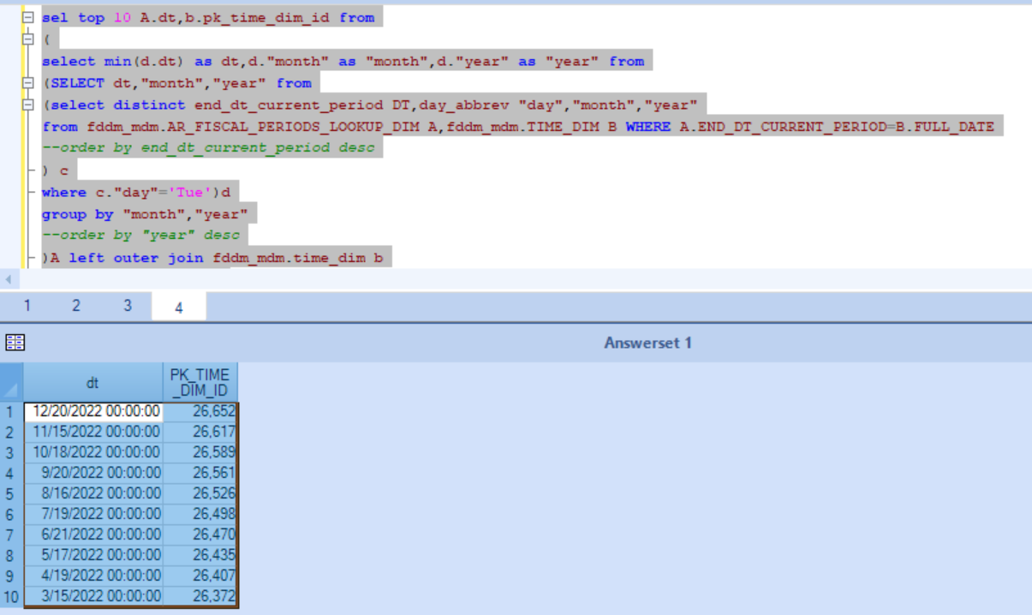
Prod data with Script
 | dt | PK_TIME_DIM_ID
1 | 12/20/2022 00:00:00 | 26,652
2 | 11/15/2022 00:00:00 | 26,617
3 | 10/18/2022 00:00:00 | 26,589
4 | 9/20/2022 00:00:00 | 26,561
5 | 8/16/2022 00:00:00 | 26,526
6 | 7/19/2022 00:00:00 | 26,498
7 | 6/21/2022 00:00:00 | 26,470
8 | 5/17/2022 00:00:00 | 26,435
9 | 4/19/2022 00:00:00 | 26,407
10 | 3/15/2022 00:00:00 | 26,372

