Question 1
 | Question 1

 | Understanding the Data
 | a) Are all the values in the data reasonable? Are there missing values?
 | b) What are the characteristics of employees at Company A? Do these demographics change over time?
 | Use tables and charts to understand the data and demographic characteristics of employees at Company A.

1a. | To check the data validity, I will look through all variables in the dataset and check if
 |  | 1. The data values are within a reasonable range
 |  | 2. There are missing values
 | While there are many ways to perform the queries above, I decided to use the filter function on Excel to do this basic data exploration since it is the fastest and simplest.
 | FINDINGS
 |  | 1. There are 15 of 19103 records with unreasonable age (age < 16 or age > 100).
 |  |  | a. 7 of these records are atrributable to employee id 391. The employee has entered 27 (or 26.69867) for their 12th quarter age.
 |  |  | I worked backward to enter the employee's age for quarters 8, 9, 10, 11 as 26, and quarters 5, 6, 7 as 25.
 |  |  | b. 8 of these records are attributable to employee id 287. All records of this employee are above 100 years of age.
 |  |  | The age entered were 170, 171, 172. As such, I suspected that the employee may have mistakenly entered 70, 71, or 72 as 170, 171, 172.
 |  |  | I therefore changed the age correspondingly.
 |  | 2. There are 1238 of 19103 records beloing to 69 employees that have a 10 on Health Score, which is out of the 0 to 6 range.
 |  |  | There are two ways that I typically handle error entries like these.
 |  |  |  | 1. Do not include these records to statistical analysis.
 |  |  |  | 2. Assign median or mean value to these records.
 |  |  | In this case I decided to move on with the first way, which is excluding these records from statistical analysis.
 |  | 3. There are 2123 of 19103 records belonging to 37 employees that have missing value in the race variable.
 |  | 4. There are 71 of 19103 records belonging to 7 employees that have missing value in the sex variable.
 |  | 5. There are 2000 unique employee IDs, indicating 2000 employees recorded in the dataset.
 |  | 6. Other variables did not warrant concerns regarding unreasonable values or missing values.

 | I also wanted to check if all employees have records for all 12 quarters.
 | To do so, I will check if each employee_id have 12 records, and if (employee_id, quarter) is unique for each observation in the dataset.
 |  | * Records with health_score = 10.0 are not included in this analysis.
 | I will utilize SAS to perform this function.
 |  | /* Check for 12 Entries per employee_id */ PROC SQL; SELECT COUNT(*) AS num_less_12_entries FROM (SELECT employee_id FROM acumen WHERE health_score NE 10 GROUP BY employee_id HAVING COUNT(*) < 12) AS less_12_entries; QUIT;
 |  | /* Check for Unique employee_id and quarter Combinations */ PROC SQL; SELECT employee_id, quarter, COUNT(*) as count FROM acumen GROUP BY employee_id, quarter HAVING COUNT(*) > 1; QUIT;
 | FINDINGS
 |  | 1. There are 1628 employees out of the 2000 employees who do not have records for all 12 quarters.
 |  | 2. All employee_id and quarter combinations are unique for each row in the dataset.

1b. | To check the characteristics of employees at Company A, I will run simple descriptive analysis for all demographic variables.

 | Sex & Race
 |  | Sex and race for one individual is unlikely to change with time. However, the distribution of these demographic characteristics can be different from one time poing to the other.
 |  | To quickly grasp the understanding of this, I will plot the frequencies of demographic variables against quarter.
 |  |  | TITLE "Frequency plot for Sex"; PROC SGPLOT DATA=acumen; VBAR quarter / GROUP=sex GROUPDISPLAY=cluster; XAXIS LABEL='Quarter'; YAXIS LABEL='Frequency'; TITLE 'Sex Distribution Over Quarters'; RUN; TITLE "Frequency plot for Race"; PROC SGPLOT DATA=acumen; VBAR quarter / GROUP=race GROUPDISPLAY=cluster; XAXIS LABEL='Quarter'; YAXIS LABEL='Frequency'; TITLE 'Race Distribution Over Quarters'; RUN;
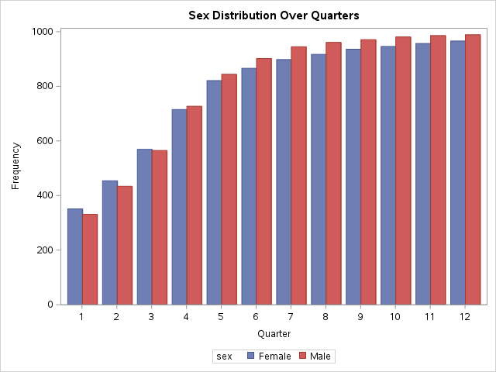
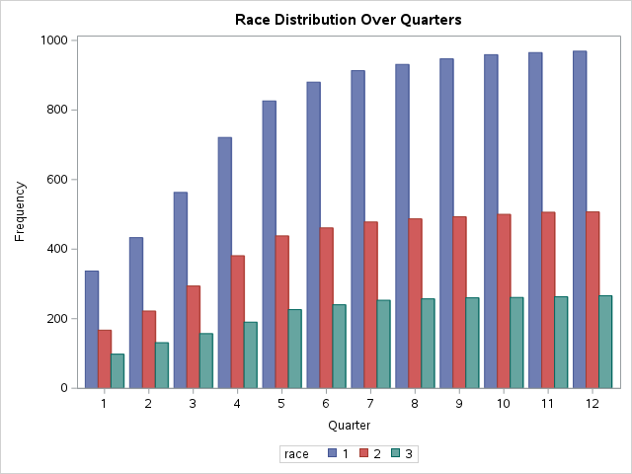

 |  | I also run the following codes to check if the any of the employees reported different sex or race throughout their records.
 |  |  | TITLE "sex & race over quarter by employee_id"; PROC SQL; CREATE TABLE sex_changes AS SELECT employee_id, COUNT(DISTINCT sex) AS distinct_sex_count FROM acumen GROUP BY employee_id HAVING COUNT(DISTINCT sex) > 1; CREATE TABLE race_changes AS SELECT employee_id, COUNT(DISTINCT race) AS distinct_race_count FROM acumen GROUP BY employee_id HAVING COUNT(DISTINCT race) > 1; QUIT;
 |  | The codes returned table of 0 observations, indicating employees reported the same sex or race throughout their records.
 | Age
 |  | To understand the distribution of age in Company A across different time points, I plotted the histogram of age at each quarter, then concluded it for all 12 quarters using boxplot.
 |  | All histograms are unimodal and right-skewed. I only attached the summary boxplot for this exercise.
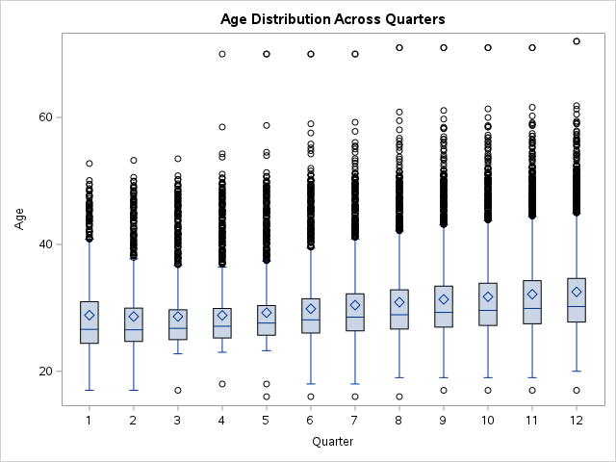

 | Interpretations
 | Sex | The first graph, "Sex Distribution Over Quarters," shows a comparison of male and female across 12 quarters.
 |  | The bars represent the frequency of each category per quarter.
 |  | The distribution of sex across is relatively balanced across time. Overall frequency increases as quarter increases.
 | Race | The second graph, "Race Distribution Over Quarters," depicts the frequency of three different racial categories across 12 quarters.
 |  | The blue, red, and green bars represent different races.
 |  | Race 1 has the highest frequency in all quarters, followed by Race 2, with Race 3 having the lowest frequency.
 |  | There is a consistent pattern across the quarters. Frequency increases as quarter increases, with Race 1 increases at a steeper slope than Race 2 and 3.
 | Age | The third graph, "Age Distribution Across Quarters," is a box plot that shows the age distribution across the same 12 quarters.
 |  | The central line in each box represents the median age, the diamond shape represents the mean, and the length of the box indicates the interquartile range (IQR).
 |  | The whiskers extend to the furthest points that are not considered outliers, and the points outside of the whiskers represent outliers.
 |  | The distribution appears to be right-skewed, consistent across quarters, with slight increase of extreme values for age as quarter increases.
 |  | This trend points to potential influences of older ages on the health_score outcome. There may be a need to assess for association between age and health_score outcome across quarter.

Question 2
 | Question 2

 | Evaluating the Claim
 | a) Which characteristics are associated with the health score?
 | Use tables and charts (suggestion: scatter plots for continuous variables) to determine which characteristics are associated with the health score.

 | My answer to the question: hospital visit each quarter and age are associated with health score.

 | **Note**: Records with Health Score = 10 are excluded from all analyses and plotting in this question.

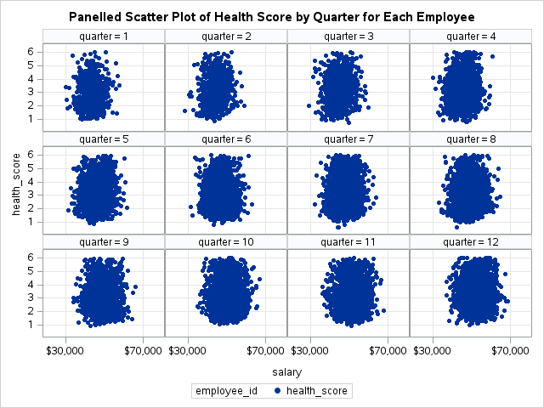
Salary
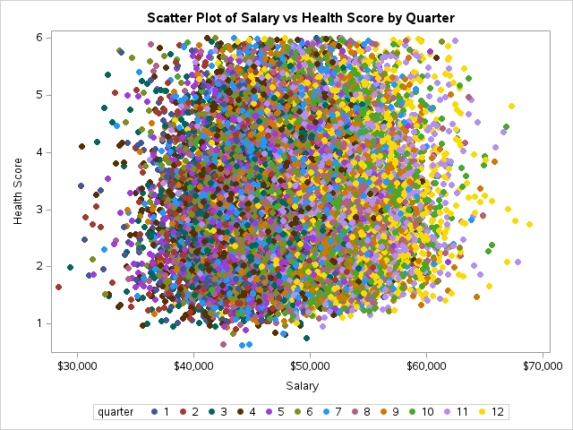

 | The left scatter plot depicts the distribution of salary against health_score, colored by quarter. By looking at this scatter plot, I am unable to identify any trends.
 | The right scatter plots show distribution of salary against health_score grouped by employee_id, and paneled by quarter.
 | By looking at the plot to the right, I am also unable to identify any apparent trends.
 | This suggests that Salary may not be associated with Health Score.

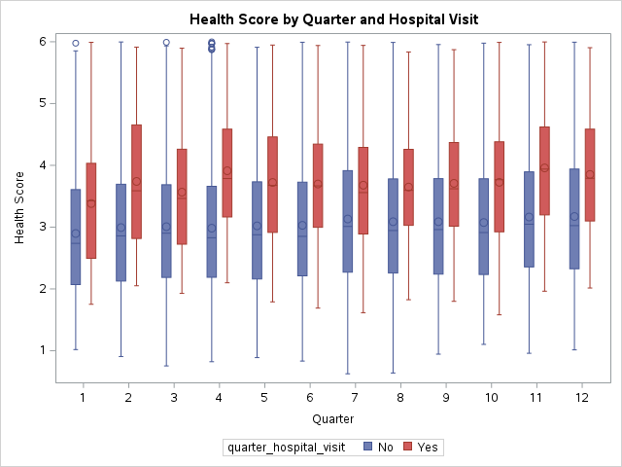
Hospital Visits

 |  |  |  | This boxplot shows the distribution of health_score by quarter, grouped by the presence of hospital visit at each quarter.

 |  |  |  | There is a distinguishable difference in health_score between employees who visited to hospital and employees who did not.

 |  |  |  | Employees who visited to hospital have higher health score than employes who did not, consistent across all quarters.

 |  |  |  | Comparing between quarters, however, the distribution of health_score is relatively stable for both employees who visited hospital and employees who did not.

 |  |  |  | This suggests that Hospital Visit is associated with Health Score, consistent across time.

Demographic Variables
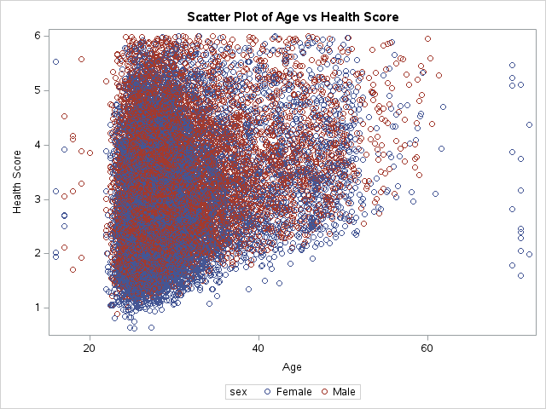

 |  |  |  | This scatter plot depicts the relationship between age and health score, grouped by sex.
 |  |  |  | There is a positive monotonic relationship between age and health score.
 |  |  |  | The distribution of health scores appears to be relatively uniform across different ages.
 |  |  |  | Both sexes are represented across the age spectrum and the range of health scores.
 |  |  |  | There is a dense concentration of data points in the middle age range (20 to 40) with health scores spreaded between 1 and 6.
 |  |  |  | There are individuals with very high or very low scores relative to the rest of the population across all age groups.

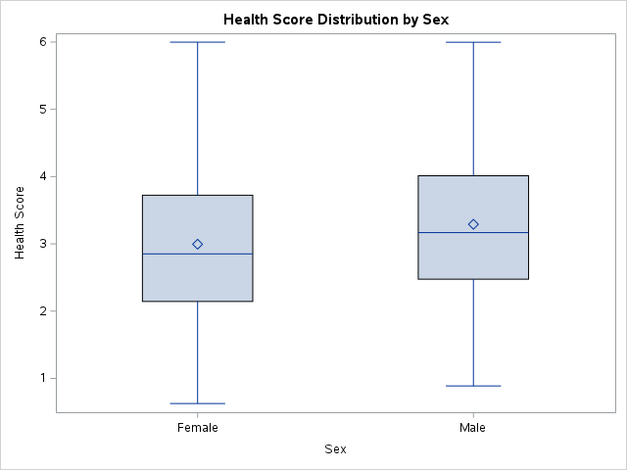

 | This box plot depicts the relationship between sex and health score.
 | The distribution of health scores for both sexes are relatively the same.
 | The median health score for both groups is around 3, with the median for females slightly higher than for males.
 | The range of health scores for females appears to be slightly more spread out than for males, although the difference does not seen apparant.
 | There are no outliers identified, noting that health score = 10 are excluded from the analysis and the plotting.

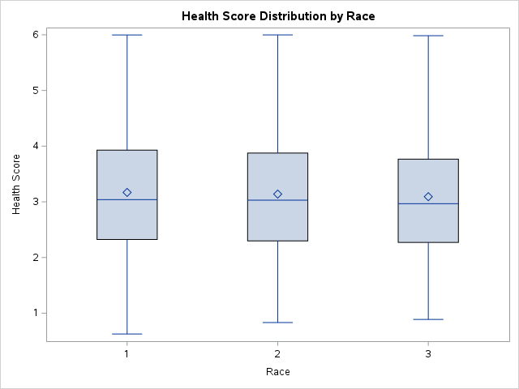
 |  |  |  | This box plot depicts the relationship between race and health score.
 |  |  |  | The distribution of health scores for all races are relatively the same.
 |  |  |  | The median health score is around 3 for all three race categories.
 |  |  |  | The spread of health scores is similar across the three race groups, suggesting comparable variability in health scores within each race group.
 |  |  |  | Race 1 having a slightly wider range, suggesting slightly more variation in health scores for that group.

 | Overall, none of the demographic variables appear to be associated with Health Score. Additionally, demographic variables are also not part of the Health Score calculation.

 | This indicates that demographic variables are not confounding the association between salary and health score, nor between hospital visit and health score.

SAS CODES |  | Demographics |  | Salary & Hospital Visit
 | PROC SGPLOT DATA=acumen; SCATTER x=age y=health_score / GROUP=sex; XAXIS LABEL='Age'; YAXIS LABEL='Health Score'; TITLE 'Scatter Plot of Age vs Health Score'; FORMAT sex SexF.; WHERE health_score NE 10; RUN; PROC SGPLOT DATA=acumen; VBOX health_score / CATEGORY=sex; XAXIS LABEL='Sex'; YAXIS LABEL='Health Score'; TITLE 'Health Score Distribution by Sex'; FORMAT sex SexF.; WHERE health_score NE 10; RUN; PROC SGPLOT DATA=acumen; VBOX health_score / CATEGORY=race; XAXIS LABEL='Race'; YAXIS LABEL='Health Score'; TITLE 'Health Score Distribution by Race'; WHERE health_score NE 10; RUN; |  | PROC SORT DATA=acumen; BY employee_id; RUN; PROC SGPLOT DATA=acumen; SCATTER X=salary Y=health_score / GROUP=quarter MARKERATTRS=(SYMBOL=CIRCLEFILLED); XAXIS LABEL='Salary'; YAXIS LABEL='Health Score'; TITLE 'Scatter Plot of Salary vs Health Score by Quarter'; WHERE health_score NE 10; RUN; PROC SGPANEL DATA=acumen; PANELBY quarter / COLUMNS=4 ONEPANEL; SCATTER X=salary Y=health_score / MARKERATTRS=(SYMBOL=CIRCLEFILLED); ROWAXIS GRID; COLAXIS GRID; TITLE 'Panelled Scatter Plot of Health Score by Quarter'; WHERE health_score NE 10; RUN; PROC SGPLOT DATA=acumen; VBOX health_score / CATEGORY=quarter GROUP=quarter_hospital_visit; XAXIS LABEL='Quarter'; YAXIS LABEL='Health Score'; TITLE 'Health Score by Quarter and Hospital Visit'; WHERE health_score NE 10; FORMAT quarter_hospital_visit HospitalF.; RUN;

