Sheet1
Monte Carlo Simulation of a Stock
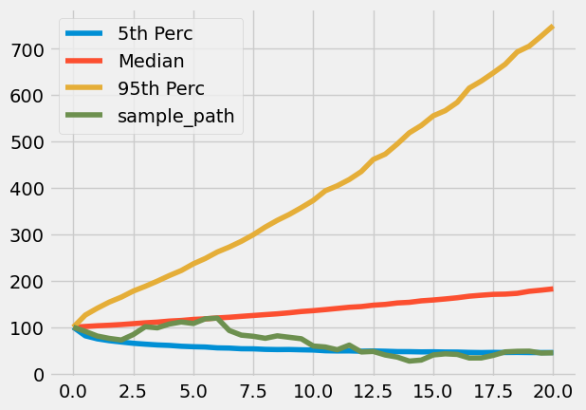
 | Number of Simulations: | 10,000
 | Time Horizon (Years): | 20
 | Number of Time Steps: | 40
 | Expected Simple Return: | 5.00%
 | Standard Deviation of Log Returns: | 19.00%
 | Starting Price: | 100

