Sheet1
Monte Carlo Simulation of a Stock
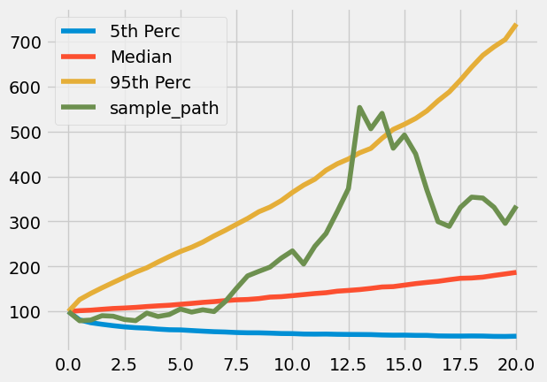
 | Number of Simulations: | 10,000 | Read inputs | 100
 | Time Horizon (Years): | 20 | Helpers | 0.5
 | Number of Time Steps: | 40 | Set initial values | 0
 | Expected Simple Return: | 5.00% | Simulation at each step | 0
 | Standard Deviation of Log Returns: | 19.00% | Percentiles
 | Starting Price: | 100 | Build DataFrame | 0
 |  |  | Plot

