COVER
Technical Document

 |  | PROJECT | : | 10kw 집진기

 |  | CUSTOMER | :

 |  | DOC. Name | : | 10kw 집진기 Interface List

10kw 집진기Interface List

E | FOR CONSTRUCTION |  |  |  | J.H.KIM |  |  | 2019.05.22
D | FOR CONSTRUCTION |  |  |  | J.H.KIM |  |  | 2019.02.11
C | FOR CONSTRUCTION |  |  |  | J.H.KIM |  |  | 2018.09.12
B | FOR CONSTRUCTION |  |  |  | J.H.KIM |  |  | 2018.02.19
A | FOR CONSTRUCTION |  |  |  | J.H.KIM |  |  | 2018.01.08
REV NO | DESCRIPTION |  |  |  | PREPARED | REVIEWED | APPROVED | DATE

인터페이스 회로
Technical Document

 | PROJECT | 10kw 집진기

 | CUSTOMER

 | DOC. Name | 10kw 집진기 Interface List

-. 인터페이스 회로
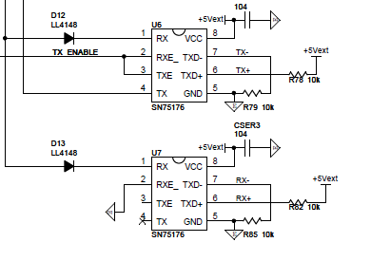

 | ○ 신호의 설명
 | TX+ | RS485의 송수신(+)신호 또는 RS422의 송신(+)신호
 | TX- | RS485의 송수신(-)신호 또는 RS422의 송신(-)신호
 | RX+ | RS422의 수신(+)신호
 | RX- | RS422의 수신(-)신호
 | 공통설명 | 38400bps, 8bit, no parity, 1stop
 | *. RS485/RS422 2개의 기능 중 1개의 기능만 선택 가능하다. 즉 2개의 채널을 동시에 열 수 없습니다.

-. 커넥터 연결

