Full 1
Tasks
Number | Description | Fatima | Eloi | Ange | Víctor | Ximena | Zhongkai
7 | Initial working plan | x | x
8 | Metadata file |  |  | x | x
11 | Motivation of the work |  |  |  |  | x | x
13 | Formal description of Data structure and metadata | x | x
14 | List and justify all decisions taken for each preprocessing step |  |  | x | x
15 | Basic initial univariate descriptive statistics |  |  |  |  | x | x
16 | Half page describing the dataset according to the main conclusions of the univariate and bivariate statistics
17 | PCA analysis for numerical variables | x | x
18 | ACM analysis of multiple qualitative variables |  |  | x | x
19 | Multiple Factorial Analysis by combining all numerical and qualitative variables together |  |  |  |  | x | x
20 | Association rules mining analysis: | x | x
22 | Hierarchical Clustering on original data |  |  | x | x
23 | Profiling of clusters |  |  |  |  | x | x
24 | Decisions tree | x | x
25 | Discriminant analysis |  |  | x | x
26 | Discussion and conclusions |  |  |  |  | x | x
27 | Planned Gantt and task distribution grid | x | x

 |  |  | Tasks for the fisrt develivery of D3
 |  | 1 | Preprocessing
 |  |  | 2022-01-01 | Data preparation
 | INDEX |  | 2022-02-01 | Data cleaning
 |  | 2 | Basic initial univariate descriptive statistics of preprocessed variables
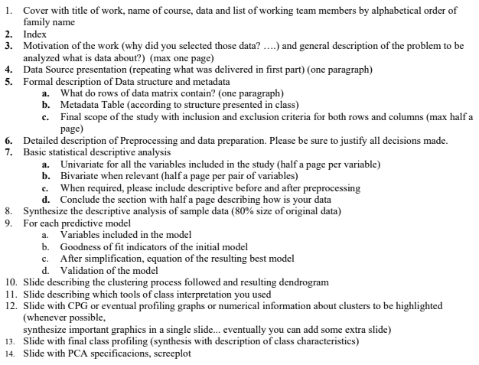
 |  |  | 2022-01-02 | R scripts modification
 |  |  | 2022-02-02 | Raw and preprocessed variable distribution comparation
 |  | 3 | Dataset description according to the main conclusions of the univariate and bivariate statistics
 |  | 4 | PCA analysis for numerical variables
 |  |  | 2022-01-04 | Scree plot. Specify how many principal components are selected
 |  |  | 2022-02-04 | Factorial map visualization
 |  |  |  | 4.2.1 | Individuals projections
 |  |  |  | 4.2.2 | Common projection of numerical variables and modalities of qualitative variable
 |  |  |  | 4.2.3 | Interpretation of relationships among variables observed.
 |  |  |  | 4.2.4 | Conclusions
 |  | 5 | ACM analysis of multiple qualitative variables
 |  | 6 | Multiple Factorial Analysis
 |  | 7 | Association rules mining analysis
 |  |  | 2022-01-07 | Identification of the frequent itemsets and the extraction association rules from the dataset(ECLAT and Apriori)
 |  |  | 2022-02-07 | Results explaination
 |  |  | 2022-03-07 | Top 20 rules explaination(sorted by decreasing confidence)
 |  | 8 | Report writing
 |  |  | 2022-01-08 | Cover with title of work, name of course, data and list of working teams members
 |  |  | 2022-02-08 | Index
 |  |  | 2022-03-08 | Motivation of the work and general description of the problem to be analyzed (max one page)
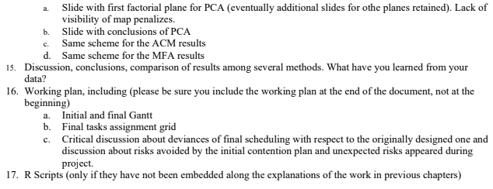
 |  |  | 2022-04-08 | Data Source presentation
 |  |  | 2022-05-08 | Description of Data Structure and metadata
 |  |  | 2022-06-08 | List and justify all decisions taken for each preprocessing step

 |  | 10 | Tasck created to resolve unforeseen incidents

 |  |  | Tasks for the segon part of delivery D3
 |  | 11 | Hierarchical Clustering on original data
 |  |  | 2022-01-11 | Write a precise description of the data used
 |  |  | 2022-02-11 | Explain clutering method used
 |  |  | 2022-03-11 | Create the resulting Dendrogram
 |  |  | 2022-04-11 | Discuss about how to get the final number of clusters
 |  |  | 2022-05-11 | Create a table with a description of the clusters size
 |  | 12 | Profiling of clusters
 |  |  | 2022-01-12 | Analysis of conditional distributions of variable to clusters
 |  |  | 2022-02-12 | Eventual statistical tests to assess significant variables
 |  |  | 2022-03-12 | Comparation of clusters
 |  |  | 2022-04-12 | Creation of charts(Profiling graphs, CPGs, multiple boxplots, bivariate barplots, descriptive by groups, etc...)
 |  |  | 2022-05-12 | Add profiling tests to selected relevant variables
 |  |  | 2022-06-12 | Synthesize the result of the classes’ interpretation process
 |  | 13 | Decisions tree
 |  |  | 2022-01-13 | Determine input parameters to build the model, the response variable and all explanatory variables
 |  |  | 2022-02-13 | Make the tree plot results
 |  |  | 2022-03-13 | Tree plot results explaination
 |  |  | 2022-04-13 | Model validation using differents criterias
 |  |  | 2022-05-13 | Explain the predictive power of the resulting model
 |  |  | 2022-06-13 | Write a conclusions with this method and compare the method among them
 |  | 14 | Discriminant analysis
 |  | 15 | Discussion and conclusions
 |  | 16 | Report writing
 |  | 17 | Include planned Gantt and task distribution grid.
 |  | 18 | Prepare for the presentation
 |  | 19 | Tasck created to resolve unforeseen incidents

 |  |  | Tasks for D4
 |  | 20 | Discussion, conclusions, comparison of results among several methods. What have you learned from your data?
 |  | 21 | Update the initial Working plan
 |  | 22 | Write the final report
 |  | 23 | Prepare for the 15 min of presentation

