Front Page
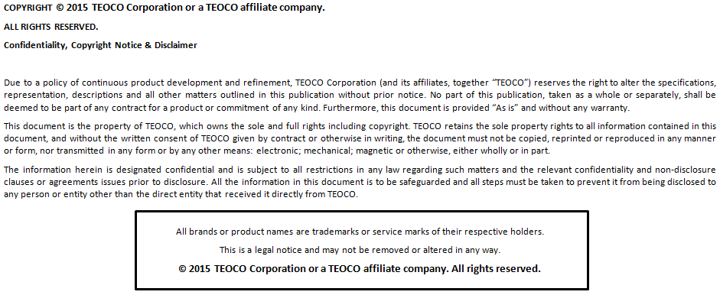
A | B | C | D | E | F | G
AFFIRMED_vMCC
Document Details
Document Type | Telecom Performance Library Specification
Project Name | USCC
Project Type | PREMIUM
Library Level | Standard / Custom
Created By
Document Version | 1.0
Design Reference
Vendor | AFFIRMED
Technology | LTE
Network Release | 1.0
Domain
Subdomain
Mediation | TEOCO Mediation
Schema Override | AFFIRMED_vMCC
Product Version | 9.1
Approved By [Teoco]
Signature [Teoco]
Date of Approval [Teoco]
Approved By [Customer]
Signature [Customer]
Date of Approval [Customer]
Customer | NONE
Revision History
Version | Date | Author | Change Description

