Front Page
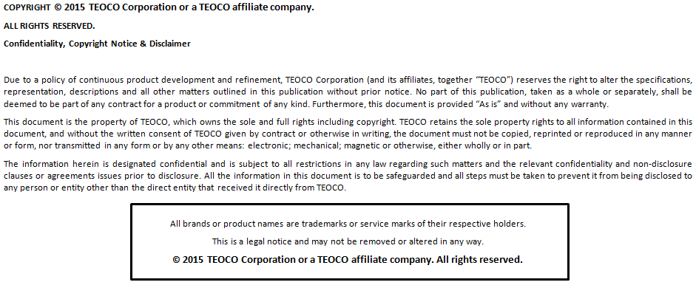
A | B | C | D | E | F | G

Document Details
Document Type | Interface Library Configuration
Project Name
Project Type | New / Update
Library Level | Standard / Custom
Created By
Document Version | 1.0
Design Reference
Vendor
Technology
Network Release | 1.0
Domain
Subdomain
Mediation | TEOCO Mediation
Schema Override
Product Version | 9.1
Approved By [Teoco]
Signature [Teoco]
Date of Approval [Teoco]
Approved By [Customer]
Signature [Customer]
Date of Approval [Customer]
Customer | NONE
Revision History
Version | Date | Author | Change Description

