Sheet1
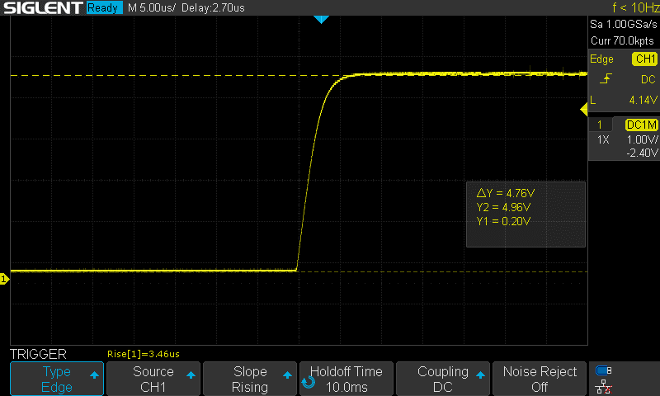
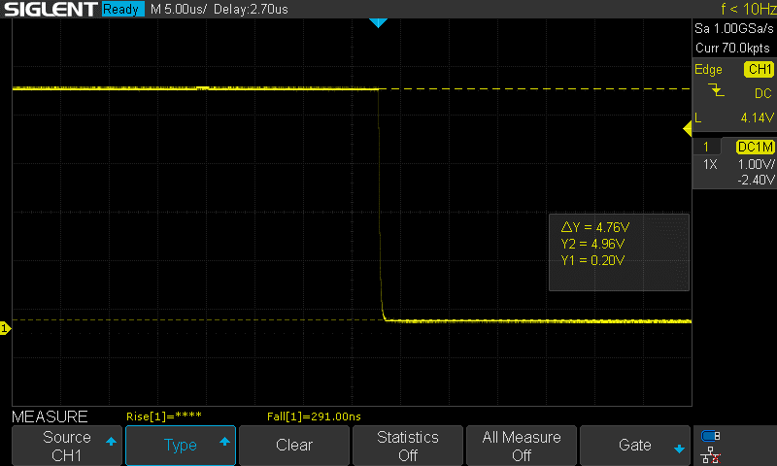
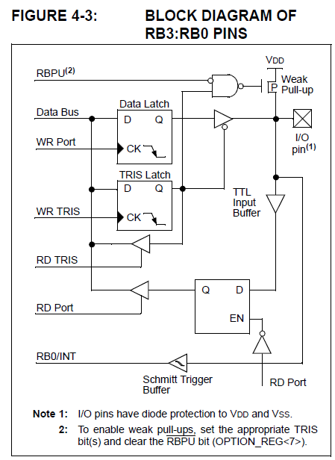
 |  | R_TEST | 1000.00 | Ohm
 |  | Vcc | 5.00 | V
 |  | I_T | 0.000210 | A
 |  | R_X | 22809.52381 | Ohm | Aproximate value of the weak pullup resistor

 |  | V_TEST | 0.21 | V
 |  | V_R_X | 4.79 | V

 |  | V_TEST |  |  |  | V_R_X
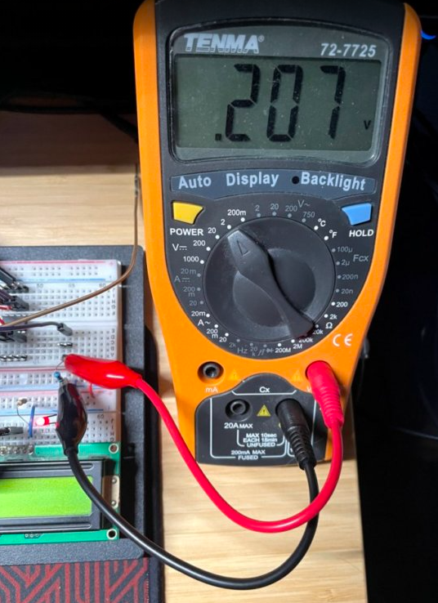
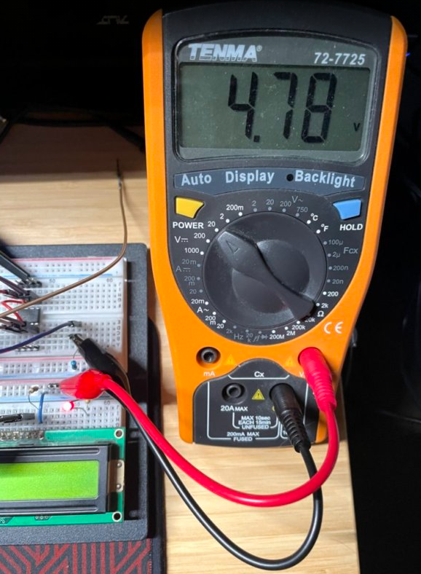

RB0

I_T

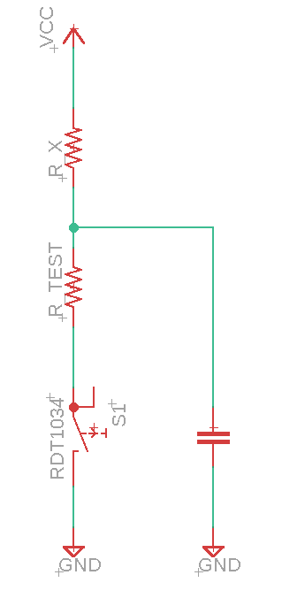

2.20E-11 | F
1000 | Ohm
2.20E-08 | s
RB0

