Bill of materials
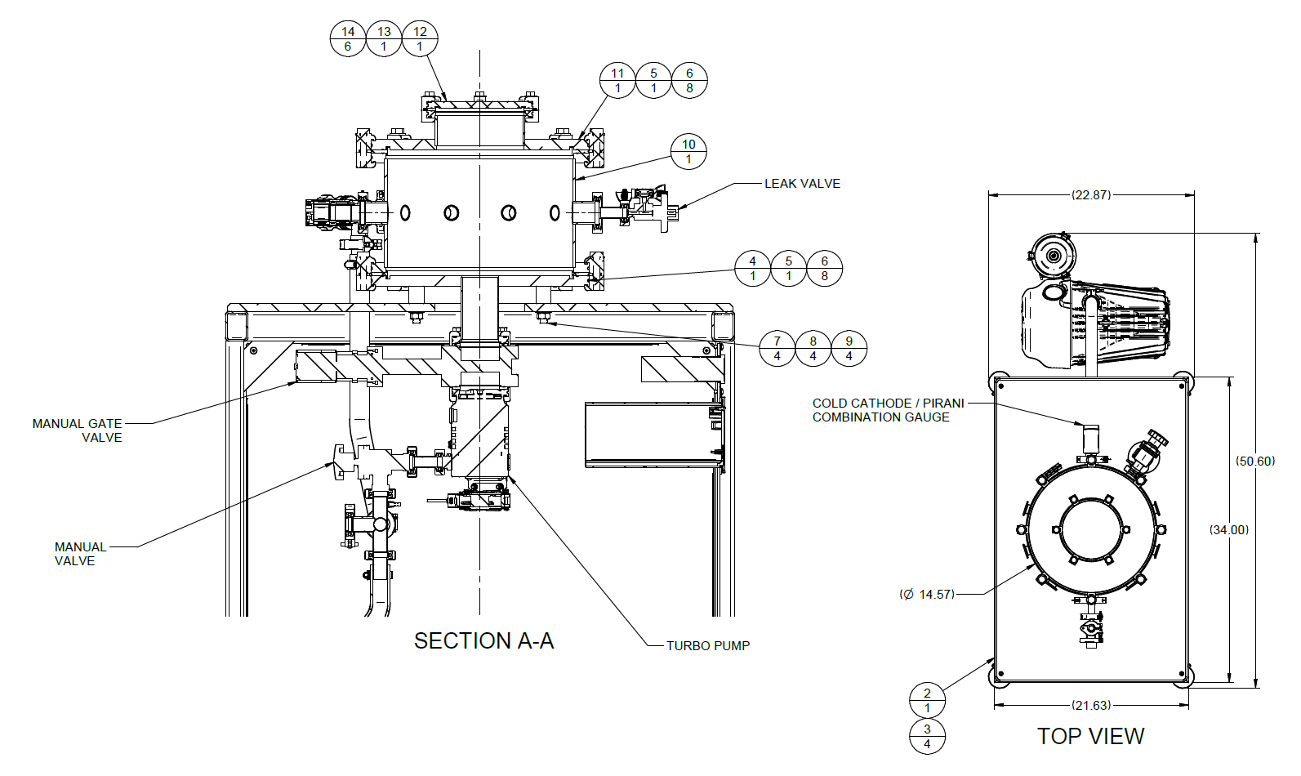
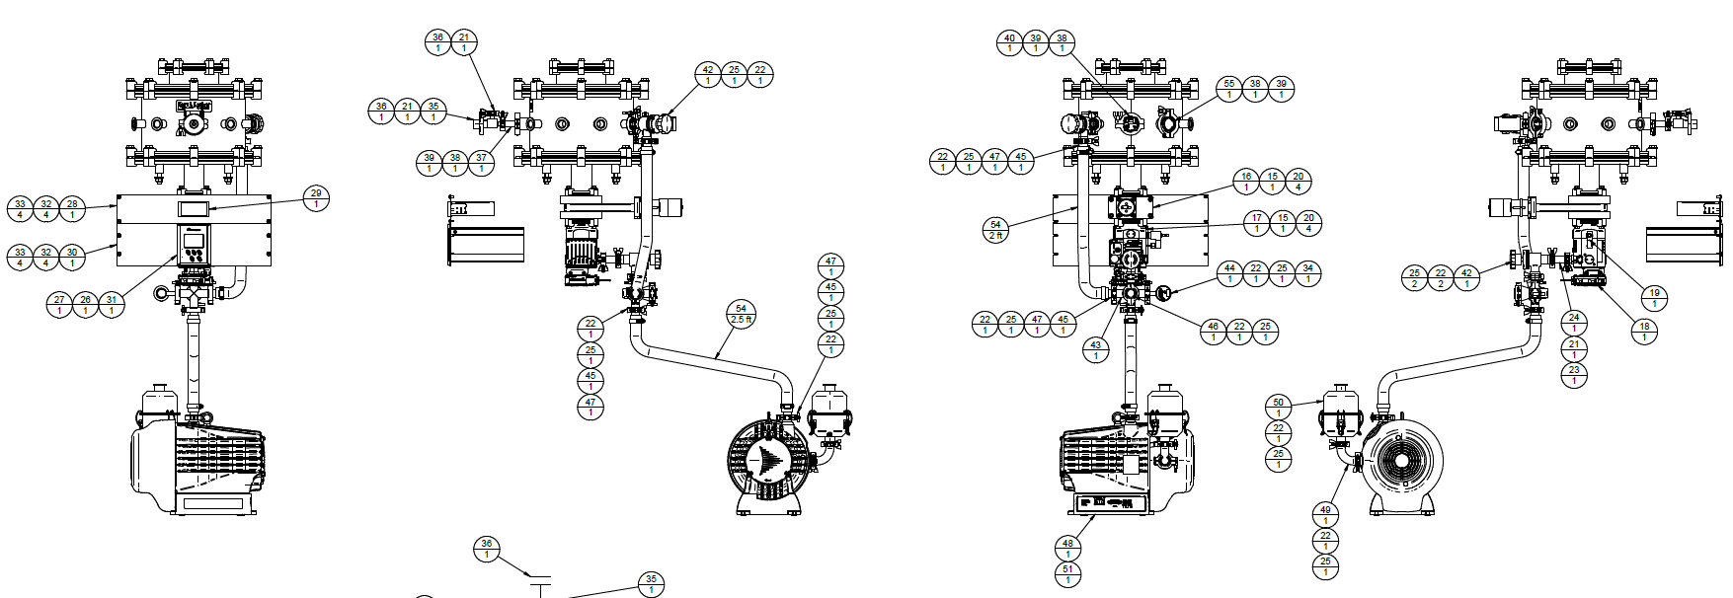
 | POSN | ITEM ID | DESCRIPTION | QTY
 | 1 | PTN1203980-01-1000 | BAY FRAME ASSEMBLY FOR CA-TRAIN-003 | 1
 | 2 | PTN1203980-01-01S001 | FRAME TOP PLATE FOR CA-TRAIN-003 | 1
 | 3 | HCHU2520-050S4 | SCREW,SOCKET HEAD CAP,SS 1/4-20 X 1/2" | 4
 | 4 | PRD187614-0600 | BOTTOM PLATE FOR CA-TRAIN PLATFORM | 1
 | 5 | QF320-AAVR | EUDF-SUPP CENTERING RING,QF320,AL INNER, AL OUTER,FKM O-RING | 2
 | 6 | QF-SDC-AL3 | EUDF-SUPP CLAMP, DOUBLE CLAW, ALUMINUM, FOR 320-500 ISO FLANGES | 16
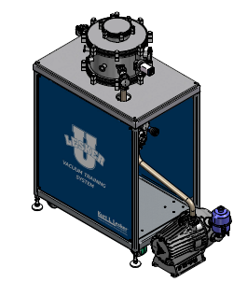
 | 7 | HCUU5013-250S4 | SOCKET SET SCREW,SS,1/2-13 X 2.5" | 4
 | 8 | WPNU050S4 | WASHER,FLAT,SS,1/2"SAE | 4
 | 9 | NHFU5013S4 | HEX NUT,1/2-13,18-8SS 3/4 WD-FLATS,7/16 HEIGHT | 4
 | 10 | PTN1203980-01-0500 | CHAMBER WELDMENT, 12.75" OD, QF320-SWK FLANGES, FOR | 1
 | 11 | A0394847 | REDUCER, ALUMINUM, ISO320K TO ISO160K, 2.261" OAL | 1
 | 12 | QF160-ABK | EUDF-SUPP FLANGE,ISO,AL,BLANK,QF160, K-STYLE | 1
 | 13 | QF160-AAVR | EUDF-SUPP CENTERING RING,QF160,AL INNER, AL OUTER,FKM O-RING | 1
 | 14 | QF-SDC-AL2 | EUDF-SUPP CLAMP, DOUBLE CLAW, ALUMINUM, FOR 160-250 ISO FLANGES | 6
 | 15 | QF63-AAVR | EUDF-SUPP CENTERING RING,QF63,AL INNER, AL OUTER,FKM O-RING | 2
 | 16 | GV0250MVIF | EUDF-SUPP GATE VALVE,SS,2.50",MANUAL, FKM BONNET,ISO 63-F | 1
 | 17 | B8G210B01 | Edwards Vacuum nEXT85D Turbomolecular Pump, ISO63-K inlet flange, 84 L/s, | 1
 | 18 | B8G200820 | FAN COOLING KIT WITH CONNECTOR FOR nEXT85D TURBO PUMP | 1
 | 19 | B58066010 | VENT VALVE FOR EDWARDS TURBOS, TAV5 | 1
 | 20 | QF-SSC-ALM | EUDF-SUPP CLAMP, SINGLE CLAW FOR QF63- 100, 4REQ, METRIC BOLT M8 | 8
 | 21 | QF16-075-C | EUDF-SUPP CLAMP,ALUMINUM,QF16,CAST 1/2" & 3/4" | 3
 | 22 | QF25-100-C | EUDF-SUPP CLAMP,ALUMINUM,QF25,CAST 1" | 17
 | 23 | QF16-075-ARV | EUDF-SUPP CENTERING RING,ALUM,QF16,BROWN FKM O-RING | 3
 | 24 | QF25XQF16 | EUDF-SUPP NIPPLE,FULL,REDUCING,SS,QF25 TO QF16 | 1
 | 25 | QF25-100-ARV | EUDF-SUPP CENTERING RING,ALUM,QF25,FKM | 17
 | 26 | D40013120 | CABLE,POWER,WITH PLUG,2M | 1
 | 27 | D39700834 | CABLE,TIC RS232 INTERFACE, 2 METER | 1
 | 28 | PTN1203980-01-01S008 | RACK MOUNT ADAPTER PANEL FOR MGC-3200, FOR CA-TRAIN-003 | 1
 | 29 | KJL-SPARC-3.0 | CONTROLLER, LESKER SPARC, UNIVERSAL POWER SUPPLY AND | 1
 | 30 | PTN1203980-01-01S002 | PANEL, RACK MOUNT, 3U, FOR TIC TURBO CONTROLLER, FOR
 | 31 | D39711000 | CONTROLLER, TIC TURBO,100W, 90-264VAC, 50-60HZ, RS232 | 1
 | 32 | WPNU010NY | WASHER,FLAT,NYLON,.225"ID, .469"OD,.048"THICK | 8
 | 33 | PHTU1032-050S4 | BOLTS,SS,TRUSS HEAD,PHILLIPS, 1O-32X1/2" | 8
 | 34 | KJLPS401A | POWER SUPPLY FOR 275I-300 CONVECTION GAUGE CONT. W/ US AC PLUG | 1
 | 35 | C37102000 | EUDF-SUPP VALVE,LV10K,FINE CONTROL | 1
 | 36 | QF16-075-AB | EUDF-SUPP FLANGE,BLANK, ALUMINUM,QF16 | 1
 | 37 | QF40XQF16 | EUDF-SUPP NIPPLE,FULL,REDUCING,SS,QF40 TO QF16 | 1
 | 38 | QF40-150-ARV | EUDF-SUPP CENTERING RING,ALUM,QF40,FKM | 3
 | 39 | QF40-150-C | EUDF-SUPP CLAMP,ALUMINUM,QF40,CAST 1-1/2" | 3
41 not in the drawings | 40 | CCPG-H2-2 | TRANSDUCER, KJLC CCPG COLD CATHODE PIRANI, HIGH CURRENT, QF40 | 1
Listing drawings' numbering as part of the item ID | 41 | 42 SA0100MVQF | EUDF-SUPP RT ANGLE VALVE, SS, QF25 FLG, MANUAL, 1" PORT, FKM | 2
 | 42 | 43 QF25-100-5X | EUDF-SUPP CROSS,5-WAY,SS,QF25,1"OD TUBE,"A"-1.97" | 1
 | 43 | 44 KJL275807 | TRANSDUCER, CONVECTION GAUGE W/ INTEGRATED CONTROLLER & | 1
 | 44 | 45 QF25-100-LFA | EUDF-SUPP FLANGE,LONG BUTT,ALUM,QF25 1"OD TUBE | 4
 | 45 | 46 QF25-100-AB | EUDF-SUPP FLANGE,BLANK,ALUM,QF25 | 1
 | 46 | 47 CLP125 | EUDF-SUPP CLAMP,HOSE,SS,WORM DRIVE, FITS T050,T063,PT100 | 4
 | 47 | 48 PDS10000 | Pfeiffer Vacuum HiScroll 6 Scroll Pump, KF25 Inlet Flange, 6.1 m^3/hr at 50Hz / | 1
 | 48 | 49 QF25-100-E90 | EUDF-SUPP ELBOW,90 DEG,SS,QF25 FLGS,1"OD TUBE,"A"-1.97" | 7
 | 49 | 50 PFEPSG925QF25 | PUMP FILTER,EXHAUST,QF25 PORTS,20 CFM CAP,SWING CLIP HOUSING | 1
 | 50 | 51 P4564309ZE | CABLE,110V,POWER CABLE FOR CONTROLLER | 1
52, 53 not there | 51 | 54 PT100 | TUBING, PVC, CLEAR REINFORCED, 1"ID,.160" WALL,PER FOOT, (100 FT | 5
 | 52 | 55 SKU0139856 QF40-150-AB | EUDF-SUPP FLANGE,BLANK,ALUM,QF40 | 1

