Tungku
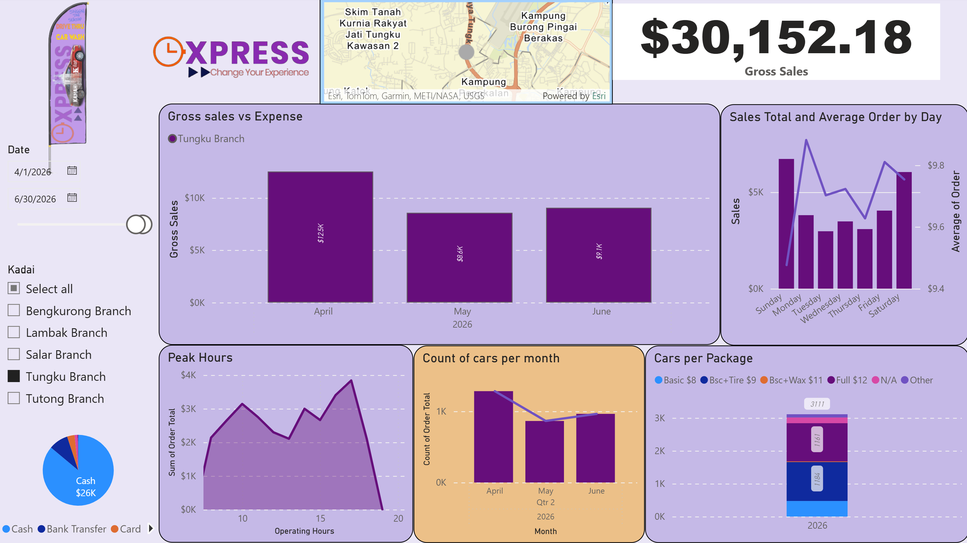
Kadai Tungku | Revenue Hust Brew |  |  |  | 202.3 | 124.4 | 107.6
 |  | Jan | Feb | Mar | Apr | May | Jun | Jul | Aug | Sep | Oct | Nov | Dec | YTD
 | Revenue | $8,175.10 | $9,010.34 | $17,390.89 | $12,726.85 | $9,180.82 | $9,164.02 | $- | $- | $- | $- | $- | $- | $65,648.02
Cost of Services | Water Bill | $150.00 | $100.00 | $200.00 | $200.00 | $200.00 | $200.00 | $- | $- | $- | $- | $- | $- | $1,050.00
 | Electricity Bill | $200.00 | $- | $120.00 | $170.00 | $100.00 | $150.00 | $- | $- | $- | $- | $- | $- | $740.00
 | Car Wash Shampoo & Tyre Shine + Car Wax | $475.00 | $239.20 | $592.60 | $506.00 | $399.20 | $344.00 | $- | $- | $- | $- | $- | $- | $2,556.00
 | Staff Wages | $2,453.60 | $2,530.55 | $2,604.75 | $2,936.20 | $3,496.34 | $3,623.27 | $- | $- | $- | $- | $- | $- | $17,644.71
 | Part-timer Wages | $863.00 | $673.00 | $1,094.00 | $1,253.00 | $595.00 | $385.00 | $- | $- | $- | $- | $- | $- | $4,863.00
 | Bonus | $25.00 | $25.00 | $1,472.00 | $- | $- | $- | $- | $- | $- | $- | $- | $-
 | Miscellaneous | $- | $35.00 | $80.00 | $465.04 | $- | $626.50 | $- | $- | $- | $- | $- | $-
 | Maintenance & Repair | $- | $- | $130.00 | $479.40 | $- | $- | $- | $- | $- | $- | $- | $-
 | Total COS | $4,166.60 | $3,602.75 | $6,293.35 | $6,009.64 | $4,790.54 | $5,328.77 | $- | $- | $- | $- | $- | $- | $30,191.65
 | Gross Profit | $4,008.50 | $5,407.59 | $11,097.54 | $6,717.21 | $4,390.28 | $3,835.25 | $- | $- | $- | $- | $- | $- | $35,456.37
Operating Expense | Total Units Rental | $3,300.00 | $3,300.00 | $3,300.00 | $3,300.00 | $3,300.00 | $3,300.00 | $- | $- | $- | $- | $- | $- | $19,800.00
 | Point-of-Sale System | $30.00 | $30.00 | $30.00 | $30.00 | $30.00 | $- | $- | $- | $- | $- | $- | $- | $150.00
 | Wifi Internet | $- | $38.00 | $86.00 | $33.00 | $63.00 | $78.00 | $- | $- | $- | $- | $- | $- | $298.00
 | SPK | $172.77 | $172.77 | $230.36 | $230.36 | $287.95 | $287.95 | $- | $- | $- | $- | $- | $- | $1,382.16
 | Connecteam (Employmee Management App) | $55.00 | $55.00 | $55.00 | $55.61 | $54.37 | $56.41 | $- | $- | $- | $- | $- | $- | $331.39
 | Barang Harian Serbaguna | $5.90 | $11.20 | $20.00 | $58.80 | $14.00 | $12.00 | $- | $- | $- | $- | $- | $- | $121.90
 | Foods & Drink | $- | $98.00 | $101.37 | $- | $- | $- | $- | $- | $- | $- | $- | $- | $199.37
 | Management Fee | $250.00 | $250.00 | $250.00 | $250.00 | $250.00 | $250.00 | $- | $- | $- | $- | $- | $- | $1,500.00
 | Total OPEX | $3,813.67 | $3,954.97 | $4,072.73 | $3,957.77 | $3,999.32 | $3,984.36 | $- | $- | $- | $- | $- | $- | $23,782.82
 | Total Expeses | $7,980.27 | $7,557.72 | $10,366.08 | $9,967.41 | $8,789.86 | $9,313.13 | $- | $- | $- | $- | $- | $- | $53,974.47
 | EBITDA (Earning Before interest, tax, depreciation, amortisation | $194.83 | $1,452.62 | $7,024.81 | $2,759.44 | $390.96 | $(149.11) | $- | $- | $- | $- | $- | $- | $11,673.55
 | Asset Depreciation | $141.67 | $141.67 | $141.67 | $141.67 | $141.67 | $141.67 |  |  |  |  |  |  | $850.02
 | NET PROFIT | $53.16 | $1,310.95 | $6,883.14 | $2,617.77 | $249.29 | $(290.78) | $- | $- | $- | $- | $- | $- | $10,823.53

 | Net Profit Margin | 0.65% | 14.55% | 39.58% | 20.57% | 2.72% | -3.17% | #DIV/0! | #DIV/0! | #DIV/0! | #DIV/0! | #DIV/0! | #DIV/0! | 16.49%
 | remarks | Hujan labat, 3/4 of the month, active weather and flood | Hujan labat, 3/4 of the month, active weather and flood | Surge of Revenue from a combination of Very Good weather and Festive Hari Raya Season | Good weather, however Tungku is rejuvenated with new installed window wash bay | hujan half of the month | hujan half of the month

Salar
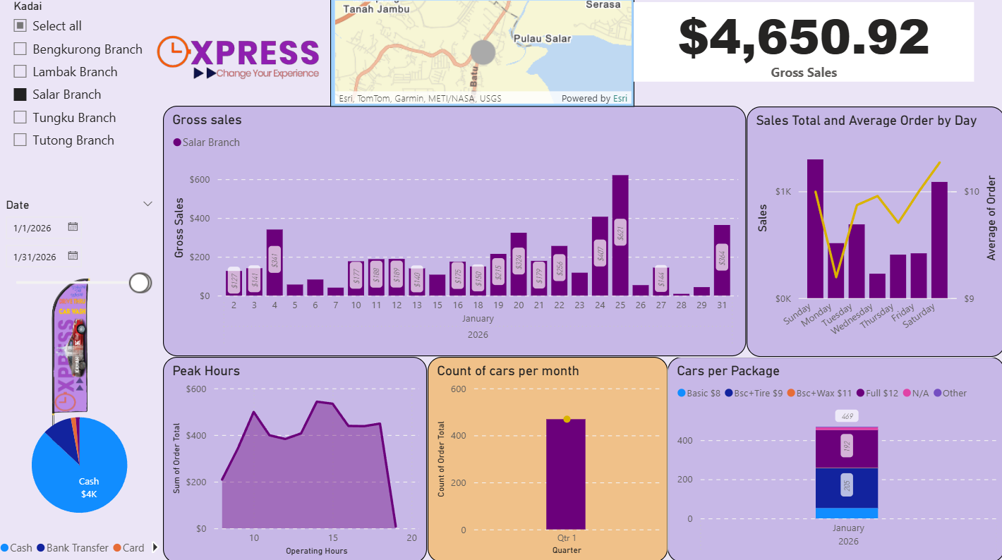
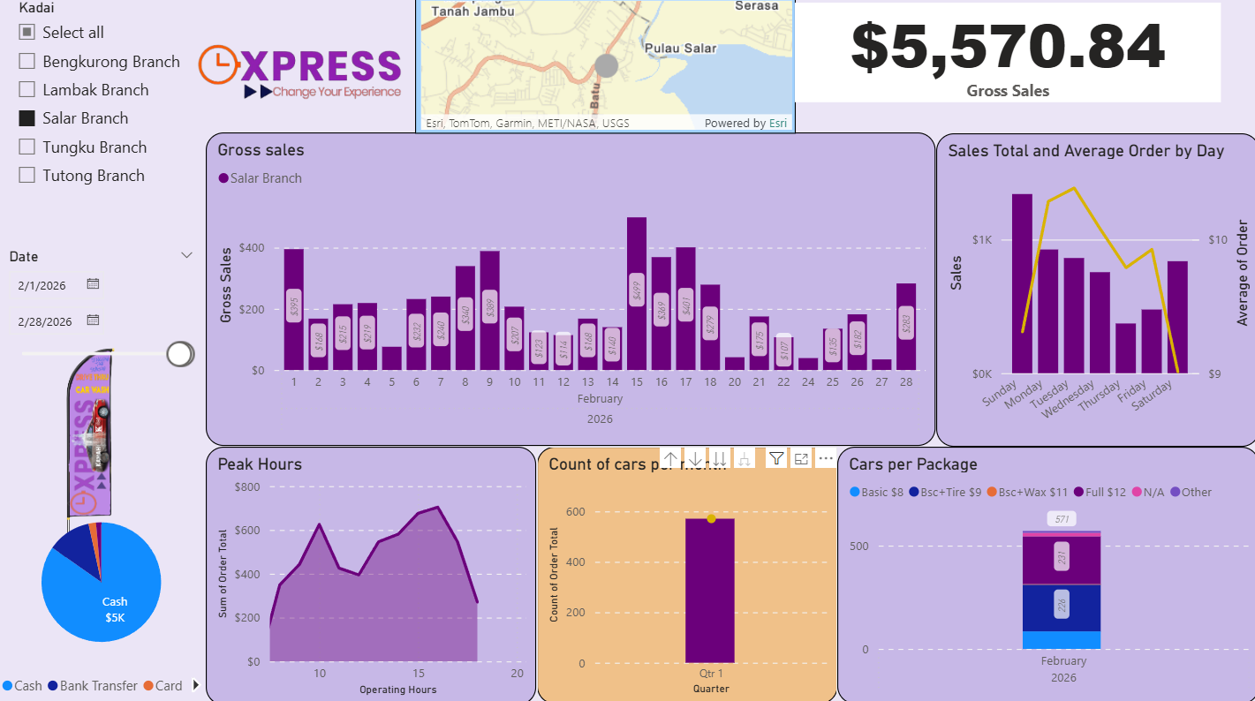
Kadai Salar
 |  | Jan | Feb | Mar | Apr | May | Jun | Jul | Aug | Sep | Oct | Nov | Dec | YTD
 | Revenue | $4,650.92 | $5,570.84 | $10,266.02 | $6,067.29 | $4,179.24 | $4,777.95 | $- | $- | $- | $- | $- | $- | $35,512.26
Cost of Services | Water Bill | $150.00 | $100.00 | $- | $100.00 | $100.00 | $100.00 | $- | $- | $- | $- | $- | $- | $550.00
 | Electricity Bill | $100.00 | $80.00 | $80.00 | $80.00 | $100.00 | $50.00 | $- | $- | $- | $- | $- | $- | $490.00
 | Car Wash Shampoo & Tyre Shine + Car Wax | $407.00 | $149.50 | $606.30 | $405.90 | $245.40 | $304.00 | $- | $- | $- | $- | $- | $- | $2,118.10
 | Staff Wages | $833.93 | $221.12 | $345.19 | $1,060.13 | $1,085.22 | $1,621.43 | $- | $- | $- | $- | $- | $- | $5,167.02
 | Part-timer Wages | $1,041.00 | $1,487.00 | $1,652.00 | $1,223.00 | $1,215.00 | $511.00 | $- | $- | $- | $- | $- | $- | $7,129.00
 | Bonus | $20.00 | $- | $930.00 | $5.00 | $- | $- | $- | $- | $- | $- | $- | $-
 | Miscellaneous | $- | $89.00 | $13.00 | $4.00 | $10.48 | $- | $- | $- | $- | $- | $- | $-
 | Maintenance & Repair | $- | $694.40 | $160.00 | $- | $- | $- | $- | $- | $- | $- | $- | $-
 | Total COS | $2,551.93 | $2,821.02 | $3,786.49 | $2,878.03 | $2,756.10 | $2,586.43 | $- | $- | $- | $- | $- | $- | $17,380.00
 | Gross Profit | $2,098.99 | $2,749.82 | $6,479.53 | $3,189.26 | $1,423.14 | $2,191.52 | $- | $- | $- | $- | $- | $- | $18,132.26
Operating Expense | Total Units Rental | $2,200.00 | $2,200.00 | $2,200.00 | $2,200.00 | $2,200.00 | $2,200.00 | $- | $- | $- | $- | $- | $- | $13,200.00
 | Point-of-Sale System | $30.00 | $30.00 | $30.00 | $30.00 | $30.00 | $- | $- | $- | $- | $- | $- | $- | $150.00
 | Wifi Internet | $- | $38.00 | $86.00 | $33.00 | $38.00 | $43.00 | $- | $- | $- | $- | $- | $- | $238.00
 | SPK | $57.59 | $57.59 | $57.59 | $115.18 | $115.18 | $115.18 | $- | $- | $- | $- | $- | $- | $518.31
 | Connecteam (Employmee Management App) | $55.00 | $55.00 | $55.00 | $55.61 | $54.37 | $56.41 | $- | $- | $- | $- | $- | $- | $331.39
 | Barang Harian Serbaguna | $- | $8.99 | $33.00 | $11.99 | $16.70 | $34.30 | $- | $- | $- | $- | $- | $- | $104.98
 | Foods & Drink | $- | $- | $96.68 | $- | $- | $- | $- | $- | $- | $- | $- | $- | $96.68
 | Management Fee | $250.00 | $250.00 | $250.00 | $250.00 | $250.00 | $250.00 | $- | $- | $- | $- | $- | $- | $1,500.00
 | Total OPEX | $2,592.59 | $2,639.58 | $2,808.27 | $2,695.78 | $2,704.25 | $2,698.89 | $- | $- | $- | $- | $- | $- | $16,139.36
 | Total Expeses | $5,144.52 | $5,460.60 | $6,594.76 | $5,573.81 | $5,460.35 | $5,285.32 | $- | $- | $- | $- | $- | $- | $33,519.36
 | EBITDA (Earning Before interest, tax, depreciation, amortisation | $(493.60) | $110.24 | $3,671.26 | $493.48 | $(1,281.11) | $(507.37) | $- | $- | $- | $- | $- | $- | $1,992.90
 | Asset Depreciation | $141.67 | $141.67 | $141.67 | $141.67 | $141.67 | $141.67 |  |  |  |  |  |  | $850.02
 | NET PROFIT | $(635.27) | $(31.43) | $3,529.59 | $351.81 | $(1,422.78) | $(649.04) | $- | $- | $- | $- | $- | $- | $1,142.88

 | Net Profit Margin | -13.66% | -0.56% | 34.38% | 5.80% | -34.04% | -13.58% | #DIV/0! | #DIV/0! | #DIV/0! | #DIV/0! | #DIV/0! | #DIV/0! | 3.22%
 | remarks | Hujan labat, 3/4 of the month, active weather and flood | Hujan labat, 3/4 of the month, active weather and flood | Surge of Revenue from a combination of Very Good weather and Festive Hari Raya Season

Tutong
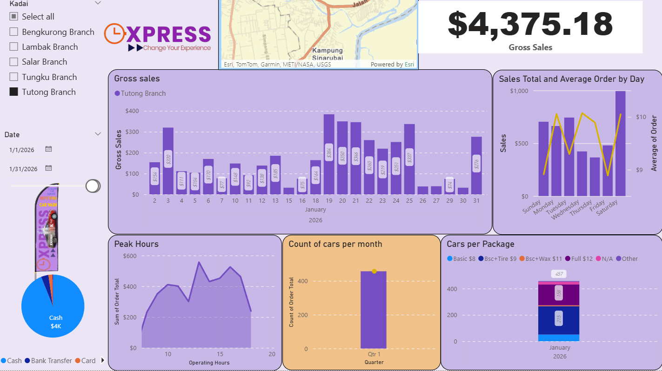
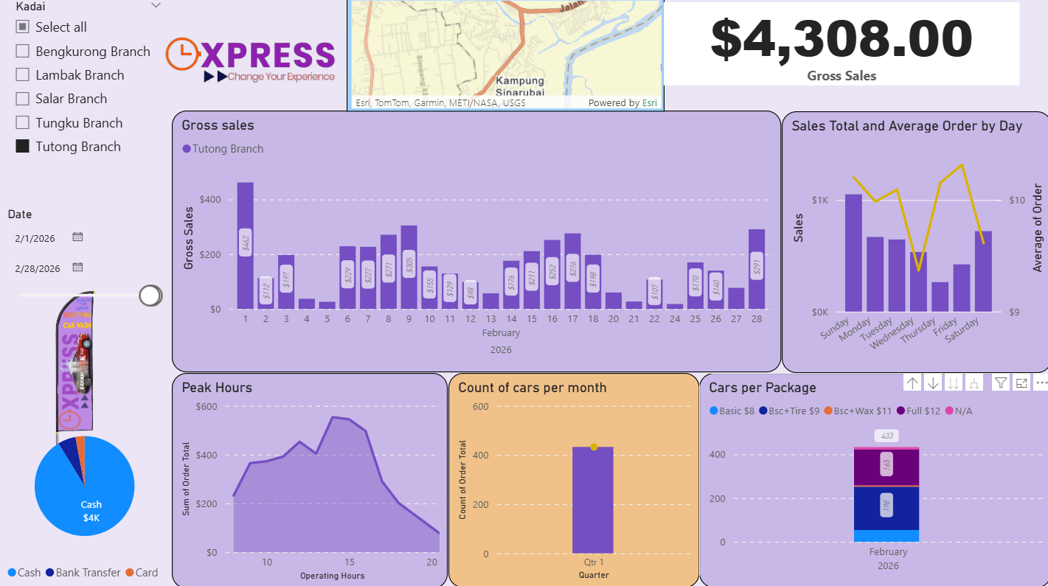
Kadai Tutong
 |  | Jan | Feb | Mar | Apr | May | Jun | Jul | Aug | Sep | Oct | Nov | Dec | YTD
 | Revenue | $4,375.18 | $4,308.00 | $10,011.52 | $5,768.44 | $3,492.50 | $3,915.80 | $- | $- | $- | $- | $- | $- | $31,871.44
Cost of Services | Water Bill | $90.00 | $30.00 | $80.00 | $100.00 | $100.00 | $- | $- | $- | $- | $- | $- | $- | $400.00
 | Electricity Bill | $100.00 | $50.00 | $90.00 | $80.00 | $100.00 | $100.00 | $- | $- | $- | $- | $- | $- | $520.00
 | Car Wash Shampoo & Tyre Shine + Car Wax | $108.00 | $179.40 | $536.00 | $400.00 | $383.40 | $244.20 | $- | $- | $- | $- | $- | $- | $1,851.00
 | Staff Wages | $1,780.67 | $1,751.34 | $1,785.30 | $2,273.73 | $2,179.88 | $2,155.94 | $- | $- | $- | $- | $- | $- | $11,926.86
 | Part-timer Wages | $335.00 | $78.00 | $395.00 | $112.00 | $84.00 | $135.00 | $- | $- | $- | $- | $- | $- | $1,139.00
 | Bonus | $10.00 | $1.90 | $1,075.00 | $- | $- | $- | $- | $- | $- | $- | $- | $-
 | Miscellaneous | $- | $- | $160.00 | $- | $- | $- | $- | $- | $- | $- | $- | $-
 | Maintenance & Repair |  | $- | $80.00 | $- | $- | $- | $- | $- | $- | $- | $- | $-
 | Total COS | $2,423.67 | $2,090.64 | $4,201.30 | $2,965.73 | $2,847.28 | $2,635.14 | $- | $- | $- | $- | $- | $- | $17,163.76
 | Gross Profit | $1,951.51 | $2,217.36 | $5,810.22 | $2,802.71 | $645.22 | $1,280.66 | $- | $- | $- | $- | $- | $- | $14,707.68
Operating Expense | Total Units Rental | $650.00 | $650.00 | $650.00 | $650.00 | $650.00 | $650.00 | $- | $- | $- | $- | $- | $- | $3,900.00
 | Point-of-Sale System | $30.00 | $30.00 | $30.00 | $30.00 | $30.00 | $- | $- | $- | $- | $- | $- | $- | $150.00
 | Wifi Internet | $- | $- | $124.00 | $33.00 | $38.00 | $43.00 | $- | $- | $- | $- | $- | $- | $238.00
 | SPK | $230.36 | $230.36 | $230.36 | $230.36 | $230.36 | $230.36 | $- | $- | $- | $- | $- | $- | $1,382.16
 | Connecteam (Employmee Management App) | $55.00 | $55.00 | $55.00 | $55.61 | $54.37 | $56.41 | $- | $- | $- | $- | $- | $- | $331.39
 | Barang Harian Serbaguna | $- | $10.60 | $16.50 | $1.60 | $- | $- | $- | $- | $- | $- | $- | $- | $28.70
 | Foods & Drink |  |  | $79.74 | $- | $- | $- | $- | $- | $- | $- | $- | $- | $79.74
 | Management Fee | $250.00 | $250.00 | $250.00 | $250.00 | $250.00 | $250.00 | $- | $- | $- | $- | $- | $- | $1,500.00
 | Total OPEX | $965.36 | $975.96 | $1,185.60 | $1,250.57 | $1,002.73 | $979.77 | $- | $- | $- | $- | $- | $- | $6,359.99
 | Total Expeses | $3,389.03 | $3,066.60 | $5,386.90 | $4,216.30 | $3,850.01 | $3,614.91 | $- | $- | $- | $- | $- | $- | $23,523.75
 | EBITDA (Earning Before interest, tax, depreciation, amortisation | $986.15 | $1,241.40 | $4,624.62 | $1,552.14 | $(357.51) | $300.89 | $- | $- | $- | $- | $- | $- | $8,347.69
 | Asset Depreciation | $141.67 | $141.67 | $141.67 | $141.67 | $141.67 | $141.67 |  |  |  |  |  |  | $850.02
 | NET PROFIT | $844.48 | $1,099.73 | $4,482.95 | $1,410.47 | $(499.18) | $159.22 | $- | $- | $- | $- | $- | $- | $7,497.67

 | Net Profit Margin | 19.30% | 25.53% | 44.78% | 24.45% | -14.29% | 4.07% | #DIV/0! | #DIV/0! | #DIV/0! | #DIV/0! | #DIV/0! | #DIV/0! | 23.52%
 | remarks | Hujan labat, 3/4 of the month, active weather and flood | Hujan labat, 3/4 of the month, active weather and flood | Surge of Revenue from a combination of Very Good weather and Festive Hari Raya Season

Lambak
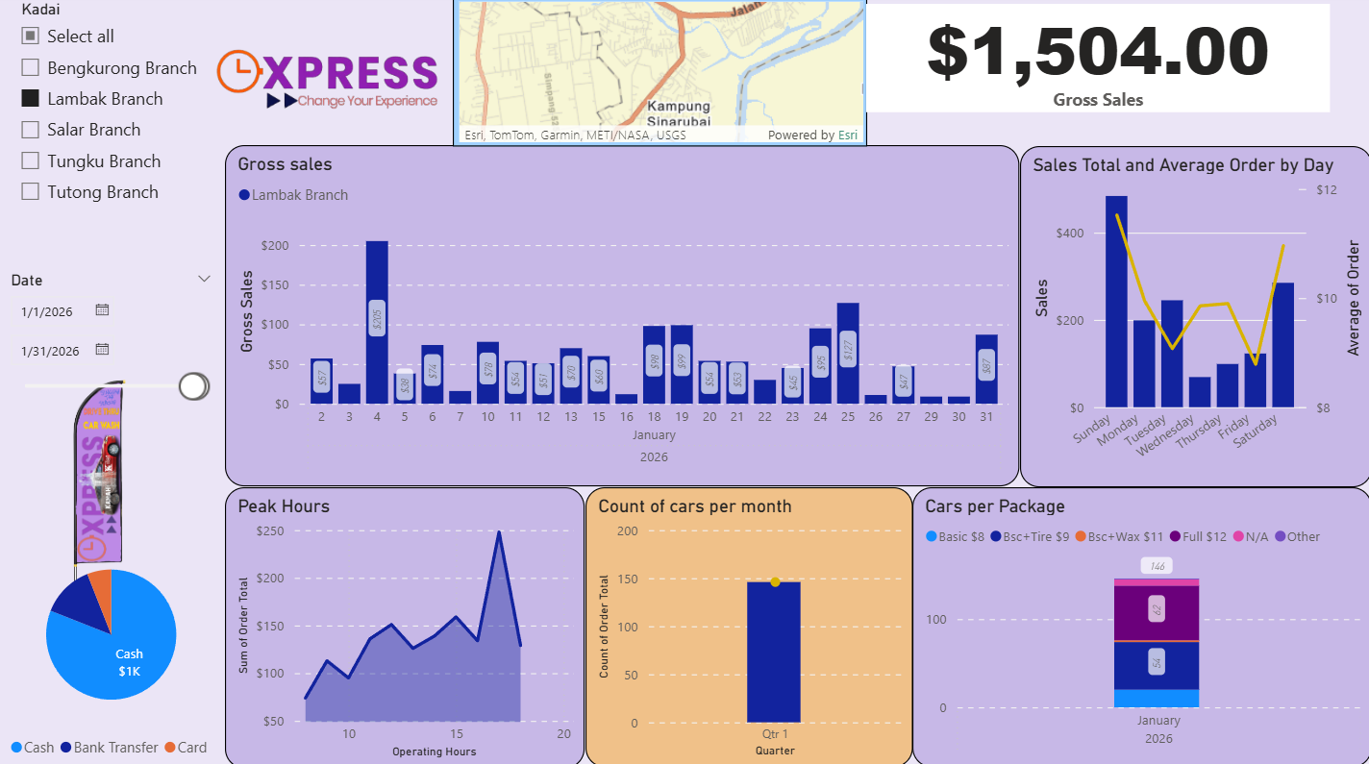
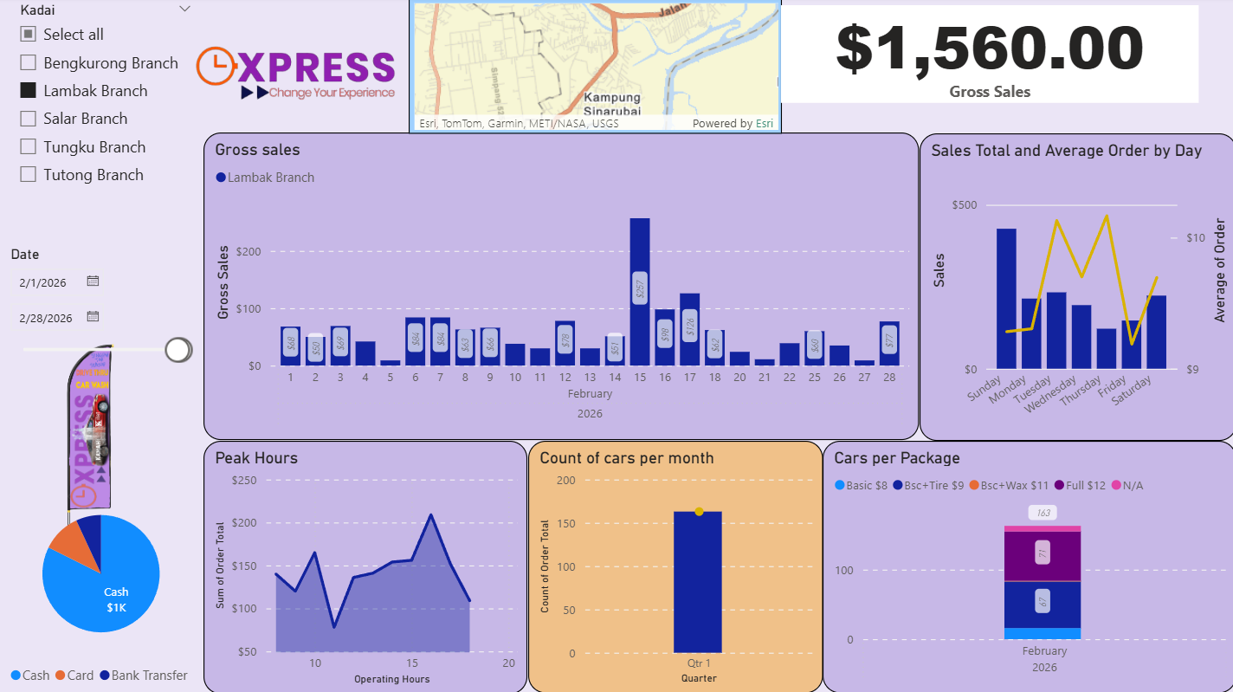
Kadai Lambak
 |  | Jan | Feb | Mar | Apr | May | Jun | Jul | Aug | Sep | Oct | Nov | Dec | YTD
 | Revenue | $1,504.00 | $1,560.00 | $3,975.70 | $2,862.00 | $2,199.00 | $2,426.00 | $- | $- | $- | $- | $- | $- | $14,526.70
Cost of Services | Water Bill | $- | $- | $- | $- | $- | $- | $- | $- | $- | $- | $- | $- | $-
 | Electricity Bill | $60.00 | $80.00 | $30.00 | $140.00 | $100.00 | $100.00 | $- | $- | $- | $- | $- | $- | $510.00
 | Car Wash Shampoo & Tyre Shine + Car Wax | $45.00 | $149.50 | $239.60 | $427.90 | $149.50 | $140.00 | $- | $- | $- | $- | $- | $- | $1,151.50
 | Staff Wages | $1,004.77 | $1,225.55 | $1,244.30 | $1,518.69 | $1,617.34 | $1,414.57 | $- | $- | $- | $- | $- | $- | $8,025.22
 | Part-timer Wages | $566.00 | $207.00 | $399.00 | $333.70 | $148.00 | $265.00 | $- | $- | $- | $- | $- | $- | $1,918.70
 | Bonus | $- | $- | $730.00 | $- | $- | $- | $- | $- | $- | $- | $- | $- | $730.00
 | Miscellaneous | $- | $- | $- | $500.00 | $- | $- | $- | $- | $- | $- | $- | $- | $500.00
 | Maintenance & Repair | $- | $- | $550.00 | $- | $- | $- | $- | $- | $- | $- | $- | $- | $550.00
 | Total COS | $1,675.77 | $1,662.05 | $3,192.90 | $2,920.29 | $2,014.84 | $1,919.57 | $- | $- | $- | $- | $- | $- | $13,385.42
 | Gross Profit | $(171.77) | $(102.05) | $782.80 | $(58.29) | $184.16 | $506.43 | $- | $- | $- | $- | $- | $- | $1,141.28
Operating Expense | Total Units Rental | $1,000.00 | $1,000.00 | $1,000.00 | $1,000.00 | $1,000.00 | $1,000.00 | $- | $- | $- | $- | $- | $- | $6,000.00
 | Point-of-Sale System | $30.00 | $30.00 | $30.00 | $30.00 | $30.00 | $- | $- | $- | $- | $- | $- | $- | $150.00
 | Wifi Internet | $- | $43.00 | $28.00 | $38.00 | $38.00 | $43.00 | $- | $- | $- | $- | $- | $- | $190.00
 | SPK | $57.59 | $57.59 | $57.59 | $57.59 | $57.55 | $57.55 | $- | $- | $- | $- | $- | $- | $345.46
 | Connecteam (Employmee Management App) | $55.00 | $55.00 | $55.00 | $55.61 | $54.37 | $56.41 | $- | $- | $- | $- | $- | $- | $331.39
 | Barang Harian Serbaguna | $6.70 | $- | $146.10 | $7.50 | $- | $5.90 | $- | $- | $- | $- | $- | $- | $166.20
 | Foods & Drink | $- | $- | $28.30 | $- | $- | $- | $- | $- | $- | $- | $- | $- | $28.30
 | Management Fee | $250.00 | $250.00 | $250.00 | $250.00 | $250.00 | $250.00 | $- | $- | $- | $- | $- | $- | $1,500.00
 | Total OPEX | $1,399.29 | $1,435.59 | $1,594.99 | $1,438.70 | $1,429.92 | $1,412.86 | $- | $- | $- | $- | $- | $- | $8,711.35
 | Total Expeses | $3,075.06 | $3,097.64 | $4,787.89 | $4,358.99 | $3,444.76 | $3,332.43 | $- | $- | $- | $- | $- | $- | $22,096.77
 | EBITDA (Earning Before interest, tax, depreciation, amortisation | $(1,571.06) | $(1,537.64) | $(812.19) | $(1,496.99) | $(1,245.76) | $(906.43) | $- | $- | $- | $- | $- | $- | $(7,570.07)
 | Asset Depreciation | $141.67 | $141.67 | $141.67 | $141.67 | $141.67 | $141.67 |  |  |  |  |  |  | $850.02
 | NET PROFIT | $(1,712.73) | $(1,679.31) | $(953.86) | $(1,638.66) | $(1,387.43) | $(1,048.10) | $- | $- | $- | $- | $- | $- | $(8,420.09)

 | Net Profit Margin | -113.88% | -107.65% | -23.99% | -57.26% | -63.09% | -43.20% | #DIV/0! | #DIV/0! | #DIV/0! | #DIV/0! | #DIV/0! | #DIV/0! | -57.96%
 | remarks | Hujan labat, 3/4 of the month, active weather and flood | Hujan labat, 3/4 of the month, active weather and flood | Surge of Revenue from a combination of Very Good weather and Festive Hari Raya Season | Good weather, sales is picking up, extra expense on Pylon Signage marketing strategy.

