results
Clustering Evaluation
 | Evaluation
0 | 0.292
0.111 | 0.371
0.143 | 0.258
0.167 | 0.215
0.2 | 0.383
0.222 | 0.508
0.286 | 0.618
0.333 | 0.494
0.429 | 0.447
0.667 | 0.646
0.714 | 0.549
0.778 | 0.477
0.8 | 0.422
...
Similarity | Evaluation | Pos | Clusters
0.000 | 0.292 | 1 | marlene,alejandor,alejandro,alexandro,jorge,jorje,malrene,marleny,marta,martha,mrata,ricardo
0.111 | 0.371 | 1 | marlene,alejandor,alejandro,alexandro,malrene,marleny,marta,martha,mrata
 |  | 2 | jorge,jorje,ricardo
0.143 | 0.258 | 1 | marlene,alejandor,alejandro,alexandro,malrene,marleny
 |  | 2 | marta,jorge,jorje,martha,ricardo
 |  | 3 | mrata
0.167 | 0.215 | 1 | marlene,alejandor,alejandro,alexandro,malrene,marleny
 |  | 2 | marta,jorge,jorje,martha
 |  | 3 | mrata
 |  | 4 | ricardo
0.200 | 0.383 | 1 | marlene,alejandor,alejandro,alexandro,malrene,marleny
 |  | 2 | marta,jorge,jorje
 |  | 3 | martha,mrata
 |  | 4 | ricardo
0.222 | 0.508 | 1 | marlene,alejandor,alejandro,alexandro,malrene,marleny
 |  | 2 | marta,martha,mrata
 |  | 3 | jorge,jorje
 |  | 4 | ricardo
0.286 | 0.618 | 1 | marlene,jorge,jorje,malrene,marleny
 |  | 2 | marta,martha,mrata
 |  | 3 | alejandro,alejandor,alexandro,ricardo
0.333 | 0.494 | 1 | marlene,malrene,marleny,marta,martha
 |  | 2 | alejandro,alejandor,alexandro,ricardo
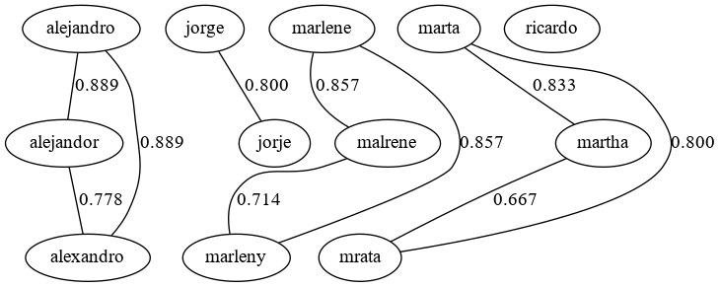
 |  | 3 | mrata
 |  | 4 | jorge,jorje
0.429 | 0.447 | 1 | marlene,malrene,marleny,marta,martha
 |  | 2 | alejandro,alejandor,alexandro
 |  | 3 | mrata
 |  | 4 | jorge,jorje
 |  | 5 | ricardo
0.667 | 0.646 | 1 | marlene,malrene,marleny
 |  | 2 | marta,martha,mrata
 |  | 3 | alejandro,alejandor,alexandro
 |  | 4 | jorge,jorje
 |  | 5 | ricardo
0.714 | 0.549 | 1 | marlene,malrene,marleny
 |  | 2 | marta,martha,mrata
 |  | 3 | alejandro,alejandor,alexandro
 |  | 4 | mrata
 |  | 5 | jorge,jorje
 |  | 6 | ricardo
0.778 | 0.477 | 1 | marlene,malrene,marleny
 |  | 2 | marleny
 |  | 3 | marta,martha
 |  | 4 | alejandro,alejandor,alexandro
 |  | 5 | mrata
 |  | 6 | jorge,jorje
 |  | 7 | ricardo
0.800 | 0.422 | 1 | marlene,malrene
 |  | 2 | marleny
 |  | 3 | marta,martha
 |  | 4 | alejandro,alejandor
 |  | 5 | alexandro
 |  | 6 | mrata
 |  | 7 | jorge,jorje
 |  | 8 | ricardo
0.833 | 0.287 | 1 | marlene,malrene
 |  | 2 | marleny
 |  | 3 | marta,martha
 |  | 4 | alejandro,alejandor
 |  | 5 | alexandro
 |  | 6 | mrata
 |  | 7 | jorge
 |  | 8 | jorje
 |  | 9 | ricardo
0.857 | 0.175 | 1 | marlene,malrene
 |  | 2 | marleny
 |  | 3 | marta
 |  | 4 | martha
 |  | 5 | alejandro,alejandor
 |  | 6 | alexandro
 |  | 7 | mrata
 |  | 8 | jorge
 |  | 9 | jorje
 |  | 10 | ricardo
0.889 | 0.081 | 1 | marlene
 |  | 2 | malrene
 |  | 3 | marleny
 |  | 4 | marta
 |  | 5 | martha
 |  | 6 | alejandro,alejandor
 |  | 7 | alexandro
 |  | 8 | mrata
 |  | 9 | jorge
 |  | 10 | jorje
 |  | 11 | ricardo

