literature 2
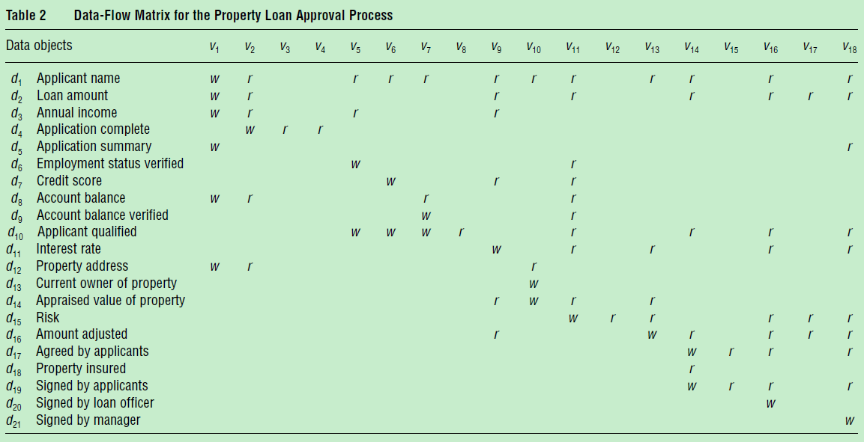
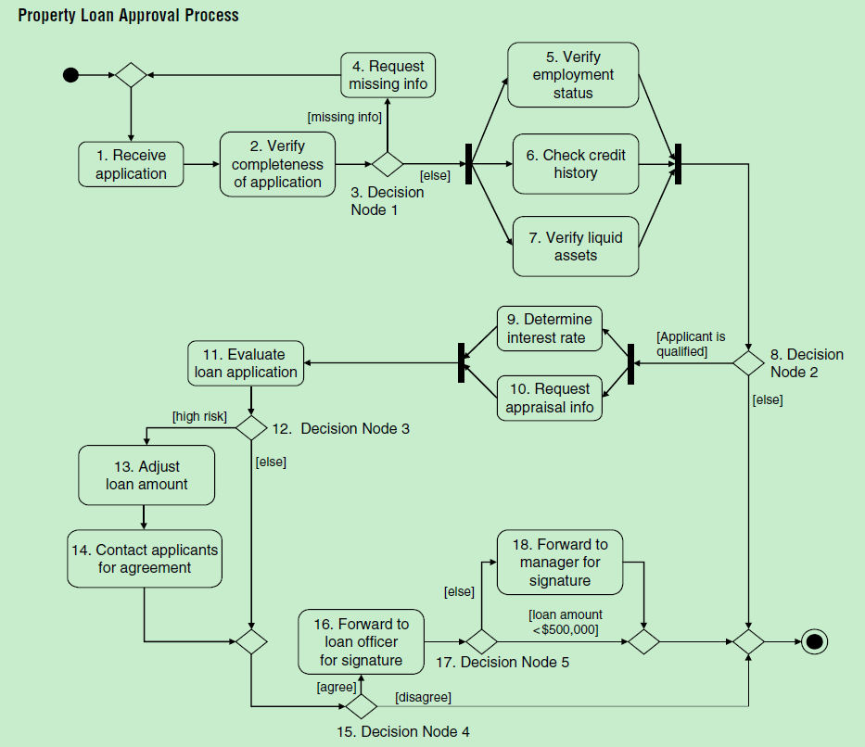
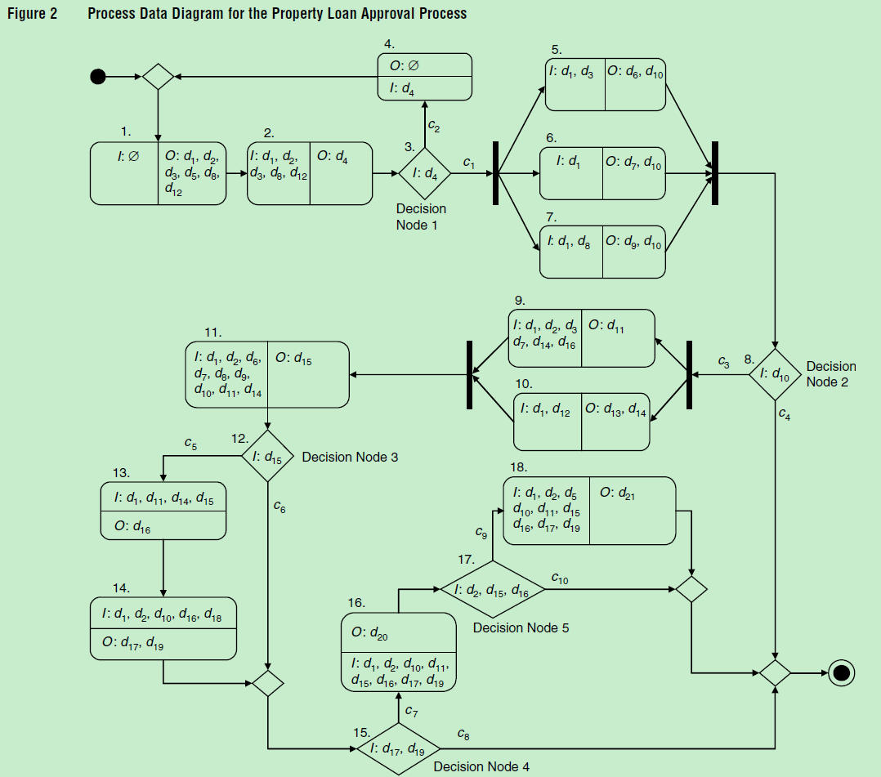
Scenario 1 (Absence of Initialization). A data item is never assigned an initial value; however, some activities use it as input or it is required as the final output of the workflow. Scenario 2(Dela yed Initialization). Scenario 3 (Uncertain Availability). Given two parallel activities, v and u, v needs an input data item initialized by u. When v is executed, the data item may not have been initialized. Scenario 4 (Improper Routing). Under certain workflow routing conditions, a data item is not initialized, although it is used by some activities as input.
Scenario 7 (Multiple Initializations). More than one activity attempts to initialize the same data item in one workflow instance. Example 7. In Figure 2, activities v5, verify employment status, v6, check credit history, and v7, verify liquid assets, all make decisions on whether the applicant is qualified for the loan, i.e., they all produce data item d10 as output. When one activity qualifies the applicant and one activity disqualifies the applicant, we have trouble deciding if the applicant is or is not qualified.

literature 3
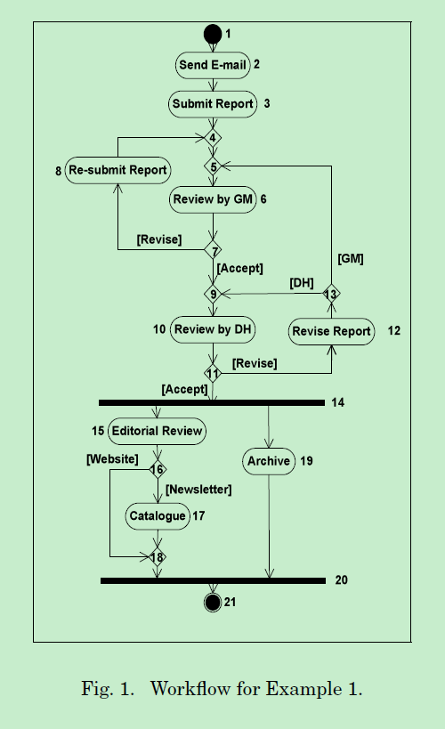
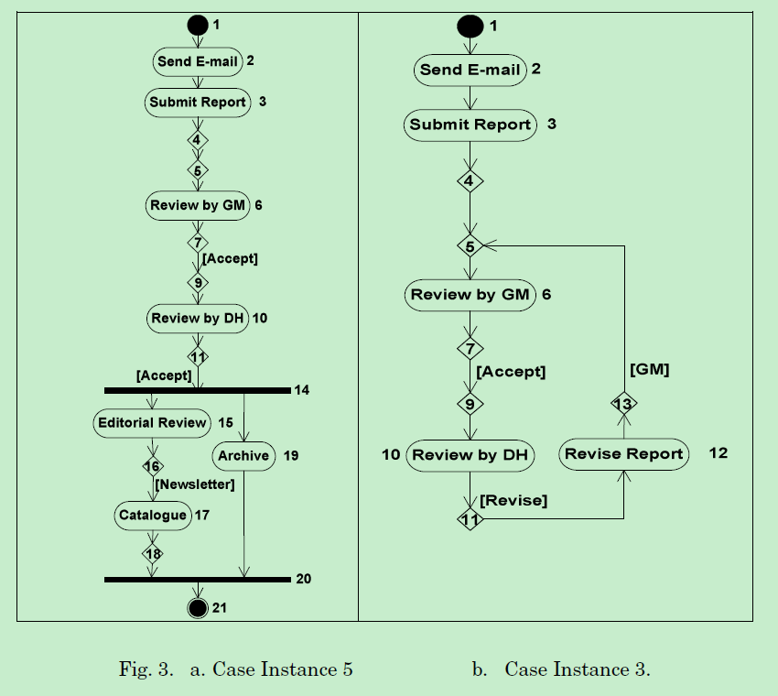
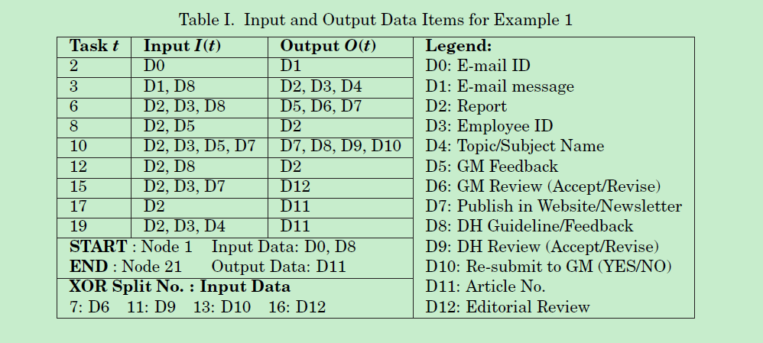

literature 3

literature 4
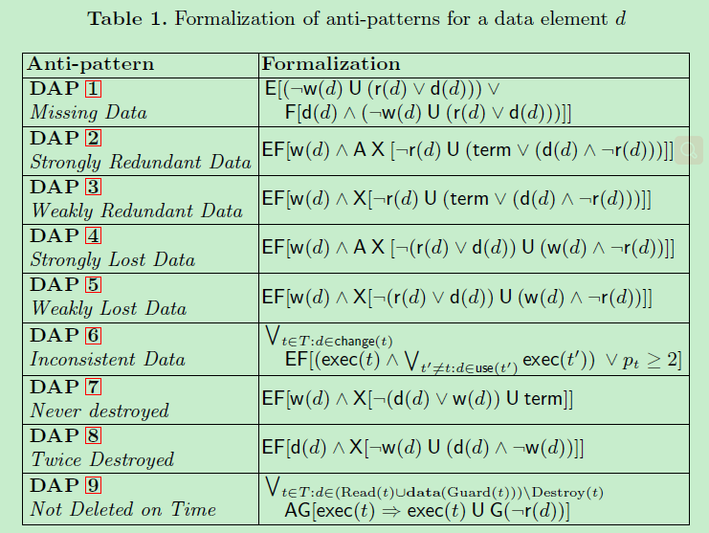

literature 5
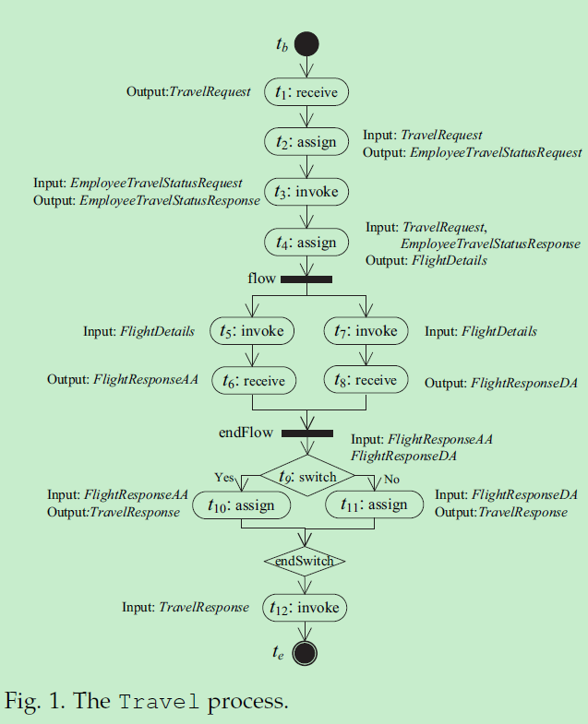

case
