Sheet1
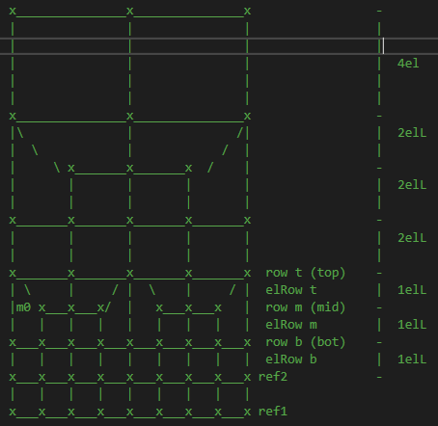
From elSize + nRef to Length |  |  |  | From Length + nRef to elSize
elSize = | 1.11111 |  |  | elSize = | 1.1111
nRef | 2 |  |  | nRef | 2
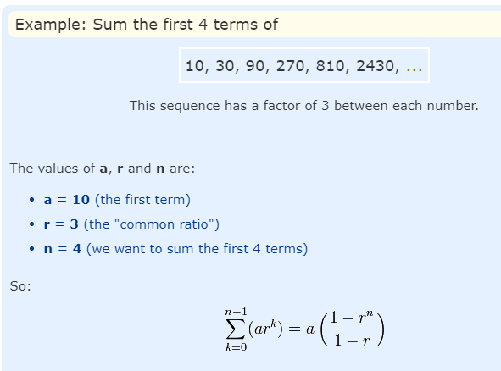
L = | 10.0000 |  |  | L = | 10.0000

nRef | L | elSize |  | nRef | L | elSize
0 | 0.000 | 1.111 | *** | 0 | 0.000 | 1.111 | ***
 | 1.111 | 1.111 |  |  | 1.111 | 1.111
 | 2.222 | 1.111 |  |  | 2.222 | 1.111
1 | 3.333 | 2.222 |  | 1 | 3.333 | 2.222
 | 5.556 | 2.222 |  |  | 5.556 | 2.222
 | 7.778 | 2.222 |  |  | 7.778 | 2.222
2 | 10.000 | 4.444 |  | 2 | 10.000 | 4.444
 | 14.444 | 4.444 |  |  | 14.444 | 4.444
 | 18.889 | 4.444 |  |  | 18.889 | 4.444
3 | 23.333 | 8.889 |  | 3 | 23.333 | 8.889
 | 32.222 | 8.889 |  |  | 32.222 | 8.889
 | 41.111 | 8.889 |  |  | 41.111 | 8.889
4 | 50.000 | 17.778 |  | 4 | 50.000 | 17.778
 | 67.778 | 17.778 |  |  | 67.778 | 17.778
 | 85.555 | 17.778 |  |  | 85.556 | 17.778

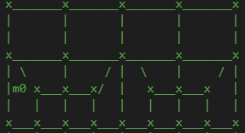

*** | When generating nodes with writeNodePlaneXY_ref() if offset parameter is set to true
 | the first row of nodes is at x = elSize
 | This way, the last node row will be at x = L
-----------------------------------------------------
First row starts at x = elSize
-----------------------------------------------------
PLATE:
nRefinements --->
L = elL * (3 + 6 + 12 + 24 + ...)
L = 3elL * (1 + 2 + 4 + 8 + ...)
L = 3elL * sum(2^k) (k = 0 -> nRefinements - 1)
L = 3elL * (1 - 2^nRef) / (1 - 2)
L = -3elL * (1 - 2^nRef)
L = 3elL * (2^nRef - 1)
elL = L / (3 * (2^nRef - 1))
CUBOID:
For Cuboid, 3 will be 5
nRefinements --->
L = elL * (5 + 10 + 20 + 40 + ...)
L = 5elL * (1 + 2 + 4 + 8 + ...)
L = 5elL * sum(2^k) (k = 0 -> nRefinements - 1)
L = 5elL * (2^nRef - 1)
elL = L / (5 * (2^nRef - 1))
-----------------------------------------------------
First row starts at distance = 0.0
-----------------------------------------------------
PLATE:
nRefinements --->
L = elL * ((3-1) + 6 + 12 + 24 + ...)
L = elL * (6 + 12 + 24 + ...) + 2elL
L = 6elL * sum(2^k) (k = 0 -> nRefinements - 2) + 2elL
L = 6elL * (2^(nRef-1) - 1) + 2elL
L = 6elL * 2^(nRef-1) - 6elL + 2elL
L = 6elL * 2^(nRef-1) - 4elL
L = elL * (6*2^(nRef-1) - 4)
L = elL * (6 * 2^(nRef-1) - 4) vs L = 3elL * (2^nRef - 1)
elL = L / (6 * 2^(nRef-1) - 4) vs elL = L / (3 * (2^nRef - 1))
Cuboid:
L = elL * ((5-1) + 10 + 20 + 40 + ...)
L = elL * (10 + 20 + 40 + ...) + 4elL
L = 10elL * sum(2^k) (k = 0 -> nRefinements - 2) + 4elL
L = 10elL * (2^(nRef-1) - 1) + 4elL
L = 10elL * 2^(nRef-1) - 10elL + 4elL
L = 10elL * 2^(nRef-1) - 6elL
L = elL * (10*2^(nRef-1) - 6)
L = elL * (10 * 2^(nRef-1) - 6) vs L = 5elL * (2^nRef - 1)
elL = L / (10 * 2^(nRef-1) - 6) vs elL = L / (5 * (2^nRef - 1))

From elSize + nRef to Length |  |  |  | From Length + nRef to elSize
elSize = | 1.25 |  |  | elSize = | 1.2500 |  |  | x = 0.0 ^ | 1elL
nRef | 2 |  |  | nRef | 2 |  |  |  | 1elL
L = | 10.0000 |  |  | L = | 10.0000 |  |  |  | 1elL
 |  |  |  |  |  |  |  |  | 2elL
nRef | L | elSize |  | nRef | L | elSize |  |  | 2elL
0 | 0.000 | 0.000 |  | 0 | 0.000 | 0.000 | SKIP |  | 2elL
 | 0.000 | 1.250 |  |  | 0.000 | 1.250 |  |  | 4elL
 | 1.250 | 1.250 |  |  | 1.250 | 1.250 |  |  | 4elL
1 | 2.500 | 2.500 |  | 1 | 2.500 | 2.500 |  | x = L v | 4elL
 | 5.000 | 2.500 |  |  | 5.000 | 2.500
 | 7.500 | 2.500 |  |  | 7.500 | 2.500
2 | 10.000 | 5.000 |  | 2 | 10.000 | 5.000
 | 15.000 | 5.000 |  |  | 15.000 | 5.000
 | 20.000 | 5.000 |  |  | 20.000 | 5.000
3 | 25.000 | 10.000 |  | 3 | 25.000 | 10.000
 | 35.000 | 10.000 |  |  | 35.000 | 10.000
 | 45.000 | 10.000 |  |  | 45.000 | 10.000 |  |  | 1elL
4 | 55.000 | 20.000 |  | 4 | 55.000 | 20.000 |  | x = 0.0 ^ | 1elL
 | 75.000 | 20.000 |  |  | 75.000 | 20.000 |  |  | 1elL
 | 95.000 | 20.000 |  |  | 95.000 | 20.000 |  |  | 2elL
 |  |  |  |  |  |  |  |  | 2elL
 |  |  |  |  |  |  |  |  | 2elL
 |  |  |  |  |  |  |  |  | 4elL
 |  |  |  |  |  |  |  |  | 4elL
 |  |  |  |  |  |  |  | x = L v | 4elL

