Details Design
Name | Hello Wizard | 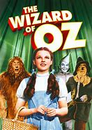
Address | Somewhere over the rainbow

Name | No Name | 
Address | No Where

Name | 龙傲天 | 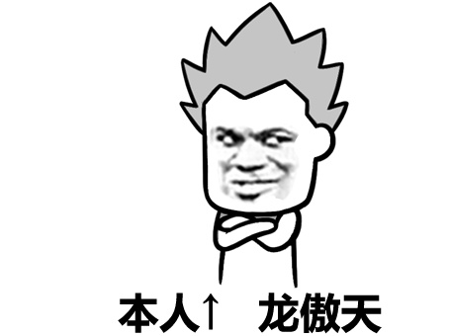
Address | 福建行中书省福宁州傲龙山庄

Name | 龙傲天
Address | 福建行中书省福宁州傲龙山庄

