Details Design
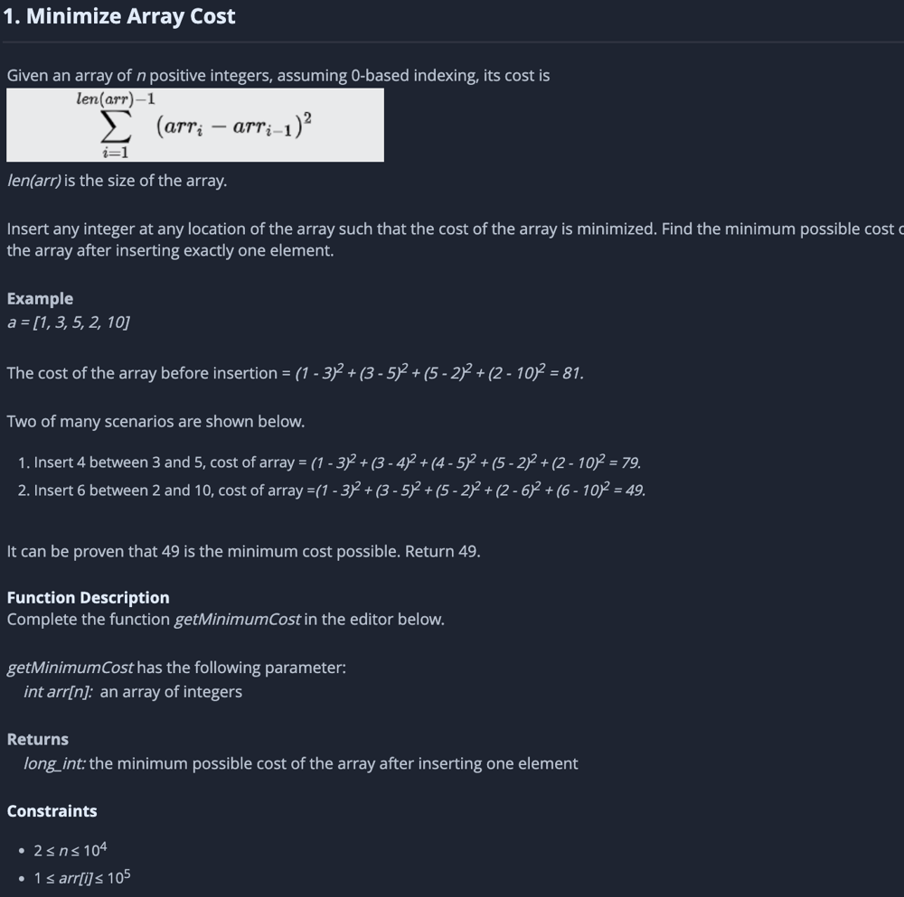 {% img flowsImage %} | {% for p in ps %} | Name | {{p.name}} |  {% img p.img %}
 |  | Address | {{p.address}}

 | {% endfor %}

