boot
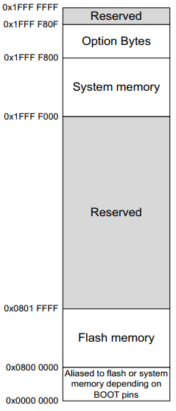

void enter_to_app(){
HAL_RCC_DeInit();
HAL_DeInit();
SCB->SHCSR &= ~(SCB_SHCSR_BUSFAULTENA_Msk |
SCB_SHCSR_USGFAULTENA_Msk |
SCB_SHCSR_MEMFAULTENA_Msk );
__set_MSP(*(__IO uint32_t*) 0x800_0000);
pFunction app_entry = (pFunction) (*(__IO uint32_t*) ( 0x800_0000+ 4));
app_entry();
}

APPLICATION app
main_a.c
Start addr = 0x0800_8000
Flash_size = 32KB

0x0800_8000
Bootloader app
main_o.c
Start addr = 0x0800_0000
Flash_size = 32KB

void enter_to_app(){
HAL_RCC_DeInit();
HAL_DeInit();
SCB->SHCSR &= ~(SCB_SHCSR_BUSFAULTENA_Msk |
SCB_SHCSR_USGFAULTENA_Msk |
SCB_SHCSR_MEMFAULTENA_Msk );
__set_MSP(*(__IO uint32_t*) 0x800_8000);
pFunction app_entry = (pFunction) (*(__IO uint32_t*) ( 0x800_8000 + 4));
app_entry();
}

