Day-1
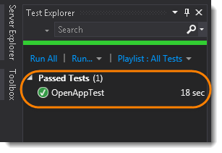
1. Setup in visual studio

 | 1) Go to Tools >> Nuget Package Manager >> Manage Nuget Packages for Solution....

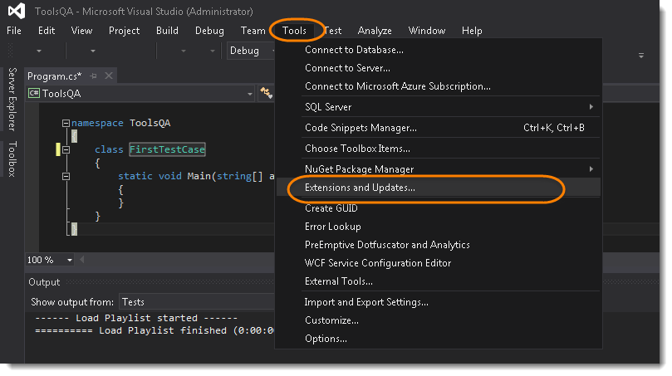

 | 2) In the Seach Box, search for Selenium.WebDriver or Selenium. This will take few seconds to populate the Selenium. Once done, just select Selenium.WebDriver and click on Installto start the installation process.

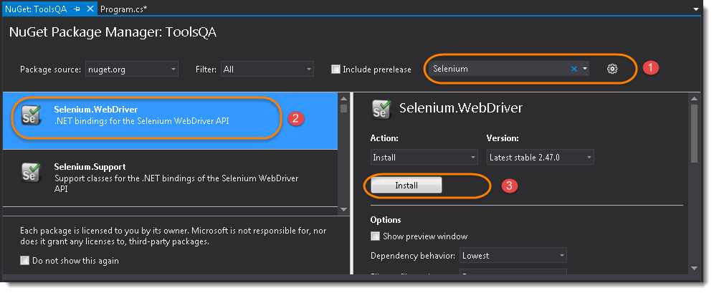

2. Write the first selenium C# test

1) At the top of your project code after the last ‘using’ namespace add the following Selenium namespaces:

2) Add the following code in your static void Main section:

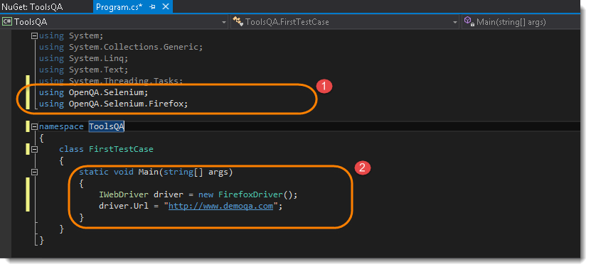

3) Run the test by clicking on the Start button given on the top bar.

 | Notice that the Visual Studio started a Console application and just followed that it initiated a Firefox driver and opened the website.

3. Write selenium test using NUnit Framework

 | 1) Go to Test >> Windows >> Test Explorer.

 | 2) On the left hand side of the Visual Studio, a new window will appear if already not opened and this window is the Test ExplorerWindow.

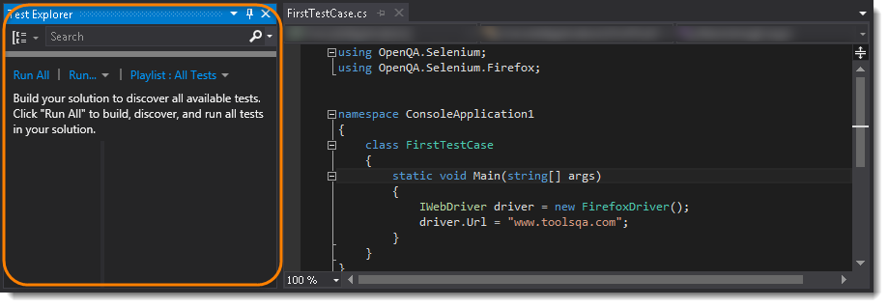

 | 3) Go to Build >> Build Solution.

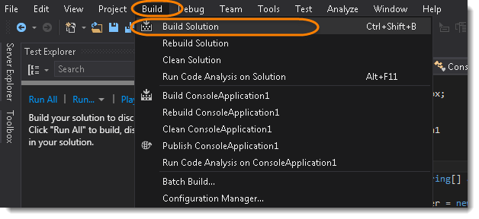

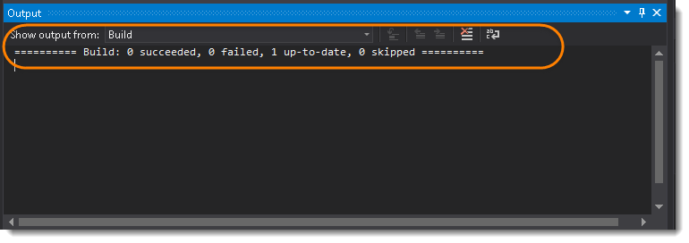

 | Now let’s just install Nunit Framework and Nunit Adapter

NUnit Framework

Download and Install Nunit Framework using the NuGet Packages

1) Go to References >> Manage Nuget Packages… from the Solution Explorer window from the right side.

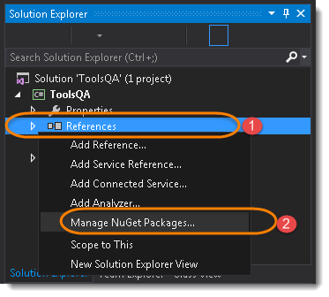

 | Note: Same can be done by going to Tools >>Nuget Package Manager.

2) Type Nunit in the Search box. This will take few seconds to find the right tool. Locate (search for) NUnit in the center panel and highlight it by selecting it and Click Install.

Download and Install NUnit Adapter using the Extension Manager

1) From within Visual Studio, select Tools >> Extensions and Updates..

2) Search for NUnit Test Adapter and once found click on Install button.

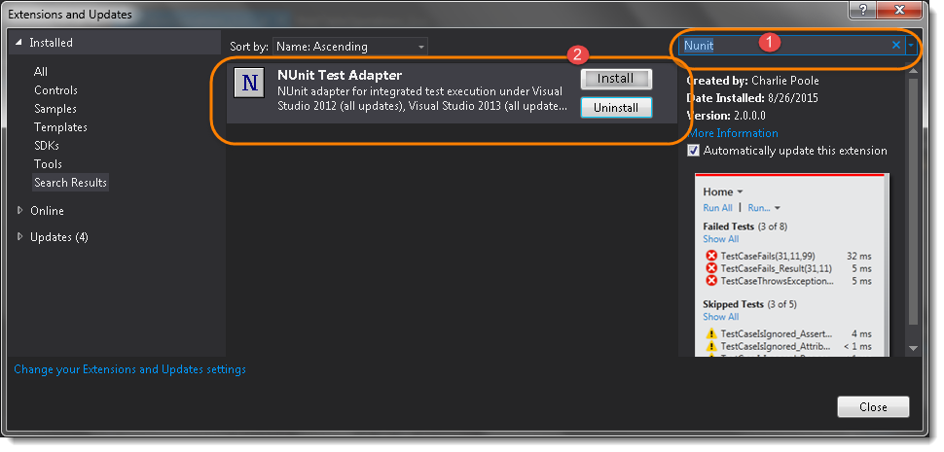

 | Note: Same can be downloaded from the Nuget package as well, below is the difference between Nuget and Extension.

Create a NUnit Test

 | 1) Right Click on the Project on the Solution Explorer and select Add >> Class.

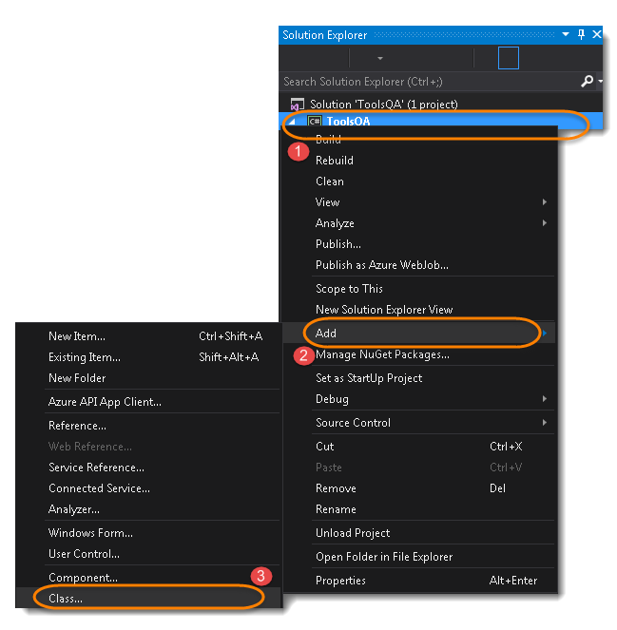

2) Give your Class name ‘NUnitTest‘ and click on Finish button. This will bring up totally a sweet class creation window.

3) Write the selenium code for the following steps:
 | Start a FireFox Browser
 | Open Website in the browser started by Selenium
 | Close the Browser
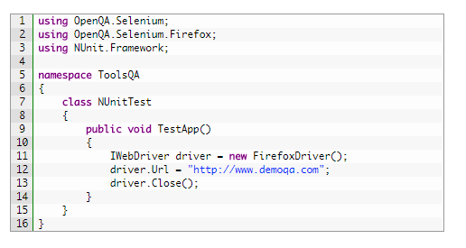

4) Divide the code in to three different parts:
 | Start a FireFox Browser : Initialize
 | Open Website in the browser started by Selenium : OpenTestApp
 | Close the Browser : EndTest

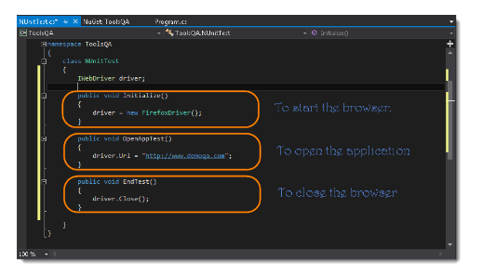

5) Now Build the solution again by doing Build >> Build Solution.

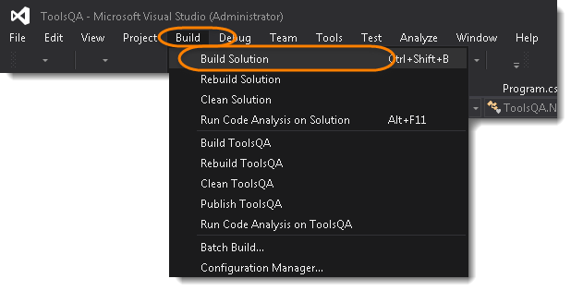

6) Now use NUnit Annotations to define your test. Use [SetUp], [Test] & [TearDown] for the three methods created above for each action. And again run the Build

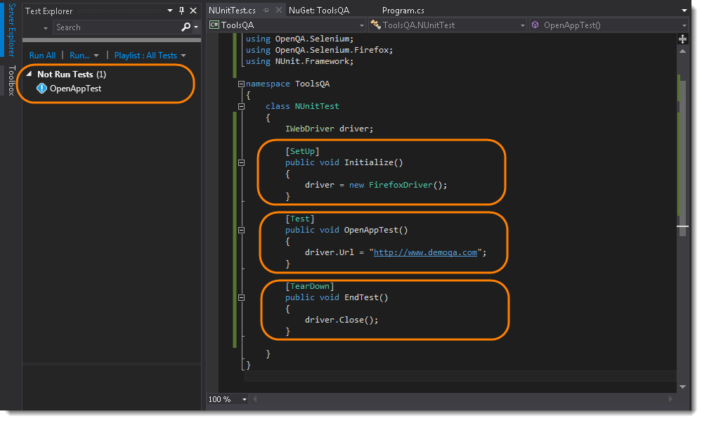

 | Note: Noticed that the Test is appeared in the Test Explorer window. So like this you can define unlimited number of Tests in the single class file but the SetUp method will run once before the every Test and TearDown method will also run once after every Test. Each test can be named differently like this.

7) Its the time to run the NUnit test. To run the test, Right Click in the Code window and select Run Tests.

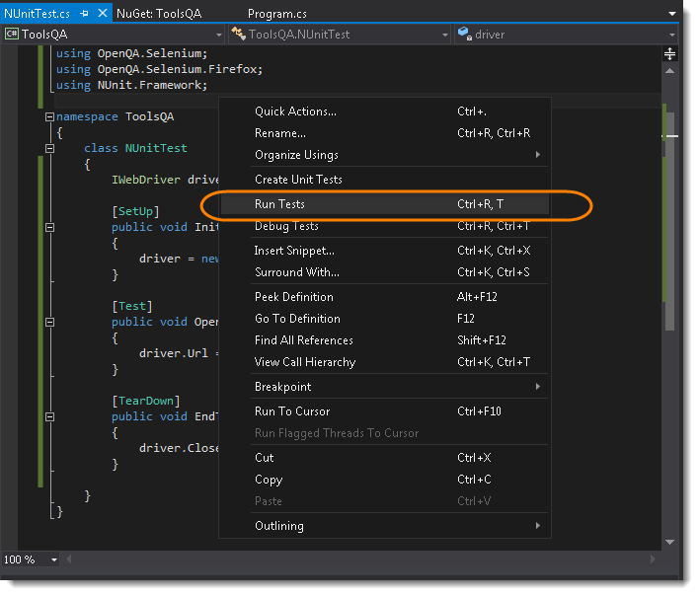

 | Selenium will start a Firefox browser, open the website and close it. Once the test run is finished, in the Test Explorer window the text above the OpenAppTest will change from Not Run Tests to Passed Tests.

Day-2
IWebDriver Commands

URL Command

 | string IWebDriver.Url { get; set;} – This method Load a new web page in the current browser window. This method get and set the value and can be used both ways.
 | Command – driver.Url = “appUrl”; //To open the Url
 | Command – String Url = driver.Url; // To get the opened Url
 | Where appUrl is the website address to load. It is best to use a fully qualified URL.
 | Example:
 |  | driver.Url = ("http://www.demoqa.com");

Title Command

 | string IWebDriver.Title{ get;} – This method fetches the Titleof the current page. Accepts nothing as a parameter and returns a String value.
 | Command – driver.Title;
 | As the return type is String value, the output must be stored in String object/variable.
 | Example:
 |  | String Title = driver.Title;

Page Source Command

 | string IWebDriver.PageSource{ get;} – This method returns the Source Code of the page. Accepts nothing as a parameter and returns a String value.
 | Command – driver.PageSource;
 | As the return type is String value, the output must be stored in String object/variable.
 | Example:
 |  | String PageSource = driver.PageSource;

Close Command

 | void IWebDriver.Close() – This method Close only the current window the IWebDriver is currently controlling. Accepts nothing as a parameter and returns nothing.
 | Command – driver.Close();
 | Quit the browser if it’s the last window currently open.
 | Example:
 |  | driver.Close();

Quit Command

 | void IWebDriver.Quit() – This method Closes all windows opened by the IWebDriver. Accepts nothing as a parameter and returns nothing.
 | Command – driver.Quit();
 | Close every associated window.
 | Example:
 |  | driver.Quit();

GoToUrl Command

 | This command is used to navigate to a particular page. Signature of this command is
 | void INavigation.GoToUrl(String url) : This command takes a String value of the URL as input parameter and returns void. Once this statement is executed browser navigates to the new page specified by the URL parameter.
 | Command – driver.Navigate().GoToUrl(appUrl);
 | Where appUrl is the website address to load. It is best to use a fully qualified URL.
 | Usage:
 |  | driver.Navigate().GoToUrl("http://toolsqa.wpengine.com");

Back Command

 | Back command is used navigate to the previous page in the browser history. This is exactly similar to what happens when you click on the back button in your browser.
 | void INavigation.Back() : This command does not take any parameter.
 | Takes youback by one page on the browser’s history.
 | Usage:
 |  | driver.Navigate().Back();

Forward Command

 | Forward command is used to navigate to the next page in the browser history. This exactly similar to what happens when you click on the forward button in your browser, if you have some history in forward direction
 | void INavigation.Forward() : This command does not takes any parameter.
 | Takes you forward by one page on the browser’s history.
 | Usage:

 | 1 | driver.Navigate().Forward();

Refresh Command

 | This command refreshes the page as if you have pressed F5 on the browser.
 | void INavigation.Refresh() : This command does not takes any parameter
 | Usage:
 |  | driver.Navigate().Refresh();

Day-3
WebElement

WebElement represents an HTML element. HTML documents are made up by HTML elements. HTML elements are written with a start tag, with an end tag, with the content in between: <tagname> content </tagname>
The HTML element is everything from the start tag to the end tag: <p> My first HTML paragraph. </p>
HTML elements can be nested (elements can contain elements). All HTML documents consist of nested HTML elements.

List of WebElement Commands/Actions
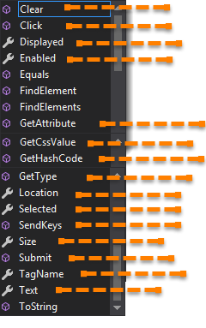

Before going through each and every action of IWebElement, let’s just understand that how we get a IWebElement object/element.

So, to get the IWebElement object write the below statement:
IWebElement element = driver.FindElement(By.Id(“UserName“));
And now if you type element dot, Eclipse’s intellisence will populate the complete list of actions just like the above image.

Clear Command

 | void IWebElement.Clear() – If this element is a text entry element, this will clear the value. This method accepts nothing as a parameter and returns nothing.
 | Command – element.Clear();
 | This method has no effect on other elements. Text entry elements are INPUT and TEXTAREA elements.

 |  | IWebElement element = driver.findElement(By.Id("UserName"));
 |  | element.Clear();

 |  | //Or can be written as

 |  | driver.FindElement(By.Id("UserName")).Clear();

SendKeys Command

 | void IWebElement.SendKeys(string text) – This simulate typing into an element, which may set its value. This method accepts string as a parameter and returns nothing.
 | Command – element.SendKeys(“text”);
 | This method works fine with text entry elements like INPUT and TEXTAREA elements.

 |  | WebElement element = driver.FindElement(By.Id("UserName"));
 |  | element.SendKeys("ToolsQA");

 |  | //Or can be written as

 |  | driver.FindElement(By.Id("UserName")).SendKeys("ToolsQA");

Click Command

 | void IWebElement.Click()– This simulates the clicking of any element. Accepts nothing as a parameter and returns nothing.
 | Command – element.Click();
 | Clicking is perhaps the most common way of interacting with web elements like text elements, links, radio boxes and many more.
 |  | IWebElement element = driver.FindElement(By.LinkText("ToolsQA"));
 |  | element.Click();

 |  | //Or can be written as

 |  | driver.FindElement(By.LinkText("ToolsQA")).Click();

 | Note: Most of the time we click on the links and it causes a new page to load, this method will attempt to wait until the page has loaded properly before handing over the execution to next statement. But If Click() causes a new page to be loaded via an event or is done by sending a native event for example through javascript, then the method will not wait for it to be loaded.
 | There are some preconditions for an element to be clicked. The element must be Visible and it must have a Height and Widthgreater than 0.

Displayed Command

 | bool IWebElement.Displayed{ get; } – This method determines if an element is currently being displayed or not. This accepts nothing as a parameter but returns boolean value(true/false).
 | Command – element.Displayed;

 |  | IWebElement element = driver.FindElement(By.Id("UserName"));
 |  | bool status = element.Displayed;

 |  | //Or can be written as

 |  | bool staus = driver.FindElement(By.Id("UserName")).Displayed;

 | Note: Do not confuse this method with element present on the page or not. This will return true if the element is present on the page and throw a NoSuchElementFound exception if the element is not present on the page. This refers the property of the element, sometimes the element is present on the page but the property of the element is set to hidden, in that case this will return false, as the element is present in the DOM but not visible to us.

Enabled Command

 | bool IWebElement.Enabled{ get; } – This determines if the element currently is Enabled or not? This accepts nothing as a parameter but returns boolean value(true/false).
 | Command – element.Enabled;
 | This will generally return true for everything but I am sure you must have noticed many disabled input elements in the web pages.

 |  | IWebElement element = driver.FindElement(By.Id("UserName"));
 |  | bool status = element.Enabled;

 |  | //Or can be written as

 |  | bool staus = driver.FindElement(By.Id("UserName")).Enabled;

 |  | //Or can be used as
 |  | IWebElement element = driver.FindElement(By.Id("UserName"));
 |  | bool status = element.Enabled;

 |  | // Check that if the Text field is enabled, if yes enter value
 |  | if(status){
 |  | element.SendKeys("ToolsQA");
 |  | }

Selected Command

 | bool IWebElement.Selected{ get; } – Determine whether or not this element is selected or not. This accepts nothing as a parameter but returns boolean value(true/false).
 | Command – element.Selected;
 | This operation only applies to input elements such as Checkboxes, Select Options and Radio Buttons. This returns True if the element is currently selected or checked, false otherwise.

 |  | IWebElement element = driver.FindElement(By.Id("Sex-Male"));
 |  | bool status = element.Selected;

 |  | //Or can be written as

 |  | bool staus = driver.FindElement(By.Id("Sex-Male")).Selected;

Submit Command

 | void IWebElement.Submit() – This method works well/better than the Click() if the current element is a form, or an element within a form. This accepts nothing as a parameter and returns nothing.
 | Command – element.Submit();
 | If this causes the current page to change, then this method will wait until the new page is loaded.

 |  | IWebElement element = driver.FindElement(By.Id("SubmitButton"));
 |  | element.Submit();

 |  | //Or can be written as

 |  | driver.FindElement(By.Id("SubmitButton")).Submit();

Text Command

 | string IWebElement.Text{ get; } – This method will fetch the visible (i.e. not hidden by CSS) innerText of the element. This accepts nothing as a parameter but returns a String value.
 | Command – element.Text;
 | This returns an innerText of the element, including sub-elements, without any leading or trailing whitespace.
 |  | IWebElement element = driver.FindElement(By.Xpath("anyLink"));
 |  | String linkText = element.Text;

TagName Command

 | string IWebElement.TagName{ get; } – This method gets the tag name of this element. This accepts nothing as a parameter and returns a String value.
 | Command – element.TagName();
 | This does not return the value of the name attribute but return the tag for e.g. “input“ for the element <input name="foo"/>.

 |  | IWebElement element = driver.FindElement(By.Id("SubmitButton"));
 |  | String tagName = element.TagName;

 |  | //Or can be written as

 |  | String tagName = driver.FindElement(By.Id("SubmitButton")).TagName;

GetCssValue Command

 | string IWebElement.GetCssValue(string propertyName) – This method Fetch CSS property value of the given element. This accepts string as a parameter which is property name.
 | Command – element.GetCssValue();
 | Color values should be returned as rgba strings, so, for example if the “background-color” property is set as “green” in the HTML source, the returned value will be “rgba(0, 255, 0, 1)”.

GetAttribute Command

 | string IWebElement.GetAttribute(string attributeName) – This method gets the value of the given attribute of the element. This accepts the String as a parameter and returns a String value.
 | Command – element.GetAttribute();
 | Attributes are Ids, Name, Class extra and using this method you can get the value of the attributes of any given element.

 |  | IWebElement element = driver.FindElement(By.Id("SubmitButton"));
 |  | String attValue = element.GetAttribute("id"); //This will return "SubmitButton"

Size Command

 | System.Drawing.Size IWebElement.Size{ get; } – This method fetch the width and height of the rendered element. This accepts nothing as a parameter but returns the Dimension object.
 | Command – element.Size();
 | This returns the size of the element on the page.
 |  | IWebElement element = driver.FindElement(By.Id("SubmitButton"));
 |  | Dimension dimensions = element.Size();
 |  | Console.WriteLine(“Height :” + dimensions.Height + ”Width : "+ dimensions.Width);

Location Command

 | System.Drawing.Location IWebElement.Location{ get; } – This method locate the location of the element on the page. This accepts nothing as a parameter but returns the Point object.
 | Command – element.Location();
 | This returns the Point object, from which we can get X and Y coordinates of specific element.

 |  | IWebElement element = driver.FindElement(By.Id("SubmitButton"));
 |  | Point point = element.Location;
 |  | Console.WriteLine("X cordinate : " + point.X + "Y cordinate: " + point.Y);

Day-4
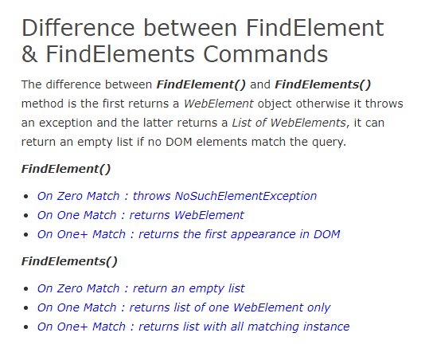
FindElement And Elements Commands in C#

By ID

 | By By.Id(string idToFind) – This is the most efficient and preferred way to locate an element, as most of the times IDs are unique. It takes a parameter of String which is a Value of ID attribute and it returns a BY object to FindElement() method.
 | Command – driver.FindElement(By.Id(“Element ID”));
 | With this strategy, If no element has a matching id attribute, a NoSuchElementException will be raised.

 | Example: If an element is given like this:

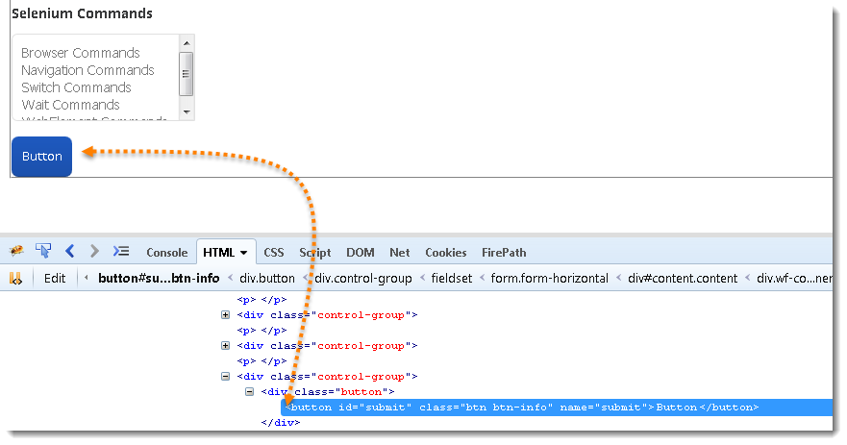

 | Actual Command
 |  | IWebElement element = driver.FindElement(By.Id("submit"));
 |  | // Action can be performed on Input Button element
 |  | element.Submit();

By Name

 | By By.Name(string nameToFind) – This is also an efficient way to locate an element but again the problem is same as with ID that UI developer make it having non-unique names on a page or auto-generating the names. It takes a parameter of String which is a Value of NAME attribute and it returns a BY object to FindElement() method.
 | Command – driver.FindElement(By.Name(“Element NAME”));
 | With this strategy, the first element with the name attribute value matching the location will be returned. If no element has a matching name attribute, a NoSuchElementException will be raised.
 | Example: If an element is given like this:

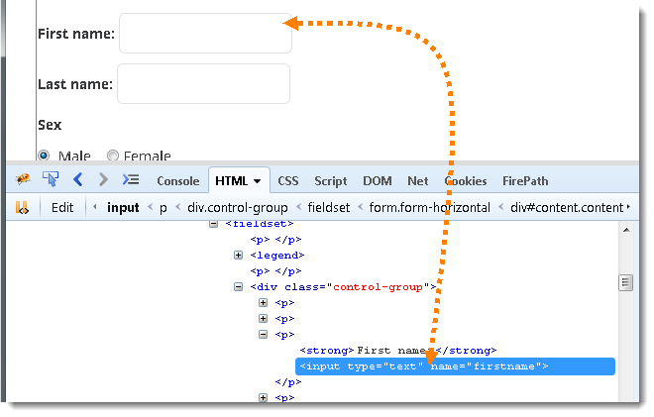

 | Actual Command
 |  | IWebElement element = driver.FindElement(By.Name("firstname"));
 |  | // Action can be performed on Input Text element
 |  | element.SendKeys("ToolsQA");

By ClassName

 | By By.ClassName(string clasNameToFind) – This finds elements based on the value of the CLASS attribute. It takes a parameter of String which is a Value of CLASS attribute and it returns a BY object to FindElement() method.
 | Command – driver.FindElement(By.ClassName(“Element CLASSNAME”));
 | If an element has many classes then this will match against each of them.
 | Example: If an element is given like this:

 | Actual Command

 |  | IWebElement parentElement = driver.FindElement(By.ClassName("button"));
 |  | IWebElement childElement = parentElement.FindElement(By.Id("submit"));
 |  | childElement.Submit();

 | Note: This method is a life saver. As said, class can contain many elements, many times when you end up with duplicate IDs and Names, just go for the ClassName first and try to locate the element with ID. That will work fine, as the selenium will look for the ID which is in the mentioned class.

By TagName

 | By By.TagName(string tagNameToFind) – With this you can find elements by their TAGNAMES. It takes a parameter of String which is a Value of TAG attribute and it returns a BY object to FindElement() method.
 | Command – driver.FindElement(By.TagName(“Element TAGNAME”));
 | Locating Element By Tag Name is not too much popular because in most of cases, we will have other alternatives of element locators. But yes if there is not any alternative then you can use element’s DOM Tag Name to locate that element in WebDriver.
 | Example: If an element is given like this:

 | Actual Command

 |  | IWebElement element = driver.FindElement(By.TagName("button"));
 |  | // Action can be performed on Input Button element
 |  | element.Submit();

By LinkText & PartialLinkText

 | y By.LinkText(string linkTextToFind) – With this you can find elements of “a” tags(Link) with the link names. Use this when you know link text used within an anchor tag. It takes a parameter of String which is a Value of LINKTEXT attribute and it returns a BY object to FindElement() method.
 | By By.PartialLinkText(string partialLinkTextToFind) – With this you can find elements of “a” tags(Link) with the partial link names.
 | Command – driver.FindElement(By.LinkText(“Element LINKTEXT”));
 | Command – driver.FindElement(By.PartialLinkText(“Element LINKTEXT”));
 | If your targeted element is link text then you can use by link text element locator to locate that element. Partial Link Text is also same as Link text, but in this we can locate element by partial link text too. In that case we need to use By.PartialLinkText at place of By.LinkText.
 | Example: If an element is given like this:

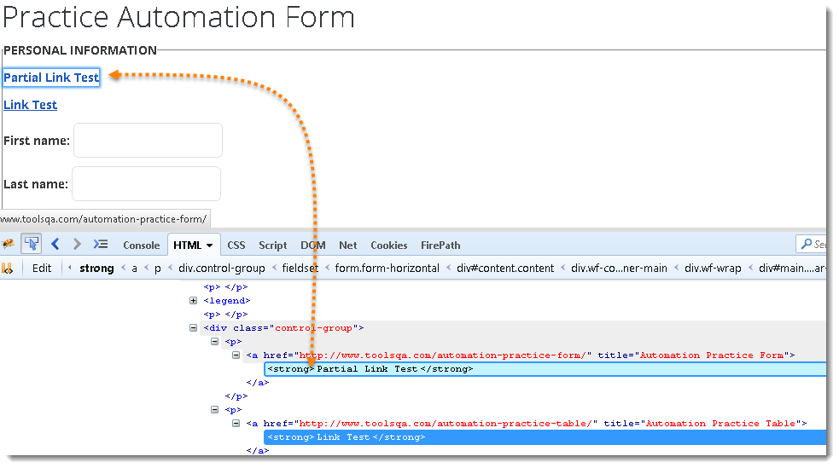

 | Actual Command
 |  | IWebElement element = driver.FindElement(By.LinkText("Partial Link Test"));
 |  | element.Clear();

 |  | //Or can be identified as
 |  | IWebElement element = driver.FindElement(By.PartialLinkText("Partial");
 |  | element.Clear();

By XPath

 | By By.XPath(string xPathToFind)– It is most popular and majorly used locating element technique or the easiest way to locate element in WebDriver. It takes a parameter of String which is a XPATHEXPRESSION and it returns a BY object to FindElement() method.
 | Command – driver.FindElement(By.XPath(“Element XPATHEXPRESSION”));
 | The best thing in xpath is that it provides many different technique to locate elements. It gives you feature to locate single element in many ways.
 | We have a complete chapter on XPath techniques which we will come across during our learning journey on ToolsQA latter.

