Sheet1
Brand Name | Item Number | Fabric Content | Swatch Image
TALLIA | TIS0335 | 60% Wool 40% Polyester | 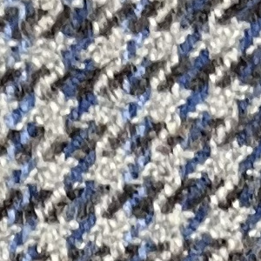
TALLIA | TEX0076 T3W0076 | 84% Polyester 15% Rayon 1% Spandex | 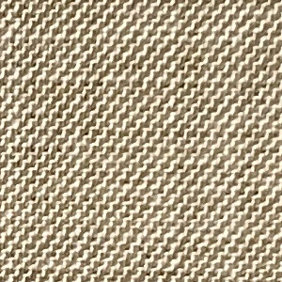
TALLIA | TIS0322 | 60% Wool 40% Polyester | 