Pen
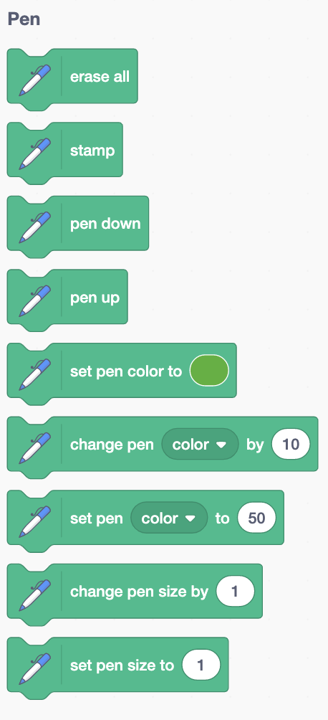

Scratch | Scratch Values | Go+ | Go+ Values | Note
erase all |  | eraseAll |  | This command in Scratch 2.0 is called clear
stamp |  | stamp
pen down |  | penDown
pen up |  | penUp
set pen color to C |  | setPenColor C
change pen Prop by N | Prop = color | saturation | brightness | transparency | - |  | Not implemented
set pen Prop to N | Prop = color | saturation | brightness | transparency | - |  | Not implemented
change pen size by N |  | changePenSize N
set pen size to N |  | setPenSize N

