Sheet1
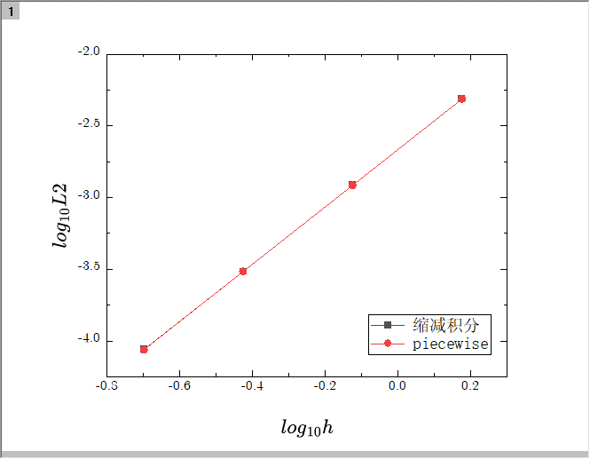
h | L2 | H1 | H | L2 | H1
0.17609125906 | -2.3121642403 | -0.82090488322 | 0.17609125906 | -2.3121757976 | -0.82090230126
-0.12493873661 | -2.9142729411 | -1.1221981123 | -0.12493873661 | -2.9142856667 | -1.1221955228
-0.42596873227 | -3.5158156975 | -1.4232932203 | -0.42596873227 | -3.5157390079 | -1.4232906405
-0.69897000434 | -4.0614718674 | -1.6963100594 | -0.69897000434 | -4.0600244247 | -1.6963075196
piecewise |  |  | 缩减积分

