Figure S1
Figure S1

Multivariable Cox estimates. Exact values are in the adjusted-Cox worksheets.

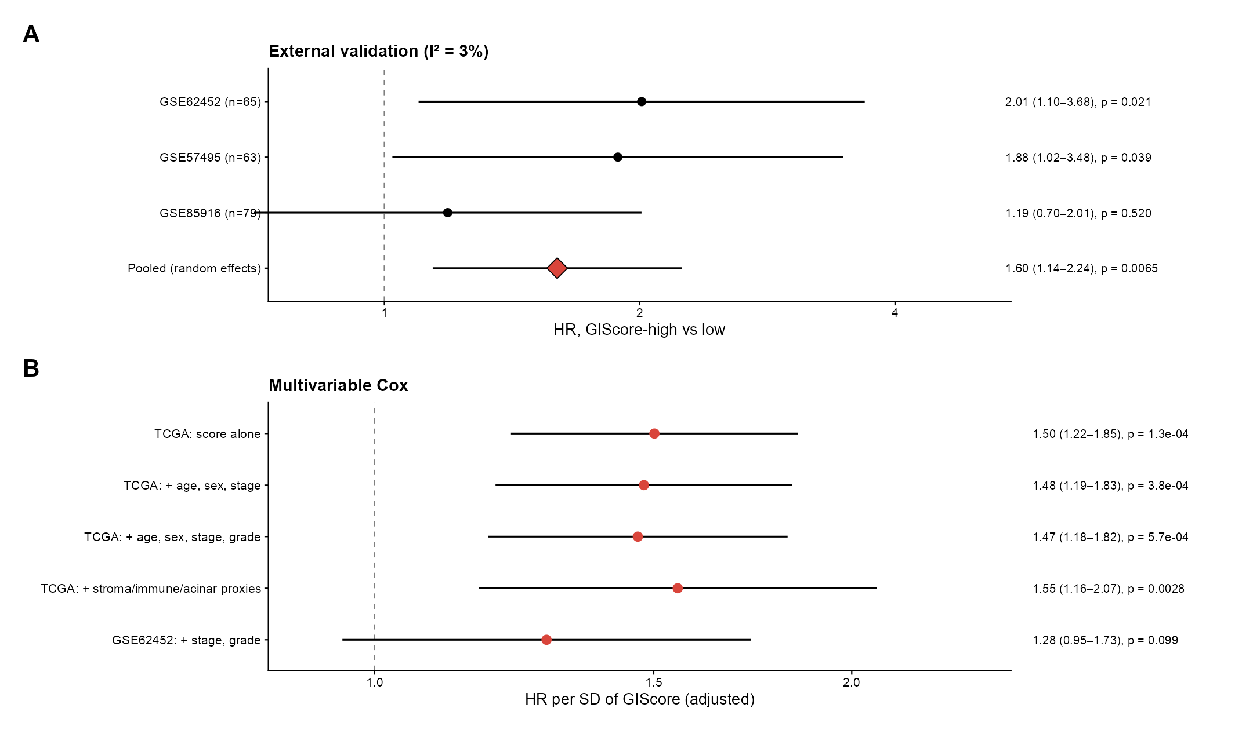

Source: FigureS4_validation_multivariable.png

