Taxes
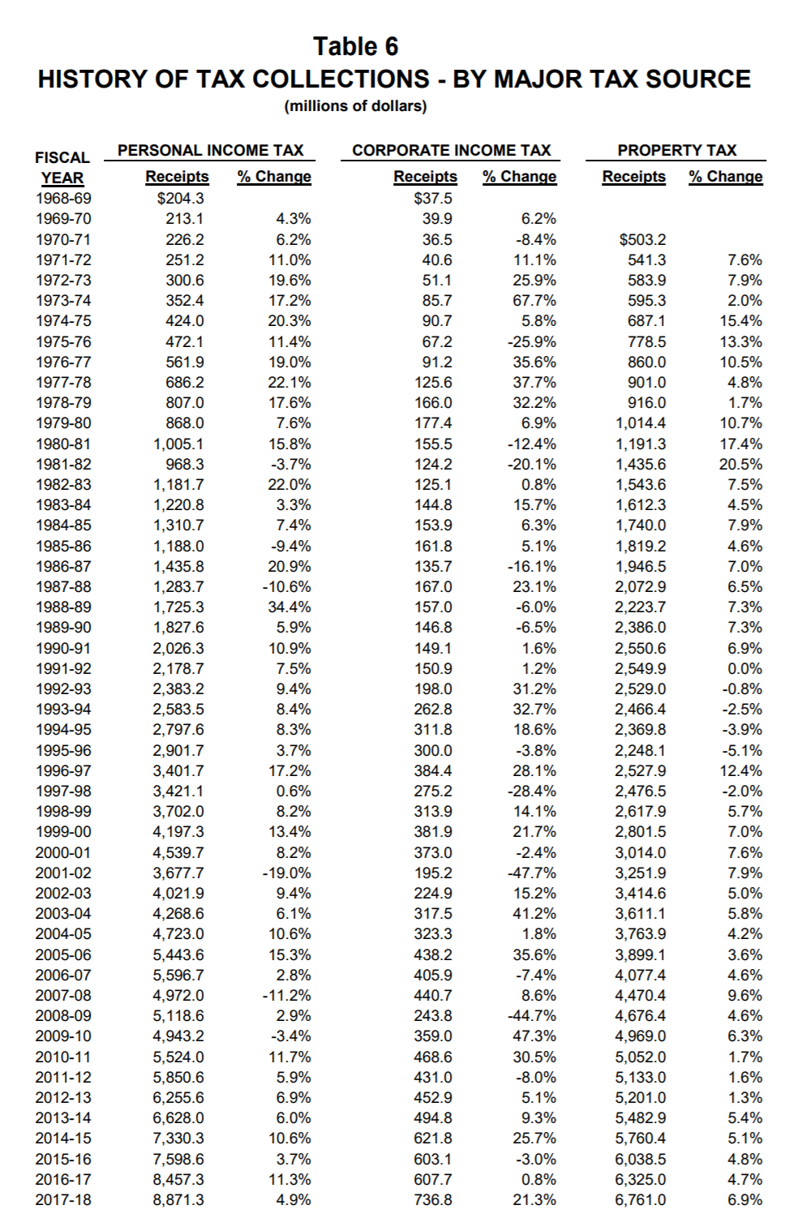
http://www.cityofseaside.us/sites/default/files/docs/city_of_seaside_budget_2017-2018_page_1-68.pdf |  |  |  |  | Proportion of capital stock |  |  |  |  |  |  |  |  |  |  |  |  |  |  |  |  |  |  | Oregon State Tax revenues
 |  |  |  |  | nature | util | cons | manutrans | trade | services | health | accommo | restau | HS
All other tax |  | 112925 | (in dollars) | KAP | 983.35653934 | 248.86912653 | 14561.330173 | 2378.9984668 | 35363.591365 | 233061.463 | 35825.502144 | 51763.542444 | 78951.583746 | 338914.15003 | 792052.38703
Local property tax |  | 690500 | (in dollars) |  | 0.0012415296708 | 0.00031420791176 | 0.018384301862 | 0.0030035872699 | 0.044648045942 | 0.29425006075 | 0.045231228049 | 0.065353685301 | 0.099679749772 | 0.42789360347
State corporation tax |  | 736.8 | (in millions) | L Prop TX | 0.8572762377 | 0.21696056307 | 12.694360435 | 2.0739770099 | 30.829475723 | 203.17966695 | 31.232162968 | 45.1267197 | 68.828867217 | 295.4605332
State income tax |  | 8,871.30 | (in millions) |  |  |  |  |  |  |  |  |  |  | HH1 | HH2 | HH3 | HH4 | HH5 | HH6 | HH7 | HH8 | HH9 | total
 |  |  |  |  |  |  |  |  |  |  |  |  | HS
 |  |  |  |  |  |  |  |  |  |  |  |  | proportion
 |  | HH1 | HH2 | HH3 | HH4 | HH5 | HH6 | HH7 | HH8 | HH9 | total |  | L Prop TX
 |  | 0.1 | 0.15 | 0.15 | 0.15 | 0.15 | 0.15 | 0.25 | 0.28 | 0.4
 |  | 270.54839929 | 347.21380208 | 2341.1515226 | 5994.0079591 | 9824.7912386 | 27915.669683 | 23364.366253 | 36118.821104 | 42213.50493
 |  | 27.054839929 | 52.082070311 | 351.17272839 | 899.10119387 | 1473.7186858 | 4187.3504524 | 5841.0915633 | 10113.269909 | 16885.401972 | 39830.243415
 | STPIT | 9.6413812575 | 18.560194696 | 125.14545163 | 320.40763952 | 525.18084577 | 1492.2225478 | 2081.5569735 | 3604.009161 | 6017.3558048 | 14194.08
0.4 | L AOT | 0.030681889309 | 0.059064341924 | 0.39825195081 | 1.0196372767 | 1.6712896365 | 4.7487186549 | 6.6241650387 | 11.469083858 | 19.149107354 | 45.17
 |  | HH1 | HH2 | HH3 | HH4 | HH5
 |  | 28.201575953 | 445.55309114 | 2017.4033936 | 2081.5569735 | 9621.3649658

 |  |  |  |  |  |  | Tot Emp in Oregon |  | 2501057
 |  |  |  |  |  |  |  | Seaside | 3940
 |  |  |  |  |  |  |  |  | 0.0015753339488
Paid Tax amount |  |  |  |  |  |  | share of employment |  | 0.0016
 | nature | util | cons | manutrans | trade | services | health | accommo | restau
L property | 0.8572762377 | 0.21696056307 | 12.694360435 | 2.0739770099 | 30.829475723 | 203.17966695 | 31.232162968 | 45.1267197 | 68.828867217

 | 5319.6905178 | 2363.5518299 | 35927.732729 | 35754.076808 | 83617.038851 | 342933.28416 | 75972.444777 | 101616.46176 | 129241.91424 | 812746.19567
State Corp | 7.716156398 | 3.4283076268 | 52.112806907 | 51.86092078 | 121.28565509 | 497.42120256 | 110.19724999 | 147.39363294 | 187.46406772 | 1178.88 | 0
0.60
L AOT | 0.44347870584 | 0.19703870051 | 2.9951337133 | 2.9806567992 | 6.9707769751 | 28.588807665 | 6.3334815018 | 8.4713080209 | 10.774317919 | 67.755 | 0

 |  | Shields Taxes

 | property tax | 3700 | 6.45 | total resources
 | losing | 200 | 0.8 | carryover
 |  | 3500 | 5650

 | accom | 688.5 |  |  |  | acc1 ds | acc2ds | acc3ds
 |  | 4188.5 |  |  |  | 11685.155038 | 30065.541033 | 41750.696071
 |  |  | 3500 |  |  | 0.27987928676 | 0.72012071324
 | otax | 1461.5 | 688.5 |  |  | 192.69688893 | 495.80311107 | 688.5

 |  |  |  |  |  | 192.66922478 | 495.83077522

