Data
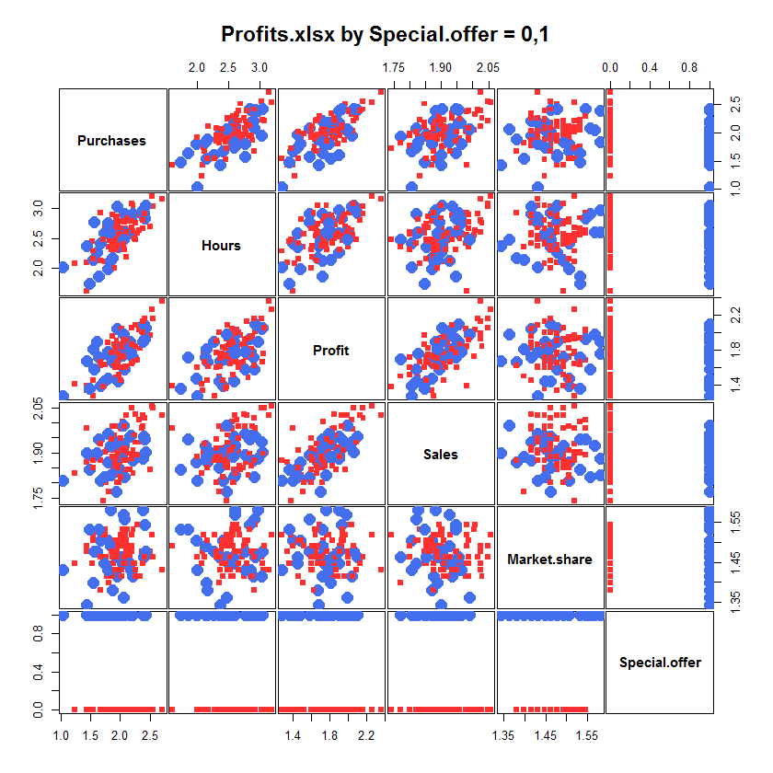
Purchases | Hours | Profit | Sales | Market share | Special offer | Matriz covarianzas
2.1644 | 2.5922 | 1.8692 | 1.8451 | 1.4624 | 0
1.9345 | 2.4742 | 1.6990 | 1.7709 | 1.4624 | 1 |  | Purchases | Hours | Profit | Sales | Market share
1.8129 | 2.3636 | 1.5051 | 1.7709 | 1.3979 | 0 | Purchases | 0.080 | 0.058 | 0.045 | 0.009 | 0.002
1.8261 | 2.4594 | 1.7482 | 1.9191 | 1.4472 | 0 | Hours | 0.058 | 0.090 | 0.037 | 0.006 | 0.000
2.5038 | 2.6998 | 1.9731 | 1.8451 | 1.4771 | 0 | Profit | 0.045 | 0.037 | 0.048 | 0.010 | 0.000
1.4314 | 2.0934 | 1.3424 | 1.8692 | 1.4771 | 0 | Sales | 0.009 | 0.006 | 0.010 | 0.004 | 0.000
1.6721 | 2.4133 | 1.3979 | 1.8062 | 1.5051 | 1 | Market share | 0.002 | 0.000 | 0.000 | 0.000 | 0.002
1.7634 | 2.5999 | 1.7160 | 1.7993 | 1.4624 | 0
2.0864 | 2.4683 | 1.9345 | 1.8865 | 1.5185 | 0
2.2122 | 2.9047 | 1.7160 | 1.8751 | 1.4150 | 1
1.7993 | 1.9868 | 1.4771 | 1.8692 | 1.5051 | 1
2.0682 | 2.9165 | 1.5798 | 1.8195 | 1.5563 | 1
2.0569 | 2.5911 | 1.8129 | 1.9294 | 1.4472 | 1 | Matriz correlaciones
2.1703 | 2.5933 | 1.9031 | 1.9542 | 1.4472 | 1
2.1732 | 2.8537 | 1.7853 | 1.9590 | 1.4314 | 1 |  | Purchases | Hours | Profit | Sales | Market share
2.0414 | 2.5092 | 1.7404 | 1.9138 | 1.4472 | 1 | Purchases | 1.00 | 0.68 | 0.73 | 0.46 | 0.13
1.9345 | 2.8202 | 1.4914 | 1.8261 | 1.5051 | 0 | Hours | 0.68 | 1.00 | 0.57 | 0.32 | -0.01
2.2175 | 3.0438 | 1.6721 | 1.9085 | 1.4472 | 0 | Profit | 0.73 | 0.57 | 1.00 | 0.69 | -0.03
2.2601 | 2.7528 | 1.8451 | 2.0294 | 1.4150 | 0 | Sales | 0.46 | 0.32 | 0.69 | 1.00 | -0.10
2.0086 | 2.4031 | 1.7634 | 1.8865 | 1.4914 | 0 | Market share | 0.13 | -0.01 | -0.03 | -0.10 | 1.00
2.0492 | 2.5198 | 1.9085 | 1.8976 | 1.4914 | 0
2.2355 | 2.4914 | 1.8513 | 1.9590 | 1.4472 | 0
2.0719 | 2.5575 | 1.8451 | 1.9823 | 1.4472 | 0
1.7709 | 2.5551 | 1.4624 | 1.9085 | 1.4150 | 0 | Las matrices de correlaciones son coherentes con el gráfico
2.0934 | 2.6628 | 1.6021 | 1.8451 | 1.4472 | 0 | las variables tienen correlación positiva, excepto Market Share (incorrelada)
1.9085 | 2.3909 | 1.7559 | 1.9138 | 1.4771 | 0
1.8865 | 2.4871 | 1.7243 | 1.8513 | 1.4472 | 0
1.5315 | 2.4564 | 1.3617 | 1.8513 | 1.4472 | 0
2.0294 | 2.4579 | 1.7324 | 1.8513 | 1.5051 | 0
2.0453 | 2.5763 | 1.7634 | 1.9294 | 1.5185 | 0
2.1959 | 2.7860 | 1.8633 | 1.8808 | 1.4771 | 0
1.9638 | 2.3617 | 1.4472 | 1.8513 | 1.4624 | 1
2.0000 | 2.7846 | 1.7243 | 1.8692 | 1.5051 | 0
2.3345 | 2.8751 | 1.8195 | 1.9345 | 1.4150 | 0
1.7482 | 2.6712 | 1.6335 | 1.9031 | 1.5315 | 0
2.3674 | 2.9243 | 2.0086 | 1.9823 | 1.5441 | 0
2.3711 | 2.9370 | 2.0864 | 1.9494 | 1.4771 | 0
2.3243 | 2.6355 | 2.0374 | 2.0086 | 1.5441 | 0
2.5465 | 3.0346 | 2.1584 | 2.0492 | 1.4624 | 0
2.7084 | 3.1532 | 2.3598 | 2.0253 | 1.4314 | 0
2.3747 | 2.9680 | 1.8976 | 1.8808 | 1.5798 | 1
2.3945 | 2.9289 | 2.1004 | 1.9542 | 1.4624 | 1
2.4099 | 2.8370 | 1.9294 | 1.9445 | 1.5441 | 1
2.5315 | 3.1959 | 2.2625 | 2.0569 | 1.5185 | 0
2.0453 | 2.5599 | 1.7324 | 2.0043 | 1.5315 | 0
2.2014 | 2.6857 | 1.6435 | 1.8976 | 1.5185 | 0
2.2923 | 2.5809 | 1.6902 | 1.8921 | 1.5441 | 0
2.0086 | 2.4232 | 1.4624 | 1.8195 | 1.5051 | 0
2.0086 | 2.5843 | 1.8325 | 1.8865 | 1.4624 | 1
2.4200 | 3.0426 | 2.0607 | 1.9031 | 1.4771 | 1
1.0414 | 2.0128 | 1.2788 | 1.8062 | 1.4314 | 1
1.4314 | 1.6128 | 1.3979 | 1.9823 | 1.4914 | 0
2.0492 | 2.6075 | 1.9777 | 1.9243 | 1.5682 | 1
1.9494 | 2.3579 | 2.0000 | 1.9868 | 1.4624 | 0
1.2304 | 2.0755 | 1.4150 | 1.8325 | 1.4472 | 0
2.0212 | 2.4116 | 1.8325 | 1.9777 | 1.4150 | 0
1.7404 | 2.1072 | 1.7853 | 1.9031 | 1.5185 | 0
1.9590 | 3.0554 | 1.7634 | 1.8976 | 1.4314 | 0
1.8751 | 2.1703 | 1.6721 | 1.8692 | 1.3802 | 1
1.4314 | 2.3766 | 1.6812 | 1.8976 | 1.3424 | 1
2.0128 | 2.4983 | 1.9731 | 1.9823 | 1.5185 | 0
1.9243 | 2.4857 | 1.7404 | 1.8692 | 1.4914 | 0
1.9445 | 3.0306 | 2.0414 | 1.9345 | 1.4150 | 1
1.8751 | 2.3655 | 1.7076 | 1.8865 | 1.4624 | 0
1.7924 | 2.5809 | 1.8865 | 1.9191 | 1.4150 | 0
1.8692 | 2.8887 | 1.9590 | 1.9868 | 1.4150 | 0
1.8865 | 2.5378 | 1.6435 | 1.9085 | 1.4624 | 0
1.8325 | 2.6064 | 1.7634 | 1.8261 | 1.5798 | 1
2.0253 | 2.5599 | 2.0453 | 1.9777 | 1.4150 | 0
2.1038 | 2.7903 | 1.9294 | 2.0253 | 1.4914 | 0
1.8976 | 2.7193 | 1.8633 | 1.9590 | 1.4624 | 0
2.4065 | 2.9154 | 2.1644 | 2.0170 | 1.4624 | 0
1.9138 | 2.4548 | 1.8261 | 1.8573 | 1.5051 | 0
1.6721 | 2.9217 | 1.6232 | 1.8751 | 1.3802 | 0
1.5682 | 2.7723 | 1.5798 | 1.8921 | 1.4771 | 1
1.9445 | 2.8710 | 1.7482 | 1.8573 | 1.4771 | 0
1.7993 | 2.7642 | 1.7853 | 1.9638 | 1.4314 | 1
1.7324 | 2.5911 | 1.4472 | 1.8195 | 1.4472 | 1
1.7160 | 2.4786 | 1.3802 | 1.7404 | 1.5185 | 0
1.9731 | 2.5775 | 1.5185 | 1.7993 | 1.4914 | 0
2.2014 | 3.0730 | 2.0569 | 2.0492 | 1.4914 | 0
2.3838 | 2.6618 | 2.0043 | 1.9868 | 1.4472 | 0
2.1072 | 2.6096 | 1.9912 | 2.0253 | 1.4771 | 0
2.1239 | 2.8414 | 1.9395 | 1.8976 | 1.5315 | 0
2.1072 | 2.1875 | 1.6128 | 1.8751 | 1.4914 | 0
2.0212 | 2.5366 | 1.8692 | 1.9085 | 1.4314 | 0
1.9191 | 2.3655 | 1.6128 | 1.8751 | 1.4314 | 0
1.6021 | 2.2648 | 1.8976 | 1.8976 | 1.4771 | 1
1.8388 | 2.1303 | 1.7160 | 1.9243 | 1.4914 | 1
2.2601 | 2.4829 | 2.0899 | 1.9345 | 1.4314 | 0
1.9395 | 2.3160 | 1.9085 | 1.8865 | 1.4771 | 0
2.0682 | 2.3075 | 1.6021 | 1.9138 | 1.4624 | 0
2.1038 | 2.5441 | 1.9494 | 1.9085 | 1.5051 | 0
2.0531 | 2.4800 | 1.9868 | 1.9912 | 1.3617 | 1
2.0128 | 2.6721 | 1.6021 | 1.9494 | 1.4314 | 0
2.3802 | 2.8028 | 2.1303 | 2.0253 | 1.4472 | 0
1.5441 | 2.1492 | 1.8129 | 1.8865 | 1.3979 | 1
1.6335 | 1.8633 | 1.7160 | 1.9445 | 1.5315 | 1
1.9085 | 2.0086 | 1.6021 | 1.8865 | 1.4624 | 0
2.0607 | 2.4031 | 1.7160 | 1.8751 | 1.4472 | 0
1.9395 | 2.3181 | 1.6021 | 1.7993 | 1.4624 | 0
2.0719 | 2.7709 | 1.9243 | 1.9868 | 1.5051 | 0
2.2175 | 2.6170 | 1.6628 | 1.8325 | 1.5315 | 0
1.8513 | 2.3118 | 1.7709 | 1.9445 | 1.4771 | 0
1.5441 | 2.2878 | 1.2788 | 1.8751 | 1.5185 | 0
1.4771 | 1.7482 | 1.3617 | 1.8451 | 1.5315 | 1
1.9685 | 2.7466 | 1.6721 | 1.8513 | 1.4914 | 0
1.6628 | 2.1271 | 1.6628 | 1.9294 | 1.4624 | 0
1.5441 | 2.1614 | 1.4624 | 1.8513 | 1.5051 | 0
1.9494 | 2.6812 | 1.6532 | 1.8573 | 1.4771 | 0

