Sheet1
英文 | 汉语
qh_RL_BoneRoot | 骨根
qh_CC_Base_Hip | 臀骨
qh_CC_Base_Pelvis | 骨盆

qh_CC_Base_L_Thigh | 左腿
qh_CC_Base_L_Calf | 左小腿
qh_CC_Base_Foot | 左脚
qh_CC_Base_ToeBaseShareBone | 左脚趾
qh_CC_Base_ToeBase | 左脚趾股骨
qh_CC_Base_PinkyToe1 | 左脚小趾骨
qh_CC_Base_RingToe1 | 左脚无名趾骨
qh_CC_Base_L_MidToe1 | 左脚中趾骨
qh_CC_Base_L_IndexToe1 | 左脚食趾骨
qh_CC_Base_L_BigToe1 | 左脚大脚趾骨
qh_CC_Base_L_CalfTwist01 | 左小腿扭曲01
qh_CC_Base_L_CalfTwist02 | 左小腿扭曲02
qh_CC_Base_L_KneeShareBone | 左膝盖骨
qh_CC_Base_L_ThighTwist01 | 左大腿扭曲01
qh_CC_Base_L_ThighTwist02 | 左大腿扭曲02
qh_CC_Base_R_Thigh | 右大腿
qh_CC_Base_R_Calf | 右小腿
qh_CC_Base_R_KneeShareBone | 右膝盖骨
qh_CC_Base_R_Foot | 右脚
qh_CC_Base_R_ToeBase | 右脚趾
qh_CC_Base_R_BigToe1 | 右脚大脚趾
qh_CC_Base_R_PinkyToe1 | 右脚小脚趾
qh_CC_Base_R_RingToe1 | 右脚无名脚趾
qh_CC_Base_R_IndexToe1 | 右脚食趾
qh_CC_Base_R_MidToe1 | 右脚中趾
qh_CC_Base_R_ToeBaseShareBone | 右膝盖骨
qh_CC_Base_R_CalfTwist01 | 右小腿扭曲01
qh_CC_Base_R_CalfTwist02 | 右小腿扭曲02
qh_CC_Base_R_ThighTwist01 | 右大腿扭曲01
qh_CC_Base_R_ThighTwist02 | 右大腿扭曲02
qh_CC_Base_Waist | 腰围
qh_CC_Base_Spine01 | 脊骨01
qh_CC_Base_Spine02 | 脊骨02
qh_CC_Base_NeckTwist01 | 颈骨扭曲01
qh_CC_Base_NeckTwist02 | 颈骨扭曲02
qh_CC_Base_Head | 头
qh_CC_Base_FacialBone | 面部骨骼
qh_CC_Base_JawRoot | 下颌根
qh_CC_Base_Tongue01 | 舌头01
qh_CC_Base_Tongue02 | 舌头02
qh_CC_Base_Tongue03 | 舌头03
qh_CC_Base_Teeth02 | 牙02
qh_CC_Base_R_Eye | 右眼
qh_CC_Base_L_Eye | 左眼
qh_CC_Base_UpperJaw | 上颌
qh_CC_Base_Teeth01 | 牙01
qh_CC_Base_L_Clavicle | 左锁骨
qh_CC_Base_L_Upperarm | 左上臂
qh_CC_Base_L_Forearm | 左前臂
qh_CC_Base_L_ForearmTwist01 | 左前臂扭曲01
qh_CC_Base_L_ForearmTwist02 | 左前臂扭曲02
qh_CC_Base_L_ElbowShareBone | 左肘关节骨
qh_CC_Base_L_Hand | 左手
qh_CC_Base_L_Pinky1 | 左手小指1
qh_CC_Base_L_Pinky2 | 左手小指2
qh_CC_Base_L_Pinky3 | 左手小指3
qh_CC_Base_L_Ring1 | 左手无名指1
qh_CC_Base_L_Ring2 | 左手无名指2
qh_CC_Base_L_Ring3 | 左手无名指3
qh_CC_Base_L_Mid1 | 左手中指1
qh_CC_Base_L_Mid2 | 左手中指2
qh_CC_Base_L_Mid3 | 左手中指3
qh_CC_Base_L_Index1 | 左手食指1
qh_CC_Base_L_Index2 | 左手食指2
qh_CC_Base_L_Index3 | 左手食指3
qh_CC_Base_L_Thumb1 | 左手大拇指1
qh_CC_Base_L_Thumb2 | 左手大拇指2
qh_CC_Base_L_Thumb3 | 左手大拇指3
qh_CC_Base_L_UpperarmTwist01 | 左上臂扭曲01
qh_CC_Base_L_UpperarmTwist02 | 左上臂扭曲02
qh_CC_Base_L_RibsTwist | 左肋骨扭曲
qh_CC_Base_L_Breast | 左乳房
qh_CC_Base_R_RibsTwist | 右肋骨扭曲
qh_CC_Base_R_Breast | 右乳房
qh_CC_Base_R_Clavicle | 右锁骨
qh_CC_Base_R_Upperarm | 右上臂
qh_CC_Base_R_Forearm | 右前臂
qh_CC_Base_R_ElbowShareBone | 右肘关节骨
qh_CC_Base_R_ForearmTwist01 | 右前臂扭曲01
qh_CC_Base_R_ForearmTwist02 | 右前臂扭曲02
qh_CC_Base_R_Hand | 右手
qh_CC_Base_R_Ring1 | 右手无名指1
qh_CC_Base_R_Ring2 | 右手无名指2
qh_CC_Base_R_Ring3 | 右手无名指3
qh_CC_Base_R_Mid1 | 右手中指1
qh_CC_Base_R_Mid2 | 右手中指2
qh_CC_Base_R_Mid3 | 右手中指3
qh_CC_Base_R_Thumb1 | 右手大拇指1
qh_CC_Base_R_Thumb2 | 右手大拇指2
qh_CC_Base_R_Thumb3 | 右手大拇指3
qh_CC_Base_R_Index1 | 右手食指1
qh_CC_Base_R_Index2 | 右手食指2
qh_CC_Base_R_Index3 | 右手食指3
qh_CC_Base_R_Pinky1 | 右手小指1
qh_CC_Base_R_Pinky2 | 右手小指2
qh_CC_Base_R_Pinky3 | 右手小指3
qh_CC_Base_R_UpperarmTwist01 | 右上臂扭曲01
qh_CC_Base_R_UpperarmTwist02 | 右上臂扭曲02

unreal
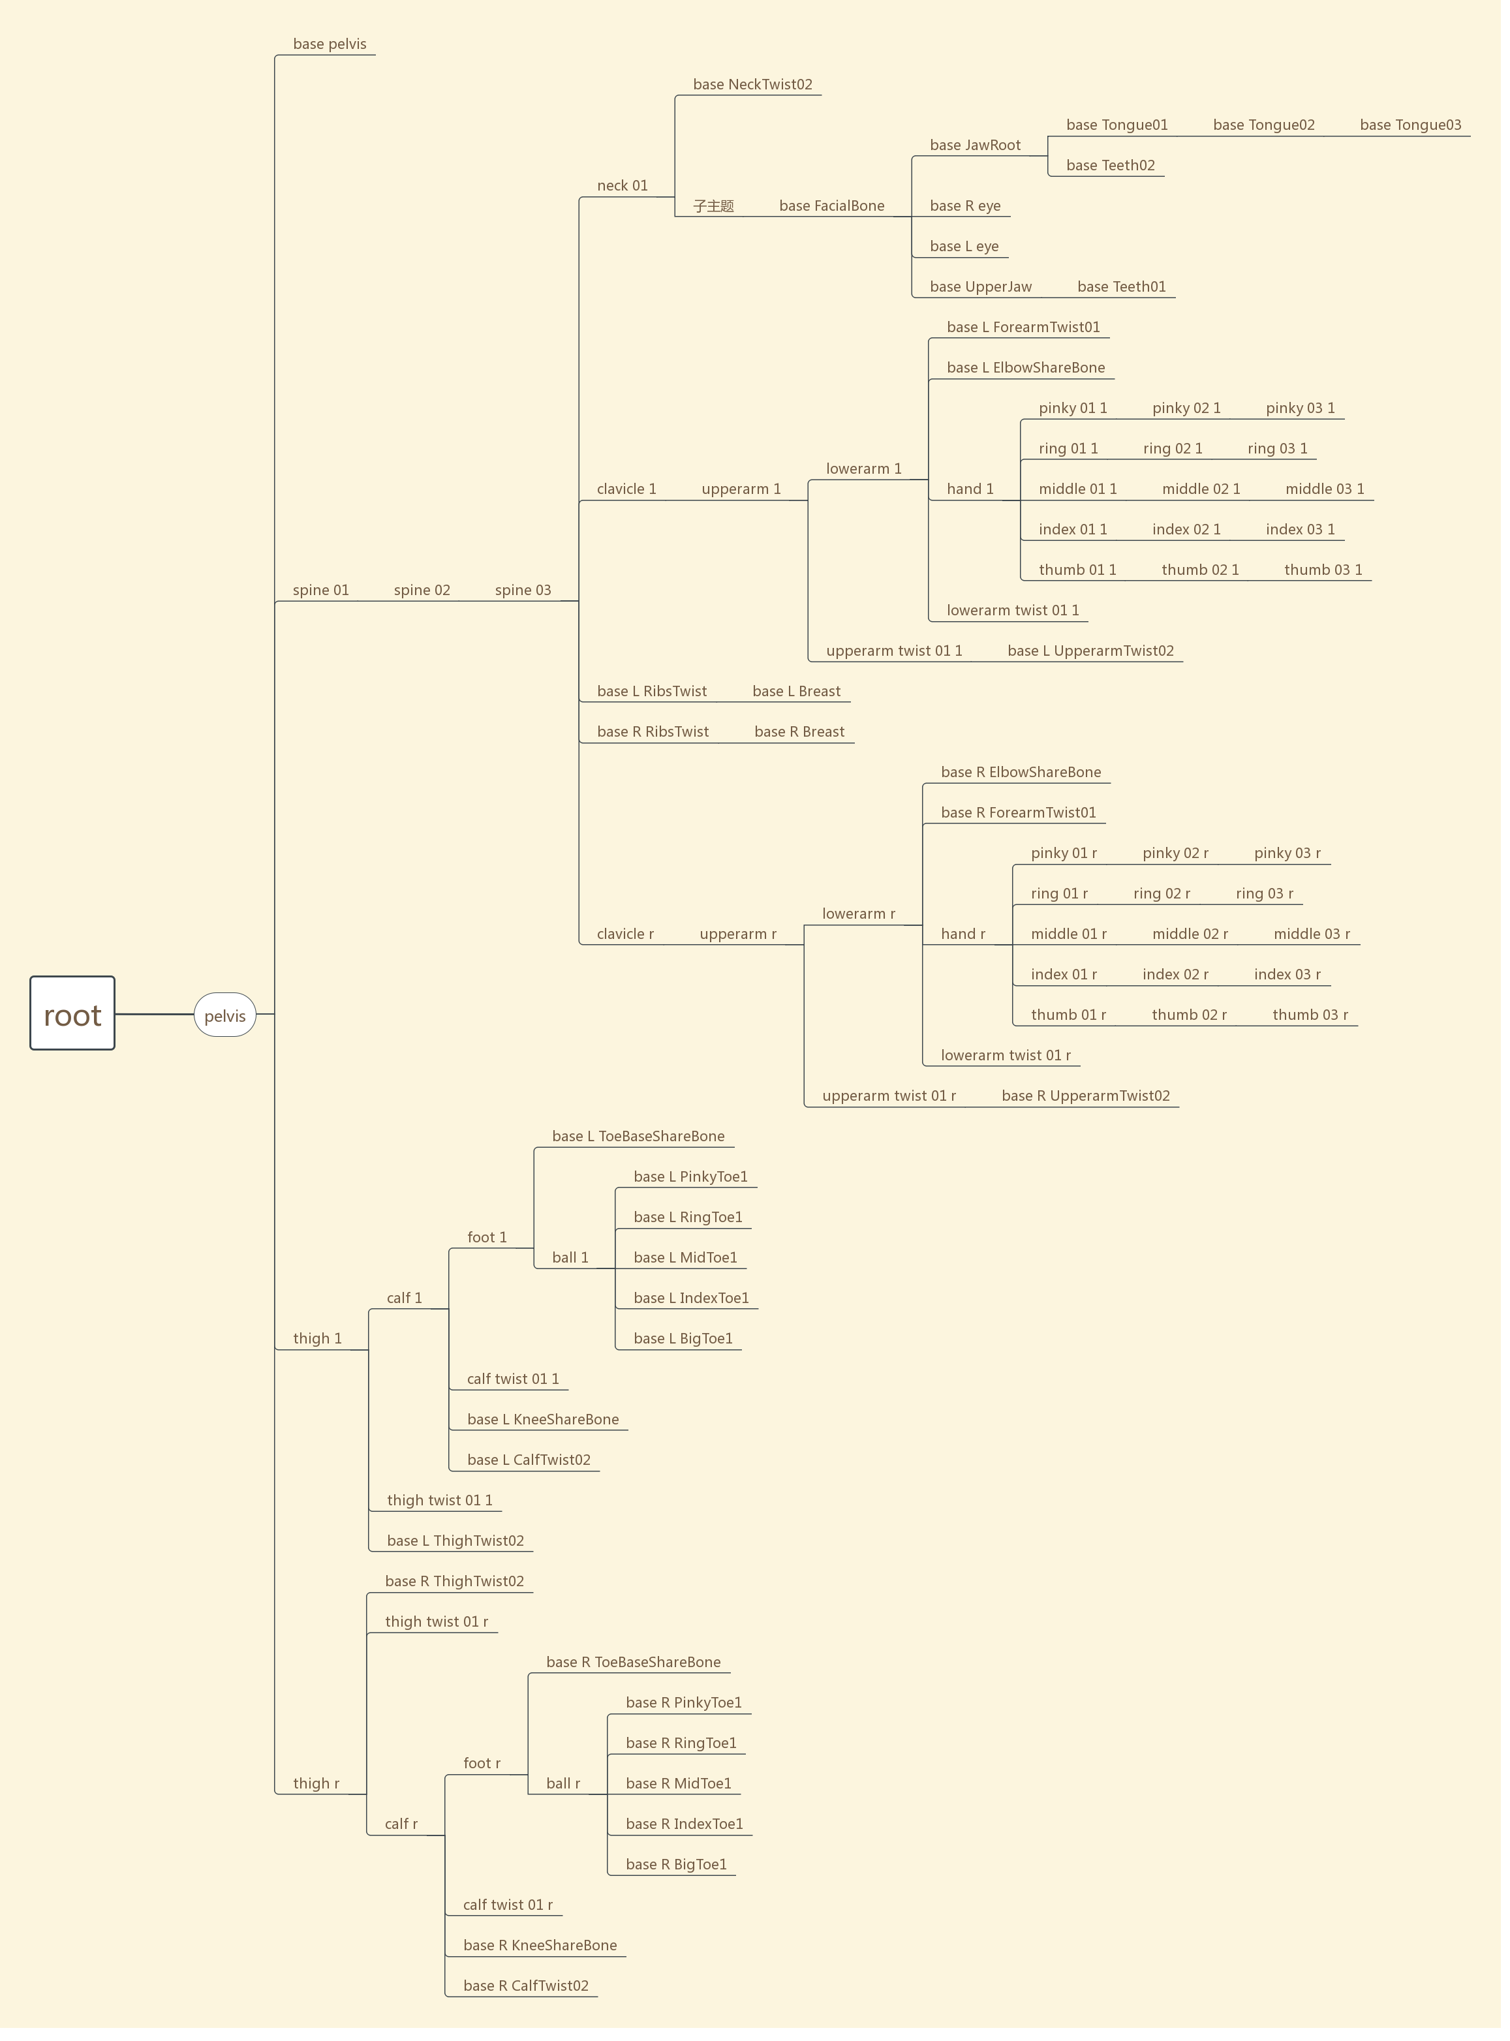
root
pelvis
base_pelvis
spine_01
spine_02
spine_03
neck_01
base_necktwist02
head
base_facialbone
base_jawroot
base_tongue01
base_tongue02
base_tongue03
base_teeth02
base_R-eye
base-L-eye
base-upperjaw
base-teeth01
clavicle-1
upperarm-1
lowerarm-1
base-L-forearmtwist01
base-L-elbowsharebone
hand-1
pinky-01-1
pinky-02-1
pinky-03-1
ring-01-1
ring-02-1
ring-03-1
middle-01-1
middle-02-1
middle-03-1
index-01-1
index-02-1
index-03-1
thumb-01-1
thumb-02-1
thumb-03-1
lowerarm-twist-01-1
upperarm-twist-01-1
base-L-upperarmtwist02
base-L-ribstwist
base-L-breast
base-R-ribstwist
base-R-breast
clavicle-r
upperarm-r
lowerarm-r
base-R-elbowsharebone
base-R-forearmtwist01
hand-r
ring-01-r
ring-02-r
ring-03-r
middle-01-r
middle-02-r
middle-03-r
thumb-01-r
thumb-02-r
thumb-03-r
index-01-r
index-02-r
index-03-r
pinky-01-r
pinky-02-r
pinky-03-r
lowerarm-twist-01-r
upperarm-twist-01-r
base-R-upperarmtwist02
thingh-1
calf-1
foot-1
base-L-toebasesharebone
ball-1
base-L-pinkytoe1
base-Lringtoe1
base-L-midtoe1
base-L-indextoe1
base-L-bigtoe1
calf-twist-01-1
base-L-kneesharebone
base-L-calftwist02
thigh-twist-01-1
base-L-thightwist02
thigh-r
calf-r
base-R-kneesharebone
foot-r
ball-r
base-R-bigtoe1
base-R-pinkytoe1
base-R-ringtoe1
base-R-indextoe1
base-R-midtoe1
base-R-toebasesharebone
calf-twist-01-r
base-R-calftwist02
thigh-twist-01-r
base-R-thightwist02

