Tabelle1
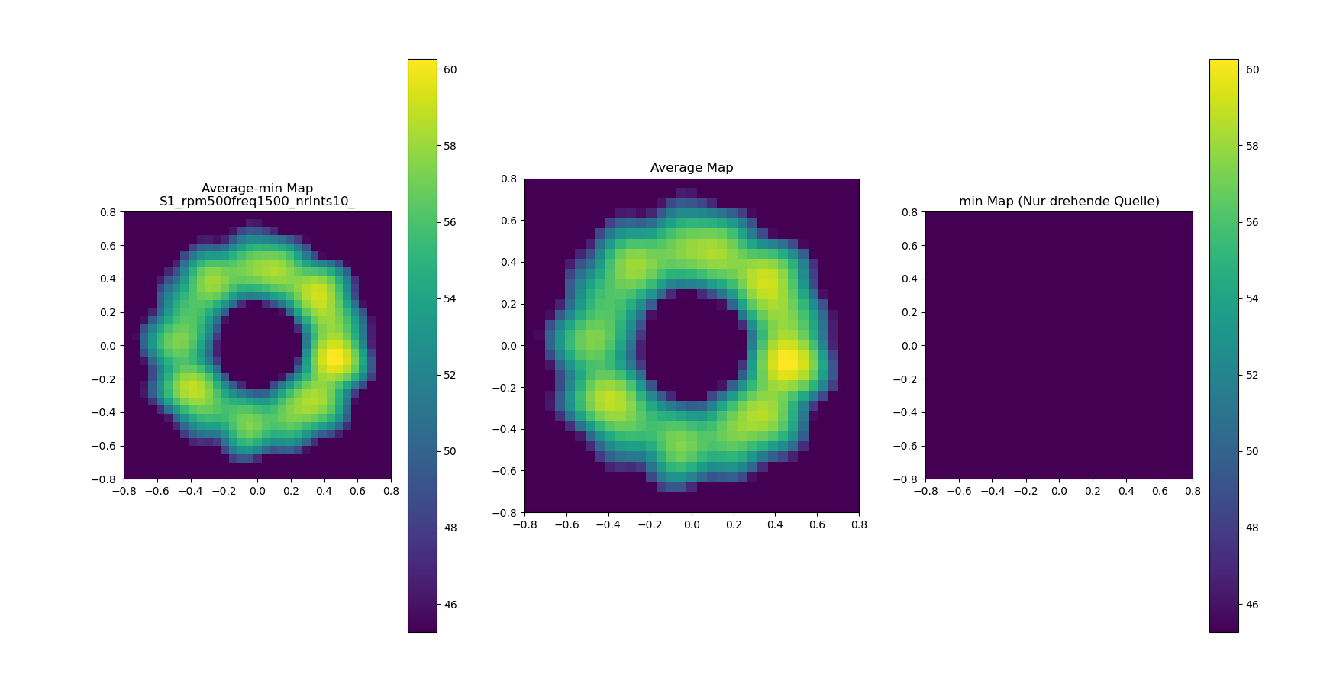
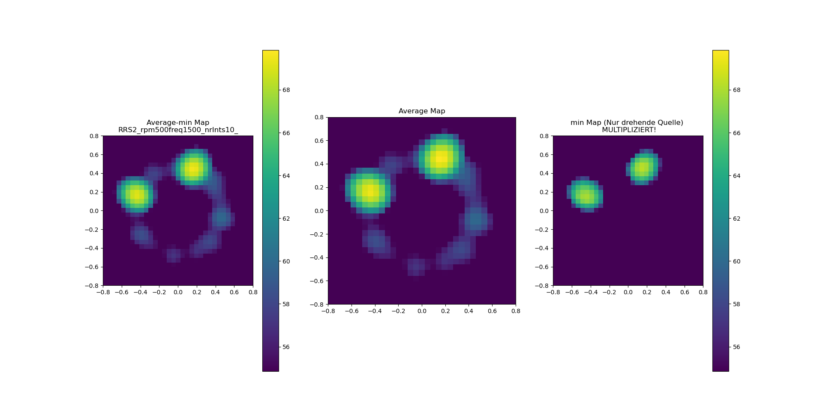
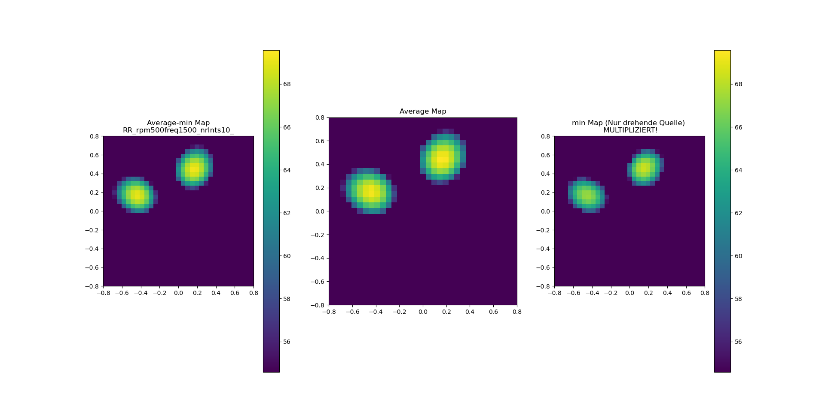
 | filename | trigger | t | rpm | r1 | r2 | r3 | x3 | phi 1 | phi 2 | rms1 | rms2 | rms3 | jitter frequency | d_rpm | micgeo | z
1 | RRS1_rpm500 | trigger_rpm500 | 2 | -500 | 0.5 | 0.5 |  | [0.3, 0.3] |  |  | 2 | 2 | 2 | 0.2 | 0.5 | tub_vogel63 | 1.21
2 | RRS2_rpm500 | trigger_rpm500 | 2 | -500 | 0.5 | 0.5 |  | [0, 0.5] |  |  | 1 | 1 | 1 | 0.2 | 0.5 | tub_vogel63 | 1.00
 | S1_rpm500 | trigger_rpm500 | 2 | -500 |  |  |  | [0, 0.5] |  |  | 0 | 0 | 1 | 0.2 | 0.5 | tub_vogel63 | 1.00
3 | RR_rpm500 | trigger_rpm500 | 2 | -500 |  |  |  | [0, 0.5] |  |  | 1 | 1 | 0 | 0.2 | 0.5 | tub_vogel63 | 1.00
4 | R_rpm500 |  | 2 | -500 | 0.5 |  |  |  | 0° ? |  | 1 | 0 | 0 |  |  |  | 1.00
 | RRS |  |  |  |  |  |  |  | 0° | 180° | 1 | 1 | 1 |  |  |  | 1.00

