Berechtigungen
permission | mit ls angezeigt als | octal | Standardwert
read | r | 4 | Datei |  |  | Verzeichnis
write | w | 2 | 666 (-rw-rw-rw) |  |  | 777 (drwxrwxrwx)
execute | x | 1
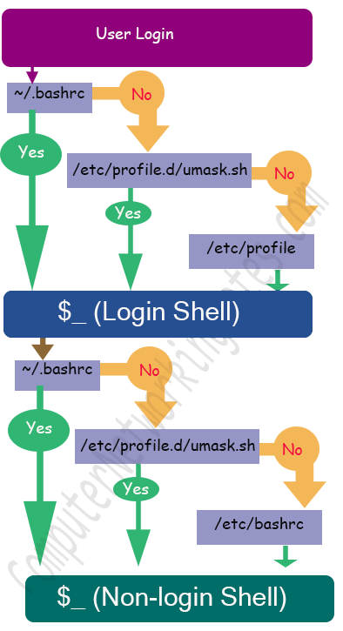
umask |  |  | umask konfigurieren

Der Shell-Befehl umask (user mask) vergibt die Standard-Zugriffsrechte beim Anlegen neuer Dateien und Verzeichnissen. |  |  | Configuration file | Type of setting | Targeted user | When applied | Shell access type
umask berechnen |  |  | /etc/profile | Default setting | All users including root | While user login | Login shell
über eine vierstellige Oktalzahl, die anzeigt, welche Rechte von den Standardwerten (für Dateien 0666 und bei Verzeichnissen 0777) abgezogen werden. Bei einer umask von 0022 werden die neuen Dateien demnach die Zugriffsrechte 0644 ( -rw-r--r-- ) und neue Verzeichnisse 0755 ( -rwxr-xr-x ) erhalten: |  |  | /etc/bashrc | Default setting | All users including root | While user access additional shell | Non-login shell
 |  |  | /etc/profile.d/umask.sh | Custom setting | All users including root | While user login and while user access additional shell | Both Login and non-login shell
 |  |  | /home/[user-name]/.bashrc | Custom setting | individual user | While individual user login and access additional shell | Both Login and non-login shell

Git
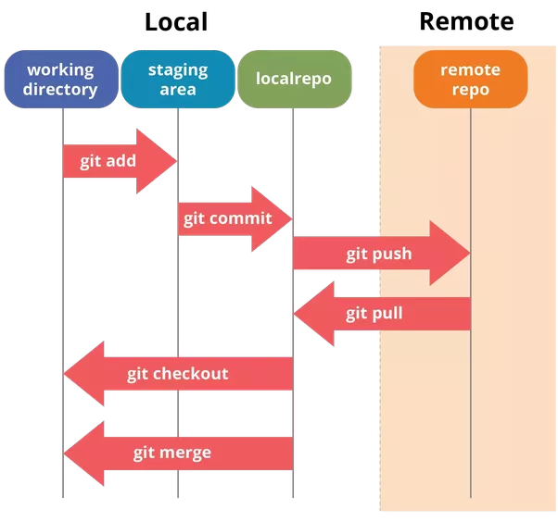
Befehl | Beschreibung | Beispiel
git clone <Repository> | Clone a GIT Repository | git clone https://github.com/xxSvenxx/Linux
git add <File> | git-add - Add file contents to the index | git add Linux_Befehle.xlsx
git commit -m "Comment" | git-commit - Record changes to the repository | git commit -m "Comment"
git push | git-push - Update remote repository | git push
git pull | git-pull Update local repository | git pull
git checkout | checkout of a branch | git checkout <branch>

