Git
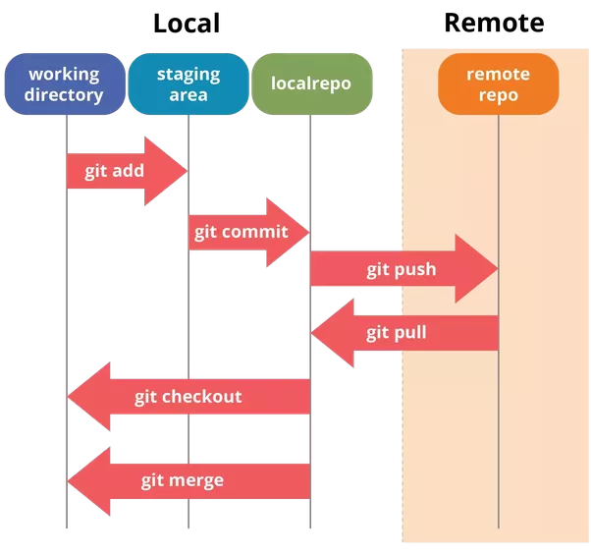
Befehl | Beschreibung | Beispiel
git clone <Repository> | Clone a GIT Repository | git clone https://github.com/xxSvenxx/Linux
git add <File> | git-add - Add file contents to the index | git add Linux_Befehle.xlsx
git commit -m "Comment" | git-commit - Record changes to the repository | git commit -m "Comment"
git push | git-push - Update remote repository | git push
git pull | git-pull Update local repository | git pull
git checkout | checkout of a branch | git checkout <branch>

