Sheet1
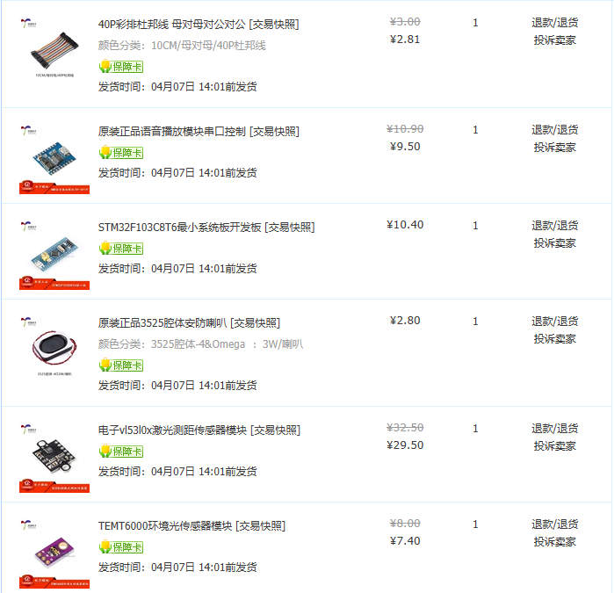
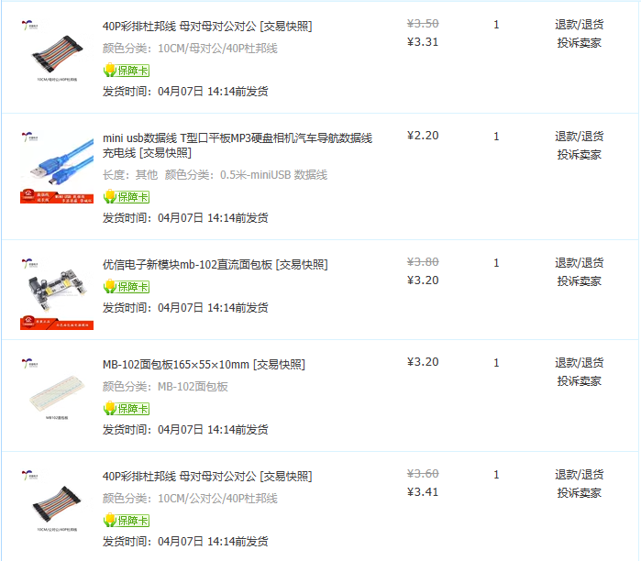
序号 | 名称 | 单价 | 数量 | 链接
0 | STM32F103C8T6最小系统板开发板 | 10.4 | 1 | https://item.taobao.com/item.htm?_u=a312f0oj2faf&id=679227834271&spm=a1z09.2.0.0.3fc22e8dudkjjO
1 | 原装正品ESP32开发板模块 | 18.6 | 1 | https://item.taobao.com/item.htm?spm=a1z09.2.0.0.3fc22e8dudkjjO&id=724748055478&_u=a312f0oja681
2 | 原装正品语音播放模块串口控制 | 9.5 | 1 | https://item.taobao.com/item.htm?spm=a1z09.2.0.0.3fc22e8dudkjjO&id=591725427467&_u=a312f0ojb100
3 | 电子vl53l0x激光测距传感器模块 | 29.5 | 1 | https://item.taobao.com/item.htm?spm=a1z09.2.0.0.3fc22e8dudkjjO&id=573789946031&_u=a312f0oj3956
4 | TEMT6000环境光传感器模块 | 7.4 | 1 | https://item.taobao.com/item.htm?spm=a1z09.2.0.0.3fc22e8dudkjjO&id=555809311721&_u=a312f0oj2a8a
5 | 原装正品3525腔体安防喇叭 | 2.8 | 1 | https://item.taobao.com/item.htm?spm=a1z09.2.0.0.3fc22e8dudkjjO&id=683920556900&_u=a312f0ojdf11
6 | 优信电子新模块mb-102直流面包板 | 3.2 | 1 | https://item.taobao.com/item.htm?spm=a1z09.2.0.0.3fc22e8dudkjjO&id=549714246698&_u=a312f0oj76a4
7 | MB-102面包板165×55×10mm | 3.2 | 1 | https://item.taobao.com/item.htm?spm=a1z09.2.0.0.3fc22e8dudkjjO&id=522572405070&_u=a312f0oj1b23
8 | mini usb数据线 T型口平板MP3硬盘相机汽车导航数据线充电线 | 2.2 | 1 | https://item.taobao.com/item.htm?spm=a1z09.2.0.0.3fc22e8dudkjjO&id=540020570561&_u=a312f0oj60ba
9 | 40P彩排杜邦线 母对母 | 3.31 | 1 | https://item.taobao.com/item.htm?spm=a1z09.2.0.0.3fc22e8dudkjjO&id=558182761958&_u=a312f0oj4ff8
10 | 40P彩排杜邦线 公对公 | 3.41 | 1 | https://item.taobao.com/item.htm?spm=a1z09.2.0.0.3fc22e8dudkjjO&id=558182761958&_u=a312f0oj4ff8
11 | 40P彩排杜邦线 母对公 | 2.81 | 1 | https://item.taobao.com/item.htm?spm=a1z09.2.0.0.3fc22e8dudkjjO&id=558182761958&_u=a312f0oj4ff8
12 | 原装正品140根优质跳线面包板线 | 6 | 1 | https://item.taobao.com/item.htm?spm=a1z09.2.0.0.3fc22e8dudkjjO&id=522572825997&_u=a312f0ojc2a8
 |  | 102.33

