Sheet1
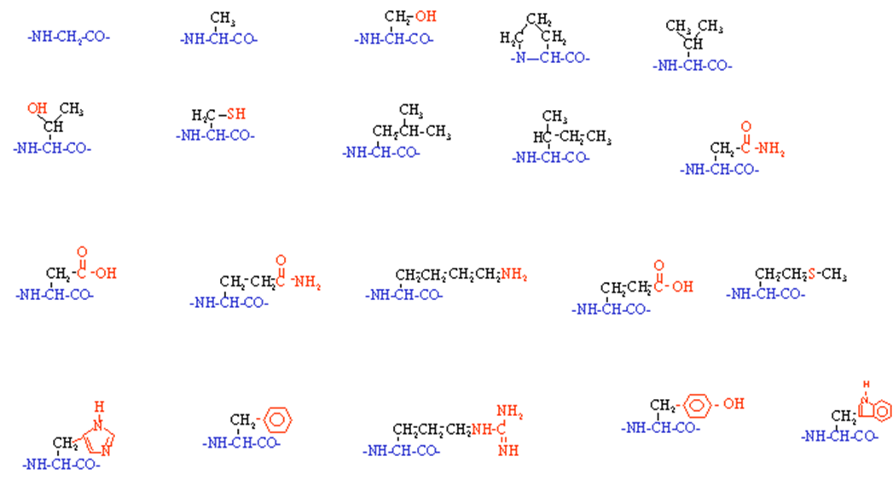
Gly | G | 57.021464 | 57.05 | C2H3NO
Ala | A | 71.037114 | 71.08 | C3H5NO
Ser | S | 87.032029 | 87.08 | C3H5NO2
Pro | P | 97.052764 | 97.12 | C5H7NO
Val | V | 99.068414 | 99.07 | C5H9NO
Thr | T | 101.04768 | 101.1 | C4H7NO2
Cys | C | 103.00919 | 103.1 | C3H5NOS
Leu | L | 113.08406 | 113.2 | C6H11NO
Ile | I | 113.08406 | 113.2 | C6H11NO
Asn | N | 114.04293 | 114.1 | C4H6N2O2
Asp | D | 115.02694 | 115.1 | C4H5NO3
Gln | Q | 128.05858 | 128.1 | C5H8N2O2
Lys | K | 128.09496 | 128.2 | C6H12N2O
Glu | E | 129.04259 | 129.1 | C5H7NO3
Met | M | 131.04048 | 131.2 | C5H9NOS
His | H | 137.05891 | 137.1 | C6H7N3O
Phe | F | 147.06841 | 147.2 | C9H9NO
Arg | R | 156.10111 | 156.2 | C6H12N4O
Tyr | Y | 163.06333 | 163.2 | C9H9NO2
Trp | W | 186.07931 | 186.2 | C11H10N2O

Asp-Arg-Val-Tyr-Ile-His-Pro-Phe-His-Leu-Val-Ile- |  |  |  |  | 1 | Asp | 11 | 115.1
Asp-Arg-Val-Tyr-Ile-His-Pro-Phe-His-Leu-Val-Ile- |  |  |  |  | 2 | Arg | 18 | 156.2
Asp-Arg-Val-Tyr-Ile-His-Pro-Phe-His-Leu-Val-Ile- |  |  |  |  | 3 | Val | 5 | 99.07
Asp-Arg-Val-Tyr-Ile-His-Pro-Phe-His-Leu-Val-Ile- |  |  |  |  | 4 | Tyr | 19 | 163.2
Asp-Arg-Val-Tyr-Ile-His-Pro-Phe-His-Leu-Val-Ile- |  |  |  |  | 5 | Ile | 9 | 113.2
Asp-Arg-Val-Tyr-Ile-His-Pro-Phe-His-Leu-Val-Ile- |  |  |  |  | 6 | His | 16 | 137.1
Asp-Arg-Val-Tyr-Ile-His-Pro-Phe-His-Leu-Val-Ile- |  |  |  |  | 7 | Pro | 4 | 97.12
Asp-Arg-Val-Tyr-Ile-His-Pro-Phe-His-Leu-Val-Ile- |  |  |  |  | 8 | Phe | 17 | 147.2
Asp-Arg-Val-Tyr-Ile-His-Pro-Phe-His-Leu-Val-Ile- |  |  |  |  | 9 | His | 16 | 137.1
Asp-Arg-Val-Tyr-Ile-His-Pro-Phe-His-Leu-Val-Ile- |  |  |  |  | 10 | Leu | 8 | 113.2
 |  |  |  |  |  |  |  | 1297.49

Trp-His-Trp-Leu-Gln-Leu-Lys-Pro-Gly-Gln-Pro-Met-Tyr |  |  |  |  | 1 | Trp | 20 | 186.2
Trp-His-Trp-Leu-Gln-Leu-Lys-Pro-Gly-Gln-Pro-Met-Tyr |  |  |  |  | 2 | His | 16 | 137.1
Trp-His-Trp-Leu-Gln-Leu-Lys-Pro-Gly-Gln-Pro-Met-Tyr |  |  |  |  | 3 | Trp | 20 | 186.2
Trp-His-Trp-Leu-Gln-Leu-Lys-Pro-Gly-Gln-Pro-Met-Tyr |  |  |  |  | 4 | Leu | 8 | 113.2
Trp-His-Trp-Leu-Gln-Leu-Lys-Pro-Gly-Gln-Pro-Met-Tyr |  |  |  |  | 5 | Gln | 12 | 128.1
Trp-His-Trp-Leu-Gln-Leu-Lys-Pro-Gly-Gln-Pro-Met-Tyr |  |  |  |  | 6 | Leu | 8 | 113.2
Trp-His-Trp-Leu-Gln-Leu-Lys-Pro-Gly-Gln-Pro-Met-Tyr |  |  |  |  | 7 | Lys | 13 | 128.2
Trp-His-Trp-Leu-Gln-Leu-Lys-Pro-Gly-Gln-Pro-Met-Tyr |  |  |  |  | 8 | Pro | 4 | 97.12
Trp-His-Trp-Leu-Gln-Leu-Lys-Pro-Gly-Gln-Pro-Met-Tyr |  |  |  |  | 9 | Gly | 1 | 57.05
Trp-His-Trp-Leu-Gln-Leu-Lys-Pro-Gly-Gln-Pro-Met-Tyr |  |  |  |  | 10 | Gln | 12 | 128.1
Trp-His-Trp-Leu-Gln-Leu-Lys-Pro-Gly-Gln-Pro-Met-Tyr |  |  |  |  | 11 | Pro | 4 | 97.12
Trp-His-Trp-Leu-Gln-Leu-Lys-Pro-Gly-Gln-Pro-Met-Tyr |  |  |  |  | 12 | Met | 15 | 131.2
Trp-His-Trp-Leu-Gln-Leu-Lys-Pro-Gly-Gln-Pro-Met-Tyr |  |  |  |  | 13 | Tyr | 19 | 163.2
 |  |  |  |  |  |  |  | 1684.99

Met-Arg-Phe-Ala |  |  |  |  | 1 | Met | 15 | 131.2
Met-Arg-Phe-Ala |  |  |  |  | 2 | Arg | 18 | 156.2
Met-Arg-Phe-Ala |  |  |  |  | 3 | Phe | 17 | 147.2
Met-Arg-Phe-Ala |  |  |  |  | 4 | Ala | 2 | 71.08
 |  |  |  |  |  |  |  | 524.68

