PR 11-6
Problem 11-6

Bond | 1 | 2 |  | Date of purchase | 01/01/2010
Par | 1,000 | 1,000 |  | Maturity 6 years | 01/01/2016
Time to maturity (years) | 6 | 9 |  | Maturity 9 years | 01/01/2019
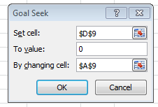
Coupon | 3.5 % | 5.5 %

Required rate of return required rate of return | Price | Price | Difference
12.4 % | 639.35 | 639.35 | 0.000

Use Goal Seek to find the required rate of return

Which has the highest price at required rate of return of 15%?

Bond | 1 | 2 |  | Date of purchase | 01/01/2010
Par | 1,000 | 1,000 |  | Maturity 6 years | 01/01/2016
Time to maturity (years) | 6 | 6 |  | Maturity 9 years | 01/01/2019
Coupon | 3.5 % | 5.5 %

Market interest rate | Price | Price | Difference
15.0 % | 564.78 | 546.70 | 18.085

Pr 11-8
Problem 11-8 |  |  | Date of purchase | 01/01/2010
 |  |  | Date of maturity ( 3y) | 01/01/2013
Required rate of return | 5.85% |  | Date of maturity (6y) | 01/01/2016

Cash flow | Ct | t·PVt |  | Bond A |  | Bond B
1 | 100 | 94 |  | Par | 100 | Par | 100
2 | 250 | 446 |  | Coupon | 9.5 % | Coupon | 3.5 %
3 | 250 | 632 |  | Years to maturity | 3 | Years to maturity | 6
4 | 150 | 478 |  | Duration | 2.759 | Duration | 5.479
5 | 300 | 1,129 |  | Weight | 0.845 | Weight | 0.155

Present value | 873.66 |  |  | Duration of portfolio of bond A and B |  |  | 3.182
Duation | 3.182
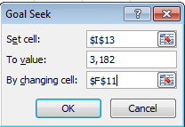
 |  |  |  | Solve using Goal Seek

