Pr 12-8
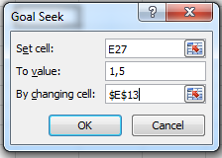
Problem 12.8
Current share price | 75
Book value per share | 50
Earning per share | 6
Growth | 5%
Dividend | 3
Risk free rate | 6.00%
Expected market return | 11.00%
Equity beta | 0.9

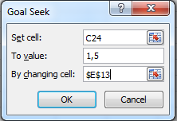
Solution:
Pay-out ratio (1-b) | 50% | <=B6/B4 |  | For goal seek
Return on equity (ROE) | 12% | <=B4/B3 |  | 13.25%
Cost of equity | 10.50% | <=B7+B9*(B8-B7)

Price/Book | 1.1454545455 | < =B13*B12*(1+B5)/(B14-B5)

or easier | 1.2727272727
(here g = b*ROE)

Reurn on equity
Market price/book value | 1.5 | <=B2/B3

Solving for ROE | 1.50 | 1.2647727273
ROE | 15.71%

or easy approach | 1.5
Solving for ROE | 1.5 | 1.50 | <=(E13-B5)/(B14 -B5)
ROE | 13.25%

