Sheet1
黃色的部分是要匯入的
灰色的部分 要由匯入的資料轉換過來(公式如下)
最後用灰色的資料來畫形變量的圖形
KP-01A | ToolID
2021-12-11 | Start Date
21:11:35 | Start Time
HAV1B66859 | LotID
TotalPitch | MachineType
1001 | StepID
1001 | PPID
H ( X_Var ) = E ( X_Measure ) - { C ( X_Design ) / 1000 }
I ( Y_Var ) = F ( Y_Measure ) - { D ( Y_Design ) / 1000 }
J ( X_Draw ) = E ( X_Design ) - { H ( X_Var ) * N13 ( X_Variable Raito ) }
K ( Y_Draw ) = F ( Y_Design ) - { I ( Y_Var ) * N14 ( Y_Variable Raito ) }
2021-12-11 | End Date
22:15:19 | End Time
2 | Slot
HAV1B66859-02 | GlassID

50000 | X_Variable Raito
50000 | Y_Variable Raito

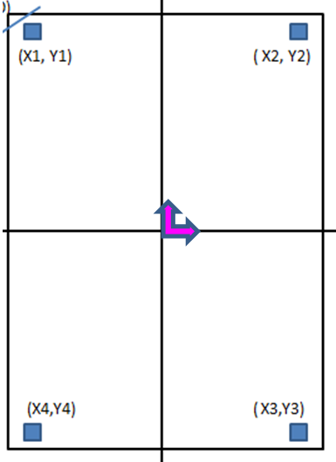
斜角 + 座標系 + 原點

