Dot Plots, Dumbbells & Lollipop
click here to read tutorial
Excel Dot Plots, Dumbbell and Lollipop Charts

Bar Charts - Comparing data the common way
Sales Targets
Sales Targets - Misleading Axis Scale

Department | 2016 | 2017
Dept. A | $787M | $970M
Dept. B | $871M | $948M
Dept. C | $662M | $904M
Dept. D | $711M | $817M
Dept. E | $678M | $731M

Dumbbell/DNA Charts - Good for comparing one period/point to the next
Sales Targets - Dumbbell/DNA Chart
Department | 2016 | 2017 | Spacing | Positive Error
Dept. A | $787M | $970M | 2.5 | 183
Dept. B | $871M | $948M | 2 | 77
Dept. C | $662M | $904M | 1.5 | 242
Dept. D | $711M | $817M | 1 | 106
Dept. E | $678M | $731M | 0.5 | 53

Tip: 2017 values are all higher than 2016 so we only have positive errors. If you also have negative errors then see the example below.

Dumbbell Charts with higher prior periods (see Dept. D below)
Error bars where 2016 > 2017
If you have prior periods that are higher
than the future/current period, like we
have here with Dept. D where 2016
is $970M and 2017 is $817M, then
you need to put the change for these
departments in the Negative error
field as a positive value (see column F).
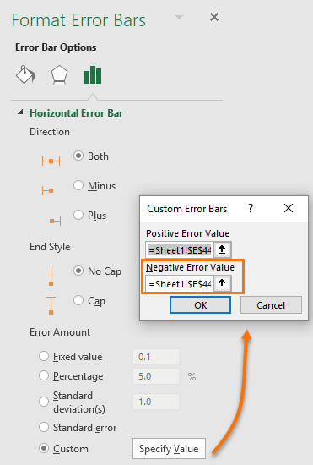

Department | 2016 | 2017 | Spacing | Positive Error | Negative Error
Dept. A | $787M | $970M | 2.5 | 183 | 0
Dept. B | $871M | $948M | 2 | 77 | 0
Dept. C | $662M | $904M | 1.5 | 242 | 0
Dept. D | $970M | $817M | 1 | 0 | 153
Dept. E | $678M | $731M | 0.5 | 53 | 0
Sales Targets - Dumbbell Chart

Dot Plots - not restricted by starting axis at zero
2017 Sales Target - Dot Plot Chart with Horizontal Lines
2017 Sales Target - Dot Plot Chart (no horizontal lines)
Department | 2017 | Spacing
Dept. A | $970M | 2.5
Dept. B | $948M | 2
Dept. C | $904M | 1.5
Dept. D | $817M | 1
Dept. E | $731M | 0.5

Lollipop Charts - a less cluttered version of the Bar Chart (start axis at zero)

2017 Sales Target - Lollipop Chart
Department | 2017 | Spacing
Dept. A | $970M | 2.5
Dept. B | $948M | 2
Dept. C | $904M | 1.5
Dept. D | $817M | 1
Dept. E | $731M | 0.5

Create the lollipop sticks with Error Bars set to Minus and 100%.

