PopulationReport
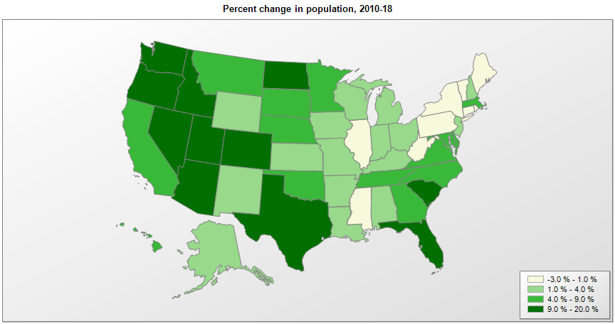

Name | Pop. 1990 | Pop. 2000 | Pop. 2010 | Pop. 2018 | Change 2010-18
United States | 248,790,925 | 281,424,600 | 308,758,105 | 327,167,434 | 6.0%
California | 29,811,427 | 33,871,653 | 37,254,523 | 39,557,045 | 6.2%
New York | 17,990,778 | 18,977,026 | 19,378,124 | 19,542,209 | 0.8%
Texas | 16,986,335 | 20,851,028 | 25,146,114 | 28,701,845 | 14.1%
Florida | 12,938,071 | 15,982,571 | 18,804,580 | 21,299,325 | 13.3%
Pennsylvania | 11,882,842 | 12,280,548 | 12,702,873 | 12,807,060 | 0.8%
Illinois | 11,430,602 | 12,419,927 | 12,831,572 | 12,741,080 | -0.7%
Ohio | 10,847,115 | 11,353,336 | 11,536,757 | 11,689,442 | 1.3%
Michigan | 9,295,287 | 9,938,823 | 9,884,117 | 9,995,915 | 1.1%
New Jersey | 7,747,750 | 8,414,764 | 8,791,962 | 8,908,520 | 1.3%
North Carolina | 6,632,448 | 8,046,346 | 9,535,736 | 10,383,620 | 8.9%
Georgia | 6,478,149 | 8,186,653 | 9,688,709 | 10,519,475 | 8.6%
Virginia | 6,189,197 | 7,079,057 | 8,001,055 | 8,517,685 | 6.5%
Massachusetts | 6,016,425 | 6,349,364 | 6,547,790 | 6,902,149 | 5.4%
Indiana | 5,544,156 | 6,080,827 | 6,484,061 | 6,691,878 | 3.2%
Missouri | 5,116,901 | 5,596,564 | 5,988,952 | 6,126,452 | 2.3%
Wisconsin | 4,891,954 | 5,363,757 | 5,687,282 | 5,813,568 | 2.2%
Tennessee | 4,877,203 | 5,689,427 | 6,346,286 | 6,770,010 | 6.7%
Washington | 4,866,669 | 5,894,281 | 6,724,540 | 7,535,591 | 12.1%
Maryland | 4,780,753 | 5,296,647 | 5,773,798 | 6,042,718 | 4.7%
Minnesota | 4,375,665 | 4,919,631 | 5,303,925 | 5,611,179 | 5.8%
Louisiana | 4,221,826 | 4,469,035 | 4,533,485 | 4,659,978 | 2.8%
Alabama | 4,040,389 | 4,447,207 | 4,780,138 | 4,887,871 | 2.3%
Kentucky | 3,686,892 | 4,042,193 | 4,339,333 | 4,468,402 | 3.0%
Arizona | 3,665,339 | 5,130,247 | 6,392,288 | 7,171,646 | 12.2%
Puerto Rico | 3,522,037 | 3,808,605 | 3,726,157 | 3,195,153 | -14.3%
South Carolina | 3,486,310 | 4,012,023 | 4,625,381 | 5,084,127 | 9.9%
Colorado | 3,294,473 | 4,302,086 | 5,029,316 | 5,695,564 | 13.2%
Connecticut | 3,287,116 | 3,405,650 | 3,574,147 | 3,572,665 | 0.0%
Oklahoma | 3,145,576 | 3,450,451 | 3,751,583 | 3,943,079 | 5.1%
Oregon | 2,842,337 | 3,421,524 | 3,831,075 | 4,190,713 | 9.4%
Iowa | 2,776,831 | 2,926,538 | 3,046,872 | 3,156,145 | 3.6%
Mississippi | 2,575,475 | 2,844,754 | 2,968,118 | 2,986,530 | 0.6%
Kansas | 2,477,588 | 2,688,925 | 2,853,126 | 2,911,505 | 2.0%
Arkansas | 2,350,624 | 2,673,293 | 2,916,028 | 3,013,825 | 3.4%
West Virginia | 1,793,477 | 1,808,193 | 1,853,001 | 1,805,832 | -2.5%
Utah | 1,722,850 | 2,233,183 | 2,763,891 | 3,161,105 | 14.4%
Nebraska | 1,578,417 | 1,711,230 | 1,826,305 | 1,929,268 | 5.6%
New Mexico | 1,515,069 | 1,819,017 | 2,059,180 | 2,095,428 | 1.8%
Maine | 1,227,928 | 1,274,779 | 1,328,369 | 1,338,404 | 0.8%
Nevada | 1,201,675 | 1,998,250 | 2,700,679 | 3,034,392 | 12.4%
New Hampshire | 1,109,252 | 1,235,807 | 1,316,464 | 1,356,458 | 3.0%
Hawaii | 1,108,229 | 1,211,497 | 1,360,307 | 1,420,491 | 4.4%
Idaho | 1,006,734 | 1,293,957 | 1,567,657 | 1,754,208 | 11.9%
Rhode Island | 1,003,464 | 1,048,259 | 1,052,957 | 1,057,315 | 0.4%
Montana | 799,065 | 902,200 | 989,409 | 1,062,305 | 7.4%
South Dakota | 696,004 | 754,858 | 814,198 | 882,235 | 8.4%
Delaware | 666,168 | 783,559 | 897,934 | 967,171 | 7.7%
North Dakota | 638,800 | 642,237 | 672,576 | 760,077 | 13.0%
District of Columbia | 606,900 | 572,086 | 601,766 | 702,455 | 16.7%
Vermont | 562,758 | 608,613 | 625,744 | 626,299 | 0.1%
Alaska | 550,043 | 626,933 | 710,249 | 737,438 | 3.8%
Wyoming | 453,589 | 493,786 | 563,773 | 577,737 | 2.5%

Source: U.S. Census Bureau, 1990, 2000, and 2010 Censuses of Population (corrected), and 2018 County Total Population Estimates.

