frameSec
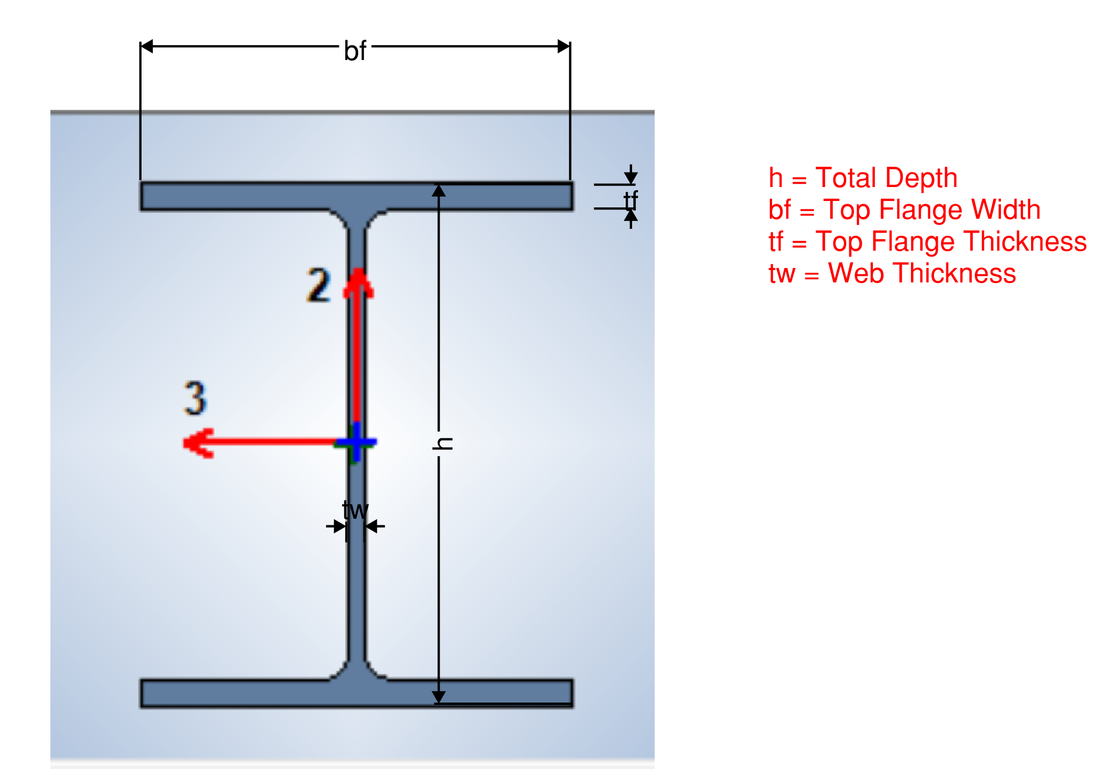
UniqueName | Analysis Section | Total Depth | Top Flange Width | Top Flange Thickness | Web Thickness
45 | W14X61 | 353.06 | 254 | 16.383 | 9.525
46 | W14X61 | 353.06 | 254 | 16.383 | 9.525
43 | W10X49 | 254 | 254 | 14.224 | 8.636
44 | W10X49 | 254 | 254 | 14.224 | 8.636
47 | W8X35 | 206.248 | 203.708 | 12.573 | 7.874
48 | W8X35 | 206.248 | 203.708 | 12.573 | 7.874
39 | W14X68 | 355.6 | 254 | 18.288 | 10.541
40 | W14X68 | 355.6 | 254 | 18.288 | 10.541
37 | W12X58 | 309.88 | 254 | 16.256 | 9.144
38 | W12X58 | 309.88 | 254 | 16.256 | 9.144
41 | W10X39 | 251.968 | 202.946 | 13.462 | 8.001
42 | W10X39 | 251.968 | 202.946 | 13.462 | 8.001
33 | W14X68 | 355.6 | 254 | 18.288 | 10.541
34 | W14X68 | 355.6 | 254 | 18.288 | 10.541
31 | W12X58 | 309.88 | 254 | 16.256 | 9.144
32 | W12X58 | 309.88 | 254 | 16.256 | 9.144
35 | W12X45 | 307.34 | 204.47 | 14.605 | 8.509
36 | W12X45 | 307.34 | 204.47 | 14.605 | 8.509
27 | W14X68 | 355.6 | 254 | 18.288 | 10.541
28 | W14X68 | 355.6 | 254 | 18.288 | 10.541
25 | W12X58 | 309.88 | 254 | 16.256 | 9.144
26 | W12X58 | 309.88 | 254 | 16.256 | 9.144
29 | W12X50 | 309.88 | 205.232 | 16.256 | 9.398
30 | W12X50 | 309.88 | 205.232 | 16.256 | 9.398
21 | W14X68 | 355.6 | 254 | 18.288 | 10.541
22 | W14X68 | 355.6 | 254 | 18.288 | 10.541
19 | W14X68 | 355.6 | 254 | 18.288 | 10.541
20 | W14X68 | 355.6 | 254 | 18.288 | 10.541
23 | W12X50 | 309.88 | 205.232 | 16.256 | 9.398
24 | W12X50 | 309.88 | 205.232 | 16.256 | 9.398
15 | W14X68 | 355.6 | 254 | 18.288 | 10.541
16 | W14X68 | 355.6 | 254 | 18.288 | 10.541
13 | W14X68 | 355.6 | 254 | 18.288 | 10.541
14 | W14X68 | 355.6 | 254 | 18.288 | 10.541
17 | W12X50 | 309.88 | 205.232 | 16.256 | 9.398
18 | W12X50 | 309.88 | 205.232 | 16.256 | 9.398
1 | W14X68 | 355.6 | 254 | 18.288 | 10.541
2 | W14X68 | 355.6 | 254 | 18.288 | 10.541
5 | W14X90 | 355.6 | 368.3 | 18.034 | 11.176
6 | W14X90 | 355.6 | 368.3 | 18.034 | 11.176
11 | W12X50 | 309.88 | 205.232 | 16.256 | 9.398
12 | W12X50 | 309.88 | 205.232 | 16.256 | 9.398
3 | W14X68 | 355.6 | 254 | 18.288 | 10.541
4 | W14X68 | 355.6 | 254 | 18.288 | 10.541
7 | W14X90 | 355.6 | 368.3 | 18.034 | 11.176
8 | W14X90 | 355.6 | 368.3 | 18.034 | 11.176
9 | W12X50 | 309.88 | 205.232 | 16.256 | 9.398
10 | W12X50 | 309.88 | 205.232 | 16.256 | 9.398

